Objective 1
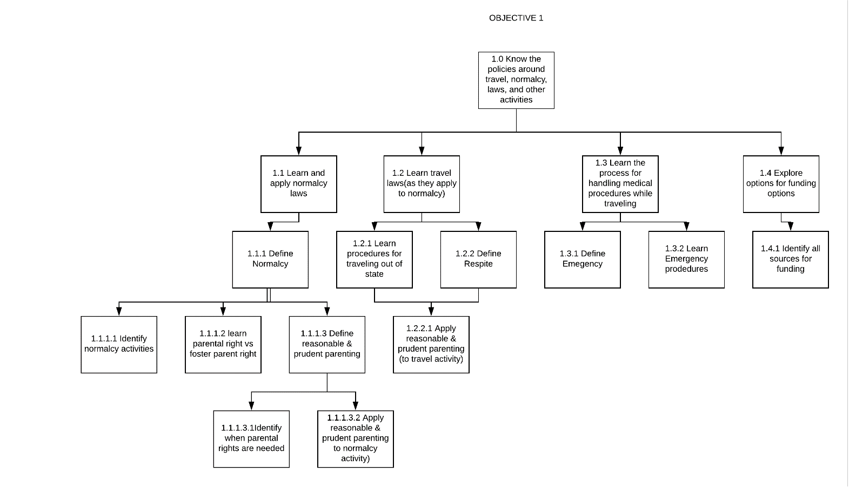
Objective 1
1.0 Know the policies around travel, normalcy, laws, and other activities
 | 1.1 Learn and apply normalcy laws
 |  | 1.1.1 Define Normalcy
 |  |  | 1.1.1.1 Identify normalcy activities
 |  |  | 1.1.1.2 learn parental right vs foster parent right
 |  |  | 1.1.1.3 Define reasonable & prudent parenting
 |  |  |  | 1.1.1.3.1 Identify when parental rights are needed
 |  |  |  | 1.1.1.3.2 Apply reasonable & prudent parenting (normalcy activity)
 | 1.2 Learn travel laws(as they apply to normalcy)
 |  | 1.2.1 Learn procedures for traveling out of state
 |  | 1.2.2 Define Respite
 |  |  | 1.2.2.1 Apply reasonable & prudent parenting (to travel activity)
 | 1.3 Learn the process for handling medical procedures while traveling
 |  | 1.3.1 Define Emegency
 |  | 1.3.2 Learn Emergency prodedures
 | 1.4 Explore options for funding options
 |  | 1.4.1 Identify all sources for funding

Objective 2
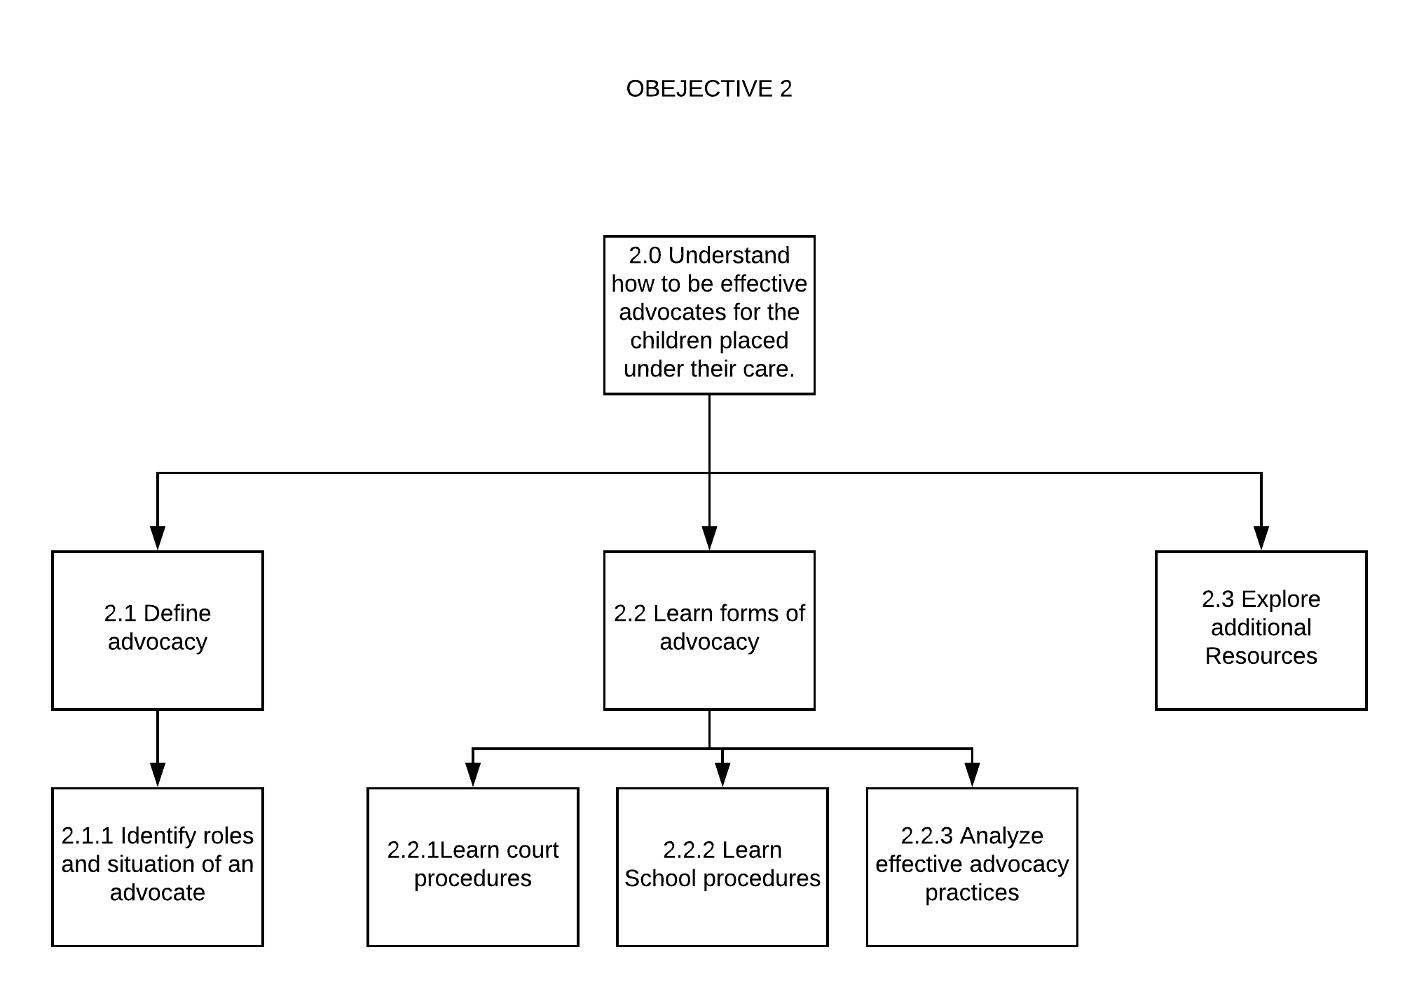
Objective 2
2.0 Understand how to be effective advocates for the children placed under their care.
 | 2.1 Define advocacy
 |  | 2.1.1 Identify roles and situation of an advocate
 | 2.2 Learn forms of advocacy
 |  | 2.2.1 Learn court procedures
 |  | 2.2.2 Learn School procedures
 |  | 2.2.3 Analyze effective advocacy practices
 | 2.3 Explore additional Resources

