Dashboard
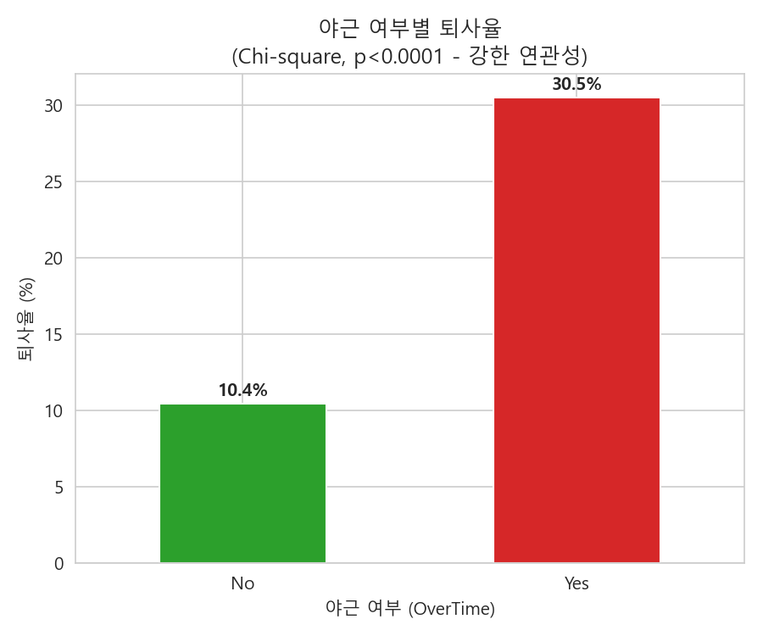
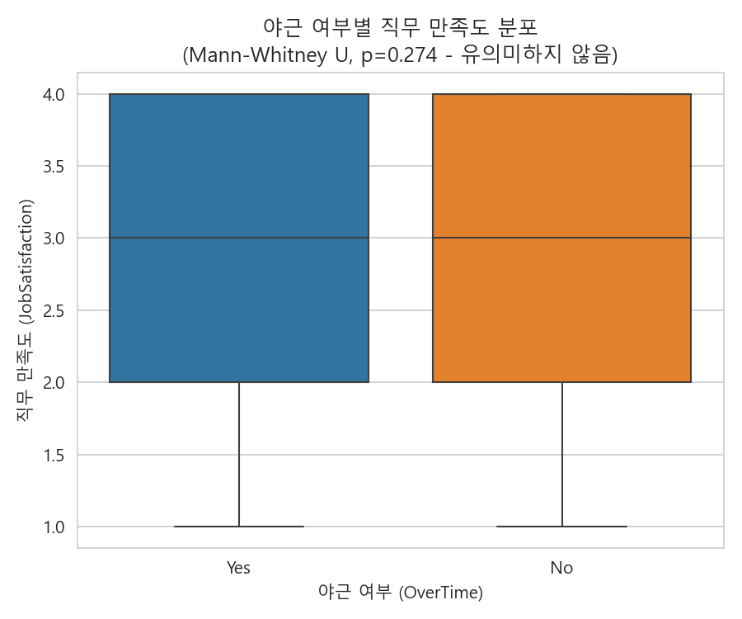
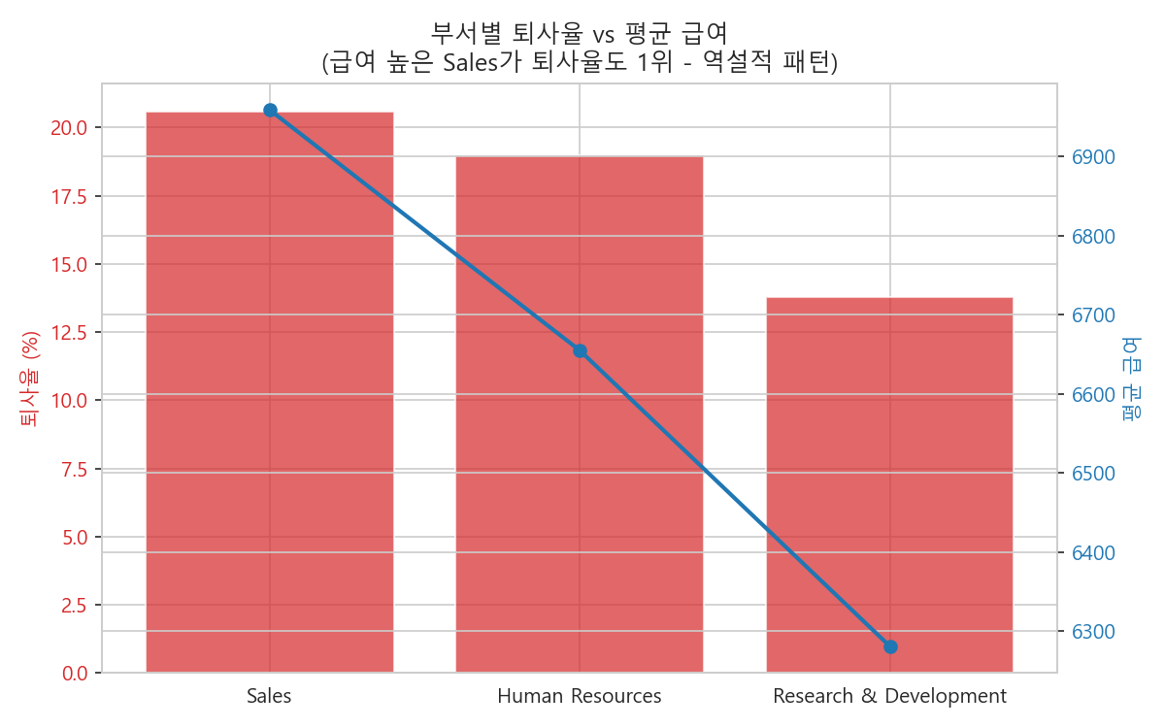
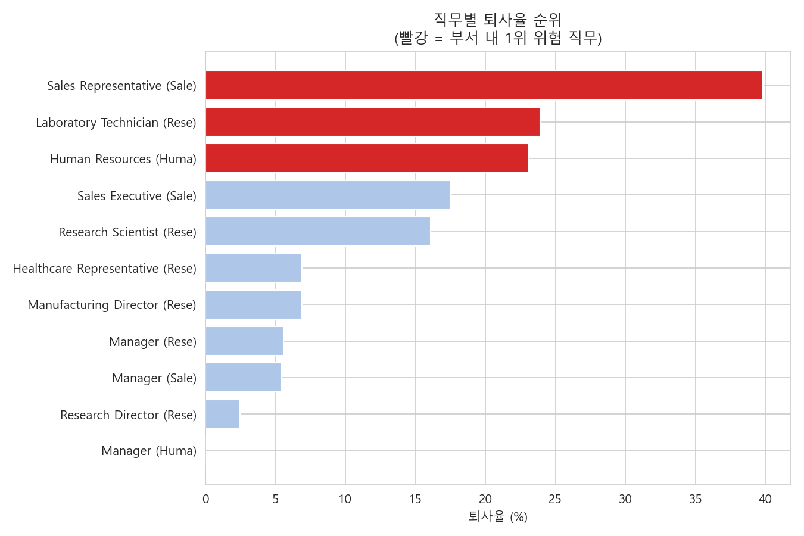
HR 핵심 인재 이탈 방지 · 조직 리스크 대시보드
IBM HR Analytics Employee Attrition Dataset (n=1,470)

전체 인원 | 전체 퇴사자 | 전체 퇴사율 | 야근자 퇴사율
1470 | 237 | 0.1612244898 | 0.30528846154

Dept_Summary
HR 부서별 이탈 리스크 요약
IBM HR Attrition 데이터 기반 · 부서별 퇴사율 및 평균급여

Department | TotalEmployees | AttritionCount | AttritionRate | AvgMonthlyIncome | RiskFlag | 전체 평균 퇴사율 | 0.1612244898
Human Resources | 6300.0% | 1200.0% | 0.19047619048 | 665450.8% | ⚠ 위험 부서
Research & Development | 96100.0% | 13300.0% | 0.1383975026 | 628125.3%
Sales | 44600.0% | 9200.0% | 0.20627802691 | 695917.3% | ⚠ 위험 부서

부서별 퇴사율

JobRole_Summary
직무별 이탈 리스크 순위 (부서 내)
CTE + RANK() 윈도우 함수 로직을 Excel 수식으로 재현

Department | JobRole | TotalEmployees | AttritionCount | AttritionRate | AvgMonthlyIncome | RiskRankInDept
Human Resources | Human Resources | 5200.0% | 1200.0% | 0.23076923077 | 423575.0% | 1
Human Resources | Manager | 1100.0% | 0.0% | 0 | 1808863.6% | 2
Research & Development | Healthcare Representative | 13100.0% | 900.0% | 0.068702290076 | 752876.3% | 4
Research & Development | Laboratory Technician | 25900.0% | 6200.0% | 0.23938223938 | 323717.0% | 1
Research & Development | Manager | 5400.0% | 300.0% | 0.055555555556 | 1713033.3% | 5
Research & Development | Manufacturing Director | 14500.0% | 1000.0% | 0.068965517241 | 729513.8% | 3
Research & Development | Research Director | 8000.0% | 200.0% | 0.025 | 1603355.0% | 6
Research & Development | Research Scientist | 29200.0% | 4700.0% | 0.16095890411 | 323997.3% | 2
Sales | Manager | 3700.0% | 200.0% | 0.054054054054 | 1698697.3% | 3
Sales | Sales Executive | 32600.0% | 5700.0% | 0.17484662577 | 692427.9% | 2
Sales | Sales Representative | 8300.0% | 3300.0% | 0.39759036145 | 262600.0% | 1

직무별 퇴사율 순위

