Customer-Readme


 | Revision History
1.7 | Date | Revision | Description
 | 6/9/25 | 1.0 | Consolidate tabs into Jeton_Thor_DevKit tab. Add DPAUX signals to the DTSI output file. Remove the Verilog Ball Name description from the Quick Guide.
 | 07/29/25 | 1.1 | Removed not supported pinmux options and aligned with Jetson Thor Design Guide and the Jetson Thor DevKit
 | 2025-08-11 | 1.2 | unlocked E_IO_OD selection
 | 2025-08-21 | 1.3 | Enabled MIPI CSI. Restored supported GPIOs. Note that all FSI_GPIOs are not supported
 | 2025-11-04 | 1.4 | QSPI0 Drv Enabled. Add columns (BD,BE) to indicate internal PU/PD. Updated the Ext PU/PD values. Updated the Thor CVM Connector name (lines 152 and 153)
 | 2026-01-13 | 1.5 | Change the usage of MODULE_SHDN_N to unused. Update the Req.Initial State to Z for HPD0-3. Update the FAN_TACH1 configuration.
 | 2026-03-18 | 1.6 | Unlocked the DRV_TYPE selection for SPI. Added DRV_TYPE description in the Quick Guide.
 | 2026-04-09 | 1.7 | Unhided column W to see the wake number.

 | README

 | This spreadsheet is a companion to the Jetson Thor product module and Developer Kit datasheet. It is designed to help system designers specify the pinmux configuration for each new system design.
 | The only cells that need to be edited are the orange highlighted cells on the MPIO worksheet.
 | This spreadsheet automatically highlights many kinds of pinmux configuration problem. Errors are highlighted in pinkish-red on the MPIO, Signals, or Controllers worksheets. This spreadsheet highlights the following problems:
 |  | 1) failure to select a pinmux option for a given ball
 |  | 2) bringing out the same signal on more than one ball
 |  | 3) bringing out signals from more than one interface for a single controller

 | Notice
 | ALL NVIDIA DESIGN SPECIFICATIONS, REFERENCE BOARDS, FILES, DRAWINGS, DIAGNOSTICS, LISTS, AND OTHER DOCUMENTS (TOGETHER AND SEPARATELY, “MATERIALS”) ARE BEING PROVIDED “AS IS.” NVIDIA MAKES NO WARRANTIES, EXPRESSED, IMPLIED, STATUTORY, OR OTHERWISE WITH RESPECT TO THE MATERIALS, AND EXPRESSLY DISCLAIMS ALL IMPLIED WARRANTIES OF NONINFRINGEMENT, MERCHANTABILITY, AND FITNESS FOR A PARTICULAR PURPOSE. Information furnished is believed to be accurate and reliable. However, NVIDIA Corporation assumes no responsibility for the consequences of use of such information or for any infringement of patents or other rights of third parties that may result from its use. No license is granted by implication or otherwise under any patent or patent rights of NVIDIA Corporation. Specifications mentioned in this publication are subject to change without notice. This publication supersedes and replaces all information previously supplied. NVIDIA Corporation products are not authorized for use as critical components in life support devices or systems without express written approval of NVIDIA Corporation.

Quick Guide
Pinmux Table Quick Guide
 | Introduction
 | On Jetson Thor series module, there are multiple functions assigned to single pin.
 | These can be switched depending on the function you want to use, which is defined by device tree.
 | The definitions in the device tree file are read by MB1 boot loader and loaded into each pin IO pad register on SoC.
 | Pinmux Table helps you to simplify the configuration work.
 | The next page as the default settings for Jetson Thor engkit and devkit carrier board.
 | For more detailed information, refer to Jetson Thor series Pinmux Table Application Note.

 | Preparation
 | If this file is obtained by downloading it via Internet, the script performing device tree generation might be prohibited in some operating environments.
 | Please check the Security of 'Unblock' in the file's properties to allow script execution.

 | Setting
- | The target circuit should be designed according to the requirements defined by Design Guide and Datasheet.
- | Reflects the conditions of the module pins and connected circuits from the carrier board schematics to the respective pin settings.
- | Unused pins are displayed in grey with italicised by default.
- | There are setting combinations that is inappropriate e.g. External pull-up/pull-down and internal pull-up/pull-down.
 | Correct the part when appears the error as following; |  |  | Error | or | Warning

 | Device Tree Generation
- | Once the required design settings have been completed, press the ‘Generate DT file’ button above the table.
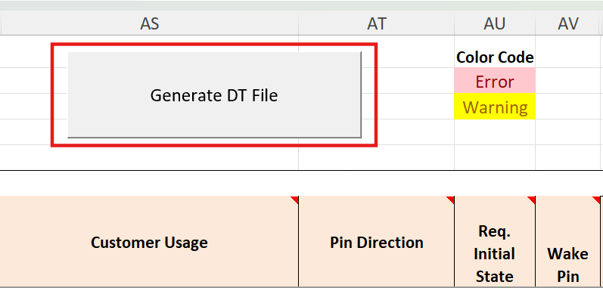

- | A pop-up window will ask you ‘Would you like to generate device tree file for pinmux table’.
 | Select 'Yes' and proceed, a dialogue box will appear where you can enter the name of the board to be defined in the generated file.
- | After entering the name, press OK and you will be asked for the board name again.
 | If you select 'Yes' again, a dialogue will appear informing you that three files have been created in the same directory of this file and the device tree generation is completed.
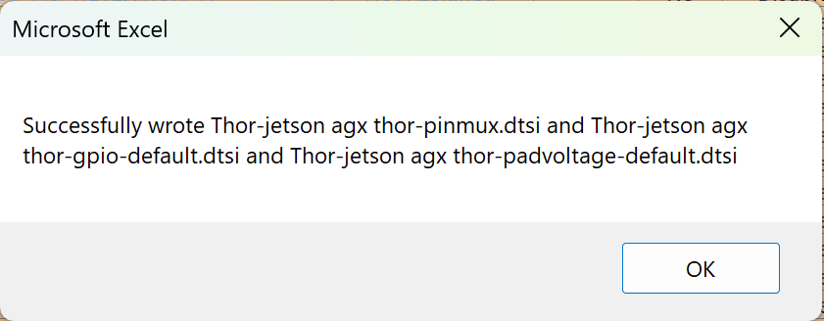

- | First file *-pinmux.dtsi is a Pinmux table based on the defined values
 | Second file *-gpio-default.dtsi is the default definition and the last file *-padvoltage-default.dtsi is IO pad voltage definition device tree file for each pin.
- | The generated files are valid by placing it to the file system referenced by target board's boot loader.

 | Column description on table

 | Jetson Thor CVM Connector
 | - | Pin #
 |  | Module pin location on B2B connector
 | - | Signal Name
 |  | The assigned name of signal on the pin
 | Package Ball Name
 |  | SoC pin name
 | General
 | - | Wake
 |  | The pin referred to in the Wake up event. Cannot be changed.
 | - | Strap
 |  | DDR memory chip type which used on the module, Entering recovery mode, etc.
 |  | The status of these configuration pins is activated and loaded before the boot loader is activated by the dedicated module internal power supply.
 |  | Cannot be changed.
 | Pad info
 | - | Pad Category
 |  | Type of Pad IO Category for reference. Cannot be changed.
 | - | Pull Strength
 |  | Internal pull-up or pull-down strength. Cannot be changed.
 | POR (Power On Reset)
 | - | Shown pin state when POR default. Cannot be changed.
 |  | z: | Floating
 |  | pu: | Pull-up
 |  | pd: | Pull-down
 |  | o: | Open Drain
 | Customer Usage
 | - | Select the functionality to be used. The default is the setting in Devkit.
 |  | Pins not in use should be set to ‘Unused’.
 | Pin Direction
 |  | Specifies the direction of the signal at the MPIO port. Select from between input, output and Bidirectional.
 |  | When ‘Unused’ is selected in the adjacent ‘Customer usage’, ‘Unassigned’ is automatically selected in grey italics.
 | Req. Initial State
 |  | Override POR setting; you can select from Z(floating), Int PU, Int PD, Drive0 and Drive1.
 |  | Z: | Floating
 |  | Int PU: | Internal Pull-up
 |  | Int PD: | Internal Pull-down
 |  | Drive0: | Drive the pin with Logic Low
 |  | Drive1: | Drive the pin with Logic High
 | Wake Pin
 |  | Specifies whether the pin is used or not during wake-up operations.
 | E-IO-OD Open-Drain Select
 |  | This setting makes the pin state an open-drain drive.
 |  | It cannot be used as 3.3V tolerance enable on Thor SoC. Only a limited number of pins have 3.3V signal capability.
 | DRV_TYPE
 |  | The column applies to SPI.
 |  | In case of operating frequency exceeds 25 MHz, please modify the setting to 'Enable'.
 |  | Changing this setting to 'Enable' will improve signal integrity and ensure reliability operation.
 | Ext Pull Up Value (Ω)
 |  | Enter a value here when the designed circuit uses an external pull-up resistor.
 |  | This is for the designer's reference only and is not reflected in the device tree.
 |  | If this entry is made when an internal pull-up is specified in the Initial State Req., an error will occur and the relevant cell will turn pink.
 |  | Resolve conflicts to avoid errors.
 | Ext Pull Down Value (Ω)
 |  | See above Ext Pull Up Value (Ω). Please replace the word pull-up with pull-down.
 | Req. Deep Sleep State
 |  | Specifies the pin state during deep sleep operation.
 |  | It can be unspecified when not to use
 | Customer Usage Description or Net Names
 |  | The column is not reflected in the device tree.
 |  | For esigner's notes.
 |  | It is useful to note what purpose is being used and the name of the signal to be connected.
 | Devkit Usage
 |  | Explanation of what the Devkit default settings are used for.

 | If you need help with this file, please ask the NVIDIA Developer Forums or local AE.
 | https://forums.developer.nvidia.com/

