new
 |  |  |  |  |  | Copy answer (VALUE) to cell below
Radius in ring 1 | 1 |  |  |  |  | 0.38610610486
Radius in ring 2 | 0.38610610486 |  | RAD | DEG | Ring | RADIUS | AREA | TOTAL area of Rings =
Then: |  |  |  |  | Ring 1 | 1 | 1 | 1.1751957416
sin (A) | 0.27855450857 | Asin(a) | 0.28228871888 | 16.173952196 | Ring 2 | 0.38610610486 | 0.14907792421
cos (PI/3-A) | 0.72144549143 | acos(b) | 0.76490883231 | 43.826047804 | Ring 3 | 0.14907792421 | 0.022224227486 | FINAL ANSWER
 |  |  |  |  | Ring 4 | 0.057559896637 | 0.0033131417008 | 0.78346382771
B = PI/3 - A |  | Minimise | 0 | 60 | Ring 5 | 0.022224227486 | 0.00049391628737
 |  |  |  |  | Ring 6 | 0.0085809099083 | 7.3632014854E-05
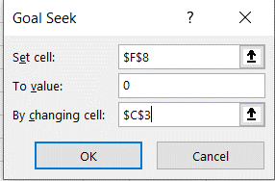
 |  |  |  |  | Ring 7 | 0.0033131417008 | 1.097690793E-05
 |  |  |  |  | Ring 8 | 0.001279224237 | 1.6364146484E-06
 |  |  |  |  | Ring 9 | 0.00049391628737 | 2.4395329893E-07
 |  |  |  |  | Ring 10 | 0.00019070409384 | 3.6368051408E-08
 |  |  |  |  | Ring 11 | 7.3632014854E-05 | 5.4216736115E-09
 |  |  |  |  | Ring 12 | 2.8429770448E-05 | 8.0825184774E-10

Menu: Data --> What-If Analysis --> Goal Seek

pic
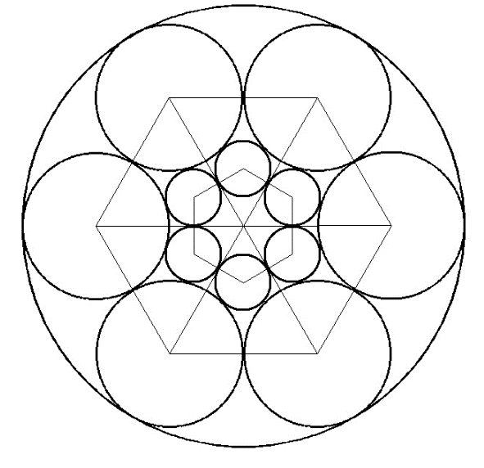
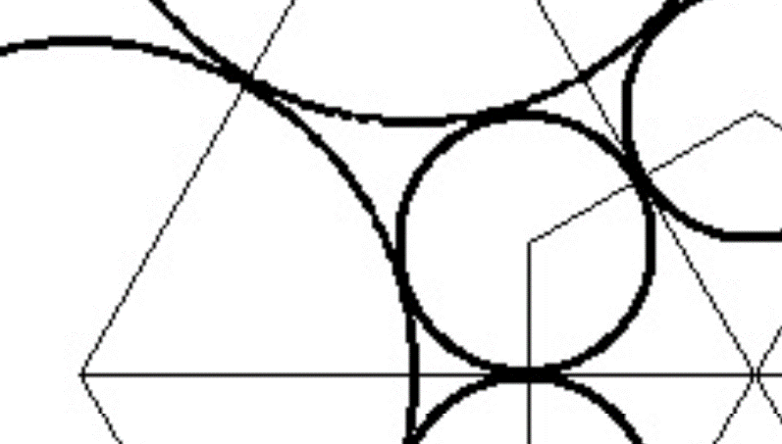

C

1

$$r_{1}$$
$$r_{2}$$

$$k$$

1
$$k$$
β
α

