Spiral_Inductor_Designer
TI LDC InductanceCalculator |  |  |  | Return to Main page | Ver N
Estimator tool for circular coils. This tool is provided without warranty or support. User assumes all liability.
 |  |  |  | Layer Stackup
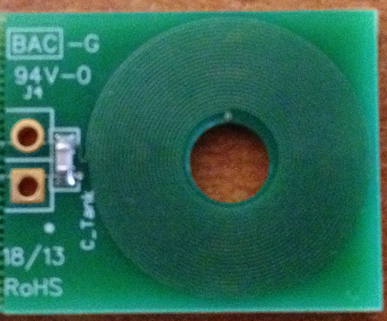
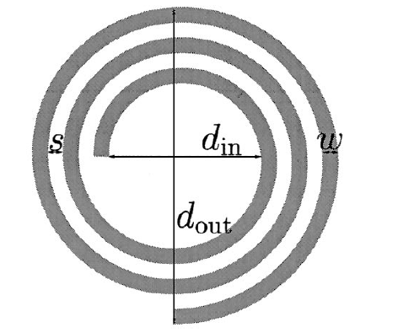

Enter only in Yellow Fields (pull-down for mm or mil)
Results in Orange Fields

LC tank calculations
Operating temperature | T | 25 | °C | Enter operating temperature
Sensor capacitance | C | 290.0 | pF | Select LC tank capacitance
Layers | M | 2 | Layers | Number of layers on PCB board (1≤M≤8)
Turns | N | 23 | Turns | Number of turns per layer
Outer diameter of the inductor | dout | 14.00 | mm | Outer Diameter of the spiral inductor
spacing between traces | S | 4.000 | mil | Space between traces (mm or mil)
width of trace | w | 4.000 | mil | Width of the trace (mm or mil)
PCB thickness between 1st layer and 2nd layer | h12 | 8.000 | mil | Space between layer 1 and 2 (mm or mil)
PCB thickness between 2nd layer and 3rd layer | h23 | 40.000 | mil | Space between layer 2 and 3 (mm or mil)
PCB thickness between 3rd layer and 4th layer | h34 | 8.000 | mil | Space between layer 3 and 4 (mm or mil)
PCB thickness between 4th layer and 5th layer | h45 | 8.000 | mm | Space between layer 4 and 5 (mm or mil)
PCB thickness between 5th layer and 6th layer | h56 | 8.000 | mm | Space between layer 5 and 6 (mm or mil) |  | Self and Mutual Inductance Matrix (computed - do not modify directly)
PCB thickness between 6th layer and 7th layer | h67 | 1.575 | mm | Space between layer 6 and 7 (mm or mil) |  | Coupling Coef |  |  | Distance between Layers (mm) |  |  |  |  |  |  |  | Inductance Sum (µH)
PCB thickness between 7th layer and 8th layer | h78 | 1.575 | mm | Space between layer 7 and 8 (mm or mil) |  |  |  |  | x1 | x2 | x3 | x4 | x5 | x6 | x7 | x8
Copper thickness | t | 1.000 | oz-Cu | Copper layer thickness (mm,Oz-Cu, or mil) |  |  |  |  | 0 | 0.2032 | 1.2192 | 1.4224 | 9.4224 | 17.4224 | 18.9972 | 20.572
Conductor Resistivity (at 20°C) | pr | 1.68E-08 | Ωm |  |  | Distance between layers | x1 | 0 | 1 | 0.85190976119 | 0 | 0 | 0 | 0 | 0 | 0 | 11.071241106
Conductor Resistivity temperature coef | pr_tc | 0.393 | %/°C |  |  |  | x2 | 0.2032 | 0.85190976119 | 1 | 0 | 0 | 0 | 0 | 0 | 0 | 11.071241106
Conductor relative permeability | ur | 1.00 |  |  |  |  | x3 | 1.2192 | 0 | 0 | 0 | 0 | 0 | 0 | 0 | 0 | 0
Parasitic capacitance | Cpar | 4.0 | pF | Estimate - generally in the rage of 1 to 5 pf |  |  | x4 | 1.4224 | 0 | 0 | 0 | 0 | 0 | 0 | 0 | 0 | 0
Copper resistivity at operating temperature | pr_t | 1.713E-08 | Ωm |  |  |  | x5 | 9.4224 | 0 | 0 | 0 | 0 | 0 | 0 | 0 | 0 | 0
Coil Fill Ratio | din/dout | 0.33 |  | 0.3> >0.8 is recommended |  |  | x6 | 17.4224 | 0 | 0 | 0 | 0 | 0 | 0 | 0 | 0 | 0
Inductor inner diameter | din | 183.181 | mil | Inner diameter of the spiral inductor (mm or mil)
Self inductance per layer | L | 5.978 | µH |  |  |  |  |  |  |  |  |  |  | Total Inductance (µH) |  |  | 22.142482212
Total Inductance | Ltotal | 22.142 | µH
Sensor Operating Frequency | Fres | 1.973 | MHz
coil length per layer | l | 673.89 | mm
DC resistance | Rdc | 6.549 | Ω
Skin depth | sd | 0.046 | mm
AC resistance (skin effect only) | Rac | 9.295 | Ω
Resonance impedance estimate | Rp | 8214.2 | Ω | Note that this does not include target effects
Q factor | Q | 29.52
Self resonant frequency | SRF | 16.911 | MHz

SkinDepth
Skin Depth Calculator |  |  |  |  | Return to Main Page

 | AC currents remain on the surface of conductor, decaying in an exponential manner. The
 | depth of ~63% of the current is called the skin depth. A higher frequency will have a shallower skin
 | depth. It is recommended to use a target thickness of at least 3 skin depths for a good LDC measurement.
 | If you want to minimize the effect of a conductor, use a target thickness of less than 0.5 skin depths
 | Reminder: 1oz copper is ~35µm thick.
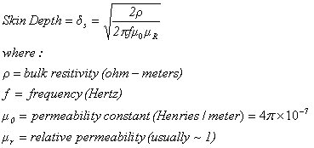
 | Target Material | Copper
 | Conductivity | 1.67e-08 | Ωm
 | Relative Permeability | 1.00
 | Sensor Frequency | 1.700 | MHz
 | Skin Depth | 49.9 | µm
 | Material Thickness | 500.00 | um
 | Number of Skin Depths: | 10.01 | skin depths
 | Percentage of Current: | 99.996 | %
 |  |  |  |  |  | Courtesy of Microwaves101.com

 | Quick Sensor L/C/f Calculator
 | L | 17.500 | µH
 | C | 330.000 | pF
 | fsensor | 2.094 | MHz

 | Data Courtesy of Microwaves101.com
 |  |  | Resistivity Tempco (TCR) | Bulk resistivity | Melting point | Melting point | relative Permiablity
 | Material | Composition | ppm/°C | µΩ-cm | °C | °F | µr
 | Aluminum | Al | 4200 | 2.65 | 660 | 1221 | 1
 | Carbon | C | -500 | 3000 |  |  | 1
 | Chromium | Cr | 5900 | 18 | 1857 | 3374.6 | 1
 | Copper | Cu | 4300 | 1.673 | 1083 | 1981.4 | 1
 | Gold | Au | 4000 | 2.44 | 1064 | 1947.2 | 1
 | Iron | Fe | 6500 | 9.66 | 1535 | 2795 | 5000
 | Lead | Pb | 4200 | 20.65 | 328 | 622.4 | 1
 | Magnesium | Mg |  | 4.2 |  |  | 1
 | Nickel | Ni | 6800 | 8.707 | 1453 | 2647.4 | 100
 | Nichrome | Ni80/Cr20 | 0 to 50 | 110 |  |  | 1
 | Silver | Ag | 4100 | 1.59 | 962 | 1763.6 | 1
 | Stainless Steel 316 | FeCNiCrMo | 8010 | 74 | 1371 |  | 1.003
 | Stainless Steel 430 |  |  | 23.68 |  |  | 409
 | Low carbon Steel 1006 |  |  | 17.24 |  |  | 1404
 | Tantalum | Ta |  | 15.52 | 2996 | 5424.8 | 1
 | Tantalum nitride | TaN | -100 | 252 |  |  | 1
 | Tin (white) | Sn | 4600 | 11.55 | 232 | 449.6 | 1
 | Titanium | Ti |  | 55 | 1660 | 3020 | 1
 | Tungsten | W | 4800 | 5.6 | 3422 | 6192 | 1
 | Zinc | Zn | 4200 | 5.68 | 420 | 788 | 1
 | Zirconium | Zr |  | 4.1 | 1852 | 3365.6 | 1

LDC Operating Region
 | LDC1000/LDC1041/LDC1051 Sensor Region |  |  |  |  | Return to Main Page
 | This tool graphs the operating region of the LDC1000- by setting a specific RP and Q, you can determine what L & C is useable for a sensor.
 | Set the desired frequency lines in cells D9:H9.
 | Set the min and Max capacitances to graph in C11 and C14.
 | Set the Q and RP of two different sensors in A35/B35 andA39/B39
 | For more information: read the blog post at: |  |  |  | http://e2e.ti.com/blogs_/b/analogwire/archive/2014/11/21/inductive-sensing-sensor-frequency-constraints
 |  |  | L(µH) for given Fresonance
 |  | Frequency = | 5.00E+03 | 1.00E+04 | 1.00E+05 | 1.00E+06 | 5.00E+06
 |  | Cap (nf) | F= 5kHz | F= 10kHz | F= 100kHz | F= 1MHz | F= 5MHz
 |  | 0.001 | 1013211836.4233775 | 253302959.10584438 | 2533029.5910584447 | 25330.2959105844 | 1013.2118364234
 |  | 1000 | 1013.2118364234 | 253.3029591058 | 2.5330295911 | 0.0253302959 | 0.0010132118

 | Parasitic Region |  | F= 5kHz |  | F= 10kHz |  | F= 100kHz |  | F= 1MHz |  | F= 5MHz |  | Parasitic Cap |  | Largest Cap |  | Q=25, RP=798Ω |  | Q=5, RP=798Ω
 |  | 0.001 | 1013211836.4233775 | 0.001 | 253302959.10584438 | 0.001 | 2533029.5910584447 | 0.001 | 25330.2959105844 | 0.001 | 1013.2118364234 |  |  |  |  | 1.00 | 1.016 | 0.20 | 5.080
 |  | 1000 | 1013.2118364234 | 1000 | 253.3029591058 | 1000 | 2.5330295911 | 1000 | 0.0253302959 | 1000 | 0.0010132118 |  |  |  |  | 997.21 | 1016.045 | 199.44 | 5080.226
Q | Rp | c(nf) | L(uH)
25 | 798 | 1.00 | 1.016 | F= 5MHz | Q=25, RP=798Ω
25 | 798 | 997.21 | 1016.045 | F= 5kHz

Q | Rp | c(nf) | L(uH)
5 | 798 | 0.20 | 5.080 | F= 5MHz | Q=5, RP=798Ω
5 | 798 | 199.44 | 5080.226 | F= 5kHz

 | LDC1312/LDC1314/LDC1612/LDC1614 Sensor Region |  |  |  |  | Return to Main Page
 | This tool graphs the operating region of the LDC1000- by setting a specific RP and Q, you can determine what L & C is useable for a sensor.
 | Set the desired frequency lines in cells D73:H73.
 | Set the min and Max capacitances to graph in C75 and C78.
 | Set the Q and RP of two different sensors in A99/B99 andA103/B103

 |  |  | L(µH) for given Fresonance
 |  | Frequency = | 1.00E+04 | 1.00E+04 | 1.00E+05 | 1.00E+06 | 1.00E+07
 |  | Cap (nf) | F= 10kHz | F= 10kHz | F= 100kHz | F= 1MHz | F= 10MHz
 |  | 0.001 | 1013211836.4233775 | 253302959.10584438 | 2533029.5910584447 | 25330.2959105844 | 1013.2118364234
 |  | 1000 | 1013.2118364234 | 253.3029591058 | 2.5330295911 | 0.0253302959 | 0.0010132118
 | Parasitic Region |  | F= 10kHz |  | F= 10kHz |  | F= 100kHz |  | F= 1MHz |  | F= 10MHz |  | Parasitic Cap |  | Largest Cap |  | Q=25, RP=1000Ω |  | Q=5, RP=1000Ω
 |  | 0.001 | 1013211836.4233775 | 0.001 | 253302959.10584438 | 0.001 | 2533029.5910584447 | 0.001 | 25330.2959105844 | 0.001 | 1013.2118364234 |  |  |  |  | 0.80 | 1.273 | 0.16 | 6.366
 |  | 1000 | 1013.2118364234 | 1000 | 253.3029591058 | 1000 | 2.5330295911 | 1000 | 0.0253302959 | 1000 | 0.0010132118 |  |  |  |  | 795.77 | 1273.240 | 159.15 | 6366.198

Q=RP/ωL
L = Rp/2πfQ
Q | Rp | c(nf) | L(uH)
25 | 1000 | 0.80 | 1.273 | F= 10MHz | Q=25, RP=1000Ω
25 | 1000 | 795.77 | 1273.240 | F= 10kHz

Q | Rp | c(nf) | L(uH)
5 | 1000 | 0.16 | 6.366 | F= 10MHz | Q=5, RP=1000Ω
5 | 1000 | 159.15 | 6366.198 | F= 10kHz

