binType1
* Fundamental MOSFET Physical Effects and Their Models for BSIM4

dwg
dwb

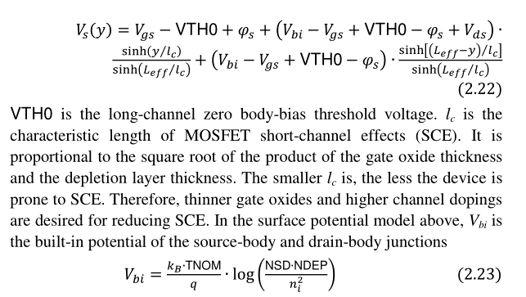

vth0

nsd
ndep

ngate
nsub

dvt0
dvt1
dvt2

k1
k2

xt
vbx

vbm

gamma1
gamma2

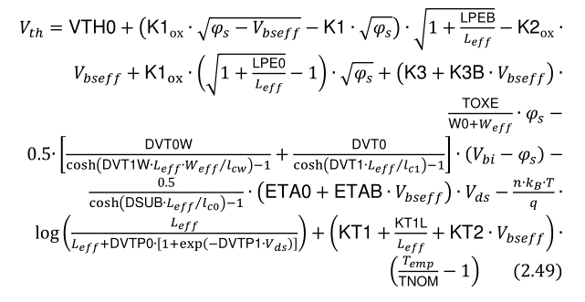

k3
k3b
w0
dvt0w
dvt1w

dsub
eta0
etab
lpe0
lpeb
dvtp0
dvtp1

kt1
kt1l
kt2

phin

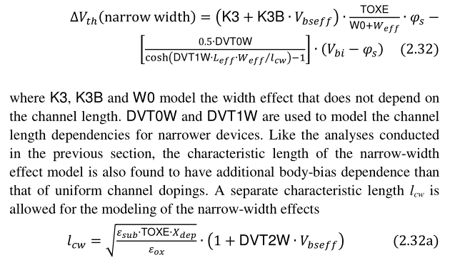

dvt2w

xj
a0
b0
b1
keta
ags

u0
up
lp
ute

ua
ub
uc
ud

eu
ucs

ucste

ua1
ub1
uc1
ud1

ku0we
kvth0we
k2we

* Channel DC Current and Output Resistance

voff
tvoff

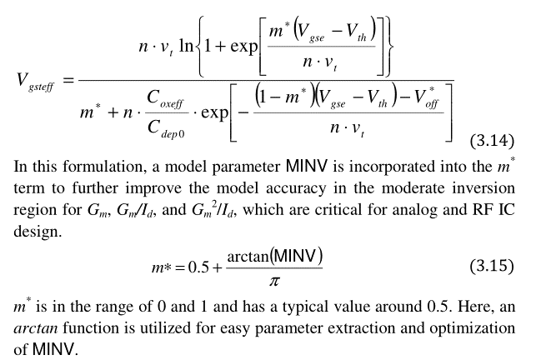
minv

nfactor
cdsc
cdscd
cdscb
cit

vsat
at

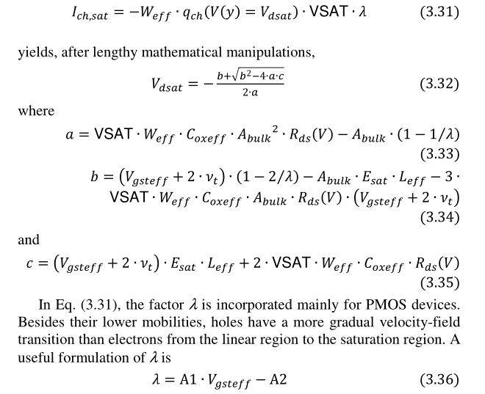

a1
a2

delta

pclm
pvag

pdiblcb

pdiblc1
pdiblc2
drout

fprout

pdits
pditsd

pscbe1
pscbe2

lambda

vtl
xn

* Gate Direct Tunneling and Body Currents

aigbacc
bigbacc
cigbacc

nigbacc
aigbinv
bigbinv
cigbinv
eigbinv
nigbinv

aigc
bigc
cigc

aigsd
bigsd
cigsd

vfbsdoff
tvfbsdoff

nigc

poxedge

pigcd
ntox

alpha0
alpha1
beta0

* Charge and Capacitance Models

acde

noff
voffcv

minvcv

moin

cf

* Non-Quasi-Static and Parasitic Gate and Body Resistances

xrcrg1
xrcrg2

binType2
* Fundamental MOSFET Physical Effects and Their Models for BSIM4

rdsw
wr
prwg
prwb

rdw

rsw

prt

* Gate Direct Tunneling and Body Currents

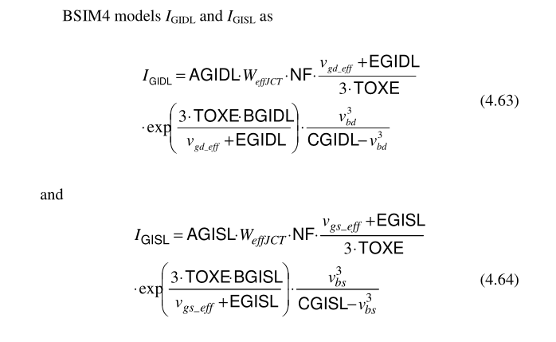

agidl
bgidl
cgidl
egidl

agisl
bgisl
cgisl
egisl

