Report
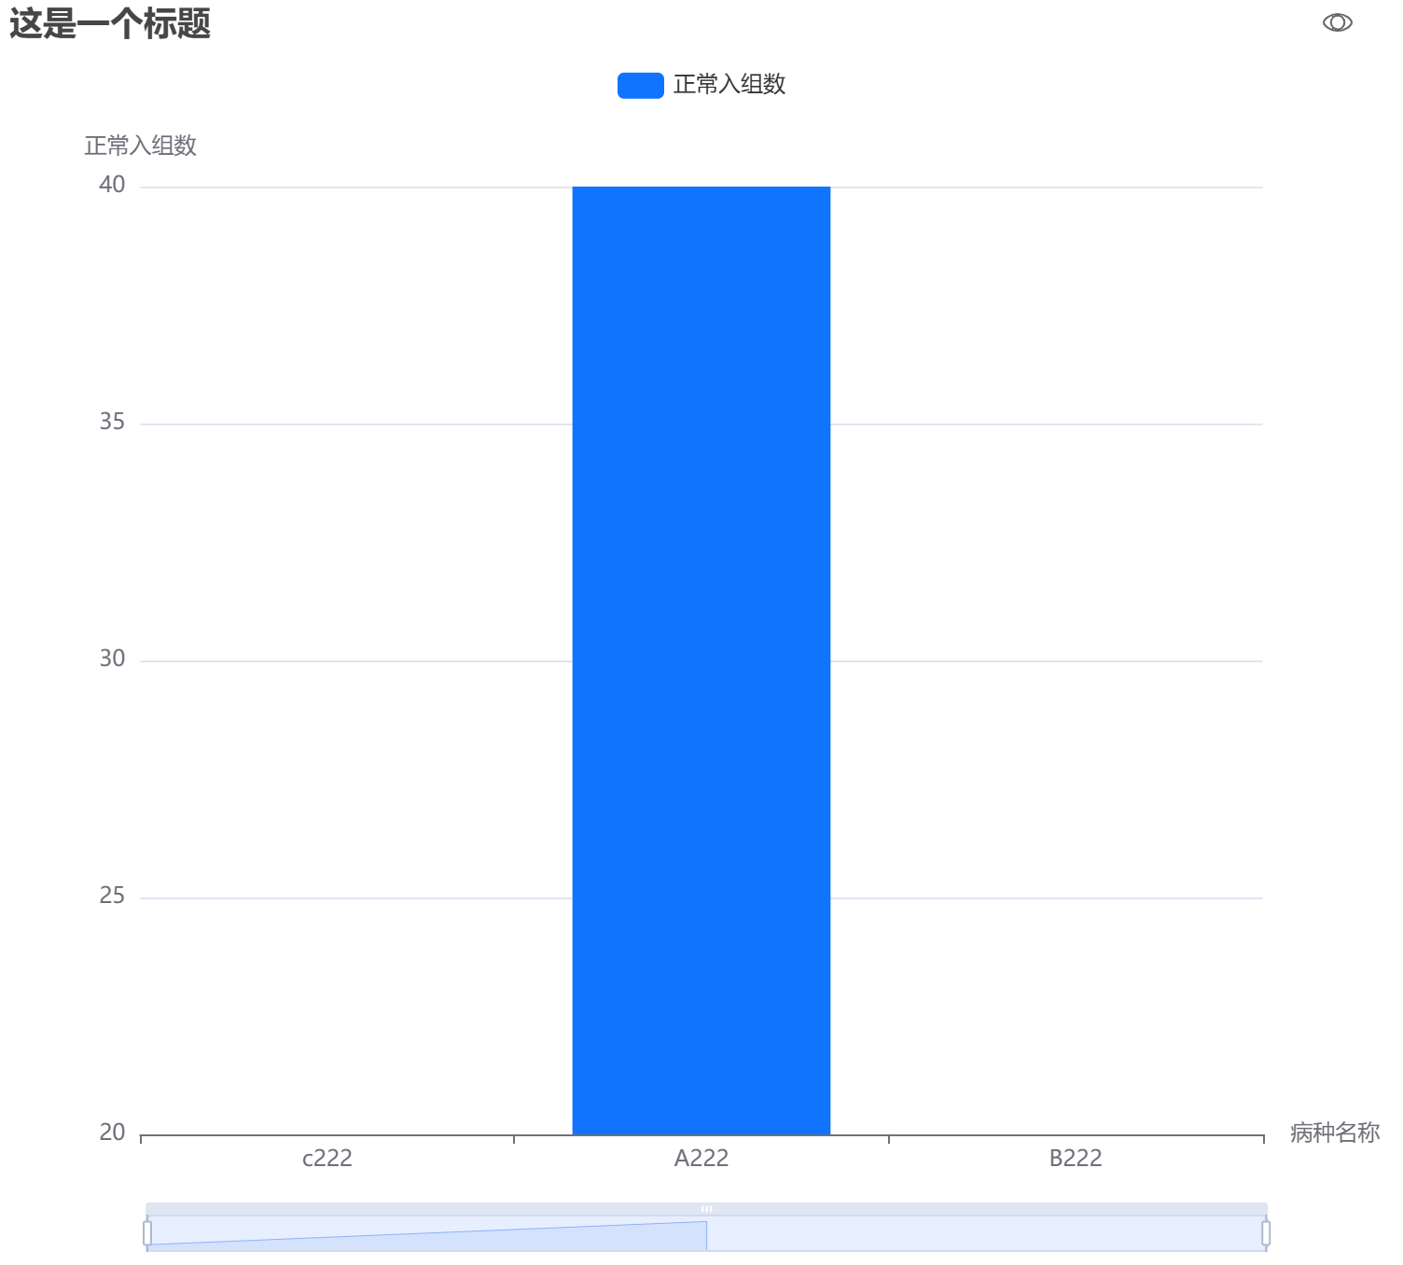
Media | Value
From path
From data URI
Barcode

