Figure 1
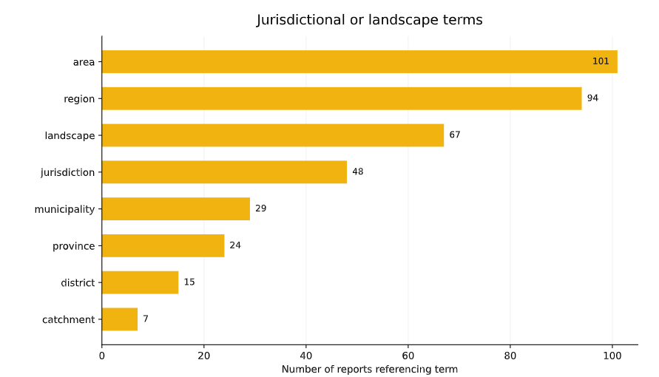
Figure | Figure 1. number of reports referencing a jurisdictional or landscape term
y-axis unit of measure | Specify unit of measure for y axis
x-axis unit of measure | Specify unit of measure for x axis unless it shows a date, for example years
Source
Source url | Insert url of datasource if available (for tracking purposes only)

RDI/Comms/CopyEdit Requirements | Use VECTOR formats (PNG or SVG)
RDI/Comms/CopyEdit Requirements | Provide live / editable online link to creation plaform
RDI/Comms/CopyEdit Requirements | For Photos, the original source must be documented, clearly and fully

INSERT FIGURE HERE, as it appears in the publication

Figure 2
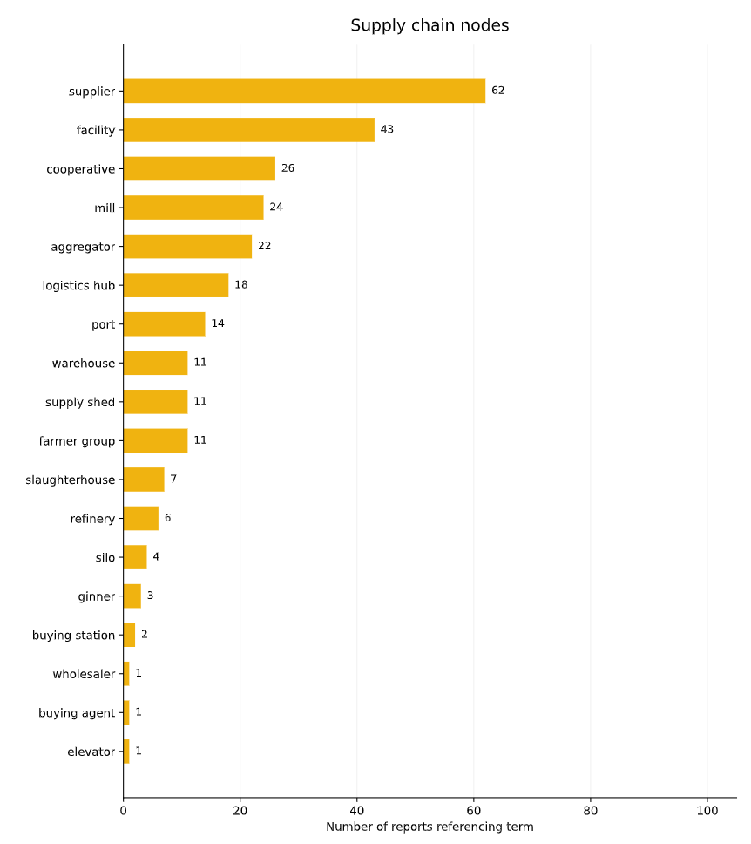
Figure | Figure 2. number of reports referencing a supply chain node term
y-axis unit of measure | Specify unit of measure for y axis
x-axis unit of measure | Specify unit of measure for x axis unless it shows a date, for example years
Source | WRI authors
Source url | Insert url of datasource if available (for tracking purposes only)

RDI/Comms/CopyEdit Requirements | Use VECTOR formats (PNG or SVG)
RDI/Comms/CopyEdit Requirements | Provide live / editable online link to creation plaform
RDI/Comms/CopyEdit Requirements | For Photos, the original source must be documented, clearly and fully

INSERT FIGURE HERE, as it appears in the publication

Figure 3
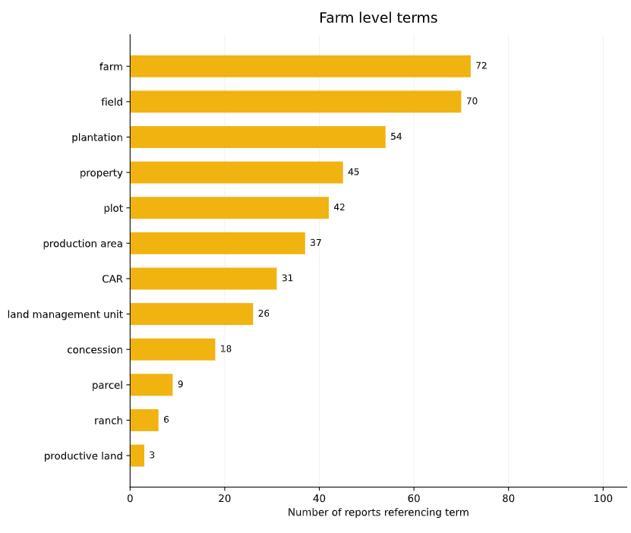
Figure | Figure 3. number of reports referencing a farm level term
y-axis unit of measure | Specify unit of measure for y axis
x-axis unit of measure | Specify unit of measure for x axis unless it shows a date, for example years
Source | WRI Authors
Source url | Insert url of datasource if available (for tracking purposes only)

RDI/Comms/CopyEdit Requirements | Use VECTOR formats (PNG or SVG)
RDI/Comms/CopyEdit Requirements | Provide live / editable online link to creation plaform
RDI/Comms/CopyEdit Requirements | For Photos, the original source must be documented, clearly and fully

INSERT FIGURE HERE, as it appears in the publication

Figure E2
Figure | Figure E 2: MapBiomas Collections
y-axis unit of measure | Specify unit of measure for y axis
x-axis unit of measure | Specify unit of measure for x axis unless it shows a date, for example years
Source | WRI Authors
Source url | Insert url of datasource if available (for tracking purposes only)

RDI/Comms/CopyEdit Requirements | Use VECTOR formats (PNG or SVG)
RDI/Comms/CopyEdit Requirements | Provide live / editable online link to creation plaform
RDI/Comms/CopyEdit Requirements | For Photos, the original source must be documented, clearly and fully

INSERT FIGURE HERE, as it appears in the publication

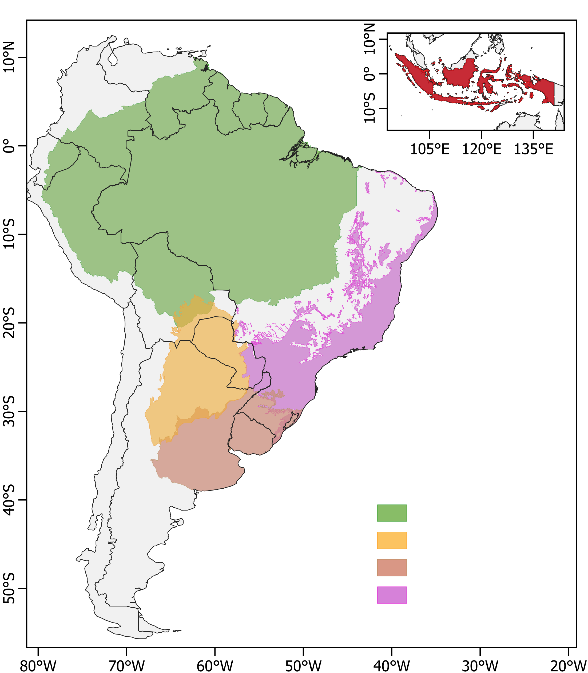
1
2
3
4
5
6
7
8
9
10
11
Regions
Countries
1. Brazil
2. Bolivia
3. Paraguay
4. Uruguay
5. Argentina
6. Chile 7. Peru 8. Ecuador 9. Colombia 10. Venezuela 11. Indonesia
Amazon
Chaco
Pampa
Atlantic Forest

 |  | Soybean expansion in South America 2001-2023, v1.0 (Song et al. )

