Backpropagation
13522053 | Erdianti Wiga Putri Andini |  |  | bias | 1.00

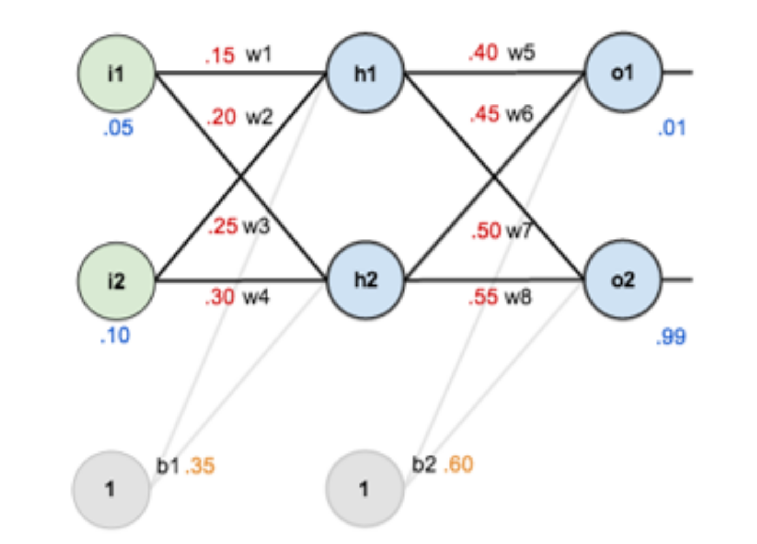
 |  |  |  |  |  | Bobot Awal
 |  |  |  | i1 | 0.05 | w1 | 0.15
 |  |  |  | i2 | 0.10 | w2 | 0.20
 |  |  |  | activation function | sigmoid | w3 | 0.25
 |  |  |  | learning rate | 0.50 | w4 | 0.30
 |  |  |  | loss function | squared error | w5 | 0.40
 |  |  |  |  |  | w6 | 0.45
 |  |  |  |  |  | w7 | 0.50
 |  |  |  | b1 | 0.35 | w8 | 0.55
 |  |  |  | b2 | 0.60

 |  |  |  | target1 | 0.01
 |  |  |  | target2 | 0.99

STEP 1 | Forward Propagation
a. Net Input & Output - Hidden Layer
neth = (i1*w1) + (i2*w2) + (b1*bias)
σ = 1/1 + e^(-neth)
Σ h1 | h1 | Σ h2 | h2
0.3775 | 0.5932699921 | 0.3925 | 0.5968843783

b. Net Input & Output - Output Layer
neth = (h1*w1) + (h2*w2) + (b2*bias)
σ = 1/1 + e^(-neth)
Σ o1 | o1 | Σ o2 | o2
1.105905967 | 0.7513650696 | 1.224921404 | 0.7729284653

c. Error sebelum update
E = 1/2 * Σ (tn - on)^2
E_o1 | 0.2748110832
E_o2 | 0.02356002558
E_total | 0.2983711088

STEP 2 | Backward Propagation
a. Output Unit Weight
𝜕o1 = o1 * (1 - o1) * (1-o1)
𝜕o2 = o2 * (1 - o2) * (1-o2)
𝜕o1 | -0.1384985616
𝜕o2 | 0.03809823652

b. Hidden Unit Weight
𝜕h1 = h1 * (1 - h1) * (w5 * 𝜕o1 + w7 * 𝜕o2)
𝜕h2 = h2 * (1 - h2) * (w6 * 𝜕o1 + w7 * 𝜕o2)
𝜕h1 | -0.008771354689
𝜕h2 | -0.009954254705

STEP 3 | Hitung Bobot Baru
dw = η * 𝜕 * x_input
w_baru = w_lama + dw
dw1 | -0.0002192838672 | w1_baru | 0.1497807161
dw2 | -0.0004385677345 | w2_baru | 0.1995614323
dw3 | -0.0002488563676 | w3_baru | 0.2497511436
dw4 | -0.0004977127353 | w4_baru | 0.2995022873
dw5 | -0.04108352028 | w5_baru | 0.3589164797
dw6 | -0.04133381392 | w6_baru | 0.4086661861
dw7 | 0.01130127024 | w7_baru | 0.5113012702
dw8 | 0.01137012111 | w8_baru | 0.5613701211
db1h1 | -0.004385677345 | b1h1 | 0.3456143227
db1h2 | -0.004977127353 | b1h2 | 0.3450228726
db2o1 | -0.06924928081 | b2o1 | 0.5307507192
db2o2 | 0.01904911826 | b2o2 | 0.6190491183

STEP 4 | Forward Propagation pakai Bobot Baru
a. Net Input & Output - Hidden Layer
neth = (i1*w1) + (i2*w2) + (b1*bias)
σ = 1/1 + e^(-neth)
Σ h1 | h1 | Σ h2 | h2
0.3730595017 | 0.5921980545 | 0.3874606586 | 0.5956712554

b. Net Input & Output - Output Layer
neth = (h1*w1) + (h2*w2) + (b2*bias)
σ = 1/1 + e^(-neth)
Σ o1 | o1 | Σ o2 | o2
0.9867310603 | 0.7284417622 | 1.256232781 | 0.7783769203

c. Error sebelum update
E = 1/2 * Σ (tn - on)^2
E_o1 | 0.2580792829
E_o2 | 0.02239216393
E_total | 0.2804714468

Kesimpulan
Error sebelum update bobot |  | 0.2983711088
Error setelah update bobot |  | 0.2804714468

Error setelah update bobot lebih kecil daripada sebelum update bobot (0.2804714468 < 0.2983711088)

