Tabelle1
adc_calc

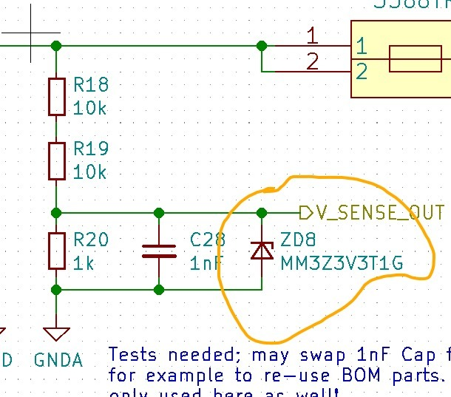
input | actual input | measured | error (V) | error percentage
5.00 | 4.86 | 4.83 | 0.03 | 1%
10.00 | 9.83 | 9.81 | 0.02 | 0%
15.00 | 14.83 | 14.78 | 0.05 | 0%
20.00 | 19.82 | 19.76 | 0.06 | 0%
25.00 | 24.81 | 24.70 | 0.11 | 0%
30.00 | 29.81 | 29.54 | 0.27 | 1%
35.00 | 34.81 | 34.17 | 0.64 | 2%

 | error percentage | calculated_adc_input_voltage
5.00 | 0.60% | 0.2380952381
10.00 | 0.40% | 0.47619047619
15.00 | 0.33% | 0.71428571429
20.00 | 0.35% | 0.95238095238
25.00 | 0.52% | 1.1904761905
30.00 | 0.87% | 1.4285714286
35.00 | 1.86% | 1.6666666667
40.01 | 3.57% | 1.9052380952
44.98 | 6.07% | 2.1419047619
46.91 | 7.25% | 2.2338095238
49.85 | 9.21% | 2.3738095238
54.38 | 12.47% | 2.5895238095
adc_calc_2 | WITH ZENER |  |  | voltage injected at the output

input | actual input | measured | error (V) | error percentage | calculated_adc_input_voltage | measured_adc_input_voltage | error percentage
5.00 | 5.00 | 4.97 | 0.03 | 0.60% | 0.2380952381
10.00 | 10.00 | 9.96 | 0.04 | 0.40% | 0.47619047619
15.00 | 15.00 | 14.95 | 0.05 | 0.33% | 0.71428571429
20.00 | 20.00 | 19.93 | 0.07 | 0.35% | 0.95238095238
25.00 | 25.00 | 24.87 | 0.13 | 0.52% | 1.1904761905
30.00 | 30.00 | 29.74 | 0.26 | 0.87% | 1.4285714286
35.00 | 35.00 | 34.35 | 0.65 | 1.86% | 1.6666666667
40.00 | 40.01 | 38.58 | 1.43 | 3.57% | 1.9052380952
45.00 | 44.98 | 42.25 | 2.73 | 6.07% | 2.1419047619
46.93 | 46.91 | 43.51 | 3.40 | 7.25% | 2.2338095238
50.00 | 49.85 | 45.26 | 4.59 | 9.21% | 2.3738095238 | 2.165 | 8.80%
55.00 | 54.38 | 47.60 | 6.78 | 12.47% | 2.5895238095

adc_calc_3 | NO ZENER |  |  | voltage injected at the output

input | actual input | measured | error (V) | error percentage | calculated_adc_input_voltage
5.00 | 5.00 | 4.97 | 0.03 | 0.60% | 0.2380952381
10.00 | 10.00 | 9.97 | 0.03 | 0.30% | 0.47619047619
15.00 | 15.00 | 14.95 | 0.05 | 0.33% | 0.71428571429
20.00 | 20.00 | 19.95 | 0.05 | 0.25% | 0.95238095238
25.00 | 25.00 | 24.93 | 0.07 | 0.28% | 1.1904761905
30.00 | 29.99 | 29.93 | 0.06 | 0.20% | 1.4280952381
35.00 | 35.00 | 34.92 | 0.08 | 0.23% | 1.6666666667
40.00 | 40.00 | 39.91 | 0.09 | 0.23% | 1.9047619048
45.00 | 44.98 | 44.91 | 0.07 | 0.16% | 2.1419047619
46.93 | 46.91 | 46.86 | 0.05 | 0.11% | 2.2338095238
55.00 | 54.40 | 54.32 | 0.08 | 0.15% | 2.5904761905

