River Area
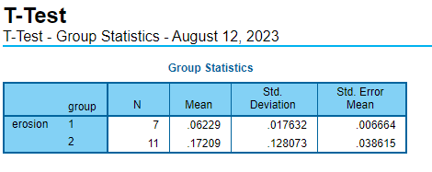
SCP
Year | Area [squae kilometer] | Erosion | average erosion | Annual erosio (m2/year)
2005 | 0.301 |  |  |  | 2012.5 | 0
2006 | 0.365 | 0.064 | 0.062 | 63725 | 2012.5 | 500000
2007 | 0.417 | 0.052 |  | 52075
2008 | 0.496 | 0.079 |  | 79025
2009 | 0.524 | 0.028 |  | 27675
2010 | 0.588 | 0.064 |  | 63950
2011 | 0.661 | 0.074 |  | 73550
2012 | 0.736 | 0.075 |  | 74725
2013 | 1.136 | 0.400 | 0.172 | 400300
2014 | 1.230 | 0.094 |  | 93825
2015 | 1.255 | 0.025 |  | 25200
2016 | 1.365 | 0.110 |  | 109575
2017 | 1.522 | 0.157 |  | 157050
2018 | 1.573 | 0.051 |  | 50850
2019 | 1.701 | 0.128 |  | 127575
2020 | 2.112 | 0.412 |  | 411525
2021 | 2.336 | 0.224 |  | 224325
2022 | 2.451 | 0.114 |  | 114300
2023 | 2.628 | 0.178 |  | 177525

Google earth
Year | Area[squae kilometer]
2021.2 | 2.78
2018.1 | 1.78
2014.2 | 1.67
2010.1 | 0.53

Compare
 | Google | SCP | standard error | Average SE
2010.1 | 0.5 | 0.588 | 0.044 | 0.054778125
2014.2 | 1.45 | 1.230 | 0.110
2018.1 | 1.62 | 1.573 | 0.024
2021.2 | 2.42 | 2.336 | 0.042

