Module Schematics
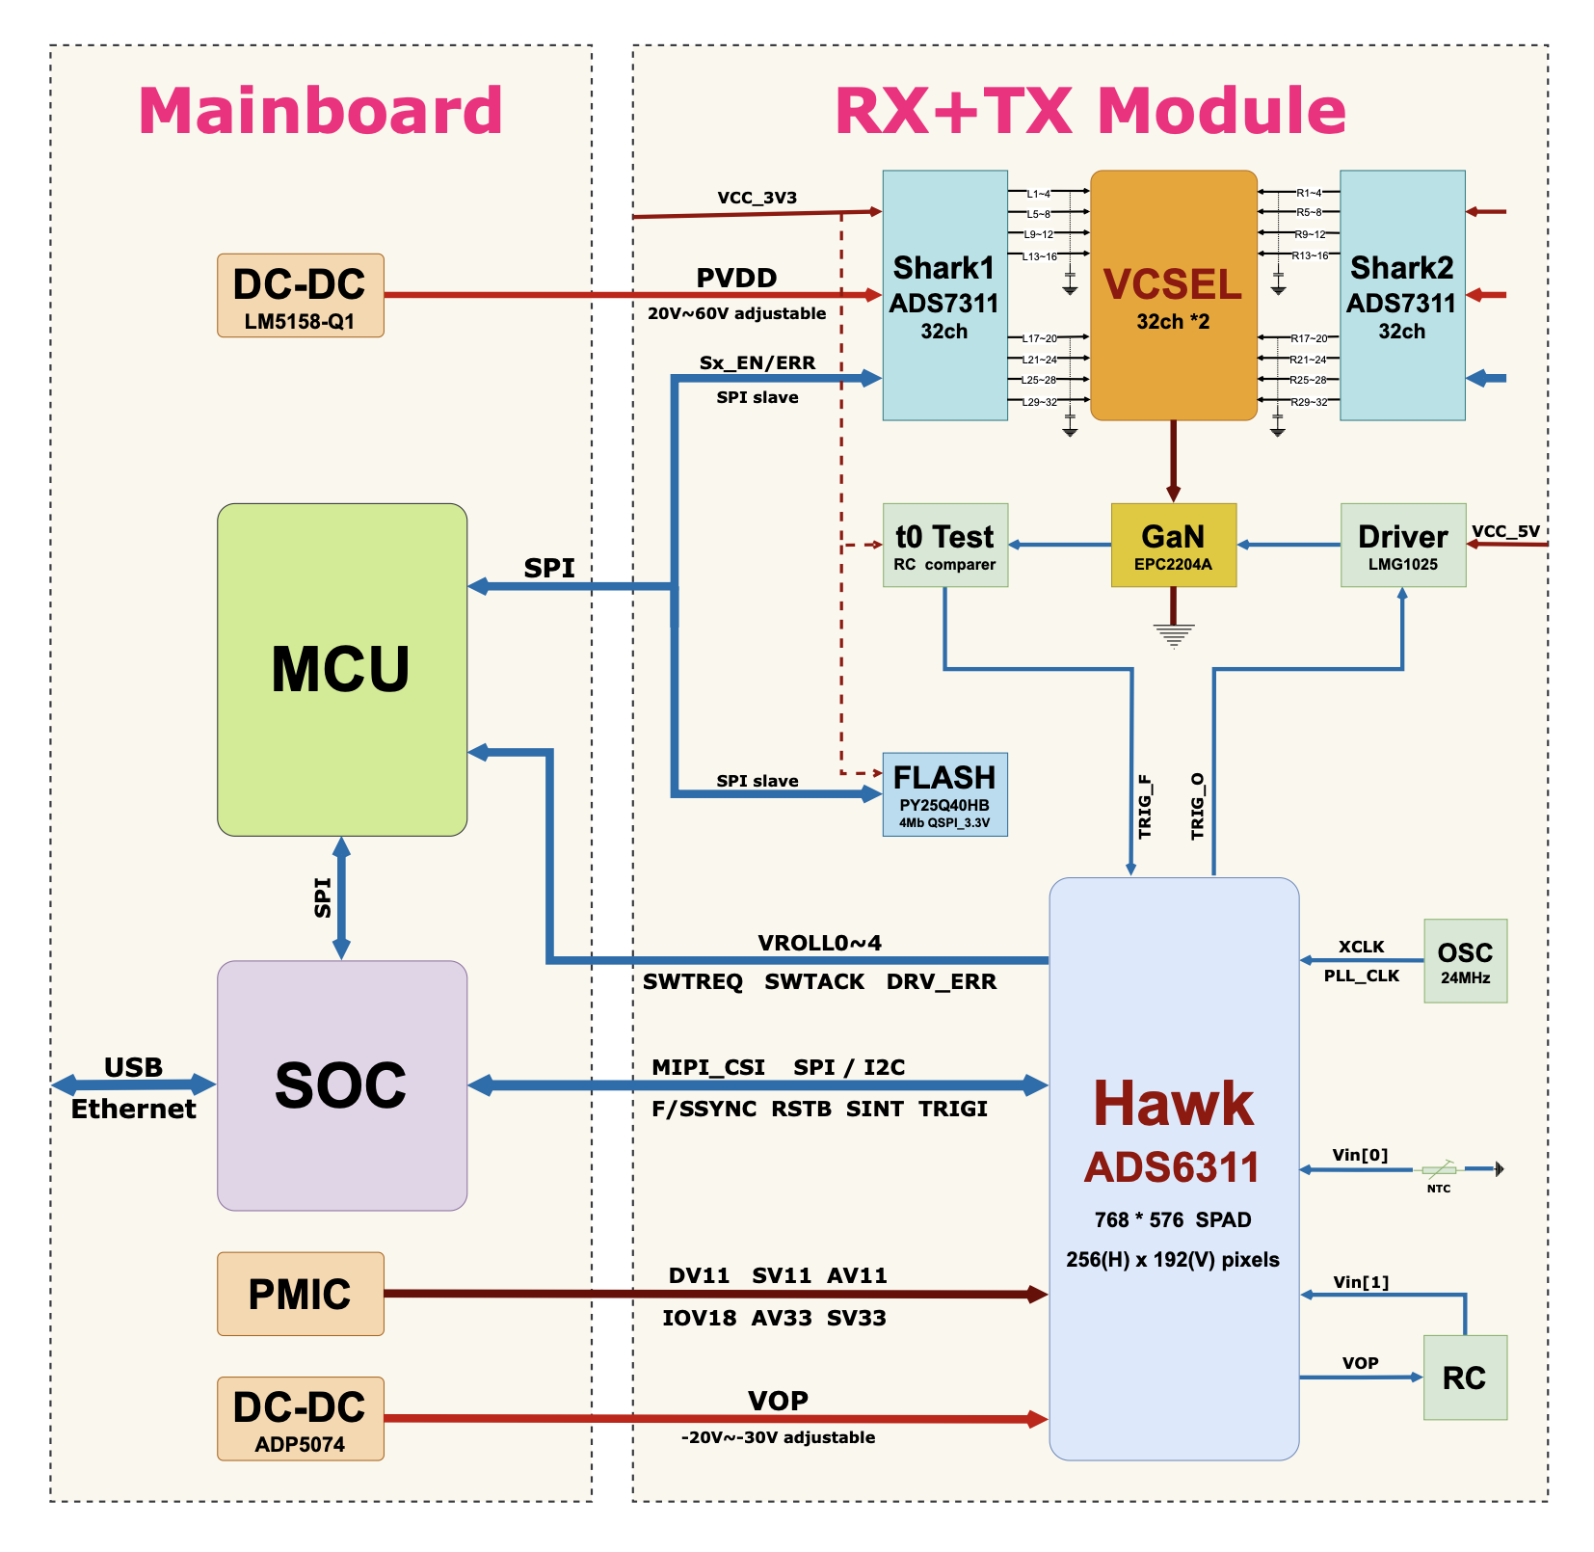
AP / SoC board | dToF Module

