Plan1
Lidos | Trabalhos relacionados | Link | Titulo | Ano | Qtde Users | Palavras chave
OK | https://ieeexplore.ieee.org/document/7997223/ | http://dainf.ct.utfpr.edu.br/~thiagohs/papers/santosICC17.pdf | Towards a sustainable people-centric sensing | 2017 |  | Badges | Mayorships | New Users | Rewards | Motivation | Foursquare
OK | http://ieeexplore.ieee.org/abstract/document/8267206/ | https://ieeexplore.ieee.org/stamp/stamp.jsp?tp=&arnumber=8267206 | Measurement and Analysis of the Swarm Social Network | 2018 |  | Check-ins
OK | http://d-scholarship.pitt.edu/30634/ | http://d-scholarship.pitt.edu/30634/1/Approved%20Dissertation_KeZhang.pdf | Urban mobility and location-based social networks | 2017 | 65MI venues | LBSN | Check-ins | API
OK | https://scholarspace.manoa.hawaii.edu/handle/10125/41239 | https://scholarspace.manoa.hawaii.edu/bitstream/10125/41239/1/paper0090.pdf | The Impact of Gamification | 2017 |  | Word Of Mouth | Gamification(More than others) | Mayorships | Badges | Market Maven and Market Expert
OK | https://dl.acm.org/citation.cfm?id=1979295 | http://delivery.acm.org/10.1145/1980000/1979295/p2409-lindqvist.pdf?ip=200.134.10.31&id=1979295&acc=ACTIVE%20SERVICE&key=344E943C9DC262BB%2E2EB0389E020F18FC%2E4D4702B0C3E38B35%2E4D4702B0C3E38B35&__acm__=1523396632_4118d901a36b8191f180deacb9e3306b | Im the mayor of my house | 2011 | 5MI Dez/10 | Rewards | Gamification | Mayorships | Badges | Why People Don’t Checkin
OK | https://dl.acm.org/citation.cfm?id=2370419 | http://delivery.acm.org/10.1145/2380000/2370419/p898-pontes.pdf?ip=200.134.10.31&id=2370419&acc=ACTIVE%20SERVICE&key=344E943C9DC262BB%2E2EB0389E020F18FC%2E4D4702B0C3E38B35%2E4D4702B0C3E38B35&__acm__=1523397084_2d155a10915b43e1e5606c1ee7f02a88 | We know where you live | 2012 | 10MI Jun/11 | LBSN | Countries
OK | https://dl.acm.org/citation.cfm?id=2037384 | http://delivery.acm.org/10.1145/2040000/2037384/p57-cramer.pdf?ip=200.134.10.31&id=2037384&acc=ACTIVE%20SERVICE&key=344E943C9DC262BB%2E2EB0389E020F18FC%2E4D4702B0C3E38B35%2E4D4702B0C3E38B35&__acm__=1523397099_a64ee4ce9dfe0de986faae7993e397e1 | Performing a check-in: emerging practices | 2011 | 8MI July/10 | Check-in | Venues | Badges | Mayorships | Location-sharing | Motivation
OK | https://dl.acm.org/citation.cfm?id=3123086 | http://delivery.acm.org/10.1145/3130000/3123086/p125-lin.pdf?ip=200.134.10.31&id=3123086&acc=ACTIVE%20SERVICE&key=344E943C9DC262BB%2E2EB0389E020F18FC%2E4D4702B0C3E38B35%2E4D4702B0C3E38B35&__acm__=1524000575_d173795e01549ba512c2b3e6f2aee598 | Understanding user activity patterns of the Swarm app | 2017 |  | Swarm App | LBSN | Categories
OK | https://scholar.google.com.br/scholar?hl=pt-BR&as_sdt=0%2C5&as_vis=1&q=Users+in+the+Urban+Sensing+Process%3A+Challenges+and+Research+Opportunities&btnG= | http://dainf.ct.utfpr.edu.br/~thiagohs/papers/chapterUserUrbSen.pdf | Users in the Urban Sensing Process | 2016 |  | Participatory Sensor Networks(PSN) | API(requests) | Web Crawler
OK | https://dl.acm.org/citation.cfm?id=2976862 | http://delivery.acm.org/10.1145/2980000/2976862/p303-neves.pdf?ip=200.134.10.31&id=2976862&acc=ACTIVE%20SERVICE&key=344E943C9DC262BB%2E2EB0389E020F18FC%2E4D4702B0C3E38B35%2E4D4702B0C3E38B35&__acm__=1524608091_9c23342d01354f231070a0acb0a9d6f1 | Study of Google Popularity Times Series for Commercial Establishments of Curitiba and Chicago | 2016 |  | Check-ins | Cities | Foursquare

 | Estado da Arte

10 | Oks
6 | Stand by

 | API | API | 2 |  | Ano 2017 | 4
 | API | Badges | 4 |  | Ano 2018 | 1
 | Badges | Categories | 1 |  | Ano 2016 | 2
 | Badges | Check-ins | 4 |  | Ano 2011 | 2
 | Badges | Cities | 1 |  | Ano 2012 | 1
Ano dos Artigos utilizados
 | Badges | Countries | 1
 | Categories | Foursquare | 2
 | Check-ins | Gamification | 2
 | Check-ins | LBSN | 5
 | Check-ins | Market Maven and Market Expert | 1
 | Check-ins | Mayorships | 4
 | Cities | Motivation | 2
 | Countries | New Users | 1
 | Foursquare | Rewards | 2
 | Foursquare | Swarm App | 1
 | Gamification | Venues | 1
 | Gamification | Web Crawler | 1
 | LBSN | Why People Don’t Checkin | 1
 | LBSN | Word Of Mouth | 1
 | LBSN
 | LBSN
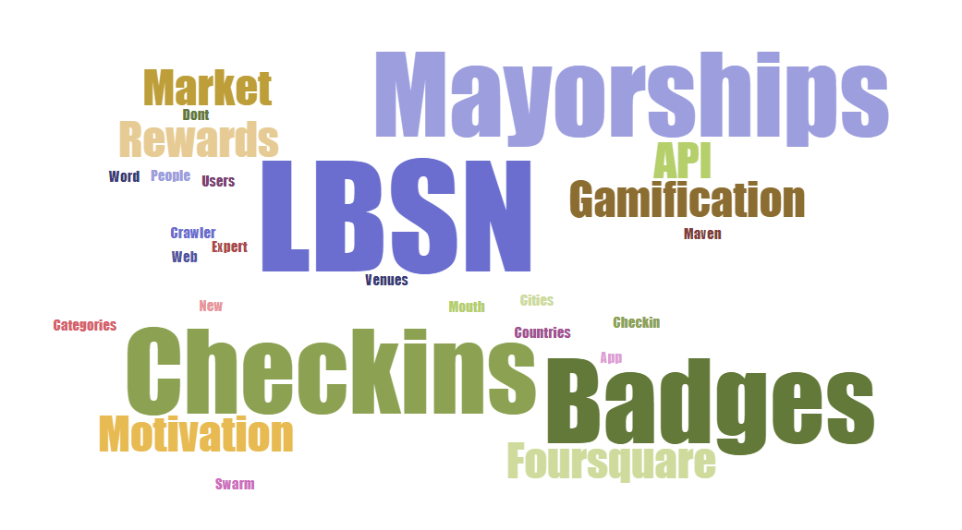
 | LBSN
 | Market Maven and Market Expert
 | Mayorships
 | Mayorships
 | Mayorships
 | Mayorships
 | Motivation
 | Motivation
 | New Users
 | Rewards
 | Rewards
 | Swarm App
 | Venues
 | Web Crawler
 | Why People Don’t Checkin
 | Word Of Mouth

