TC_number_location
TC number | x | y
1 | -140 | 0
2 | -104.3 | -104.3
3 | -104.3 | 104.3
4 | -90 | 0
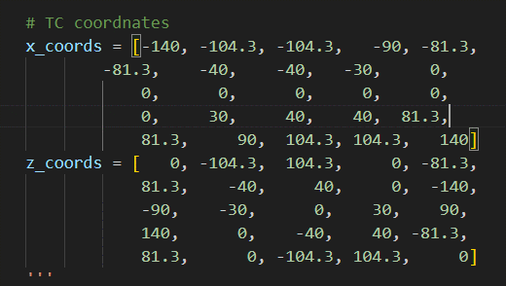
5 | -81.3 | -81.3
6 | -81.3 | 81.3
7 | -40 | -40
8 | -40 | 40
9 | -30 | 0
10 | 0 | -140
11 | 0 | -90
12 | 0 | -30
13 | 0 | 0
14 | 0 | 30
15 | 0 | 90
16 | 0 | 140
17 | 30 | 0
18 | 40 | -40
19 | 40 | 40
20 | 81.3 | -81.3
21 | 81.3 | 81.3
22 | 90 | 0
23 | 104.3 | -104.3
24 | 104.3 | 104.3
25 | 140 | 0

