graph
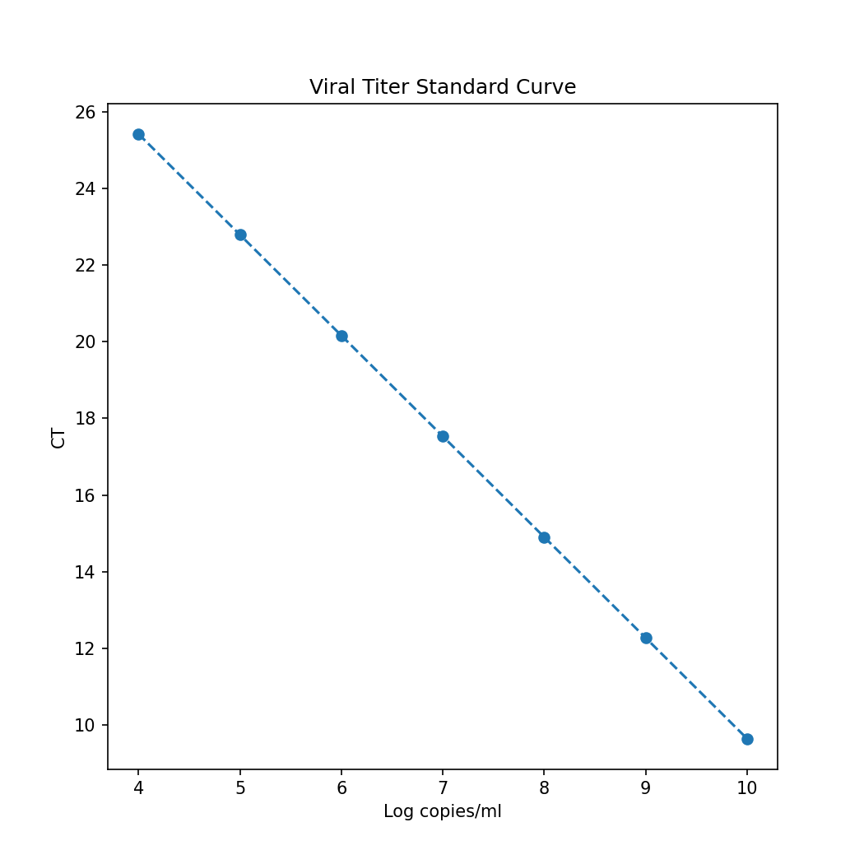
slope = | -2.631299751145498 | intercept = | 35.95037239506131 | r^2 = | 0.9532279492811152

