graph
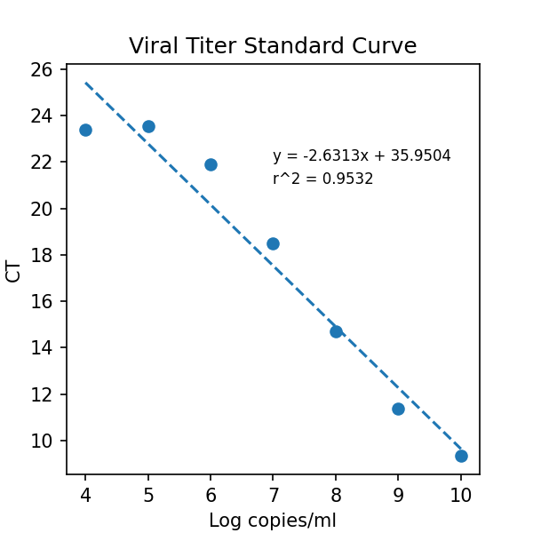
slope = | -2.631299751145498 | intercept = | 35.95037239506131 | r^2 = | 0.9532279492811152
Avg CT = | 23.390773773 | 23.54425176 | 21.887812297 | 18.483988444 | 14.693982601 | 11.376068751 | 9.3420413335

