Overall
Model | Accuracy | Recall | Precison | F1 Score
Naïve Bayes | 0.3846 | 0.3846 | 0.7949 | 0.2922
Decision Tree | 0.82051666667 | 0.82051666667 | 0.84953333333 | 0.81596666667
Random Forest | 0.89101666667 | 0.89101666667 | 0.91391666667 | 0.88648333333
SVM | 0.4231 | 0.4231 | 0.7993 | 0.3554
Averaged Results of Classification Models

Combined Runs
Accuracy

Model | 1 | 2 | 3 | 4 | 5 | 6
Naïve Bayes
Decision Tree
Random Forest
SVM

Recall

Model | 1 | 2 | 3 | 4 | 5 | 6
Naïve Bayes
Decision Tree
Random Forest
SVM

Precison

Model | 1 | 2 | 3 | 4 | 5 | 6
Naïve Bayes
Decision Tree
Random Forest
SVM
F1 Score Comparison Between Decision Tree and Random Forest

F1 Score

Model | 1 | 2 | 3 | 4 | 5 | 6
Naïve Bayes | 0.2922 | 0.2922 | 0.2922 | 0.2922 | 0.2922 | 0.2922
Decision Tree | 0.7622 | 0.8013 | 0.8013 | 0.8451 | 0.8846 | 0.8013
Random Forest | 0.8835 | 0.8798 | 0.8798 | 0.9617 | 0.9251 | 0.789
SVM | 0.3554 | 0.3554 | 0.3554 | 0.3554 | 0.3554 | 0.3554

Naïve Bayes
Run | Accuracy | Recall | Precision | F1 Score
1 | 0.3846 | 0.3846 | 0.7949 | 0.2922
2 | 0.3846 | 0.3846 | 0.7949 | 0.2922
3 | 0.3846 | 0.3846 | 0.7949 | 0.2922
4 | 0.3846 | 0.3846 | 0.7949 | 0.2922
Naïve Bayes Predictions Across All Runs
5 | 0.3846 | 0.3846 | 0.7949 | 0.2922
6 | 0.3846 | 0.3846 | 0.7949 | 0.2922
Average | 0.3846 | 0.3846 | 0.7949 | 0.2922

 |  |  | Actual
 |  | Software / IT | Regulations | Support & Sales
Predicted | Software / IT | 48 | 0 | 0
 | Regulations | 42 | 6 | 0
 | Support & Sales | 54 | 0 | 6

Decision Tree
Run | Accuracy | Recall | Precision | F1 Score
1 | 0.7692 | 0.7692 | 0.781 | 0.7622
2 | 0.8077 | 0.8077 | 0.8462 | 0.8013
3 | 0.8077 | 0.8077 | 0.8462 | 0.8013
4 | 0.8462 | 0.8462 | 0.8776 | 0.8451
Decision Tree Predictions Across All Runs
5 | 0.8846 | 0.8846 | 0.9 | 0.8846
6 | 0.8077 | 0.8077 | 0.8462 | 0.8013
Average | 0.82051666667 | 0.82051666667 | 0.84953333333 | 0.81596666667

 |  |  | Actual
 |  | Software / IT | Regulations | Support & Sales
Predicted | Software / IT | 41 | 6 | 1
 | Regulations | 0 | 48 | 0
 | Support & Sales | 14 | 6 | 39

Random Forest
Run | Accuracy | Recall | Precision | F1 Score
1 | 0.8846 | 0.8846 | 0.9161 | 0.8835
2 | 0.8846 | 0.8846 | 0.9043 | 0.8798
3 | 0.8846 | 0.8846 | 0.9043 | 0.8798
Random Forest Predictions Across All Runs
4 | 0.9615 | 0.9615 | 0.9658 | 0.9617
5 | 0.9231 | 0.9231 | 0.9385 | 0.9251
6 | 0.8077 | 0.8077 | 0.8545 | 0.789
Average | 0.89101666667 | 0.89101666667 | 0.91391666667 | 0.88648333333

 |  |  | Actual
 |  | Software / IT | Regulations | Support & Sales
Predicted | Software / IT | 48 | 0 | 0
 | Regulations | 1 | 47 | 0
 | Support & Sales | 12 | 4 | 44

SVM
Run | Accuracy | Recall | Precision | F1 Score
1 | 0.4231 | 0.4231 | 0.7993 | 0.3554
2 | 0.4231 | 0.4231 | 0.7993 | 0.3554
3 | 0.4231 | 0.4231 | 0.7993 | 0.3554
4 | 0.4231 | 0.4231 | 0.7993 | 0.3554
5 | 0.4231 | 0.4231 | 0.7993 | 0.3554
6 | 0.4231 | 0.4231 | 0.7993 | 0.3554
Average | 0.4231 | 0.4231 | 0.7993 | 0.3554
SVM Predictions Across All Runs

 |  |  | Actual
 |  | Software / IT | Regulations | Support & Sales
Predicted | Software / IT | 48 | 0 | 0
 | Regulations | 42 | 6 | 0
 | Support & Sales | 48 | 0 | 12

Run 1
Model | Accuracy | Recall | Precision | F1 Score
Naïve Bayes | 0.3846 | 0.3846 | 0.7949 | 0.2922
Decision Tree | 0.7692 | 0.7692 | 0.781 | 0.7622
Random Forest | 0.8846 | 0.8846 | 0.9161 | 0.8835
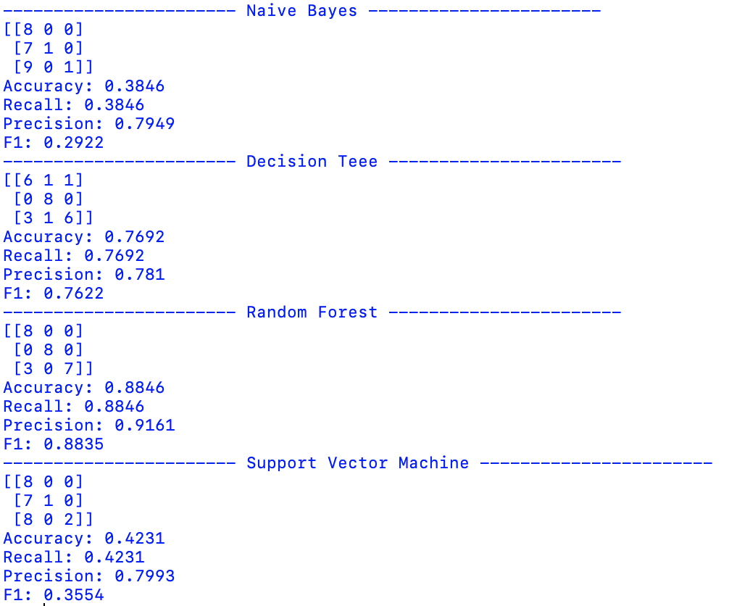
Support Vector Machine | 0.4231 | 0.4231 | 0.7993 | 0.3554

Naïve Bayes Confusion Matrix |  |  | Actual
 |  | Software / IT | Regulations | Support & Sales
Predicted | Software / IT | 8 | 0 | 0
 | Regulations | 7 | 1 | 0
 | Support & Sales | 9 | 0 | 1

Decision Tree |  |  | Actual
 |  | Software / IT | Regulations | Support & Sales
Predicted | Software / IT | 6 | 1 | 1
 | Regulations | 0 | 8 | 0
 | Support & Sales | 3 | 0 | 6

Random Forest |  |  | Actual
 |  | Software / IT | Regulations | Support & Sales
Predicted | Software / IT | 8
 | Regulations |  | 8
 | Support & Sales | 3 |  | 7

Support Vector Machine |  |  | Actual
 |  | Software / IT | Regulations | Support & Sales
Predicted | Software / IT | 8 | 0 | 0
 | Regulations | 7 | 1 | 0
 | Support & Sales | 8 | 0 | 2
 | Software / IT | Regulations | Support & Sales
Software / IT | 8 |  | 3
Regulations |  | 8
Support & Sales |  |  | 7
Software / IT - Ticket Prediction
 | Software / IT
Software / IT | 8
Regulations
Support & Sales | 3

Run 2
Model | Accuracy | Recall | Precision | F1 Score
Naïve Bayes | 0.3846 | 0.3846 | 0.7949 | 0.2922
Decision Tree | 0.8077 | 0.8077 | 0.8462 | 0.8013
Random Forest | 0.8846 | 0.8846 | 0.9043 | 0.8798
Support Vector Machine | 0.4231 | 0.4231 | 0.7993 | 0.3554

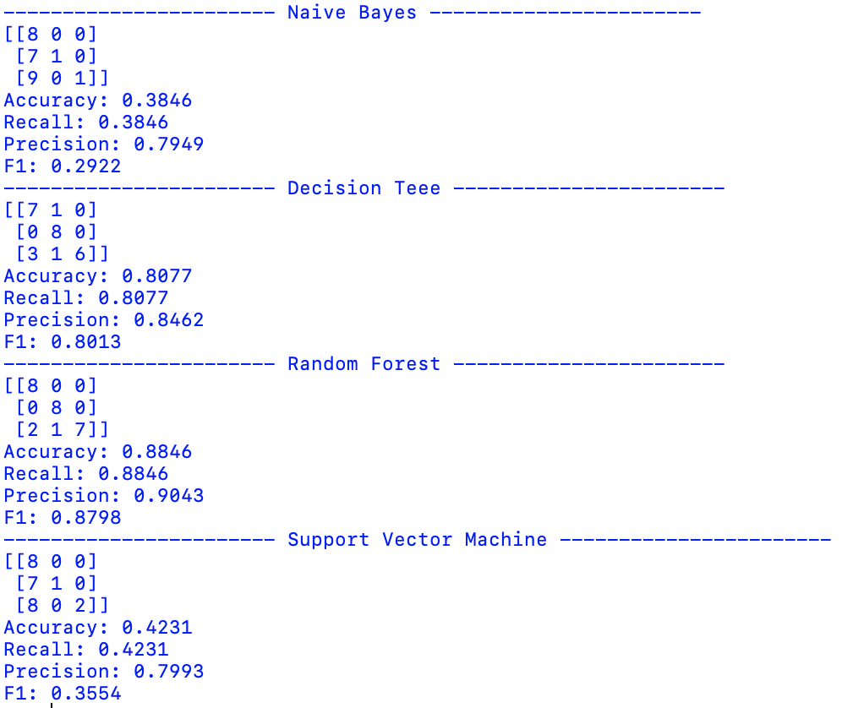
Naïve Bayes Confusion Matrix |  |  | Actual
 |  | Software / IT | Regulations | Support & Sales
Predicted | Software / IT | 8 | 0 | 0
 | Regulations | 7 | 1 | 0
 | Support & Sales | 9 | 0 | 1

Decision Tree |  |  | Actual
 |  | Software / IT | Regulations | Support & Sales
Predicted | Software / IT | 7 | 1 | 0
 | Regulations | 0 | 8 | 0
 | Support & Sales | 3 | 1 | 6

Random Forest |  |  | Actual
 |  | Software / IT | Regulations | Support & Sales
Predicted | Software / IT | 8
 | Regulations |  | 8
 | Support & Sales | 2 | 1 | 7

Support Vector Machine |  |  | Actual
 |  | Software / IT | Regulations | Support & Sales
Predicted | Software / IT | 8 | 0 | 0
 | Regulations | 7 | 1 | 0
 | Support & Sales | 8 | 0 | 2

Run 3
Model | Accuracy | Recall | Precision | F1 Score
Naïve Bayes | 0.3846 | 0.3846 | 0.7949 | 0.2922
Decision Tree | 0.8077 | 0.8077 | 0.8462 | 0.8013
Random Forest | 0.8846 | 0.8846 | 0.9043 | 0.8798
Support Vector Machine | 0.4231 | 0.4231 | 0.7993 | 0.3554

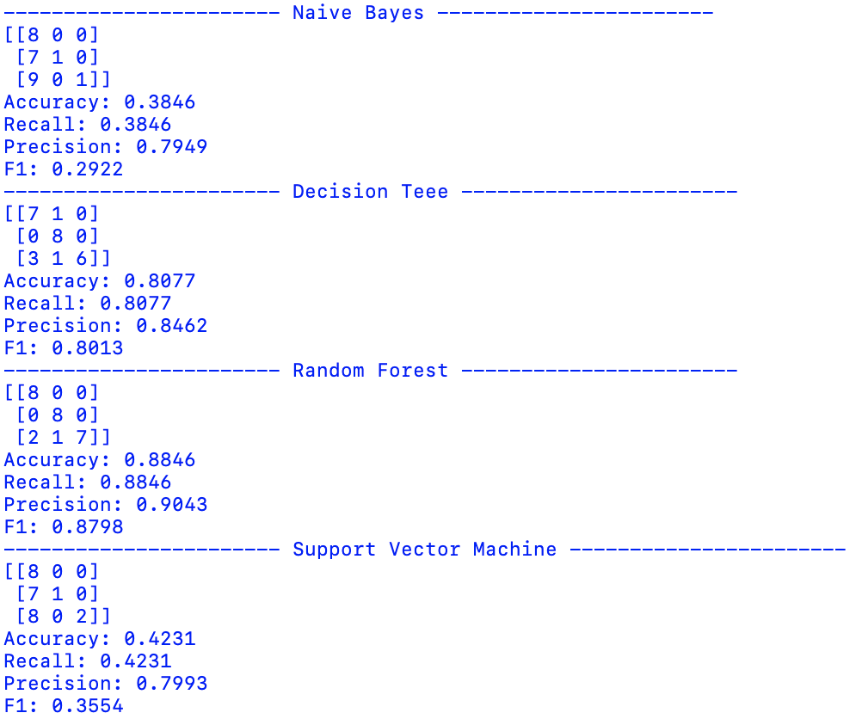
Naïve Bayes Confusion Matrix |  |  | Actual
 |  | Software / IT | Regulations | Support & Sales
Predicted | Software / IT | 8 | 0 | 0
 | Regulations | 7 | 1 | 0
 | Support & Sales | 9 | 0 | 1

Decision Tree |  |  | Actual
 |  | Software / IT | Regulations | Support & Sales
Predicted | Software / IT | 7 | 1 | 0
 | Regulations | 0 | 8 | 0
 | Support & Sales | 3 | 1 | 6

Random Forest |  |  | Actual
 |  | Software / IT | Regulations | Support & Sales
Predicted | Software / IT | 8
 | Regulations |  | 8
 | Support & Sales | 2 | 1 | 7

Support Vector Machine |  |  | Actual
 |  | Software / IT | Regulations | Support & Sales
Predicted | Software / IT | 8 | 0 | 0
 | Regulations | 7 | 1 | 0
 | Support & Sales | 8 | 0 | 2

Run 4
Model | Accuracy | Recall | Precision | F1 Score
Naïve Bayes | 0.3846 | 0.3846 | 0.7949 | 0.2922
Decision Tree | 0.8462 | 0.8462 | 0.8776 | 0.8451
Random Forest | 0.9615 | 0.9615 | 0.9658 | 0.9617
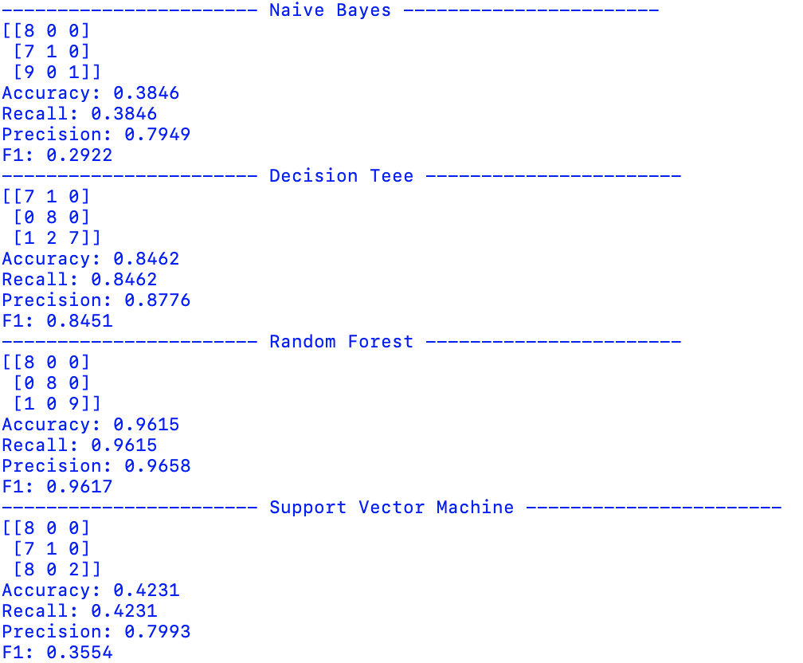
Support Vector Machine | 0.4231 | 0.4231 | 0.7993 | 0.3554

Naïve Bayes Confusion Matrix |  |  | Actual
 |  | Software / IT | Regulations | Support & Sales
Predicted | Software / IT | 8 | 0 | 0
 | Regulations | 7 | 1 | 0
 | Support & Sales | 9 | 0 | 1

Decision Tree |  |  | Actual
 |  | Software / IT | Regulations | Support & Sales
Predicted | Software / IT | 7 | 1 | 0
 | Regulations | 0 | 8 | 0
 | Support & Sales | 1 | 2 | 7

Random Forest |  |  | Actual
 |  | Software / IT | Regulations | Support & Sales
Predicted | Software / IT | 8
 | Regulations |  | 8
 | Support & Sales | 1 | 0 | 9

Support Vector Machine |  |  | Actual
 |  | Software / IT | Regulations | Support & Sales
Predicted | Software / IT | 8 | 0 | 0
 | Regulations | 7 | 1 | 0
 | Support & Sales | 8 | 0 | 2

Run 5
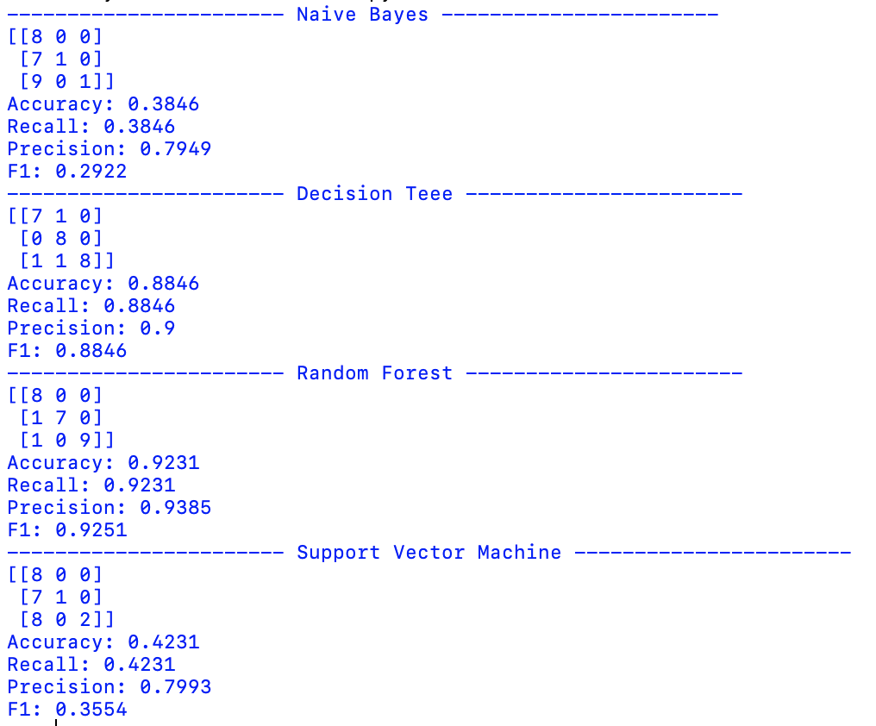
Model | Accuracy | Recall | Precision | F1 Score
Naïve Bayes | 0.3846 | 0.3846 | 0.7949 | 0.2922
Decision Tree | 0.8846 | 0.8846 | 0.9 | 0.8846
Random Forest | 0.9231 | 0.9231 | 0.9385 | 0.9251
Support Vector Machine | 0.4231 | 0.4231 | 0.7993 | 0.3554

Naïve Bayes Confusion Matrix |  |  | Actual
 |  | Software / IT | Regulations | Support & Sales
Predicted | Software / IT | 8 | 0 | 0
 | Regulations | 7 | 1 | 0
 | Support & Sales | 9 | 0 | 1

Decision Tree |  |  | Actual
 |  | Software / IT | Regulations | Support & Sales
Predicted | Software / IT | 7 | 1 | 0
 | Regulations | 0 | 8 | 0
 | Support & Sales | 1 | 1 | 8

Random Forest |  |  | Actual
 |  | Software / IT | Regulations | Support & Sales
Predicted | Software / IT | 8
 | Regulations | 1 | 7
 | Support & Sales | 1 | 0 | 9

Support Vector Machine |  |  | Actual
 |  | Software / IT | Regulations | Support & Sales
Predicted | Software / IT | 8 | 0 | 0
 | Regulations | 7 | 1 | 0
 | Support & Sales | 8 | 0 | 2

Run 6
Model | Accuracy | Recall | Precision | F1 Score
Naïve Bayes | 0.3846 | 0.3846 | 0.7949 | 0.2922
Decision Tree | 0.8077 | 0.8077 | 0.8462 | 0.8013
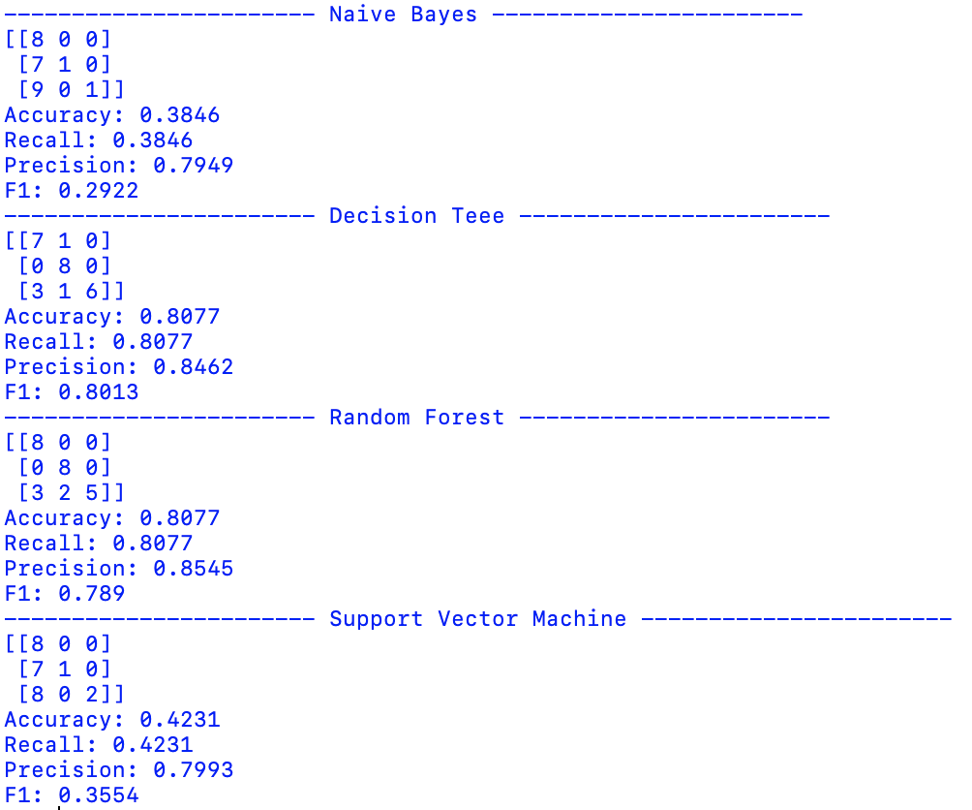
Random Forest | 0.8077 | 0.8077 | 0.8545 | 0.789
Support Vector Machine | 0.4231 | 0.4231 | 0.7993 | 0.3554

Naïve Bayes Confusion Matrix |  |  | Actual
 |  | Software / IT | Regulations | Support & Sales
Predicted | Software / IT | 8 | 0 | 0
 | Regulations | 7 | 1 | 0
 | Support & Sales | 9 | 0 | 1

Decision Tree |  |  | Actual
 |  | Software / IT | Regulations | Support & Sales
Predicted | Software / IT | 7 | 1 | 0
 | Regulations | 0 | 8 | 0
 | Support & Sales | 3 | 1 | 6

Random Forest |  |  | Actual
 |  | Software / IT | Regulations | Support & Sales
Predicted | Software / IT | 8
 | Regulations |  | 8
 | Support & Sales | 3 | 2 | 5

Support Vector Machine |  |  | Actual
 |  | Software / IT | Regulations | Support & Sales
Predicted | Software / IT | 8 | 0 | 0
 | Regulations | 7 | 1 | 0
 | Support & Sales | 8 | 0 | 2

