mgp_lt_iap
from: nwremote_mgp_lt_iap data: unique product_id-price pair (617,027 obs)
price | product_id | cnt | pct | first_transaction | last_transaction | 15% championship offer
4.99 | com.neowiz.golflegends.champs01.aos | 3403 | 0.55151557387 | 20201111 | 20210608
4.99 | com.neowiz.golflegends.champs01.ios | 903 | 0.14634691837 | 20201020 | 20210608
4.99 | com.neowiz.golflegends.champs01_1.aos | 67887 | 11.002273806 | 20210608 | 20230108
4.99 | com.neowiz.golflegends.champs01_1.ios | 23416 | 3.7949716949 | 20210608 | 20230108
19.99 | com.neowiz.golflegends.champs02.aos | 990 | 0.16044678758 | 20210130 | 20210607
19.99 | com.neowiz.golflegends.champs02.ios | 383 | 0.062071838023 | 20201020 | 20210607
19.99 | com.neowiz.golflegends.champs02_1.aos | 21590 | 3.4990365089 | 20210608 | 20230108
19.99 | com.neowiz.golflegends.champs02_1.ios | 10511 | 1.7034910952 | 20210608 | 20230108
34.99 | com.neowiz.golflegends.champs03.aos | 389 | 0.063044242797 | 20201125 | 20210608
34.99 | com.neowiz.golflegends.champs03.ios | 148 | 0.023985984406 | 20201119 | 20210608
34.99 | com.neowiz.golflegends.champs03_1.aos | 10132 | 1.642067527 | 20210608 | 20230108 | 15% impact pass

34.99 | com.neowiz.golflegends.champs03_1.ios | 5130 | 0.8314060811 | 20210608 | 20230108
99.99 | com.neowiz.golflegends.champs05.aos | 300 | 0.048620238661 | 20201129 | 20210607
99.99 | com.neowiz.golflegends.champs05.ios | 85 | 0.013775734287 | 20210203 | 20210607
99.99 | com.neowiz.golflegends.champs05_1.aos | 3601 | 0.58360493139 | 20210608 | 20230108
99.99 | com.neowiz.golflegends.champs05_1.ios | 2030 | 0.32899694827 | 20210608 | 20230108
0 | com.neowiz.golflegends.clubearthquake.aos | 2 | 0.0003241349244 | 20210427 | 20210428
12.99 | com.neowiz.golflegends.clubearthquake.aos | 820 | 0.13289531901 | 20210430 | 20230108
0 | com.neowiz.golflegends.clubearthquake.ios | 1 | 0.0001620674622 | 20210427 | 20210427
12.99 | com.neowiz.golflegends.clubearthquake.ios | 430 | 0.069689008747 | 20210511 | 20230107
0 | com.neowiz.golflegends.clubhellfire.aos | 1 | 0.0001620674622 | 20210427 | 20210427
12.99 | com.neowiz.golflegends.clubhellfire.aos | 769 | 0.12462987843 | 20210504 | 20230108
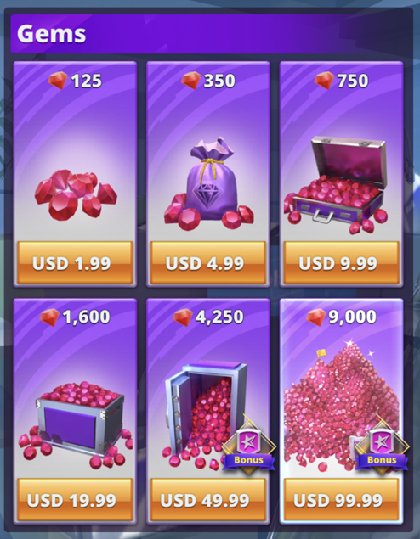
12.99 | com.neowiz.golflegends.clubhellfire.ios | 409 | 0.066285592041 | 20210506 | 20230107
0 | com.neowiz.golflegends.clublfirestorm.aos | 3 | 0.00048620238661 | 20210427 | 20210428 | 5% buying gems
12.99 | com.neowiz.golflegends.clublfirestorm.aos | 645 | 0.10453351312 | 20210430 | 20230107
0 | com.neowiz.golflegends.clublfirestorm.ios | 2 | 0.0003241349244 | 20210427 | 20210428
12.99 | com.neowiz.golflegends.clublfirestorm.ios | 312 | 0.050565048207 | 20210515 | 20230107
0 | com.neowiz.golflegends.clublightstorm.aos | 4 | 0.00064826984881 | 20210427 | 20210429
12.99 | com.neowiz.golflegends.clublightstorm.aos | 831 | 0.13467806109 | 20210430 | 20230108
12.99 | com.neowiz.golflegends.clublightstorm.ios | 429 | 0.069526941285 | 20210430 | 20230101
0 | com.neowiz.golflegends.clubmeteor.aos | 1 | 0.0001620674622 | 20210428 | 20210428
12.99 | com.neowiz.golflegends.clubmeteor.aos | 3625 | 0.58749455048 | 20210430 | 20230108
12.99 | com.neowiz.golflegends.clubmeteor.ios | 1618 | 0.26222515384 | 20210501 | 20230108
0 | com.neowiz.golflegends.clubphoenix.aos | 1 | 0.0001620674622 | 20210427 | 20210427
12.99 | com.neowiz.golflegends.clubphoenix.aos | 872 | 0.14132282704 | 20210430 | 20230107
12.99 | com.neowiz.golflegends.clubphoenix.ios | 438 | 0.070985548444 | 20210508 | 20230107
0 | com.neowiz.golflegends.clubtornado.aos | 4 | 0.00064826984881 | 20210427 | 20210428
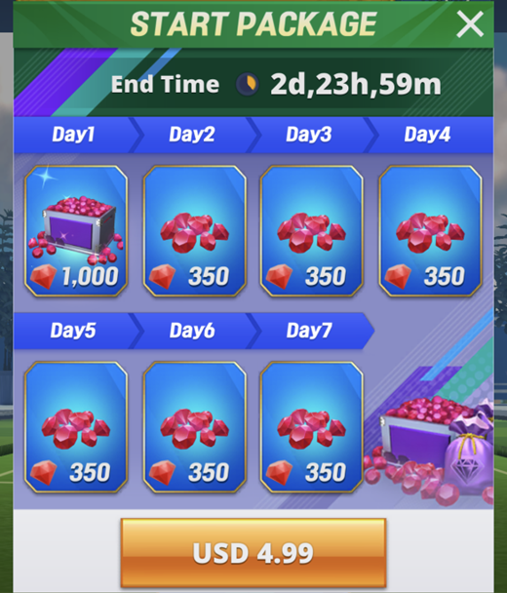
12.99 | com.neowiz.golflegends.clubtornado.aos | 767 | 0.12430574351 | 20210430 | 20230108
12.99 | com.neowiz.golflegends.clubtornado.ios | 379 | 0.061423568174 | 20210501 | 20230108
18.99 | com.neowiz.golflegends.doublepass.aos | 17047 | 2.7627640282 | 20210430 | 20230108
18.99 | com.neowiz.golflegends.doublepass.ios | 8172 | 1.3244153011 | 20210430 | 20230108
99.99 | com.neowiz.golflegends.doublepass2_1.aos | 2179 | 0.35314500014 | 20210608 | 20230108
99.99 | com.neowiz.golflegends.doublepass2_1.ios | 1097 | 0.17778800604 | 20210610 | 20230108
1.99 | com.neowiz.golflegends.gems01.aos | 7488 | 1.213561157 | 20201102 | 20230108
1.99 | com.neowiz.golflegends.gems01.ios | 1425 | 0.23094613364 | 20201020 | 20230107
4.99 | com.neowiz.golflegends.gems02.aos | 5263 | 0.85296105357 | 20201104 | 20230108
4.99 | com.neowiz.golflegends.gems02.ios | 1404 | 0.22754271693 | 20201104 | 20230108
9.99 | com.neowiz.golflegends.gems03.aos | 4449 | 0.72103813934 | 20201111 | 20230108
9.99 | com.neowiz.golflegends.gems03.ios | 1205 | 0.19529129195 | 20201109 | 20230107
19.99 | com.neowiz.golflegends.gems04.aos | 4315 | 0.6993210994 | 20201231 | 20230108
19.99 | com.neowiz.golflegends.gems04.ios | 964 | 0.15623303356 | 20201210 | 20230108 |  | club purchase... less than 2%?
49.99 | com.neowiz.golflegends.gems05.aos | 564 | 0.091406048682 | 20210102 | 20230108 |  | Club | 1103 | Meteor | screwdriver | Legend_0 | 2023-01-10
49.99 | com.neowiz.golflegends.gems05.ios | 225 | 0.036465178995 | 20210518 | 20230104 |  | Club | 1202 | Hellfire | Wood | Legend_0 | 2023-01-10
99.99 | com.neowiz.golflegends.gems06.aos | 367 | 0.059478758628 | 20210129 | 20221231 |  | Club | 1304 | Phoenix | Long iron | Legend_0 | 2023-01-10
99.99 | com.neowiz.golflegends.gems06.ios | 122 | 0.019772230389 | 20201105 | 20221220 |  | Club | 1407 | Lightning Storm | Mid Iron | Legend_0 | 2023-01-10
9.99 | com.neowiz.golflegends.impactpass.aos | 57175 | 9.2662071514 | 20210101 | 20230108 |  | Club | 1508 | Fire Storm | Short iron | Legend_0 | 2023-01-10
9.99 | com.neowiz.golflegends.impactpass.ios | 18779 | 3.0434648727 | 20210101 | 20230108 |  | Club | 1605 | tornado | Wedge | Legend_0 | 2023-01-10
49.99 | com.neowiz.golflegends.impactpass2_1.aos | 9400 | 1.5234341447 | 20210608 | 20230108 |  | Club | 1706 | Earth Quake | Sand wedge | Legend_0 | 2023-01-10
49.99 | com.neowiz.golflegends.impactpass2_1.ios | 4302 | 0.69721422239 | 20210608 | 20230108
12.99 | com.neowiz.golflegends.legendsoffer01.ios | 1 | 0.0001620674622 | 20201126 | 20201126
12.99 | com.neowiz.golflegends.legendsoffer02.aos | 1 | 0.0001620674622 | 20201228 | 20201228
9.99 | com.neowiz.golflegends.legendsoffer02_1.aos | 868 | 0.14067455719 | 20210213 | 20230105
9.99 | com.neowiz.golflegends.legendsoffer02_1.ios | 342 | 0.055427072073 | 20210219 | 20230105
12.99 | com.neowiz.golflegends.legendsoffer03.ios | 2 | 0.0003241349244 | 20201127 | 20201128
9.99 | com.neowiz.golflegends.legendsoffer03_1.aos | 862 | 0.13970215242 | 20210203 | 20230107
9.99 | com.neowiz.golflegends.legendsoffer03_1.ios | 394 | 0.063854580108 | 20210222 | 20230107
1.99 | com.neowiz.golflegends.limitedoffer01.aos | 33 | 0.0053482262527 | 20201102 | 20210126
1.99 | com.neowiz.golflegends.limitedoffer01.ios | 19 | 0.0030792817818 | 20201105 | 20210123
0.99 | com.neowiz.golflegends.limitedoffer01_1.aos | 13129 | 2.1277837112 | 20210129 | 20230108
0.99 | com.neowiz.golflegends.limitedoffer01_1.ios | 4245 | 0.68797637705 | 20210204 | 20230107
0.99 | com.neowiz.golflegends.longdrive01.aos | 93880 | 15.214893352 | 20201104 | 20230108
0.99 | com.neowiz.golflegends.longdrive01.ios | 23553 | 3.8171749372 | 20201104 | 20230108
4.99 | com.neowiz.golflegends.longdrive06.aos | 47549 | 7.7061457602 | 20201106 | 20230108
4.99 | com.neowiz.golflegends.longdrive06.ios | 17893 | 2.8998731012 | 20201027 | 20230108
49.99 | com.neowiz.golflegends.luxuryoffer.aos | 175 | 0.028361805885 | 20210202 | 20210706
49.99 | com.neowiz.golflegends.luxuryoffer.ios | 42 | 0.0068068334125 | 20210202 | 20210626
9.99 | com.neowiz.golflegends.pass01.aos | 80 | 0.012965396976 | 20201104 | 20201231
9.99 | com.neowiz.golflegends.pass01.ios | 39 | 0.0063206310259 | 20201020 | 20201229
49.99 | com.neowiz.golflegends.pass02.aos | 5 | 0.00081033731101 | 20201120 | 20201225
49.99 | com.neowiz.golflegends.pass02.ios | 11 | 0.0017827420842 | 20201020 | 20201221
0.99 | com.neowiz.golflegends.puttchallenge01.aos | 13548 | 2.1956899779 | 20210501 | 20230108
0.99 | com.neowiz.golflegends.puttchallenge01.ios | 2808 | 0.45508543386 | 20210427 | 20230108
4.99 | com.neowiz.golflegends.puttchallenge06.aos | 4861 | 0.78780993376 | 20210501 | 20230108
4.99 | com.neowiz.golflegends.puttchallenge06.ios | 1640 | 0.26579063801 | 20210427 | 20230108
19.99 | com.neowiz.golflegends.selectlegendaryclub01.aos | 3955 | 0.64097681301 | 20211012 | 20230108
19.99 | com.neowiz.golflegends.selectlegendaryclub01.ios | 2268 | 0.36756900427 | 20211012 | 20230108
0 | com.neowiz.golflegends.specialgems01.aos | 89 | 0.014424004136 | 20210129 | 20210329
2.99 | com.neowiz.golflegends.specialgems01.aos | 9210 | 1.4926413269 | 20210329 | 20230108
9.99 | com.neowiz.golflegends.specialgems01.aos | 540 | 0.087516429589 | 20210214 | 20230107
0 | com.neowiz.golflegends.specialgems01.ios | 19 | 0.0030792817818 | 20210202 | 20210326
2.99 | com.neowiz.golflegends.specialgems01.ios | 4128 | 0.66901448397 | 20210330 | 20230108
9.99 | com.neowiz.golflegends.specialgems01.ios | 221 | 0.035816909147 | 20210204 | 20230104
4.99 | com.neowiz.golflegends.startpackage01.aos | 3017 | 0.48895753346 | 20211012 | 20230108
4.99 | com.neowiz.golflegends.startpackage01.ios | 985 | 0.15963645027 | 20211012 | 20230107
9.99 | com.neowiz.golflegends.trainingpack.aos | 7482 | 1.2125887522 | 20210201 | 20230108
9.99 | com.neowiz.golflegends.trainingpack.ios | 2579 | 0.41797198502 | 20210202 | 20230108
21.99 | com.neowiz.golflegends.unlock03h.aos | 1 | 0.0001620674622 | 20201209 | 20201209
21.99 | com.neowiz.golflegends.unlock03h.ios | 1 | 0.0001620674622 | 20201105 | 20201105
3.99 | com.neowiz.golflegends.unlock03l.aos | 7470 | 1.2106439426 | 20201106 | 20230108
3.99 | com.neowiz.golflegends.unlock03l.ios | 2361 | 0.38264127826 | 20201108 | 20230107
24.99 | com.neowiz.golflegends.unlock04h.aos | 2 | 0.0003241349244 | 20201106 | 20201225
24.99 | com.neowiz.golflegends.unlock04h.ios | 1 | 0.0001620674622 | 20201122 | 20201122
9.99 | com.neowiz.golflegends.unlock04h_1.aos | 4198 | 0.68035920632 | 20210201 | 20230108
9.99 | com.neowiz.golflegends.unlock04h_1.ios | 1641 | 0.26595270547 | 20210208 | 20230108
4.99 | com.neowiz.golflegends.unlock04l.aos | 1787 | 0.28961455495 | 20201106 | 20230108
4.99 | com.neowiz.golflegends.unlock04l.ios | 536 | 0.08686815974 | 20201214 | 20230105
29.99 | com.neowiz.golflegends.unlock05h.aos | 2 | 0.0003241349244 | 20201205 | 20201210
29.99 | com.neowiz.golflegends.unlock05h.ios | 1 | 0.0001620674622 | 20201128 | 20201128
9.99 | com.neowiz.golflegends.unlock05h_1.aos | 3824 | 0.61974597546 | 20210206 | 20230108
9.99 | com.neowiz.golflegends.unlock05h_1.ios | 1511 | 0.24488393539 | 20210212 | 20230108
5.99 | com.neowiz.golflegends.unlock05l.aos | 1684 | 0.27292160635 | 20201129 | 20230108
5.99 | com.neowiz.golflegends.unlock05l.ios | 576 | 0.093350858228 | 20201107 | 20230107
9.99 | com.neowiz.golflegends.unlock06h_1.aos | 3563 | 0.57744636783 | 20210130 | 20230106
9.99 | com.neowiz.golflegends.unlock06h_1.ios | 1415 | 0.22932545902 | 20210212 | 20230107
6.99 | com.neowiz.golflegends.unlock06l.aos | 1506 | 0.24407359808 | 20201129 | 20230107
6.99 | com.neowiz.golflegends.unlock06l.ios | 556 | 0.090109508984 | 20201123 | 20221230
29.99 | com.neowiz.golflegends.unlock07h.aos | 1 | 0.0001620674622 | 20201216 | 20201216
9.99 | com.neowiz.golflegends.unlock07h_1.aos | 3042 | 0.49300922002 | 20210212 | 20230107
9.99 | com.neowiz.golflegends.unlock07h_1.ios | 1278 | 0.20712221669 | 20210202 | 20230108
7.99 | com.neowiz.golflegends.unlock07l.aos | 1270 | 0.205825677 | 20201218 | 20230108
7.99 | com.neowiz.golflegends.unlock07l.ios | 477 | 0.07730617947 | 20201211 | 20230104
9.99 | com.neowiz.golflegends.unlock08h_1.aos | 2408 | 0.39025844898 | 20210216 | 20230108
9.99 | com.neowiz.golflegends.unlock08h_1.ios | 1074 | 0.1740604544 | 20210221 | 20230107
8.99 | com.neowiz.golflegends.unlock08l.aos | 858 | 0.13905388257 | 20210113 | 20230105
8.99 | com.neowiz.golflegends.unlock08l.ios | 371 | 0.060127028477 | 20201213 | 20230103
29.99 | com.neowiz.golflegends.unlock09h.ios | 2 | 0.0003241349244 | 20201020 | 20201130
9.99 | com.neowiz.golflegends.unlock09h_1.aos | 1910 | 0.30954885281 | 20210224 | 20230107
9.99 | com.neowiz.golflegends.unlock09h_1.ios | 840 | 0.13613666825 | 20210317 | 20230108
9.99 | com.neowiz.golflegends.unlock09l.aos | 834 | 0.13516426348 | 20210225 | 20230106
9.99 | com.neowiz.golflegends.unlock09l.ios | 350 | 0.056723611771 | 20201020 | 20230107

