Tabelle1
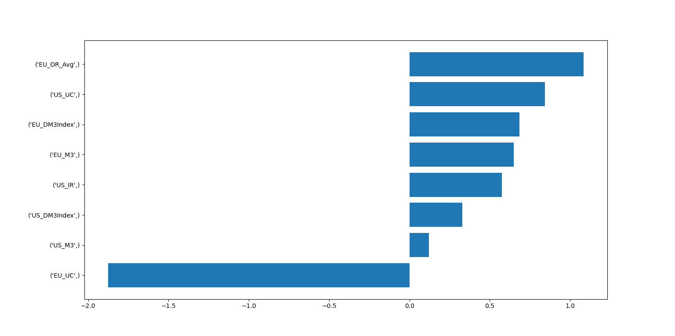
Horizon |  | Training Size |  | Horizon |  | Training Size
 | 18 | 24 | 30 |  | 18 | 24 | 30
1 | 51.9 | 55.3 | 51.8 | 1 | 59.5 | 61.3 | 56.7
3 | 64.4 | 60.1 | 59.2 | 3 | 61.1 | 61.7 | 60.1
6 | 68.3 | 66.2 | 63.7 | 6 | 67.8 | 65.4 | 62.7
12 | 73.1 | 70.7 | 70.5 | 12 | 67.1 | 65.8 | 68.7
24 | 61.8 | 65 | 62.3 | 24 | 60.2 | 67.2 | 62.1
36 | 84.6 | 82.5 | 61.6 | 36 | 74.9 | 79.6 | 70.6

