Plan1
TB_PRODUCT |  |  |  |  | TB_ORDER
ID | NAME | PRICE | DESCRIPTION | IMAGE_URI | ID | LATITUDE | LONGITUDE | MOMENT | STATUS
1 | Pizza de Calabresa | 50 | Pizza calabresa com queijo | https://github.com/1.png | 1 | 213123 | 12323 | 13/01/2023 08h00 | PENDING
2 | Pizza de Quatro Queijos | 40 | Pizza calabresa com quatro queijo | https://github.com/2.png | 2 | 3453453 | 3534534 | 25/01/2023 08h00 | DELIVERED
3 | Pizza de Escarola | 60 | Pizza escarola muito Quiejo | https://github.com/3.png

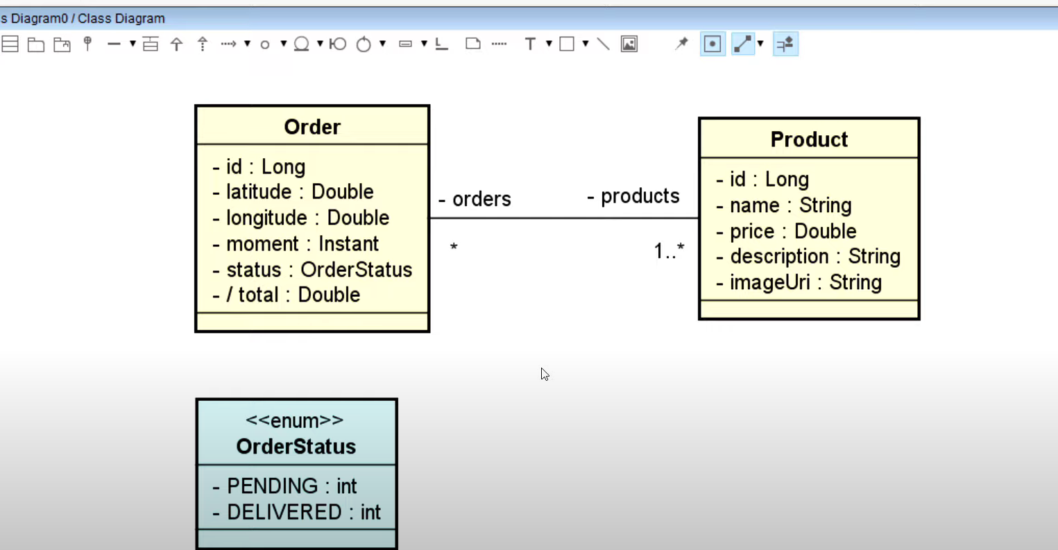
 |  |  |  |  |  | TB_ORDER_PRODUCT
 |  |  |  |  |  | ORDER_ID | PRODUCT_ID
 |  |  |  |  |  | 1 | 1
 |  |  |  |  |  | 1 | 2
 |  |  |  |  |  | 2 | 2
 |  |  |  |  |  | 2 | 3

