Spacecrafts Comparison
Spacecraft Capacity Comparison
 | Strikecraft/Tank | Cargo ships | Light Capital | Capital | People
Interceptors | 0 | 0 | 0 | 0 | 1
Fighter | 0 | 0 | 0 | 0 | 1
Attackers | 0 | 0 | 0 | 0 | 2
Transports | 0 | 0 | 0 | 0 | 8
Gunboats | 1 | 0 | 0 | 0 | 16
Vessels | 1 | 0 | 0 | 0 | 30
Shuttles | 0 | 0 | 0 | 0 | 20
Yacths | 0 | 0 | 0 | 0 | 30
Shepherds | 0 | 0 | 0 | 0 | 40
Wardens | 1 | 0 | 0 | 0 | 30
Freighters | 1 | 0 | 0 | 0 | 40
Cargo ships | 2 | 0 | 0 | 0 | 70
? |  |  |  |  | 0

Light Capitals Comparison
Light Capitals Capacity Comparison
 | Strikecraft/Tank | Cargo ships | People | Light Capital | Capital
Corvettes | 2 | 1 | 400 | 0 | 0
? |  |  | 0
Frigates | 2 | 2 | 1,700 | 0 | 0
? |  |  | 0
? |  |  | 0
? | 0
? | 0 |  | 0

Capital Warship Comparison
Capital Warship Capacity Comparison
 | Strikecraft/Tank | Cargo ships | Light Capital | Capital | People
Assault ships | 10 | 1 | 0 | 0 | 200,000
Carriers | 30 | 2 | 0 | 0 | 200,000
Cruisers |  |  | 0 | 0
Battle cruisers | 0 |  | 0 | 0 | 0
Flagships | 0 | 0 | 1 | 1 | 0
Dreadnoughts | 0 | 0 | 10 | 5 | 0
 | 0 | 0 | 0 | 0 | 0
 | 0 | 0 | 20 | 10 | 0

Ship Naming
 | Ship Code
 | Word Numification
Naming Rule | 2-3 Letters | Letters and Numberized Letter | 1 digit Number | 1 digit Number |  | Charactheristic Adjectives | Class/ Class & Type
Num | Model/Architectural Code | Model Code | Model Changes in Attempt | Trial | Ship Name | Usage | Ship Class | Ship complete name | owner | affiliation
 | AB | 12 | 4 | 5 | Cdef | Jklmn | Opqr | AB-12 45 Stuv's "Cdef" Wxyz Jklmn Opqr | Stuv | Wxyz
 |  |  |  |  |  |  |  | - ""
 | CM | 37 | 4 | 0 | Comet |  | Freighter | CM-37 40 "Comet" Freighter
 | MN | 74 | 2 | 3 | Manta Ray |  | Fighter Strikecraft | MN-74 23 Lynn's "Manta Ray" Fighter Strikecraft | Lynn
 | SN | F5H | 2 | 3 | Sunfish |  | Attacker Strikecraft | SN-F5H 23 "Sunfish" Pontusian Attacker Strikecraft |  | Pontusian
 | WH | 4L3 | 1 | 0 | Venator | Military | Battle Cruiser | WH-4L3 10 "Venator" Military Battle Cruiser
 | CP | 824 | 3 | 9 | Capybara | Scout | Vessel | CP-824 39 Pan's "Capybara" Scout Vessel | Pan
 | CT | F5H | 9 | 5 | Catfish | Unmanned | Interceptor | CT-F5H 95 Suya's "Catfish" Unmanned Interceptor | Suya
 | TH | 214 | 7 | 9 | Aetheria |  | Starcruiser | TH-214 79 Caspy's "Aetheria" Starcruiser | Caspy
 | ST | 24 | 1 | 3 | Astra |  | Heavy Yacht | ST-24 13 Cirro's "Astra" Heavy Yacht | Cirro

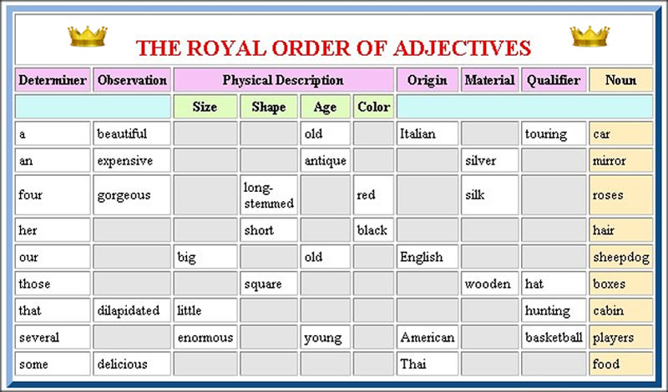
 | Letter | Number
 | I | 1
 | R | 2
 | E | 3
 | A | 4
 | S | 5
 | G | 6
 | T | 7
 | B | 8
 | q | 9
 | O | 0

Planets
This sheet doesnt have put in notes because it is used for 3D scatter plot, so the data must and still be tidy.
this still in alpha because i must define the main galaxy ratio/size and its part, and also figuring out how the color and size work
name | x | y | z | color | temp | size | desc
Abc | 2 | 4 | 5 |  | 22 | 2 | wxyz
Def | 8 | 7 | 6 |  | 35 | 2 | stuv
Ghi | -9 | -10 | -11 |  | 24 | 3 | pqrs
Jkl | -12 | -13 | -14 |  | 33 | 4 | lmno
Mno | 15 | 20 | 23 |  | 26 | 1
Pqr | 16 | 19 | 22 |  | 31 | 3
Rst | 17 | 18 | 21 |  | 28 | 6
NyaNya | 122 | 221 | 212 | blue | 20 | 100 | Cats only, dogs not welcome

