Regression #1
# | Rent | Rent Per person | Bedrooms | Bathrooms | Squarefeet | Parking | Distance in miles (As the crow flys) | Parking | Address
1 | 1050 | $525.00 | 2 | 1 | 800 | 1 | 1.1 | Yes | 1006 Oakcrest St, Iowa City, IA 52246
2 | 950 | $950.00 | 1 | 1 | 500 | 1 | 1.1 | Yes | 1006 Oakcrest St, Iowa City, IA 52246
3 | 1080 | $360.00 | 3 | 1 | 850 | 1 | 0.91 | Yes | 1028 Newton Rd #10, Iowa City, IA 52246
4 | 1600 | $800.00 | 2 | 2 | 816 | 1 | 0.92 | Yes | 1032 Newton Rd APT 1, Iowa City, IA 52246
5 | 1100 | $1,100.00 | 1 | 1 | 691 | 1 | 0.95 | Yes | 1044 Newton Rd APT 2, Iowa City, IA 52246
6 | 1265 | $421.67 | 3 | 1 | 1000 | 1 | 0.97 | Yes | 1064 Newton Rd, Iowa City, IA 52246
7 | 100 | $25.00 | 4 | 1 | 1000 | 0 | 0.61 | No | APT 21, 119 Myrtle Ave, Iowa City, IA 52246
8 | 995 | $995.00 | 1 | 1 | 550 | 1 | 0.27 | Yes | 130 N Linn St, Iowa City, IA 52245
9 | 1750 | $1,750.00 | 1 | 1 | 980 | 1 | 1.31 | Yes | 1300 Melrose Ave, Iowa City, IA 52246
10 | 2050 | $1,025.00 | 2 | 1 | 1200 | 1 | 1.31 | Yes | 1300 Melrose Ave, Iowa City, IA 52246
11 | 1650 | $825.00 | 2 | 2 | 1250 | 1 | 1.42 | Yes | 1455 McCleary Ln, Iowa City, IA 52245
Bedrooms Residual Plot
12 | 1950 | $650.00 | 3 | 2 | 1450 | 1 | 1.42 | Yes | 1455 McCleary Ln, Iowa City, IA 52245
13 | 1650 | $825.00 | 2 | 2 | 1260 | 1 | 1.43 | Yes | 1511 McCleary Ln, Iowa City, IA 52245
14 | 1950 | $650.00 | 3 | 2 | 1460 | 1 | 1.45 | Yes | 1512 McCleary Ln, Iowa City, IA 52245
15 | 1650 | $825.00 | 2 | 2 | 1420 | 1 | 1.43 | Yes | 1559 McCleary Ln, Iowa City, IA 52245
16 | 1195 | $597.50 | 2 | 2 | 1083 | 1 | 2.22 | Yes | 20 Arbor Hill Cir, Iowa City, IA 52245
17 | 785 | $392.50 | 2 | 2 | 992 | 1 | 0.79 | Yes | 20 Lincoln Ave, Iowa City, IA 52246
18 | 705 | $705.00 | 1 | 1 | 420 | 1 | 3.22 | Yes | 2001 Kountry Ln SE, Iowa City, IA 52240
19 | 1295 | $647.50 | 2 | 2 | 905 | 1 | 1.96 | Yes | 201 E 9th St, Coralville, IA 52241
20 | 1100 | $550.00 | 2 | 1 | 900 | 1 | 0.42 | Yes | 201 N Riverside Dr, Iowa City, IA 52246
21 | 1800 | $600.00 | 3 | 1 | 1500 | 0 | 0.31 | No | 210 N Linn St #1, Iowa City, IA 52245
22 | 650 | $650.00 | 1 | 1 | 400 | 1 | 0.56 | Yes | 215 Ronalds St Iowa City, IA 52245
23 | 1700 | $425.00 | 4 | 1 | 1100 | 0 | 0.56 | No | 215 Ronalds St Iowa City, IA 52245
24 | 1950 | $650.00 | 3 | 2 | 1550 | 1 | 1.4 | Yes | 2159 Willenbrock Cir Iowa City, IA 52245
25 | 1650 | $825.00 | 2 | 2 | 1440 | 1 | 1.4 | Yes | 2159 Willenbrock Cir Iowa City, IA 52245
Bathrooms Residual Plot
26 | 2100 | $700.00 | 3 | 2 | 1462 | 0 | 0.54 | No | 220 S River St, Iowa City, IA 52246
27 | 2620 | $655.00 | 4 | 2.5 | 1422 | 1 | 0.6 | Yes | 23 N Lucas street #25 Iowa City, IA 52245
29 | 810 | $810.00 | 1 | 1 | 627 | 1 | 3.11 | Yes | 2725 Heinz Rd, Iowa City, IA 52240
30 | 955 | $477.50 | 2 | 1 | 876 | 1 | 3.15 | Yes | 2726 Heinz Rd, Iowa City, IA 52240
31 | 1120 | $373.33 | 3 | 2 | 1157 | 1 | 3.12 | Yes | 2727 Heinz Rd, Iowa City, IA 52240
32 | 945 | $472.50 | 2 | 1 | 954 | 1 | 3.2 | Yes | 2871 Heinz Rd, Iowa City, IA 52240
33 | 2595 | $1,297.50 | 2 | 2 | 1600 | 1 | 0.27 | Yes | 300 S Clinton St #604, Iowa City, IA 52240
34 | 975 | $975.00 | 1 | 1 | 831 | 1 | 1.92 | Yes | 303 4th Ave, Coralville, IA 52241
35 | 1575 | $525.00 | 3 | 2 | 1592 | 1 | 1.92 | Yes | 303 4th Ave, Coralville, IA 52241
36 | 950 | $950.00 | 1 | 1 | 700 | 0 | 0.58 | No | 315 Ellis Ave, Iowa City, IA 52246
37 | 950 | $475.00 | 2 | 1 | 900 | 0 | 0.58 | No | 315 Ellis Ave, Iowa City, IA 52246
38 | 865 | $865.00 | 1 | 1 | 737 | 1 | 3.36 | Yes | 3155 Shire Ln, Iowa City, IA 52240
39 | 995 | $497.50 | 2 | 1 | 884 | 1 | 3.36 | Yes | 3155 Shire Ln, Iowa City, IA 52240
Squarefeet Residual Plot
40 | 795 | $795.00 | 1 | 1 | 540 | 1 | 0.7 | Yes | 317 Myrtle Ave, Iowa City, IA 52246
41 | 895 | $895.00 | 1 | 1 | 600 | 1 | 0.7 | Yes | 317 Myrtle Ave, Iowa City, IA 52246
43 | 1700 | $1,700.00 | 1 | 1 | 676 | 1 | 0.4 | Yes | 332 S Linn St Iowa City, IA 52240
44 | 1850 | $925.00 | 2 | 2 | 902 | 1 | 0.4 | Yes | 332 S Linn St, Iowa City, IA 52240
45 | 825 | $412.50 | 2 | 1 | 850 | 1 | 1.94 | Yes | 334 Finkbine Ln, # 7, Iowa City, IA 52246
47 | 1115 | $1,115.00 | 1 | 1 | 725 | 1 | 2.3 | Yes | 345 Clark Dr, Coralville, IA 52241
48 | 1475 | $737.50 | 2 | 2 | 1160 | 1 | 2.3 | Yes | 345 Clark Dr, Coralville, IA 52241
49 | 925 | $925.00 | 1 | 1 | 700 | 0 | 0.58 | No | 360 Ridgeland Ave, Iowa City, IA, 52246
50 | 925 | $925.00 | 1 | 1 | 700 | 0 | 0.58 | No | 360 Ridgeland Ave, Iowa City, IA, 52246
51 | 1200 | $600.00 | 2 | 1 | 1000 | 0 | 0.58 | No | 360 Ridgeland Ave, Iowa City, IA, 52246
52 | 1440 | $720.00 | 2 | 1 | 1000 | 0 | 0.58 | No | 360 Ridgeland Ave, Iowa City, IA, 52246
53 | 850 | $425.00 | 2 | 1 | 700 | 1 | 0.56 | Yes | 430 S Van Buren St, Iowa City, IA 52240
54 | 1950 | $650.00 | 3 | 3 | 1800 | 1 | 0.68 | Yes | 501 S Dodge St, Iowa City, IA 52240
Distance in Miles Residual Plot
55 | 1589 | $529.67 | 3 | 2 | 1100 | 1 | 0.48 | Yes | 505 E Burlington St #7A, Iowa City, IA 52240
56 | 875 | $437.50 | 2 | 1 | 1088 | 1 | 2.09 | Yes | 508 5th St APT 16, Coralville, IA 52241
57 | 3299 | $659.80 | 5 | 2 | 1292 | 1 | 0.47 | Yes | 512 S Dubuque St APT 4, Iowa City, IA 52240
58 | 675 | $675.00 | 1 | 1 | 500 | 1 | 0.67 | Yes | 521 Bowery St, Iowa City, IA 52240
59 | 910 | $455.00 | 2 | 2 | 750 | 1 | 0.95 | Yes | 521 Kirkwood Ave, Iowa City, IA 52240
60 | 650 | $650.00 | 1 | 1 | 490 | 1 | 0.46 | Yes | 522 S Clinton St, Iowa City, IA 52240
61 | 1050 | $525.00 | 2 | 1 | 630 | 1 | 0.46 | Yes | 522 S Clinton St, Iowa City, IA 52240
62 | 795 | $795.00 | 1 | 1 | 795 | 0 | 0.60 | No | 537 S Van Buren St, Iowa City, IA 52240
63 | 1550 | $516.67 | 3 | 2 | 1550 | 0 | 0.60 | No | 537 S Van Buren St, Iowa City, IA 52249
64 | 2100 | $700.00 | 3 | 1 | 1400 | 1 | 0.84 | Yes | 6 Triangle Pl, Iowa City, IA 52246
65 | 1475 | $491.67 | 3 | 2 | 785 | 1 | 0.52 | Yes | 613 S Dubuque St, Iowa City, IA 52240
66 | 1900 | $475.00 | 4 | 2 | 880 | 1 | 0.52 | Yes | 613 S Dubuque St, Iowa City, IA 52240
67 | 999 | $999.00 | 1 | 1 | 582 | 0 | 0.74 | No | 627 Orchard Ct. Hills Iowa City, IA, 52246
68 | 995 | $331.67 | 3 | 1 | 1169 | 1 | 0.78 | Yes | 632 S. Dodge Street, Iowa City, IA 52240
70 | 1400 | $466.67 | 3 | 2 | 1100 | 1 | 0.81 | Yes | 648 S Dodge St, Iowa City, IA 52240
71 | 1260 | $420.00 | 3 | 1 | 1050 | 1 | 0.82 | Yes | 650 S Dodge St, Iowa City, IA 52240
72 | 999 | $999.00 | 1 | 1 | 296 | 1 | 0.22 | Yes | 7 S Linn St, Iowa City, IA 52240
73 | 1199 | $1,199.00 | 1 | 1 | 518 | 1 | 0.22 | Yes | 7 S Linn St, Iowa City, IA 52240
74 | 1100 | $550.00 | 2 | 1 | 520 | 0 | 0.55 | No | 702 E Washington St APT 9, Iowa City, IA 52240
75 | 795 | $397.50 | 2 | 1 | 680 | 1 | 2.62 | Yes | 718 Oakcrest St #11, Iowa City, IA 52246
76 | 850 | $850.00 | 1 | 1 | 405 | 0 | 0.59 | No | 723 E Jefferson St, Iowa City, IA 52245 |  | Bedrooms | Bathrooms | Squarefeet | Parking | Distance in miles (As the crow flys)
 |  |  |  |  |  |  |  |  |  | Bedrooms | 1
 |  |  |  |  |  |  |  |  |  | Bathrooms | 0.50629806882 | 1
 |  |  |  |  |  |  |  |  |  | Squarefeet | 0.67260294285 | 0.6592614902 | 1
 |  |  |  |  |  |  |  |  |  | Parking | 0.0015037593985 | 0.24352839932 | 0.0287854276 | 1
 |  |  |  |  |  |  |  |  |  | Distance in miles (As the crow flys) | -0.12344542555 | -0.026561523971 | 0.026979923873 | 0.34394843968 | 1

 | SUMMARY OUTPUT

 | Regression Statistics
 | Multiple R | 0.71936860861
 | R Square | 0.51749119506
 | Adjusted R Square | 0.48093749771
 | Standard Error | 210.59695548
 | Observations | 72

 | ANOVA
 |  | df | SS | MS | F | Significance F
 | Regression | 5 | 3139394.0758 | 627878.81516 | 14.157013727 | 2.1017740079E-09
 | Residual | 66 | 2927171.1253 | 44351.077656
 | Total | 71 | 6066565.2011

 |  | Coefficients | Standard Error | t Stat | P-value | Lower 95% | Upper 95% | Lower 95.0% | Upper 95.0%
 | Intercept | 965.41699226 | 90.205996855 | 10.702359332 | 4.6101002319E-16 | 785.31490857 | 1145.519076 | 785.31490857 | 1145.519076
 | Bedrooms | -285.65088612 | 36.258204791 | -7.8782412908 | 4.3733702379E-11 | -358.0427277 | -213.25904454 | -358.0427277 | -213.25904454
 | Bathrooms | 9.9513609417 | 67.44542011 | 0.14754687458 | 0.88315020616 | -124.70776507 | 144.61048695 | -124.70776507 | 144.61048695
 | Squarefeet | 0.3697524992 | 0.11468029674 | 3.2242024978 | 0.0019651806406 | 0.14078589917 | 0.59871909923 | 0.14078589917 | 0.59871909923
 | Parking | 109.47881461 | 69.233340852 | 1.581301917 | 0.11858986619 | -28.750010341 | 247.70763956 | -28.750010341 | 247.70763956
 | Distance in miles | -103.06761742 | 31.180140333 | -3.3055533527 | 0.0015353164496 | -165.32077618 | -40.81445865 | -165.32077618 | -40.81445865

 | RESIDUAL OUTPUT

 | Observation | Predicted Rent Per person | Residuals
 | 1 | 870.69815213 | 79.301847865
 | 2 | 956.78102209 | 143.21897791
 | 3 | 974.73189955 | 20.268100448
 | 4 | 1026.5351521 | 723.46484791
 | 5 | 622.61460327 | 82.385396726
 | 6 | 889.37941562 | -239.37941562
 | 7 | 710.49080852 | 99.509191476
 | 8 | 908.57078309 | 66.429216913
 | 9 | 888.76499842 | 61.235001578
 | 10 | 725.39667908 | 139.60332092
 | 11 | 926.71529907 | -131.71529907
 | 12 | 948.90044902 | -53.900449022
 | 13 | 1007.9219242 | 692.07807581
 | 14 | 830.21132355 | 284.78867645
 | 15 | 888.76499842 | 36.235001578
 | 16 | 888.76499842 | 36.235001578
 | 17 | 915.01722762 | -240.01722762
 | 18 | 932.96390229 | -282.96390229
 | 19 | 921.8301335 | -126.8301335
 | 20 | 828.64338473 | 170.35661527
 | 21 | 885.96814563 | 113.03185437
 | 22 | 968.05320045 | 230.94679955
 | 23 | 778.65733498 | 71.342665016
 | 24 | 695.97301578 | -170.97301578
 | 25 | 730.39258784 | 69.60741216
 | 26 | 822.2298158 | 202.7701842
 | 27 | 839.33136378 | -14.331363783
 | 28 | 841.9982126 | -16.998212601
 | 29 | 901.15861247 | -76.158612473
 | 30 | 695.12860248 | -97.628602483
 | 31 | 808.86781796 | -416.36781796
 | 32 | 656.11023815 | -8.6102381543
 | 33 | 803.03424554 | -253.03424554
 | 34 | 911.64569098 | -86.645690979
 | 35 | 512.78559001 | -35.285590009
 | 36 | 536.47290408 | -63.972904076
 | 37 | 1087.2724985 | 210.22750147
 | 38 | 677.06461214 | -202.06461214
 | 39 | 494.09941034 | 3.4005896552
 | 40 | 815.78646383 | 109.21353617
 | 41 | 627.88384211 | -215.38384211
 | 42 | 715.35413553 | 22.145864472
 | 43 | 714.03986206 | -114.03986206
 | 44 | 714.03986206 | 5.9601379372
 | 45 | 714.65427926 | -289.65427926
 | 46 | 700.4247943 | -262.9247943
 | 47 | 702.89689437 | -247.89689437
 | 48 | 699.07836606 | -174.07836606
 | 49 | 539.65069097 | 10.34930903
 | 50 | 494.9399374 | -97.439937397
 | 51 | 448.39260193 | -88.392601927
 | 52 | 497.67141976 | -76.004753095
 | 53 | 627.6309775 | 22.369022496
 | 54 | 628.23647397 | 21.763526026
 | 55 | 641.09348225 | -41.093482246
 | 56 | 666.66757977 | -16.667579773
 | 57 | 613.28869621 | 86.711303788
 | 58 | 344.07854563 | 29.254787704
 | 59 | 628.60202368 | -103.60202368
 | 60 | 843.26575005 | -193.26575005
 | 61 | 595.10116316 | -65.434496491
 | 62 | 639.6428591 | -122.97619243
 | 63 | 658.97120971 | 41.028790295
 | 64 | 474.50642121 | 17.160245453
 | 65 | 579.74243944 | -248.07577277
 | 66 | 561.08884941 | -94.422182743
 | 67 | 531.61918733 | -111.61918733
 | 68 | 139.6460613 | -114.6460613
 | 69 | 181.77469209 | 243.22530791
 | 70 | 421.11814816 | 233.88185184
 | 71 | 223.98202252 | 251.01797748
 | 72 | 95.822546941 | 563.97745306

Regression #2
SUMMARY OUTPUT

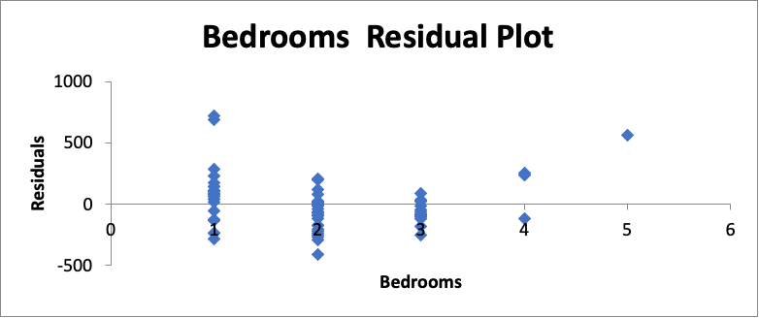
Regression Statistics
Multiple R | 0.71925803
R Square | 0.51733212
Adjusted R Square | 0.48851612
Standard Error | 209.05375
Observations | 72

ANOVA
 | df | SS | MS | F | Significance F
Regression | 4 | 3138425.075 | 784606.269 | 17.9529512 | 4.63E-10
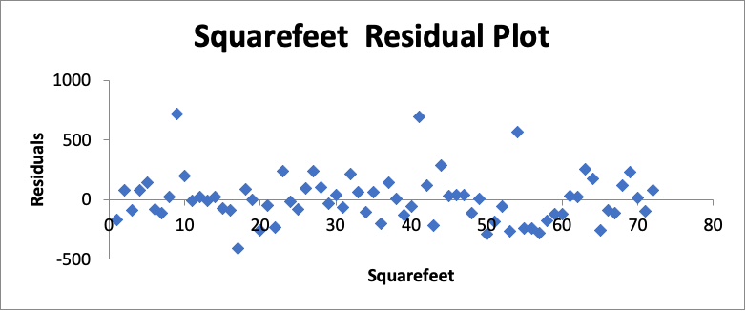
Residual | 67 | 2928132.509 | 43703.4703
Total | 71 | 6066557.585

 | Coefficients | Standard Error | t Stat | P-value | Lower 95% | Upper 95% | Lower 95.0% | Upper 95.0%
Intercept | 967.827415 | 88.06427501 | 10.9900117 | 1.22E-16 | 792.050387 | 1143.604444 | 792.0503868 | 1143.60444
Bedrooms | -285.14692 | 35.83259979 | -7.9577513 | 2.87E-11 | -356.66909 | -213.6247482 | -356.6690853 | -213.62475
Squarefeet | 0.37864409 | 0.096854908 | 3.90939495 | 0.00021833 | 0.18532088 | 0.571967295 | 0.185320883 | 0.57196729
Parking | 112.929362 | 64.68703741 | 1.74578039 | 0.08543314 | -16.186506 | 242.0452286 | -16.18650551 | 242.045229
Distance in miles | -103.80427 | 30.55260584 | -3.3975587 | 0.00114807 | -164.78753 | -42.82101641 | -164.7875294 | -42.821016

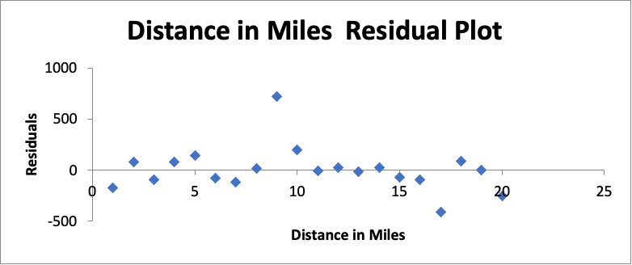

RESIDUAL OUTPUT

Observation | Predicted Rent Per person | Residuals
1 | 699.193514 | -174.19351
2 | 870.747204 | 79.2527956
3 | 452.701614 | -92.701614
4 | 723.936589 | 76.0634113
5 | 958.638866 | 141.361134
6 | 503.269971 | -81.599971
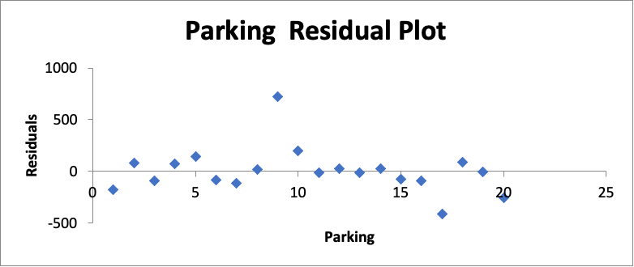
7 | 142.563231 | -117.56323
8 | 975.836955 | 19.1630447
9 | 1030.69747 | 719.30253
10 | 828.852252 | 196.147748
11 | 836.365987 | -11.365987
12 | 626.947888 | 23.0521122
13 | 839.114385 | -14.114385
14 | 627.6202 | 22.3797995
15 | 899.697439 | -74.697439
16 | 690.089006 | -92.589006
17 | 804.072504 | -411.5725
18 | 620.390619 | 84.6093813
19 | 649.679469 | -2.1794688
20 | 807.644829 | -257.64483
21 | 648.173474 | -48.173474
22 | 888.937103 | -238.9371
23 | 185.617853 | 239.382147
24 | 666.888382 | -16.888382
25 | 910.384449 | -85.384449
26 | 609.910015 | 90.0899846
27 | 416.31844 | 238.68156
28 | 710.188415 | 99.8115849
29 | 515.171706 | -37.671706
30 | 339.537906 | 33.7920942
31 | 539.515731 | -67.015731
32 | 1088.26633 | 209.233668
33 | 910.958894 | 64.0411061
34 | 628.813212 | -103.81321
35 | 887.524882 | 62.4751175
36 | 678.106783 | -203.10678
37 | 725.888197 | 139.111803
38 | 496.401961 | 1.09803909
39 | 927.414677 | -132.41468
40 | 950.133322 | -55.133322
41 | 1010.05155 | 689.948445
42 | 810.478202 | 114.521798
43 | 630.930129 | -218.43013
44 | 831.376997 | 283.623003
45 | 710.940259 | 26.5597413
46 | 887.524882 | 37.4751175
47 | 887.524882 | 37.4751175
48 | 715.971192 | -115.97119
49 | 715.971192 | 4.02880771
50 | 717.383413 | -292.38341
51 | 836.288481 | -186.28848
52 | 591.998473 | -62.328473
53 | 705.476782 | -267.97678
54 | 95.4423474 | 564.357653
55 | 915.383042 | -240.38304
56 | 695.831951 | -240.83195
57 | 933.395498 | -283.3955
58 | 701.258754 | -176.25875
59 | 921.419985 | -126.41999
60 | 637.002439 | -120.33244
61 | 668.222162 | 31.7778384
62 | 468.573414 | 23.0965856
63 | 219.397686 | 255.602314
64 | 826.236196 | 172.763804
65 | 586.983633 | -255.31363
66 | 557.743063 | -91.073063
67 | 537.772816 | -117.77282
68 | 884.85157 | 114.14843
69 | 968.910558 | 230.089442
70 | 537.336158 | 12.6638421
71 | 495.973729 | -98.473729
72 | 774.786834 | 75.2131664

Parsimonious (No bath or park)
SUMMARY OUTPUT
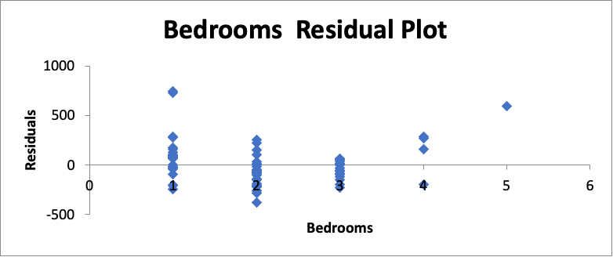
Regression Statistics
Multiple R | 0.70382962195
R Square | 0.49537613673
Adjusted R Square | 0.47311331924
Standard Error | 212.17812041
Observations | 72

ANOVA
 | df | SS | MS | F | Significance F
Regression | 3 | 3005227.8596 | 1001742.6199 | 22.2512778 | 3.7800717186E-10
Squarefeet Residual Plot
Residual | 68 | 3061329.7251 | 45019.554782
Total | 71 | 6066557.5848

 | Coefficients | Standard Error | t Stat | P-value | Lower 95% | Upper 95% | Lower 95.0% | Upper 95.0%
Intercept | 1032.5289513 | 81.079768867 | 12.734729831 | 1.1297805223E-19 | 870.73679152 | 1194.321111 | 870.73679152 | 1194.321111
Bedrooms | -282.32412845 | 36.331083391 | -7.7708700677 | 5.712148736E-11 | -354.82167661 | -209.8265803 | -354.82167661 | -209.8265803
Squarefeet | 0.37601508578 | 0.098290550901 | 3.8255466302 | 0.00028610116664 | 0.1798793452 | 0.57215082635 | 0.1798793452 | 0.57215082635
Distance in miles (As the crow flys) | -85.386533437 | 29.101902448 | -2.934053318 | 0.0045579479342 | -143.45847562 | -27.314591256 | -143.45847562 | -27.314591256

Distance in Miles Residual Plot
RESIDUAL OUTPUT

Observation | Predicted Rent Per person | Residuals
1 | 844.28717892 | 105.71282108
2 | 928.91404032 | 171.08595968
3 | 933.95875596 | 61.04124404
4 | 1006.8432481 | 743.15675193
5 | 633.18652117 | 71.813478831
6 | 852.7943984 | -202.7943984
7 | 720.4141626 | 89.585837398
8 | 898.73121489 | 76.268785109
9 | 963.89119346 | -13.89119346
10 | 740.42918868 | 124.57081132
11 | 893.48239572 | -98.482395724
12 | 916.04330087 | -21.04330087
13 | 970.23640742 | 729.76359258
14 | 826.42673309 | 288.57326691
15 | 963.89119346 | -38.89119346
16 | 963.89119346 | -38.89119346
17 | 881.0033883 | -206.0033883
18 | 895.17440946 | -245.17440946
19 | 997.90489594 | -202.90489594
20 | 905.85956799 | 93.140432011
21 | 842.72025084 | 156.27974916
22 | 926.19559989 | 272.80440011
23 | 852.11287782 | -2.1128778223
24 | 674.7675762 | -149.7675762
25 | 696.15339359 | 103.84660641
26 | 807.24243849 | 217.75756151
27 | 816.6506741 | 8.3493259041
28 | 819.55695962 | 5.4430403807
29 | 879.71937334 | -54.719373343
30 | 685.54692802 | -88.046928021
31 | 773.43229803 | -380.93229803
32 | 640.81674145 | 6.6832585528
33 | 770.43192751 | -220.43192751
34 | 889.80127106 | -64.801271062
35 | 528.30232917 | -50.802329169
36 | 553.36217919 | -80.862179188
37 | 1046.4504676 | 251.04953243
38 | 756.77008216 | -281.77008216
39 | 513.37927783 | -15.879277834
40 | 772.89168835 | 152.10831165
41 | 621.8436424 | -209.3436424
42 | 707.66916695 | 29.830833049
43 | 794.37159074 | -194.37159074
44 | 794.37159074 | -74.371590739
45 | 683.27479568 | -258.27479568
46 | 698.5272528 | -261.0272528
47 | 668.77480192 | -213.77480192
48 | 665.49239302 | -140.49239302
49 | 616.44594557 | -66.44594557
50 | 499.85823508 | -102.35823508
51 | 427.46764339 | -67.467643385
52 | 478.74671425 | -57.076714245
53 | 609.5295628 | 40.470437203
54 | 610.72811765 | 39.271882348
55 | 723.1093692 | -123.1093692
56 | 648.83880204 | 1.1611979563
57 | 689.18189325 | 10.818106748
58 | 354.20003582 | 19.129964178
59 | 620.23043826 | -95.230438259
60 | 804.32087756 | -154.32087756
61 | 558.18762421 | -28.517624207
62 | 717.14802879 | -200.47802879
63 | 640.2529979 | 59.747002098
64 | 436.32741085 | 55.34258915
65 | 558.51670509 | -226.84670509
66 | 530.01006817 | -63.340068173
67 | 510.35544855 | -90.35544855
68 | 227.16173783 | -202.16173783
69 | 269.03257308 | 155.96742692
70 | 386.69396936 | 268.30603064
71 | 189.72471555 | 285.27528445
72 | 66.588129103 | 593.2118709

