Sheet1
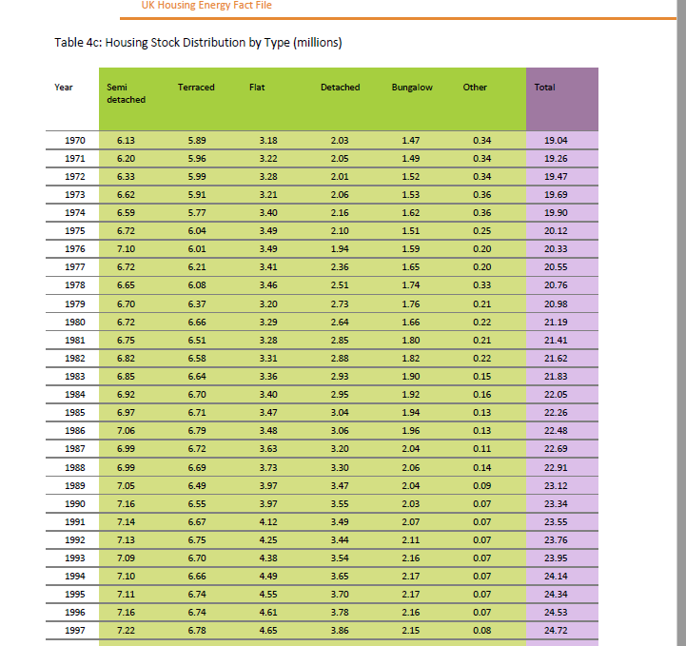
YEAR | SEMI_DETACHED | TERRACED | FLAT | DETACHED | BUNGALOW | OTHER | TOTAL
1970 | 6.13 | 5.89 | 3.18 | 2.03 | 1.47 | 0.34 | 19.04
1971 | 6.2 | 5.96 | 3.22 | 2.05 | 1.49 | 0.34 | 19.26
1972 | 6.33 | 5.99 | 3.28 | 2.01 | 1.52 | 0.34 | 19.47
1973 | 6.62 | 5.91 | 3.21 | 2.06 | 1.53 | 0.36 | 19.69
1974 | 6.59 | 5.77 | 3.4 | 2.16 | 1.62 | 0.36 | 19.9
1975 | 6.72 | 6.04 | 3.49 | 2.1 | 1.51 | 0.25 | 20.12
1976 | 7.1 | 6.01 | 3.49 | 1.94 | 1.59 | 0.2 | 20.33
1977 | 6.72 | 6.21 | 3.41 | 2.36 | 1.65 | 0.2 | 20.55
1978 | 6.65 | 6.08 | 3.46 | 2.51 | 1.74 | 0.33 | 20.76
1979 | 6.7 | 6.37 | 3.2 | 2.73 | 1.76 | 0.21 | 20.98
1980 | 6.72 | 6.66 | 3.29 | 2.64 | 1.66 | 0.22 | 21.19
1981 | 6.75 | 6.51 | 3.28 | 2.85 | 1.8 | 0.21 | 21.41
1982 | 6.82 | 6.58 | 3.31 | 2.88 | 1.82 | 0.22 | 21.62
1983 | 6.85 | 6.64 | 3.36 | 2.93 | 1.9 | 0.15 | 21.83
1984 | 6.92 | 6.7 | 3.4 | 2.95 | 1.92 | 0.16 | 22.05
1985 | 6.97 | 6.71 | 3.47 | 3.04 | 1.94 | 0.13 | 22.26
1986 | 7.06 | 6.79 | 3.48 | 3.06 | 1.96 | 0.13 | 22.48
1987 | 6.99 | 6.72 | 3.63 | 3.2 | 2.04 | 0.11 | 22.69
1988 | 6.99 | 6.69 | 3.73 | 3.3 | 2.06 | 0.14 | 22.91
1989 | 7.05 | 6.49 | 3.97 | 3.47 | 2.04 | 0.09 | 23.12
1990 | 7.16 | 6.55 | 3.97 | 3.55 | 2.03 | 0.07 | 23.34
1991 | 7.14 | 6.67 | 4.12 | 3.49 | 2.07 | 0.07 | 23.55
1992 | 7.13 | 6.75 | 4.25 | 3.44 | 2.11 | 0.07 | 23.76
1993 | 7.09 | 6.7 | 4.38 | 3.54 | 2.16 | 0.07 | 23.95
1994 | 7.1 | 6.66 | 4.49 | 3.65 | 2.17 | 0.07 | 24.14
1995 | 7.11 | 6.74 | 4.55 | 3.7 | 2.17 | 0.07 | 24.34
1996 | 7.16 | 6.74 | 4.61 | 3.78 | 2.16 | 0.07 | 24.53
1997 | 7.22 | 6.78 | 4.65 | 3.86 | 2.15 | 0.08 | 24.72
1998 | 7.27 | 6.83 | 4.68 | 3.89 | 2.17 | 0.07 | 24.91
1999 | 7.3 | 6.85 | 4.72 | 3.97 | 2.18 | 0.08 | 25.1
2000 | 7.33 | 6.85 | 4.75 | 4.1 | 2.17 | 0.08 | 25.28
2001 | 7.23 | 7.06 | 4.84 | 4.13 | 2.14 | 0.08 | 25.47
2002 | 7.28 | 7.1 | 4.87 | 4.15 | 2.15 | 0.08 | 25.62
2003 | 7.29 | 7.45 | 4.4 | 4.22 | 2.4 | 0.04 | 25.8
Sources:
GfK Home Audit/CLG: English House Condition Survey, English Housing Survey, Table 401 (updated April 2013)
https://www.gov.uk/government/organisations/department-for-communities-and-local-government/series/english-housing-survey
https://www.gov.uk/government/statistical-data-sets/live-tables-on-household-projections
Notes:
1) 'Other' category consists of all those types of dwellings that do not fit into any standard dwelling type, such as temporary
dwellings.
2) The English House Condition Survey is a national survey of housing in England, commissioned by CLG, and was merged with the
Survey of English Housing (another housing survey) to form the English Housing Survey in 2008.
3) Sampling errors in the surveys mean that there can be inexplicable fluctuations in the figures from year to year - like the fall in
semi-detached homes in 2008.
2004 | 7.45 | 7.36 | 4.25 | 4.43 | 2.45 | 0.04 | 25.99
2005 | 7.16 | 7.57 | 4.46 | 4.56 | 2.36 | 0.08 | 26.2
2006 | 7.35 | 7.64 | 4.48 | 4.55 | 2.3 | 0.1 | 26.42
2007 | 7.4 | 7.43 | 4.43 | 4.87 | 2.44 | 0.09 | 26.66
2008 | 7.07 | 7.7 | 5.02 | 4.63 | 2.41 | 0.08 | 26.91
2009 | 6.97 | 7.82 | 5.22 | 4.61 | 2.49 | 0 | 27.11
2010 | 7.27 | 7.76 | 5.11 | 4.7 | 2.44 | 0 | 27.27
2011 | 7.13 | 7.74 | 5.58 | 4.56 | 2.4 | 0 | 27.42

