Sheet2
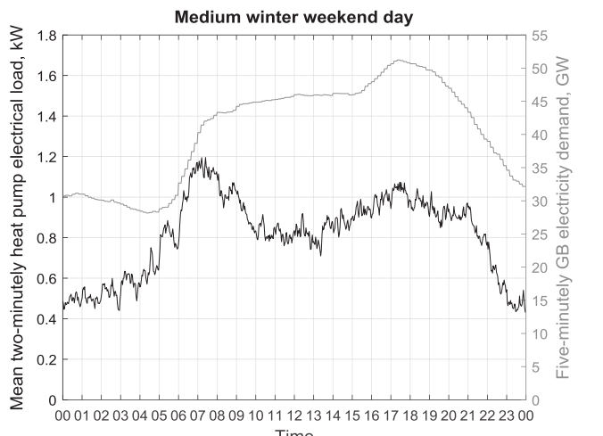
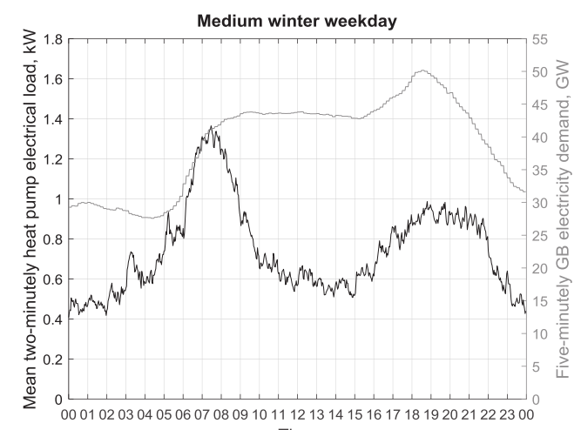
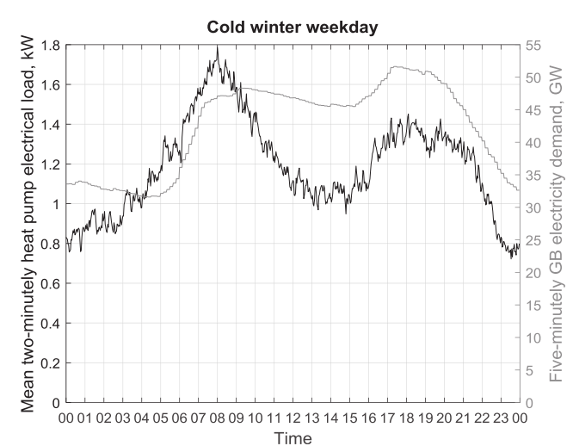
daytype | 0 | 1 | 2 | 3 | 4 | 5 | 6 | 7 | 8 | 9 | 10 | 11 | 12 | 13 | 14 | 15 | 16 | 17 | 18 | 19 | 20 | 21 | 22 | 23
workday | 0.024041213509 | 0.028620492272 | 0.028620492272 | 0.034344590727 | 0.034344590727 | 0.040068689181 | 0.045792787636 | 0.068689181454 | 0.077275329136 | 0.05151688609 | 0.040068689181 | 0.034344590727 | 0.037206639954 | 0.034344590727 | 0.0314825415 | 0.028620492272 | 0.035489410418 | 0.042930738409 | 0.047510017172 | 0.054378935318 | 0.05151688609 | 0.05151688609 | 0.045792787636 | 0.0314825415
holiday | 0.022187004754 | 0.026413100898 | 0.026413100898 | 0.026413100898 | 0.031695721078 | 0.031695721078 | 0.042260961437 | 0.063391442155 | 0.058108821976 | 0.047543581616 | 0.042260961437 | 0.042260961437 | 0.042260961437 | 0.042260961437 | 0.036978341257 | 0.042260961437 | 0.047543581616 | 0.052826201796 | 0.05705229794 | 0.052826201796 | 0.047543581616 | 0.050184891706 | 0.042260961437 | 0.025356576862
peak_day | 0.028880866426 | 0.032490974729 | 0.032490974729 | 0.032490974729 | 0.036101083032 | 0.039711191336 | 0.043321299639 | 0.050541516245 | 0.064981949458 | 0.057761732852 | 0.050541516245 | 0.043321299639 | 0.039711191336 | 0.036101083032 | 0.036101083032 | 0.036101083032 | 0.036101083032 | 0.043321299639 | 0.050541516245 | 0.050541516245 | 0.050541516245 | 0.043321299639 | 0.036101083032 | 0.028880866426

absolute
workday | 4.2 | 5 | 5 | 6 | 6 | 7 | 8 | 12 | 13.5 | 9 | 7 | 6 | 6.5 | 6 | 5.5 | 5 | 6.2 | 7.5 | 8.3 | 9.5 | 9 | 9 | 8 | 5.5 | 174.7
holiday | 4.2 | 5 | 5 | 5 | 6 | 6 | 8 | 12 | 11 | 9 | 8 | 8 | 8 | 8 | 7 | 8 | 9 | 10 | 10.8 | 10 | 9 | 9.5 | 8 | 4.8 | 189.3
peak_day | 8 | 9 | 9 | 9 | 10 | 11 | 12 | 14 | 18 | 16 | 14 | 12 | 11 | 10 | 10 | 10 | 10 | 12 | 14 | 14 | 14 | 12 | 10 | 8 | 277

original
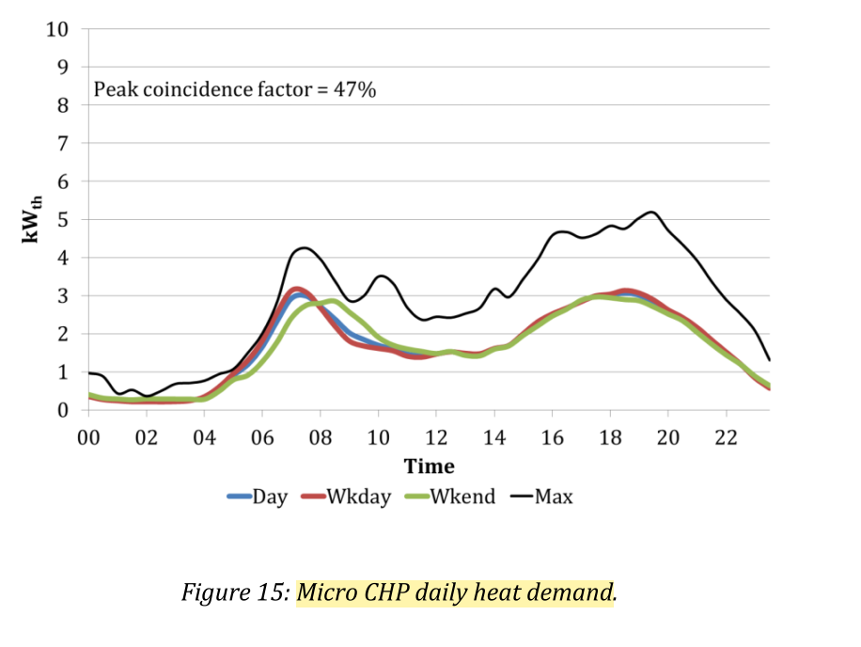
 | 1 | 1 | 2 | 2 | 3 | 3 | 4 | 4 | 5 | 5 | 6 | 6 | 7 | 7 | 8 | 8 | 9 | 9 | 10 | 10 | 11 | 11 | 12 | 12 | 13 | 13 | 14 | 14 | 15 | 15 | 16 | 16 | 17 | 17 | 18 | 18 | 19 | 19 | 20 | 20 | 21 | 21 | 22 | 22 | 23 | 23 | 24 | 24
READ FROM CHART
 | 0 | 1 | 2 | 3 | 4 | 5 | 6 | 7 | 8 | 9 | 10 | 11 | 12 | 13 | 14 | 15 | 16 | 17 | 18 | 19 | 20 | 21 | 22 | 23 | SUM
Day | 0.4 | 0.3 | 0.2 | 0.2 | 0.2 | 0.9 | 1.9 | 3 | 2.8 | 2 | 1.7 | 1.5 | 1.5 | 1.5 | 1.5 | 1.7 | 2.4 | 2.9 | 3 | 3 | 2.6 | 2 | 1.5 | 0.6 | 39.3
Wkday | 0.4 | 0.3 | 0.2 | 0.2 | 0.2 | 0.9 | 2 | 3.2 | 2.8 | 1.8 | 1.7 | 1.5 | 1.5 | 1.5 | 1.5 | 1.7 | 2.4 | 2.9 | 3 | 3.1 | 2.6 | 2 | 1.5 | 0.6 | 39.5
Wkend | 0.4 | 0.3 | 0.2 | 0.2 | 0.2 | 0.9 | 1 | 2.5 | 2.8 | 2.8 | 2 | 1.6 | 1.5 | 1.5 | 1.5 | 1.7 | 2.4 | 2.9 | 3 | 3 | 2.6 | 2 | 1.5 | 0.6 | 39.1
PEAK | 1 | 0.5 | 0.3 | 0.8 | 0.8 | 1 | 1.8 | 4.2 | 4 | 2.9 | 3.3 | 2.4 | 2.3 | 2.5 | 3.1 | 3.2 | 4.5 | 4.7 | 4.7 | 4.9 | 4.8 | 3.9 | 2.9 | 1.2 | 65.7

in %
 | 0 | 1 | 2 | 3 | 4 | 5 | 6 | 7 | 8 | 9 | 10 | 11 | 12 | 13 | 14 | 15 | 16 | 17 | 18 | 19 | 20 | 21 | 22 | 23 | SUM
Day | 1.0178117048 | 0.76335877863 | 0.50890585242 | 0.50890585242 | 0.50890585242 | 2.2900763359 | 4.834605598 | 7.6335877863 | 7.1246819338 | 5.0890585242 | 4.3256997455 | 3.8167938931 | 3.8167938931 | 3.8167938931 | 3.8167938931 | 4.3256997455 | 6.106870229 | 7.3791348601 | 7.6335877863 | 7.6335877863 | 6.6157760814 | 5.0890585242 | 3.8167938931 | 1.5267175573 | 100
Wkday | 1.0126582278 | 0.75949367089 | 0.50632911392 | 0.50632911392 | 0.50632911392 | 2.2784810127 | 5.0632911392 | 8.1012658228 | 7.0886075949 | 4.5569620253 | 4.3037974684 | 3.7974683544 | 3.7974683544 | 3.7974683544 | 3.7974683544 | 4.3037974684 | 6.0759493671 | 7.3417721519 | 7.5949367089 | 7.8481012658 | 6.582278481 | 5.0632911392 | 3.7974683544 | 1.5189873418 | 100
Wkend | 1.0230179028 | 0.76726342711 | 0.51150895141 | 0.51150895141 | 0.51150895141 | 2.3017902813 | 2.557544757 | 6.3938618926 | 7.1611253197 | 7.1611253197 | 5.1150895141 | 4.0920716113 | 3.8363171355 | 3.8363171355 | 3.8363171355 | 4.347826087 | 6.1381074169 | 7.4168797954 | 7.6726342711 | 7.6726342711 | 6.6496163683 | 5.1150895141 | 3.8363171355 | 1.5345268542 | 100
peak | 1.5220700152 | 0.76103500761 | 0.45662100457 | 1.2176560122 | 1.2176560122 | 1.5220700152 | 2.7397260274 | 6.3926940639 | 6.0882800609 | 4.4140030441 | 5.0228310502 | 3.6529680365 | 3.500761035 | 3.8051750381 | 4.7184170472 | 4.8706240487 | 6.8493150685 | 7.1537290715 | 7.1537290715 | 7.4581430746 | 7.3059360731 | 5.9360730594 | 4.4140030441 | 1.8264840183 | 100

All sites daily heat demand Oct 2006 to March 2007
Data from email with Robert Sansom

