Sheet1
usuable_floor_area | percent_of_total_stock
50 | 11.2
60 | 24
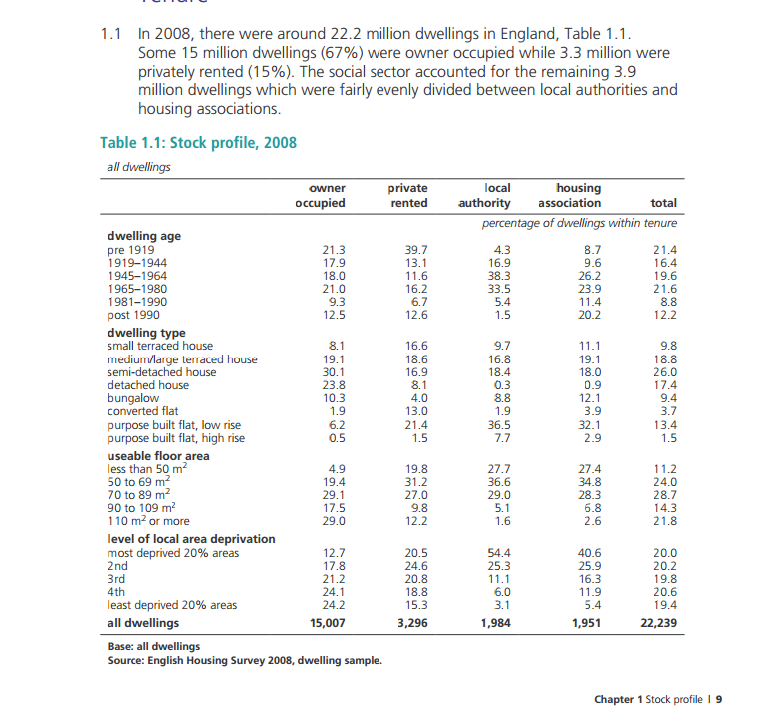
80 | 28.7
100 | 14.3
110 | 21.8

 |  |  |  |  | Data from table

 |  |  |  |  | percent | useable_floor_area
 |  |  |  |  | 11.2 | less than 50
 |  |  |  |  | 24 | 50 to 69
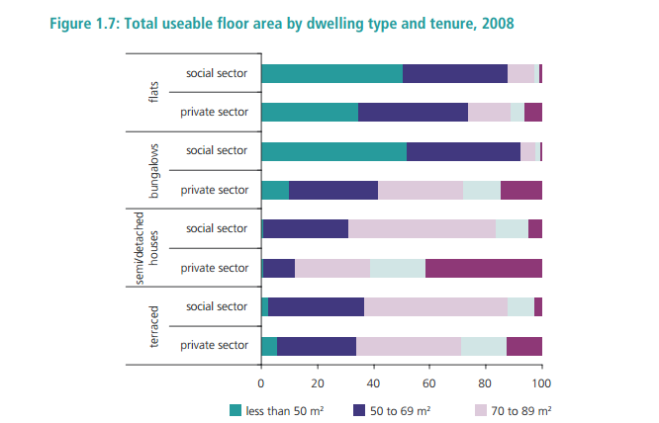
 |  |  |  |  | 28.7 | 70 to 89
 |  |  |  |  | 14.3 | 90 to 109
 |  |  |  |  | 21.8 | 110 or more

 |  |  |  |  | 0 | detached | 17.4
 |  |  |  |  | 1 | semi-detached | 26
 |  |  |  |  | 2 | terraced | 28.6
 |  |  |  |  | 3 | flat | 18.6
 |  |  |  |  | 4 | bungalow | 9.4

 |  |  | 1000 | buildings

 |  |  | number | Floor area
 |  | detached | 174 | =
 |  | semi-detached | 260
 |  | terraced | 286
 |  | flat | 186
 |  | bungalow | 94

