Sheet2
Housing Type distribution over time
YEAR | SEMI_DETACHED | TERRACED | FLAT | DETACHED | BUNGALOW | TEST_SUM
1970 | 32.780748663 | 31.497326203 | 17.005347594 | 10.855614973 | 7.8609625668 | 100
1971 | 32.769556025 | 31.501057082 | 17.019027484 | 10.835095137 | 7.8752642706 | 100
1972 | 33.089388395 | 31.312075274 | 17.145844224 | 10.507056979 | 7.9456351281 | 100
1973 | 34.247284014 | 30.574236937 | 16.606311433 | 10.657009829 | 7.9151577858 | 100
1974 | 33.72569089 | 29.529170931 | 17.400204708 | 11.054247697 | 8.2906857728 | 100
1975 | 33.819828888 | 30.397584298 | 17.564167086 | 10.568696527 | 7.5993960745 | 99.949672874
1976 | 35.270740189 | 29.855936413 | 17.337307501 | 9.6373571783 | 7.8986587183 | 100
1977 | 33.022113022 | 30.515970516 | 16.756756757 | 11.597051597 | 8.1081081081 | 100
1978 | 32.550171317 | 29.760156632 | 16.93587861 | 12.285854136 | 8.516886931 | 100.04894763
1979 | 32.258064516 | 30.669234473 | 15.406836784 | 13.143957631 | 8.4737602311 | 99.951853635
1980 | 32.045779685 | 31.759656652 | 15.689079638 | 12.589413448 | 7.916070577 | 100
1981 | 31.839622642 | 30.70754717 | 15.471698113 | 13.443396226 | 8.4905660377 | 99.952830189
1982 | 31.869158879 | 30.747663551 | 15.46728972 | 13.457943925 | 8.5046728972 | 100.04672897
1983 | 31.595940959 | 30.627306273 | 15.498154982 | 13.514760148 | 8.7638376384 | 100
1984 | 31.612608497 | 30.607583371 | 15.532206487 | 13.476473275 | 8.7711283691 | 100
1985 | 31.495707185 | 30.320831451 | 15.6800723 | 13.737008586 | 8.766380479 | 100
1986 | 31.58836689 | 30.380313199 | 15.570469799 | 13.691275168 | 8.7695749441 | 100
1987 | 30.95659876 | 29.76085031 | 16.076173605 | 14.171833481 | 9.0345438441 | 100
1988 | 30.69828722 | 29.380764163 | 16.381203338 | 14.492753623 | 9.0469916557 | 100
1989 | 30.612244898 | 28.180633956 | 17.238384716 | 15.067303517 | 8.8580112896 | 99.956578376
1990 | 30.769230769 | 28.147829824 | 17.060593038 | 15.255694027 | 8.7236785561 | 99.957026214
1991 | 30.408858603 | 28.407155026 | 17.546848382 | 14.863713799 | 8.8160136286 | 100.04258944
1992 | 30.097087379 | 28.493035036 | 17.940059097 | 14.520894892 | 8.9067116927 | 99.957788096
1993 | 29.690117253 | 28.056951424 | 18.341708543 | 14.824120603 | 9.0452261307 | 99.958123953
1994 | 29.497299543 | 27.669297881 | 18.653926049 | 15.164104695 | 9.0153718322 | 100
1995 | 29.295426452 | 27.770910589 | 18.747424804 | 15.245158632 | 8.941079522 | 100
1996 | 29.272281276 | 27.55519215 | 18.847097302 | 15.453802126 | 8.830744072 | 99.959116926
1997 | 29.301948052 | 27.516233766 | 18.871753247 | 15.665584416 | 8.7256493506 | 100.08116883
1998 | 29.267310789 | 27.495974235 | 18.84057971 | 15.660225443 | 8.7359098229 | 100
1999 | 29.176658673 | 27.378097522 | 18.864908074 | 15.867306155 | 8.7130295763 | 100
2000 | 29.087301587 | 27.182539683 | 18.849206349 | 16.26984127 | 8.6111111111 | 100
2001 | 28.475777865 | 27.806222922 | 19.06262308 | 16.266246554 | 8.4285151635 | 100.03938558
2002 | 28.504306969 | 27.799530149 | 19.068128426 | 16.249021143 | 8.4181675803 | 100.03915427
2003 | 28.299689441 | 28.920807453 | 17.080745342 | 16.381987578 | 9.3167701863 | 100
2004 | 28.709055877 | 28.362235067 | 16.377649326 | 17.071290944 | 9.4412331407 | 99.961464355
2005 | 27.41194487 | 28.981623277 | 17.075038285 | 17.457886677 | 9.0352220521 | 99.961715161 | DWELLING_TYPE_NR | DWELLING_TYPE
2006 | 27.925531915 | 29.027355623 | 17.021276596 | 17.287234043 | 8.7386018237 | 100 | 0 | Detached
2007 | 27.850959729 | 27.963869025 | 16.672939405 | 18.328942416 | 9.1832894242 | 100 | 1 | Semi-Detached
2008 | 26.351099515 | 28.699217294 | 18.710398807 | 17.256802087 | 8.9824822959 | 100 | 2 | Terraced (mid_end)
2009 | 25.710070085 | 28.845444485 | 19.254887495 | 17.004795278 | 9.1848026558 | 100 | 3 | Flat
2010 | 26.6593326 | 28.456178951 | 18.738540521 | 17.235056839 | 8.9475614228 | 100.03667033 | 4 | Bungalow
2011 | 26.002917578 | 28.227571116 | 20.350109409 | 16.630196937 | 8.7527352298 | 99.96353027

orig
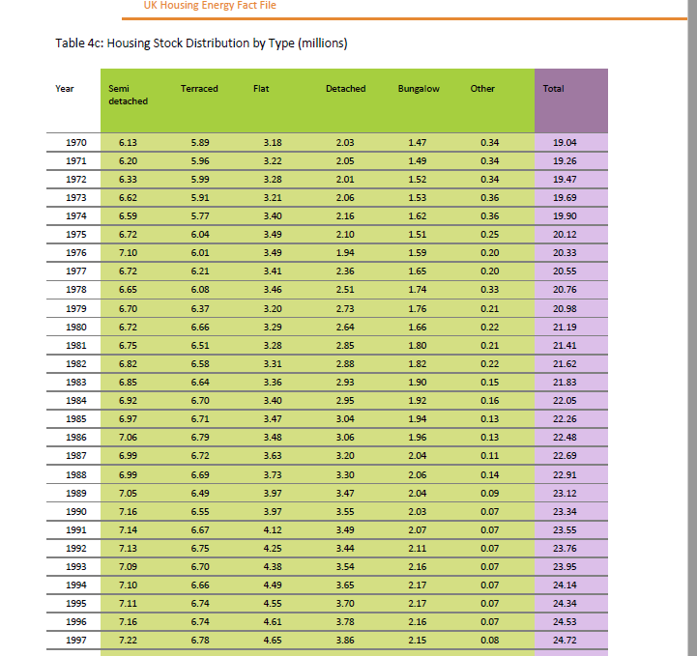
YEAR | SEMI_DETACHED | TERRACED | FLAT | DETACHED | BUNGALOW | OTHER | TOTAL | WITHOUT OTHER
1970 | 6.13 | 5.89 | 3.18 | 2.03 | 1.47 | 0.34 | 19.04 | 18.7
1971 | 6.2 | 5.96 | 3.22 | 2.05 | 1.49 | 0.34 | 19.26 | 18.92
1972 | 6.33 | 5.99 | 3.28 | 2.01 | 1.52 | 0.34 | 19.47 | 19.13
1973 | 6.62 | 5.91 | 3.21 | 2.06 | 1.53 | 0.36 | 19.69 | 19.33
1974 | 6.59 | 5.77 | 3.4 | 2.16 | 1.62 | 0.36 | 19.9 | 19.54
1975 | 6.72 | 6.04 | 3.49 | 2.1 | 1.51 | 0.25 | 20.12 | 19.87
1976 | 7.1 | 6.01 | 3.49 | 1.94 | 1.59 | 0.2 | 20.33 | 20.13
1977 | 6.72 | 6.21 | 3.41 | 2.36 | 1.65 | 0.2 | 20.55 | 20.35
1978 | 6.65 | 6.08 | 3.46 | 2.51 | 1.74 | 0.33 | 20.76 | 20.43
1979 | 6.7 | 6.37 | 3.2 | 2.73 | 1.76 | 0.21 | 20.98 | 20.77
1980 | 6.72 | 6.66 | 3.29 | 2.64 | 1.66 | 0.22 | 21.19 | 20.97
1981 | 6.75 | 6.51 | 3.28 | 2.85 | 1.8 | 0.21 | 21.41 | 21.2
1982 | 6.82 | 6.58 | 3.31 | 2.88 | 1.82 | 0.22 | 21.62 | 21.4
1983 | 6.85 | 6.64 | 3.36 | 2.93 | 1.9 | 0.15 | 21.83 | 21.68
1984 | 6.92 | 6.7 | 3.4 | 2.95 | 1.92 | 0.16 | 22.05 | 21.89
1985 | 6.97 | 6.71 | 3.47 | 3.04 | 1.94 | 0.13 | 22.26 | 22.13
1986 | 7.06 | 6.79 | 3.48 | 3.06 | 1.96 | 0.13 | 22.48 | 22.35
1987 | 6.99 | 6.72 | 3.63 | 3.2 | 2.04 | 0.11 | 22.69 | 22.58
1988 | 6.99 | 6.69 | 3.73 | 3.3 | 2.06 | 0.14 | 22.91 | 22.77
1989 | 7.05 | 6.49 | 3.97 | 3.47 | 2.04 | 0.09 | 23.12 | 23.03
1990 | 7.16 | 6.55 | 3.97 | 3.55 | 2.03 | 0.07 | 23.34 | 23.27
1991 | 7.14 | 6.67 | 4.12 | 3.49 | 2.07 | 0.07 | 23.55 | 23.48
1992 | 7.13 | 6.75 | 4.25 | 3.44 | 2.11 | 0.07 | 23.76 | 23.69
1993 | 7.09 | 6.7 | 4.38 | 3.54 | 2.16 | 0.07 | 23.95 | 23.88
Sources:
GfK Home Audit/CLG: English House Condition Survey, English Housing Survey, Table 401 (updated April 2013)
https://www.gov.uk/government/organisations/department-for-communities-and-local-government/series/english-housing-survey
https://www.gov.uk/government/statistical-data-sets/live-tables-on-household-projections
Notes:
1) 'Other' category consists of all those types of dwellings that do not fit into any standard dwelling type, such as temporary
dwellings.
2) The English House Condition Survey is a national survey of housing in England, commissioned by CLG, and was merged with the
Survey of English Housing (another housing survey) to form the English Housing Survey in 2008.
3) Sampling errors in the surveys mean that there can be inexplicable fluctuations in the figures from year to year - like the fall in
semi-deYEAR SEMI_DETACHED TERRACED FLAT DETACHED BUNGALOW OTHER
tached homes in 2008.
1. Remove from total all OTHER
2. Convert to %
1994 | 7.1 | 6.66 | 4.49 | 3.65 | 2.17 | 0.07 | 24.14 | 24.07
1995 | 7.11 | 6.74 | 4.55 | 3.7 | 2.17 | 0.07 | 24.34 | 24.27
1996 | 7.16 | 6.74 | 4.61 | 3.78 | 2.16 | 0.07 | 24.53 | 24.46
1997 | 7.22 | 6.78 | 4.65 | 3.86 | 2.15 | 0.08 | 24.72 | 24.64
1998 | 7.27 | 6.83 | 4.68 | 3.89 | 2.17 | 0.07 | 24.91 | 24.84
1999 | 7.3 | 6.85 | 4.72 | 3.97 | 2.18 | 0.08 | 25.1 | 25.02
2000 | 7.33 | 6.85 | 4.75 | 4.1 | 2.17 | 0.08 | 25.28 | 25.2
2001 | 7.23 | 7.06 | 4.84 | 4.13 | 2.14 | 0.08 | 25.47 | 25.39
2002 | 7.28 | 7.1 | 4.87 | 4.15 | 2.15 | 0.08 | 25.62 | 25.54
2003 | 7.29 | 7.45 | 4.4 | 4.22 | 2.4 | 0.04 | 25.8 | 25.76
2004 | 7.45 | 7.36 | 4.25 | 4.43 | 2.45 | 0.04 | 25.99 | 25.95
2005 | 7.16 | 7.57 | 4.46 | 4.56 | 2.36 | 0.08 | 26.2 | 26.12
2006 | 7.35 | 7.64 | 4.48 | 4.55 | 2.3 | 0.1 | 26.42 | 26.32
2007 | 7.4 | 7.43 | 4.43 | 4.87 | 2.44 | 0.09 | 26.66 | 26.57
2008 | 7.07 | 7.7 | 5.02 | 4.63 | 2.41 | 0.08 | 26.91 | 26.83
2009 | 6.97 | 7.82 | 5.22 | 4.61 | 2.49 | 0 | 27.11 | 27.11
2010 | 7.27 | 7.76 | 5.11 | 4.7 | 2.44 | 0 | 27.27 | 27.27
2011 | 7.13 | 7.74 | 5.58 | 4.56 | 2.4 | 0 | 27.42 | 27.42

