Orig
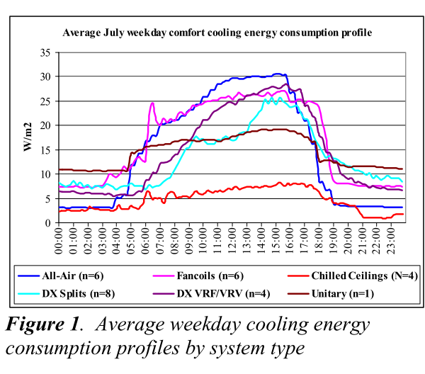
0 | 1 | 2 | 3 | 4 | 5 | 6 | 7 | 8 | 9 | 10 | 11 | 12 | 13 | 14 | 15 | 16 | 17 | 18 | 19 | 20 | 21 | 22 | 23 | Total
8 | 8 | 7 | 7 | 6 | 8 | 8 | 8 | 10 | 15 | 17 | 16 | 17 | 17.5 | 21 | 25 | 25 | 22 | 19 | 14 | 12 | 10 | 9 | 9 | 318.5
0.025117739403 | 0.025117739403 | 0.021978021978 | 0.021978021978 | 0.018838304553 | 0.025117739403 | 0.025117739403 | 0.025117739403 | 0.031397174254 | 0.047095761381 | 0.053375196232 | 0.050235478807 | 0.053375196232 | 0.054945054945 | 0.065934065934 | 0.078492935636 | 0.078492935636 | 0.069073783359 | 0.059654631083 | 0.043956043956 | 0.037676609105 | 0.031397174254 | 0.028257456829 | 0.028257456829 | 1

