data_prepared
YEAR | 1918 | 1928 | 1949 | 1968 | 1995.5
1970 | 25.459317585 | 27.19160105 | 26.299212598 | 21.049868766 | 0
1971 | 24.55867082 | 26.220145379 | 25.3894081 | 23.831775701 | 0
1972 | 24.665981501 | 25.642343268 | 27.646454265 | 22.045220966 | 0
1973 | 23.678861789 | 25.81300813 | 26.676829268 | 23.831300813 | 0
1974 | 22.752385736 | 24.610748368 | 24.711200402 | 27.925665495 | 0
1975 | 23.199205166 | 24.78887233 | 23.447590661 | 28.564331843 | 0
1976 | 21.790457452 | 24.840137727 | 23.757993114 | 27.988194786 | 1.6232169208
1977 | 20.778588808 | 24.282238443 | 23.260340633 | 28.467153285 | 3.2116788321
1978 | 23.603082852 | 21.242774566 | 24.518304432 | 26.493256262 | 4.1425818882
1979 | 24.511206485 | 21.936099189 | 20.886981402 | 27.086313782 | 5.5793991416
1980 | 25.542965061 | 22.143531634 | 20.679886686 | 26.534466478 | 5.0991501416
1981 | 25 | 21.588785047 | 19.813084112 | 26.588785047 | 7.0093457944
1982 | 24.884366327 | 21.415356152 | 19.61147086 | 25.485661425 | 8.6031452359
1983 | 24.175824176 | 21.108058608 | 19.505494505 | 25.686813187 | 9.5238095238
1984 | 23.492063492 | 20.997732426 | 19.410430839 | 25.351473923 | 10.74829932
1985 | 23.090745732 | 20.754716981 | 19.182389937 | 25.247079964 | 11.725067385
1986 | 22.197508897 | 20.818505338 | 19.217081851 | 25.489323843 | 12.277580071
1987 | 21.507271926 | 20.802115469 | 19.171441164 | 24.812692816 | 13.706478625
1988 | 20.515058926 | 20.689655172 | 19.20558708 | 24.792666958 | 14.797031864
1989 | 20.501730104 | 20.588235294 | 19.204152249 | 24.091695502 | 15.614186851
1990 | 20.488641234 | 20.188598371 | 19.245606515 | 23.917702529 | 16.15945135
1991 | 20.399490013 | 20.10199745 | 18.997025074 | 23.501912452 | 16.999575011
1992 | 20.117845118 | 19.907407407 | 18.897306397 | 23.400673401 | 17.676767677
1993 | 20.083507307 | 19.916492693 | 18.91440501 | 22.881002088 | 18.204592902
1994 | 19.900497512 | 19.693200663 | 18.698175788 | 22.71973466 | 18.988391376
1995 | 19.884963024 | 19.720624486 | 18.693508628 | 22.514379622 | 19.18652424
1996 | 19.771708113 | 19.690175296 | 18.711781492 | 22.217692621 | 19.608642479
1997 | 19.587211655 | 19.506272764 | 18.494536625 | 22.015378389 | 20.396600567
1998 | 19.510236853 | 19.389803292 | 18.386190285 | 21.798474508 | 20.915295062
1999 | 19.402390438 | 19.203187251 | 18.28685259 | 21.71314741 | 21.394422311
2000 | 19.382911392 | 19.224683544 | 18.196202532 | 21.598101266 | 21.598101266
2001 | 19.277581468 | 19.002748331 | 18.217510797 | 21.515508441 | 21.986650962
2002 | 19.281811085 | 19.008587041 | 18.227946916 | 21.506635441 | 21.975019516
2003 | 20.620155039 | 18.720930233 | 20.736434109 | 15.387596899 | 24.534883721
2004 | 20.823710547 | 17.975365666 | 20.939183988 | 15.280985373 | 24.980754426
2005 | 21.496754486 | 17.487590683 | 19.740358916 | 15.540282551 | 25.735013364
2006 | 21.385314156 | 18.205904618 | 19.984859955 | 15.14004542 | 25.283875852
2007 | 21.058558559 | 17.454954955 | 19.707207207 | 14.902402402 | 26.876876877
2008 | 21.396731055 | 35.995542348 | 30.423476969 | 9.3610698366 | 2.823179792
2009 | 21.468092955 | 36.665437108 | 29.620066396 | 8.0413131686 | 4.2050903726
2010 | 21.729571272 | 36.386954929 | 28.948332723 | 7.9149871748 | 5.0201539025
2011 | 20.824215901 | 36.323851204 | 29.43107221 | 8.0233406273 | 5.3975200584

original_data
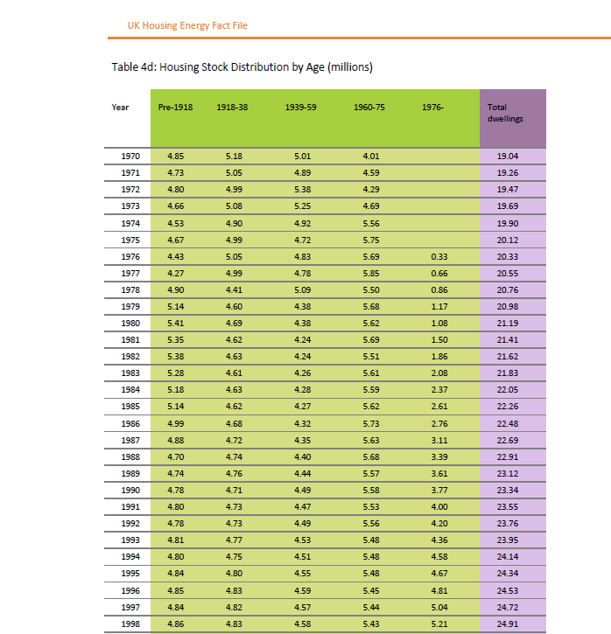
YEAR | 1918 | 1928 | 1949 | 1968 | 1995.5
1970 | 4.85 | 5.18 | 5.01 | 4.01
1971 | 4.73 | 5.05 | 4.89 | 4.59
1972 | 4.8 | 4.99 | 5.38 | 4.29
Number of Housing with respective housing ages over time
 | 1918 | 1928 | 1949 | 1968 | 1995.5
1970 | 4.85 | 5.18 | 5.01 | 4.01
1971 | 4.73 | 5.05 | 4.89 | 4.59
1972 | 4.8 | 4.99 | 5.38 | 4.29
1973 | 4.66 | 5.08 | 5.25 | 4.69
1974 | 4.53 | 4.9 | 4.92 | 5.56
1975 | 4.67 | 4.99 | 4.72 | 5.75
1976 | 4.43 | 5.05 | 4.83 | 5.69 | 0.33
1977 | 4.27 | 4.99 | 4.78 | 5.85 | 0.66
1978 | 4.9 | 4.41 | 5.09 | 5.5 | 0.86
1979 | 5.14 | 4.6 | 4.38 | 5.68 | 1.17
1980 | 5.41 | 4.69 | 4.38 | 5.62 | 1.08
1981 | 5.35 | 4.62 | 4.24 | 5.69 | 1.5
1982 | 5.38 | 4.63 | 4.24 | 5.51 | 1.86
1983 | 5.28 | 4.61 | 4.26 | 5.61 | 2.08
1984 | 5.18 | 4.63 | 4.28 | 5.59 | 2.37
1985 | 5.14 | 4.62 | 4.27 | 5.62 | 2.61
1986 | 4.99 | 4.68 | 4.32 | 5.73 | 2.76
1987 | 4.88 | 4.72 | 4.35 | 5.63 | 3.11
1988 | 4.7 | 4.74 | 4.4 | 5.68 | 3.39
1989 | 4.74 | 4.76 | 4.44 | 5.57 | 3.61
1990 | 4.78 | 4.71 | 4.49 | 5.58 | 3.77
1991 | 4.8 | 4.73 | 4.47 | 5.53 | 4
1992 | 4.78 | 4.73 | 4.49 | 5.56 | 4.2
1993 | 4.81 | 4.77 | 4.53 | 5.48 | 4.36
1994 | 4.8 | 4.75 | 4.51 | 5.48 | 4.58
1995 | 4.84 | 4.8 | 4.55 | 5.48 | 4.67
1996 | 4.85 | 4.83 | 4.59 | 5.45 | 4.81
1997 | 4.84 | 4.82 | 4.57 | 5.44 | 5.04
1998 | 4.86 | 4.83 | 4.58 | 5.43 | 5.21
1999 | 4.87 | 4.82 | 4.59 | 5.45 | 5.37
2000 | 4.9 | 4.86 | 4.6 | 5.46 | 5.46
2001 | 4.91 | 4.84 | 4.64 | 5.48 | 5.6
2002 | 4.94 | 4.87 | 4.67 | 5.51 | 5.63
2003 | 5.32 | 4.83 | 5.35 | 3.97 | 6.33
2004 | 5.41 | 4.67 | 5.44 | 3.97 | 6.49
2005 | 5.63 | 4.58 | 5.17 | 4.07 | 6.74
2006 | 5.65 | 4.81 | 5.28 | 4 | 6.68
2007 | 5.61 | 4.65 | 5.25 | 3.97 | 7.16
2008 | 5.76 | 9.69 | 8.19 | 2.52 | 0.76
2009 | 5.82 | 9.94 | 8.03 | 2.18 | 1.14
2010 | 5.93 | 9.93 | 7.9 | 2.16 | 1.37
2011 | 5.71 | 9.96 | 8.07 | 2.2 | 1.48
1973 | 4.66 | 5.08 | 5.25 | 4.69
1974 | 4.53 | 4.9 | 4.92 | 5.56
1975 | 4.67 | 4.99 | 4.72 | 5.75
1976 | 4.43 | 5.05 | 4.83 | 5.69 | 0.33
1977 | 4.27 | 4.99 | 4.78 | 5.85 | 0.66
1978 | 4.9 | 4.41 | 5.09 | 5.5 | 0.86
1979 | 5.14 | 4.6 | 4.38 | 5.68 | 1.17
1980 | 5.41 | 4.69 | 4.38 | 5.62 | 1.08
1981 | 5.35 | 4.62 | 4.24 | 5.69 | 1.5
1982 | 5.38 | 4.63 | 4.24 | 5.51 | 1.86
1983 | 5.28 | 4.61 | 4.26 | 5.61 | 2.08
1984 | 5.18 | 4.63 | 4.28 | 5.59 | 2.37
1985 | 5.14 | 4.62 | 4.27 | 5.62 | 2.61
1986 | 4.99 | 4.68 | 4.32 | 5.73 | 2.76
1987 | 4.88 | 4.72 | 4.35 | 5.63 | 3.11
1988 | 4.7 | 4.74 | 4.4 | 5.68 | 3.39
1989 | 4.74 | 4.76 | 4.44 | 5.57 | 3.61
1990 | 4.78 | 4.71 | 4.49 | 5.58 | 3.77
1991 | 4.8 | 4.73 | 4.47 | 5.53 | 4
1992 | 4.78 | 4.73 | 4.49 | 5.56 | 4.2
1993 | 4.81 | 4.77 | 4.53 | 5.48 | 4.36
1994 | 4.8 | 4.75 | 4.51 | 5.48 | 4.58
1995 | 4.84 | 4.8 | 4.55 | 5.48 | 4.67
1996 | 4.85 | 4.83 | 4.59 | 5.45 | 4.81
1997 | 4.84 | 4.82 | 4.57 | 5.44 | 5.04
1998 | 4.86 | 4.83 | 4.58 | 5.43 | 5.21
1999 | 4.87 | 4.82 | 4.59 | 5.45 | 5.37
Sources:
GfK: Home Audit. CLG: English House Condition Survey, English Housing Survey. CLG: Table 401.
https://www.gov.uk/government/organisations/department-for-communities-and-local-government/series/english-housingsurvey
Notes:
1) The English House Condition Survey is a national survey of housing in England, commissioned by CLG, and was
merged with the Survey of English Housing (another housing survey) to form the English Housing Survey in 2008.
2) Sampling errors in the surveys mean that there can be inexplicable fluctuations in the figures from year to year.
3) There is a discontinuity in the data in 2003, when the English House Condition Survey replaced GfK's Home Audit.
4) There is a second discontinuity between 2007 and 2008, due to switching to a different data source.
2000 | 4.9 | 4.86 | 4.6 | 5.46 | 5.46
2001 | 4.91 | 4.84 | 4.64 | 5.48 | 5.6
2002 | 4.94 | 4.87 | 4.67 | 5.51 | 5.63
2003 | 5.32 | 4.83 | 5.35 | 3.97 | 6.33
2004 | 5.41 | 4.67 | 5.44 | 3.97 | 6.49
2005 | 5.63 | 4.58 | 5.17 | 4.07 | 6.74
2006 | 5.65 | 4.81 | 5.28 | 4 | 6.68
2007 | 5.61 | 4.65 | 5.25 | 3.97 | 7.16
2008 | 5.76 | 9.69 | 8.19 | 2.52 | 0.76
2009 | 5.82 | 9.94 | 8.03 | 2.18 | 1.14
2010 | 5.93 | 9.93 | 7.9 | 2.16 | 1.37
2011 | 5.71 | 9.96 | 8.07 | 2.2 | 1.48

