shape_service_cooling
0 | 1 | 2 | 3 | 4 | 5 | 6 | 7 | 8 | 9 | 10 | 11 | 12 | 13 | 14 | 15 | 16 | 17 | 18 | 19 | 20 | 21 | 22 | 23
0.010989010989 | 0.010989010989 | 0.010989010989 | 0.013736263736 | 0.027472527473 | 0.043956043956 | 0.054945054945 | 0.057692307692 | 0.06043956044 | 0.068681318681 | 0.076923076923 | 0.082417582418 | 0.082417582418 | 0.082417582418 | 0.085164835165 | 0.085164835165 | 0.057692307692 | 0.024725274725 | 0.010989010989 | 0.010989010989 | 0.010989010989 | 0.010989010989 | 0.0082417582418 | 0.010989010989

absolute
 | 4 | 4 | 4 | 5 | 10 | 16 | 20 | 21 | 22 | 25 | 28 | 30 | 30 | 30 | 31 | 31 | 21 | 9 | 4 | 4 | 4 | 4 | 3 | 4 | 364

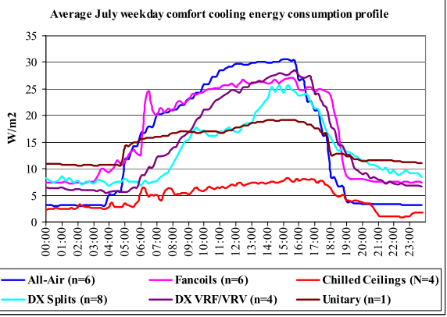

Carbon and Cooling in Uk Office Environments

