Sheet1
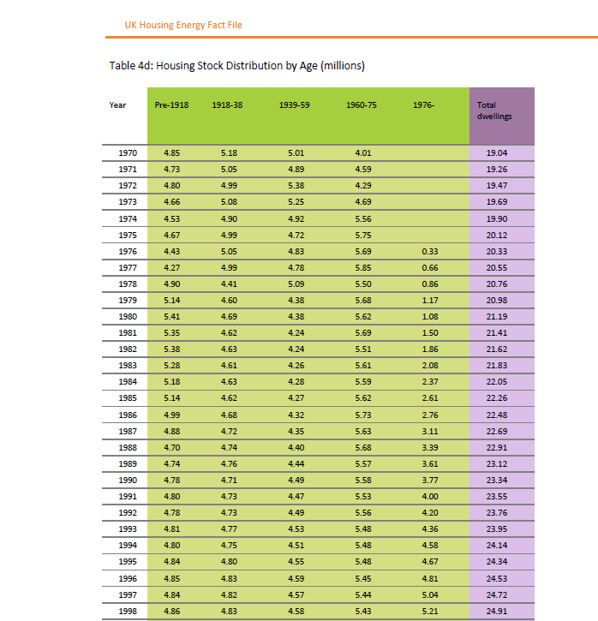
YEAR | SEMI_DETACHED | TERRACED | FLAT | DETACHED | BUNGALOW | OTHER
1970 | 4.85 | 5.18 | 5.01 | 4.01 | 19.04
1971 | 4.73 | 5.05 | 4.89 | 4.59 | 19.26
1972 | 4.8 | 4.99 | 5.38 | 4.29 | 19.47
1973 | 4.66 | 5.08 | 5.25 | 4.69 | 19.69
1974 | 4.53 | 4.9 | 4.92 | 5.56 | 19.9
1975 | 4.67 | 4.99 | 4.72 | 5.75 | 20.12
1976 | 4.43 | 5.05 | 4.83 | 5.69 | 0.33 | 20.33
1977 | 4.27 | 4.99 | 4.78 | 5.85 | 0.66 | 20.55
1978 | 4.9 | 4.41 | 5.09 | 5.5 | 0.86 | 20.76
1979 | 5.14 | 4.6 | 4.38 | 5.68 | 1.17 | 20.98
1980 | 5.41 | 4.69 | 4.38 | 5.62 | 1.08 | 21.19
1981 | 5.35 | 4.62 | 4.24 | 5.69 | 1.5 | 21.41
1982 | 5.38 | 4.63 | 4.24 | 5.51 | 1.86 | 21.62
1983 | 5.28 | 4.61 | 4.26 | 5.61 | 2.08 | 21.83
1984 | 5.18 | 4.63 | 4.28 | 5.59 | 2.37 | 22.05
1985 | 5.14 | 4.62 | 4.27 | 5.62 | 2.61 | 22.26
1986 | 4.99 | 4.68 | 4.32 | 5.73 | 2.76 | 22.48
1987 | 4.88 | 4.72 | 4.35 | 5.63 | 3.11 | 22.69
1988 | 4.7 | 4.74 | 4.4 | 5.68 | 3.39 | 22.91
1989 | 4.74 | 4.76 | 4.44 | 5.57 | 3.61 | 23.12
1990 | 4.78 | 4.71 | 4.49 | 5.58 | 3.77 | 23.34
1991 | 4.8 | 4.73 | 4.47 | 5.53 | 4 | 23.55
1992 | 4.78 | 4.73 | 4.49 | 5.56 | 4.2 | 23.76
1993 | 4.81 | 4.77 | 4.53 | 5.48 | 4.36 | 23.95
1994 | 4.8 | 4.75 | 4.51 | 5.48 | 4.58 | 24.14 | W
1995 | 4.84 | 4.8 | 4.55 | 5.48 | 4.67 | 24.34
1996 | 4.85 | 4.83 | 4.59 | 5.45 | 4.81 | 24.53
1997 | 4.84 | 4.82 | 4.57 | 5.44 | 5.04 | 24.72
1998 | 4.86 | 4.83 | 4.58 | 5.43 | 5.21 | 24.91
1999 | 4.87 | 4.82 | 4.59 | 5.45 | 5.37 | 25.1
Sources:
GfK: Home Audit. CLG: English House Condition Survey, English Housing Survey. CLG: Table 401.
https://www.gov.uk/government/organisations/department-for-communities-and-local-government/series/english-housingsurvey
Notes:
1) The English House Condition Survey is a national survey of housing in England, commissioned by CLG, and was
merged with the Survey of English Housing (another housing survey) to form the English Housing Survey in 2008.
2) Sampling errors in the surveys mean that there can be inexplicable fluctuations in the figures from year to year.
3) There is a discontinuity in the data in 2003, when the English House Condition Survey replaced GfK's Home Audit.
4) There is a second discontinuity between 2007 and 2008, due to switching to a different data source.
2000 | 4.9 | 4.86 | 4.6 | 5.46 | 5.46 | 25.28
2001 | 4.91 | 4.84 | 4.64 | 5.48 | 5.6 | 25.47
2002 | 4.94 | 4.87 | 4.67 | 5.51 | 5.63 | 25.62
2003 | 5.32 | 4.83 | 5.35 | 3.97 | 6.33 | 25.8
2004 | 5.41 | 4.67 | 5.44 | 3.97 | 6.49 | 25.99
2005 | 5.63 | 4.58 | 5.17 | 4.07 | 6.74 | 26.2
2006 | 5.65 | 4.81 | 5.28 | 4 | 6.68 | 26.42
2007 | 5.61 | 4.65 | 5.25 | 3.97 | 7.16 | 26.66
5.76 | 9.69 | 8.19 | 2.52 | 0.76 | 26.91
2009 | 5.82 | 9.94 | 8.03 | 2.18 | 1.14 | 27.11
2010 | 5.93 | 9.93 | 7.9 | 2.16 | 1.37 | 27.27
2011 | 5.71 | 9.96 | 8.07 | 2.2 | 1.48 | 27.42

