original
 | 1 | 1 | 2 | 2 | 3 | 3 | 4 | 4 | 5 | 5 | 6 | 6 | 7 | 7 | 8 | 8 | 9 | 9 | 10 | 10 | 11 | 11 | 12 | 12 | 13 | 13 | 14 | 14 | 15 | 15 | 16 | 16 | 17 | 17 | 18 | 18 | 19 | 19 | 20 | 20 | 21 | 21 | 22 | 22 | 23 | 23 | 24 | 24
Day | 0.37 | 0.28 | 0.25 | 0.23 | 0.24 | 0.23 | 0.24 | 0.26 | 0.33 | 0.57 | 0.91 | 1.20 | 1.67 | 2.33 | 2.93 | 2.99 | 2.71 | 2.39 | 2.02 | 1.85 | 1.70 | 1.60 | 1.46 | 1.43 | 1.47 | 1.53 | 1.47 | 1.46 | 1.61 | 1.69 | 1.99 | 2.29 | 2.50 | 2.67 | 2.85 | 2.99 | 3.01 | 3.07 | 3.01 | 2.83 | 2.60 | 2.40 | 2.13 | 1.81 | 1.50 | 1.20 | 0.85 | 0.59
Wkday | 0.35 | 0.27 | 0.24 | 0.22 | 0.22 | 0.21 | 0.22 | 0.24 | 0.35 | 0.60 | 0.96 | 1.31 | 1.82 | 2.55 | 3.13 | 3.09 | 2.68 | 2.20 | 1.81 | 1.68 | 1.61 | 1.55 | 1.41 | 1.38 | 1.47 | 1.53 | 1.49 | 1.48 | 1.61 | 1.69 | 2.00 | 2.32 | 2.52 | 2.68 | 2.84 | 3.00 | 3.04 | 3.14 | 3.07 | 2.89 | 2.63 | 2.43 | 2.16 | 1.84 | 1.52 | 1.20 | 0.83 | 0.57
Wkend | 0.40 | 0.31 | 0.29 | 0.27 | 0.29 | 0.29 | 0.29 | 0.28 | 0.28 | 0.49 | 0.79 | 0.91 | 1.27 | 1.78 | 2.41 | 2.75 | 2.80 | 2.86 | 2.57 | 2.27 | 1.91 | 1.70 | 1.60 | 1.54 | 1.48 | 1.53 | 1.43 | 1.42 | 1.59 | 1.68 | 1.96 | 2.21 | 2.46 | 2.65 | 2.88 | 2.97 | 2.95 | 2.90 | 2.87 | 2.70 | 2.52 | 2.34 | 2.03 | 1.73 | 1.44 | 1.19 | 0.88 | 0.64

hourly
 | 0 | 1 | 2 | 3 | 4 | 5 | 6 | 7 | 8 | 9 | 10 | 11 | 12 | 13 | 14 | 15 | 16 | 17 | 18 | 19 | 20 | 21 | 22 | 23 | SUM
Day | 0.32416514815 | 0.24208199257 | 0.23529124719 | 0.24712180319 | 0.44988615449 | 1.0524659002 | 1.9964543507 | 2.9609734916 | 2.5509919994 | 1.9354097979 | 1.6464253923 | 1.4459556132 | 1.4996725756 | 1.4656222792 | 1.6489576695 | 2.1386357974 | 2.586991342 | 2.92111233 | 3.0410612235 | 2.9222886121 | 2.4992113941 | 1.9657804418 | 1.3485069635 | 0.71893398637 | 39.843997506
Wkday | 0.31130047019 | 0.22804979417 | 0.21425844934 | 0.23186235731 | 0.47564440161 | 1.1323116067 | 2.1854290913 | 3.1132674403 | 2.4399082891 | 1.7431925973 | 1.5832594031 | 1.3969928892 | 1.4968131788 | 1.4813537663 | 1.6534404527 | 2.1603285911 | 2.5995543632 | 2.9197202092 | 3.0888369259 | 2.977139045 | 2.5272494275 | 1.9999184093 | 1.3604368742 | 0.70258627313 | 40.022854306
Wkend | 0.35632684305 | 0.27716248855 | 0.28787324182 | 0.28527041786 | 0.38549053667 | 0.85285163379 | 1.5240174991 | 2.5802386197 | 2.8287012751 | 2.4159527995 | 1.8043403655 | 1.5683624233 | 1.5068210676 | 1.4262935617 | 1.6377507116 | 2.0844038132 | 2.5555837889 | 2.9245926319 | 2.9216219674 | 2.7851625296 | 2.4291163105 | 1.8804355228 | 1.3186821865 | 0.75980326946 | 39.396855505

in %
 | 0 | 1 | 2 | 3 | 4 | 5 | 6 | 7 | 8 | 9 | 10 | 11 | 12 | 13 | 14 | 15 | 16 | 17 | 18 | 19 | 20 | 21 | 22 | 23 | SUM
Day | 0.81358590614 | 0.60757456009 | 0.59053122658 | 0.62022341797 | 1.1291190208 | 2.641466635 | 5.0106778327 | 7.4314167175 | 6.4024499525 | 4.8574689264 | 4.1321792376 | 3.6290425252 | 3.7638607306 | 3.6784016941 | 4.1385347172 | 5.3675231686 | 6.4928006825 | 7.3313736392 | 7.6324199725 | 7.3343258583 | 6.2724915935 | 4.933692814 | 3.3844670412 | 1.8043721297 | 100
Wkday | 0.77780676962 | 0.56979892646 | 0.5353402526 | 0.57932489157 | 1.1884319843 | 2.8291625531 | 5.4604528568 | 7.7787241671 | 6.0962875622 | 4.3554929489 | 3.9558882807 | 3.4904879061 | 3.7398961288 | 3.7012696669 | 4.1312407157 | 5.3977374392 | 6.4951748403 | 7.2951323933 | 7.7176827576 | 7.438597513 | 6.3145157219 | 4.9969409828 | 3.3991500552 | 1.7554626858 | 100
Wkend | 0.9044550345 | 0.7035142399 | 0.73070106263 | 0.72409438318 | 0.97848046939 | 2.1647708246 | 3.8683734515 | 6.5493516847 | 7.1800178944 | 6.132349317 | 4.5799095951 | 3.9809330039 | 3.8247242026 | 3.6203233568 | 4.1570594674 | 5.2907872632 | 6.4867709774 | 7.4234163981 | 7.4158760388 | 7.0695046442 | 6.16576191 | 4.7730599275 | 3.3471762394 | 1.9285886138 | 100

PEAK READ FROM CHART
 | 0 | 1 | 2 | 3 | 4 | 5 | 6 | 7 | 8 | 9 | 10 | 11 | 12 | 13 | 14 | 15 | 16 | 17 | 18 | 19 | 20 | 21 | 22 | 23
absolute | 0.5 | 0.5 | 0.5 | 0.5 | 0.6 | 2 | 4.2 | 6 | 8.8 | 3 | 4.6 | 5 | 3.8 | 4 | 4.2 | 4.7 | 4.3 | 6.6 | 6.8 | 6.5 | 5.9 | 5 | 2 | 1.1 | 91.1
percent | 0.54884742042 | 0.54884742042 | 0.54884742042 | 0.54884742042 | 0.6586169045 | 2.1953896817 | 4.6103183315 | 6.586169045 | 9.6597145993 | 3.2930845225 | 5.0493962678 | 5.4884742042 | 4.1712403952 | 4.3907793633 | 4.6103183315 | 5.1591657519 | 4.7200878156 | 7.2447859495 | 7.4643249177 | 7.1350164654 | 6.4763995609 | 5.4884742042 | 2.1953896817 | 1.2074643249 | 100

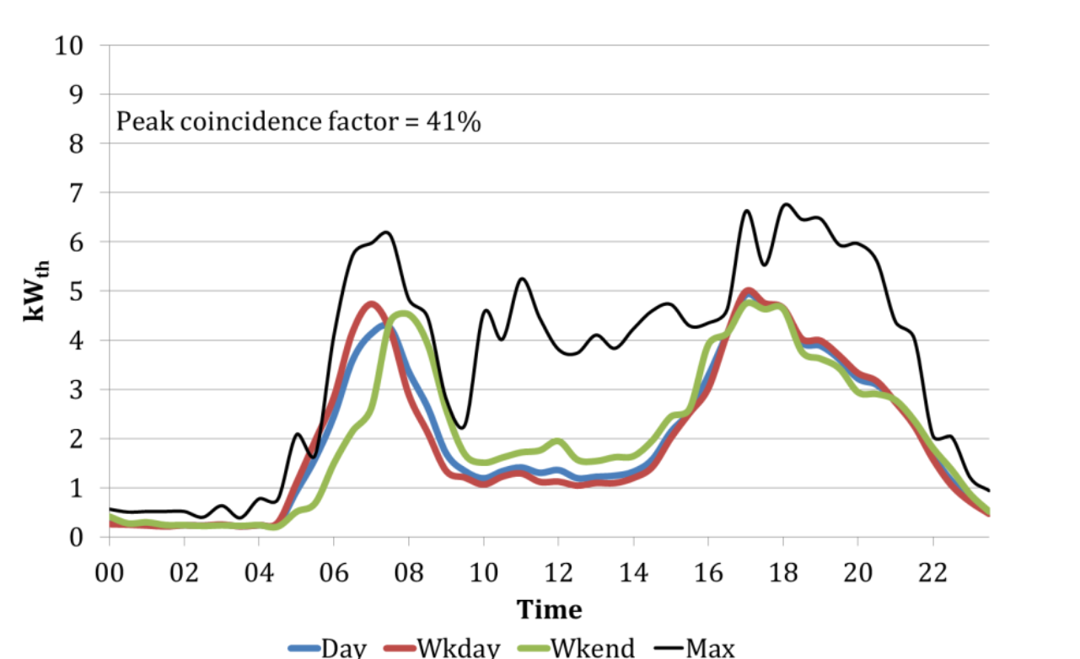
All sites daily heat demand Oct 2006 to March 2007
Data from email with Robert Sansom

