Sheet2
0 | 1 | 2 | 3 | 4 | 5 | 6 | 7 | 8 | 9 | 10 | 11 | 12 | 13 | 14 | 15 | 16 | 17 | 18 | 19 | 20 | 21 | 22 | 23
0.43668122271 | 0.43668122271 | 0.43668122271 | 0.43668122271 | 0.43668122271 | 2.1834061135 | 5.0218340611 | 8.5152838428 | 6.1135371179 | 3.2751091703 | 2.6200873362 | 3.2751091703 | 2.8384279476 | 2.8384279476 | 2.8384279476 | 4.3668122271 | 6.5502183406 | 10.480349345 | 10.262008734 | 8.2969432314 | 6.768558952 | 6.3318777293 | 4.1484716157 | 1.0917030568
0.43103448276 | 0.43103448276 | 0.43103448276 | 0.43103448276 | 0.43103448276 | 2.3706896552 | 6.4655172414 | 10.344827586 | 5.6034482759 | 2.5862068966 | 2.3706896552 | 2.8017241379 | 2.3706896552 | 2.5862068966 | 2.5862068966 | 4.3103448276 | 6.4655172414 | 10.344827586 | 10.129310345 | 8.4051724138 | 6.6810344828 | 6.25 | 4.0948275862 | 1.0775862069
0.4158004158 | 0.4158004158 | 0.4158004158 | 0.4158004158 | 0.4158004158 | 1.2474012474 | 2.079002079 | 5.1975051975 | 9.3555093555 | 5.1975051975 | 3.1185031185 | 3.3264033264 | 4.158004158 | 3.3264033264 | 3.3264033264 | 4.3659043659 | 8.316008316 | 9.9792099792 | 9.7713097713 | 7.6923076923 | 6.4449064449 | 6.0291060291 | 3.9501039501 | 1.0395010395
0.56561085973 | 0.56561085973 | 0.56561085973 | 0.56561085973 | 2.036199095 | 2.3755656109 | 4.7511312217 | 6.7873303167 | 5.4298642534 | 3.3936651584 | 5.2036199095 | 5.6561085973 | 4.2986425339 | 4.5248868778 | 4.7511312217 | 5.3167420814 | 4.8642533937 | 7.4660633484 | 7.6923076923 | 7.3529411765 | 6.6742081448 | 5.6561085973 | 2.2624434389 | 1.2443438914

Load shapes for boilers

original
READ From chart
hourly
 | 0 | 1 | 2 | 3 | 4 | 5 | 6 | 7 | 8 | 9 | 10 | 11 | 12 | 13 | 14 | 15 | 16 | 17 | 18 | 19 | 20 | 21 | 22 | 23 | SUM
Day | 0.2 | 0.2 | 0.2 | 0.2 | 0.2 | 1 | 2.3 | 3.9 | 2.8 | 1.5 | 1.2 | 1.5 | 1.3 | 1.3 | 1.3 | 2 | 3 | 4.8 | 4.7 | 3.8 | 3.1 | 2.9 | 1.9 | 0.5 | 45.8
Wkday | 0.2 | 0.2 | 0.2 | 0.2 | 0.2 | 1.1 | 3 | 4.8 | 2.6 | 1.2 | 1.1 | 1.3 | 1.1 | 1.2 | 1.2 | 2 | 3 | 4.8 | 4.7 | 3.9 | 3.1 | 2.9 | 1.9 | 0.5 | 46.4
Wkend | 0.2 | 0.2 | 0.2 | 0.2 | 0.2 | 0.6 | 1 | 2.5 | 4.5 | 2.5 | 1.5 | 1.6 | 2 | 1.6 | 1.6 | 2.1 | 4 | 4.8 | 4.7 | 3.7 | 3.1 | 2.9 | 1.9 | 0.5 | 48.1

in %
 | 0 | 1 | 2 | 3 | 4 | 5 | 6 | 7 | 8 | 9 | 10 | 11 | 12 | 13 | 14 | 15 | 16 | 17 | 18 | 19 | 20 | 21 | 22 | 23 | SUM
Day | 0.43668122271 | 0.43668122271 | 0.43668122271 | 0.43668122271 | 0.43668122271 | 2.1834061135 | 5.0218340611 | 8.5152838428 | 6.1135371179 | 3.2751091703 | 2.6200873362 | 3.2751091703 | 2.8384279476 | 2.8384279476 | 2.8384279476 | 4.3668122271 | 6.5502183406 | 10.480349345 | 10.262008734 | 8.2969432314 | 6.768558952 | 6.3318777293 | 4.1484716157 | 1.0917030568 | 100
Wkday | 0.43103448276 | 0.43103448276 | 0.43103448276 | 0.43103448276 | 0.43103448276 | 2.3706896552 | 6.4655172414 | 10.344827586 | 5.6034482759 | 2.5862068966 | 2.3706896552 | 2.8017241379 | 2.3706896552 | 2.5862068966 | 2.5862068966 | 4.3103448276 | 6.4655172414 | 10.344827586 | 10.129310345 | 8.4051724138 | 6.6810344828 | 6.25 | 4.0948275862 | 1.0775862069 | 100
Wkend | 0.4158004158 | 0.4158004158 | 0.4158004158 | 0.4158004158 | 0.4158004158 | 1.2474012474 | 2.079002079 | 5.1975051975 | 9.3555093555 | 5.1975051975 | 3.1185031185 | 3.3264033264 | 4.158004158 | 3.3264033264 | 3.3264033264 | 4.3659043659 | 8.316008316 | 9.9792099792 | 9.7713097713 | 7.6923076923 | 6.4449064449 | 6.0291060291 | 3.9501039501 | 1.0395010395 | 100

PEAK READ FROM CHART
 | 0 | 1 | 2 | 3 | 4 | 5 | 6 | 7 | 8 | 9 | 10 | 11 | 12 | 13 | 14 | 15 | 16 | 17 | 18 | 19 | 20 | 21 | 22 | 23
absolute | 0.5 | 0.5 | 0.5 | 0.5 | 1.8 | 2.1 | 4.2 | 6 | 4.8 | 3 | 4.6 | 5 | 3.8 | 4 | 4.2 | 4.7 | 4.3 | 6.6 | 6.8 | 6.5 | 5.9 | 5 | 2 | 1.1 | 88.4
percent | 0.56561085973 | 0.56561085973 | 0.56561085973 | 0.56561085973 | 2.036199095 | 2.3755656109 | 4.7511312217 | 6.7873303167 | 5.4298642534 | 3.3936651584 | 5.2036199095 | 5.6561085973 | 4.2986425339 | 4.5248868778 | 4.7511312217 | 5.3167420814 | 4.8642533937 | 7.4660633484 | 7.6923076923 | 7.3529411765 | 6.6742081448 | 5.6561085973 | 2.2624434389 | 1.2443438914 | 100

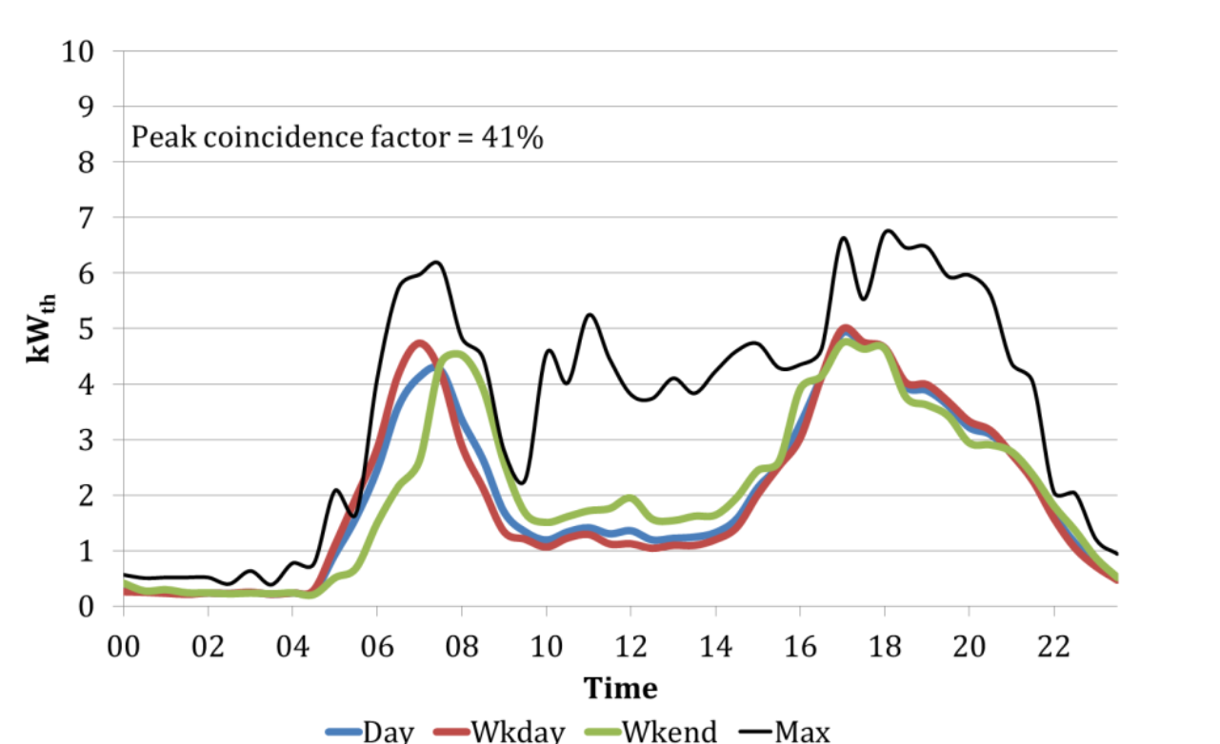
All sites daily heat demand Oct 2006 to March 2007
Data from email with Robert Sansom

