引入套件
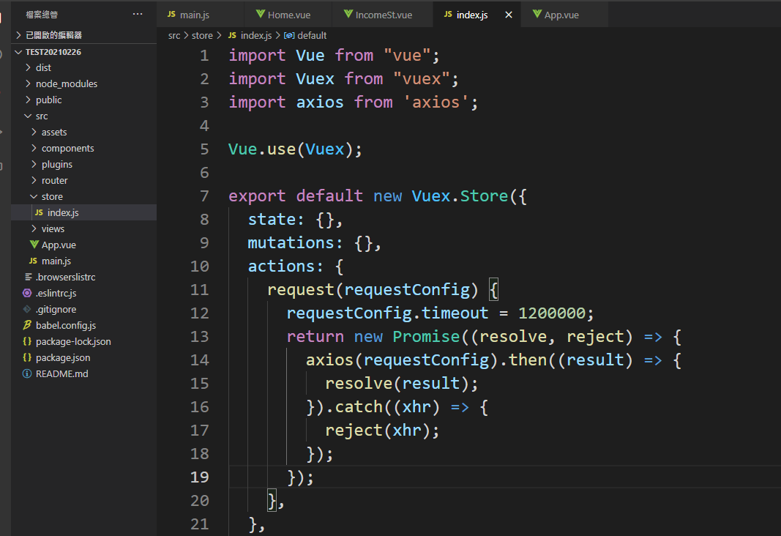
ES6

npm install --save-dev babel-polyfill

bootstrap之前 npm run build dist是 1.3MB

npm install vue bootstrap-vue bootstrap --save
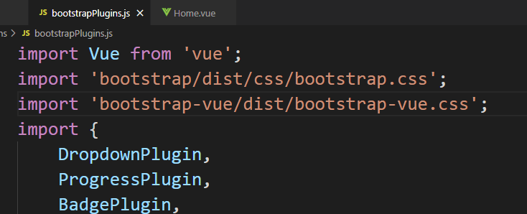

https://ad57475747.medium.com/%E5%BE%9E%E9%9B%B6%E9%96%8B%E5%A7%8B%E7%9A%84vue%E5%AD%B8%E7%BF%92%E6%97%A5%E8%AA%8C-%E5%AE%89%E8%A3%9D-bootstrap-vue-53ad5ad6cdfc

https://titangene.github.io/article/bootstrap-vue-env-import-components.html

npm install axios vue-axios --save

code style(1)
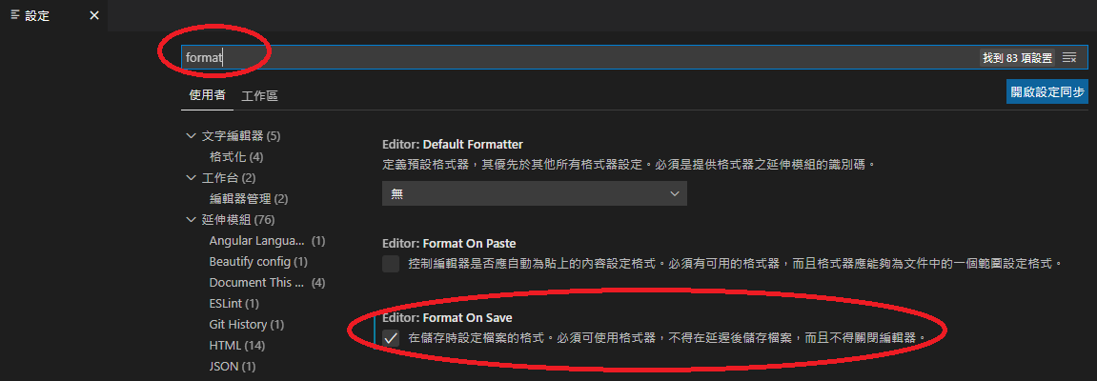
Vetur | ESLint | Beautify |  |  | { "emmet.syntaxProfiles": { "vue-html": "html", "vue": "html" }, "vetur.validation.template": true, "editor.fontSize": 26, "eslint.validate": [ "javascript", "javascriptreact", "html", "vue" ], "eslint.options": { "plugins": [ "html" ] }, "[javascript]": { "editor.defaultFormatter": "HookyQR.beautify" }, "editor.formatOnSave": true, }

安裝過就不用再安裝，但是需要配置內容

安裝方法隱藏在本Excel檔
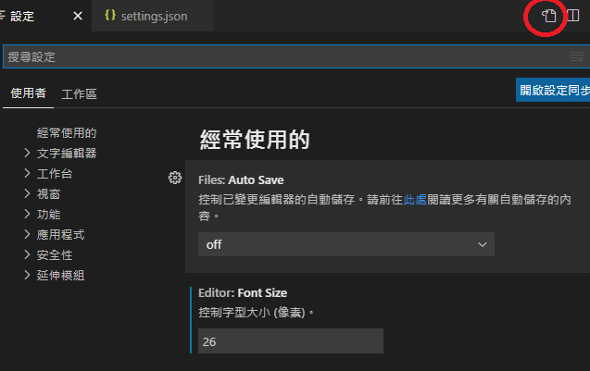
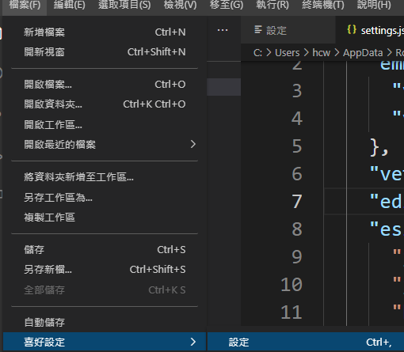

 |  |  | 在settings.json裡面配置右邊內容

 |  | "editor.formatOnSave": true, 就是指下面的手動操作 |  | 使用的格式就是Beautify

code style(2)
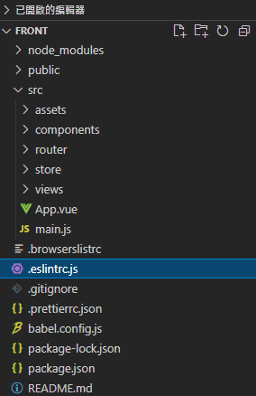
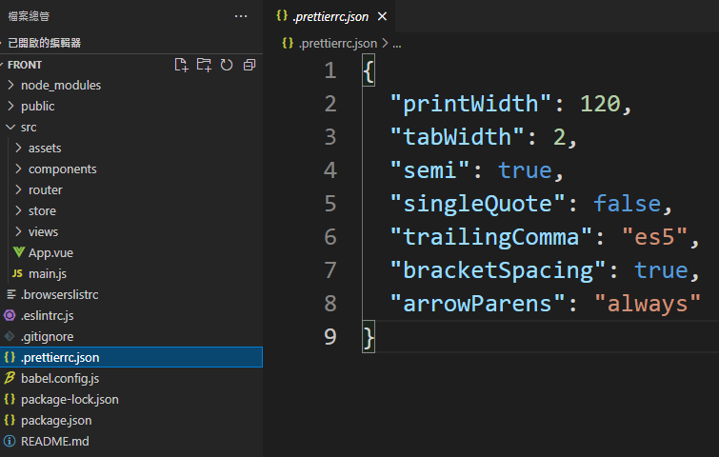
https://ithelp.ithome.com.tw/articles/10231505 | .eslintrc.js用系統預設的 | 在跟目錄新增.prettierrc.json
 | (也可以參考Trend的) | 內容參考Trend的
https://ithelp.ithome.com.tw/articles/10240009

https://prettier.io/playground/

網頁icon 名稱
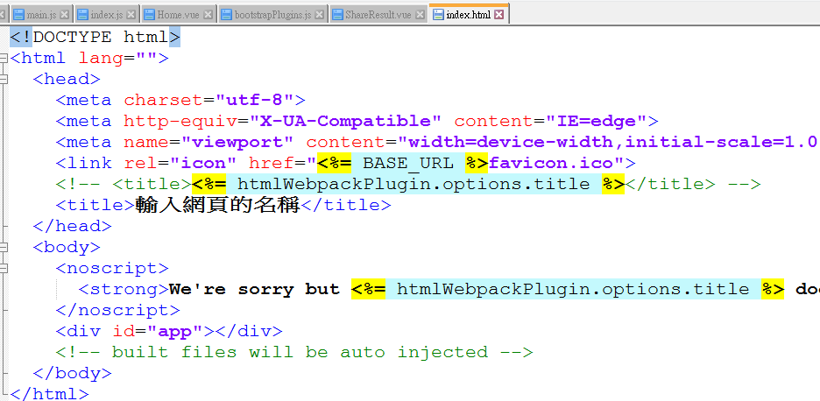
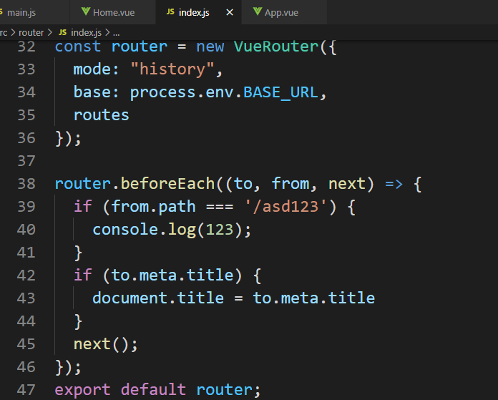

router
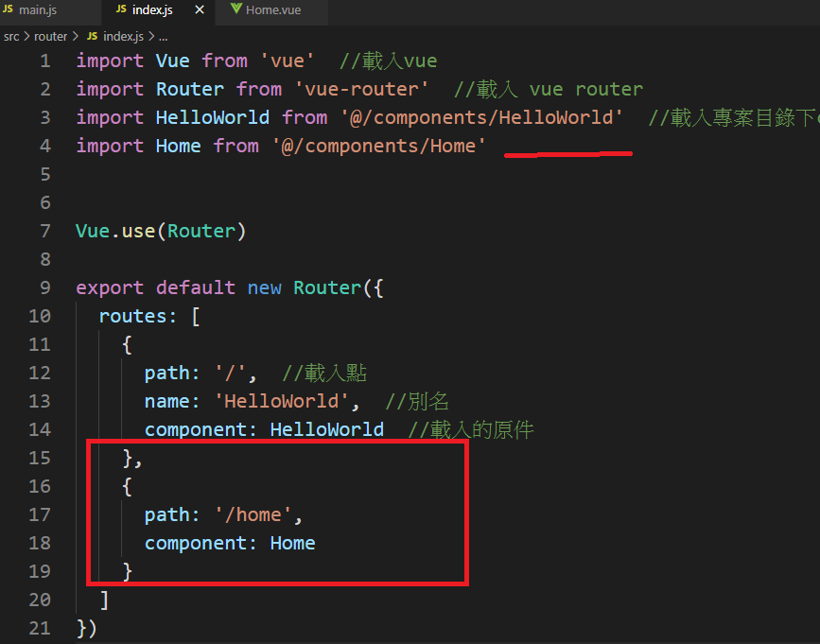
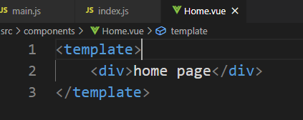

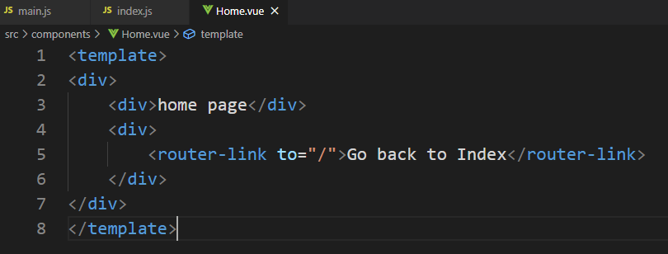


https://medium.com/@ad57475747/%E5%BE%9E%E9%9B%B6%E9%96%8B%E5%A7%8B%E7%9A%84vue%E5%AD%B8%E7%BF%92%E6%97%A5%E8%AA%8C-vue-router-%E5%9F%BA%E7%A4%8E%E8%AA%AA%E6%98%8E-945eb4556f7e

