HeidiSQL
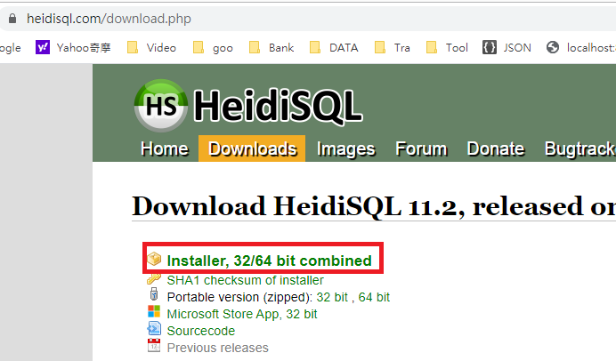
https://www.heidisql.com/download.php

https://yijay131724.blogspot.com/2020/05/mysql-mysqlheidisql.html

