課程內容
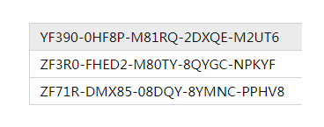
https://www.centos.org/download/
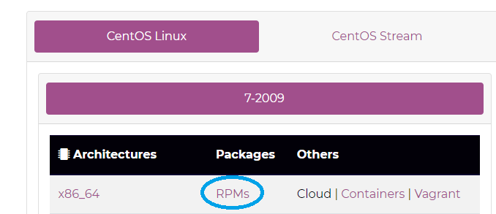

下載https://www.vmware.com/go/getworkstation-win

