seattle_elo_regression
Normal Probability Plot
SUMMARY OUTPUT

Regression Statistics
Multiple R | 1
R Square | 1
Adjusted R Square | 0.75
Standard Error | 1.0488875726E-13
Observations | 7

ANOVA
 | df | SS | MS | F | Significance F
Regression | 3 | 25179.091919 | 8393.0306396 | 1.1443323827E+30 | 1.3868215237E-45
Residual | 4 | 4.4006605598E-26 | 1.1001651399E-26
Total | 7 | 25179.091919

 | Coefficients | Standard Error | t Stat | P-value | Lower 95% | Upper 95% | Lower 95.0% | Upper 95.0%
Intercept | 0 | 1.5926681043E-12 | 0 | 1 | -4.4219555625E-12 | 4.4219555625E-12 | -4.4219555625E-12 | 4.4219555625E-12
lag_elo | 0 | 0 | 65535 | #NUM! | 0 | 0 | 0 | 0
diff_elo | 0.5 | 5.997275581E-16 | 8.3371189676E+14 | #NUM! | 0.5 | 0.5 | 0.5 | 0.5
ma_elo | 1 | 1.0098596445E-15 | 9.9023661901E+14 | 6.2401541804E-60 | 1 | 1 | 1 | 1

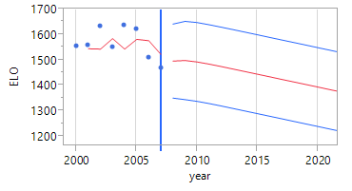
RESIDUAL OUTPUT |  |  |  |  | PROBABILITY OUTPUT

Observation | Predicted Y | Residuals | Standard Residuals |  | Percentile | Y
1 | 1557.5419 | 2.2737367544E-13 | 0.83666002653 |  | 7.1428571429 | 1469.8571
2 | 1632.3447 | 4.5474735089E-13 | 1.6733200531 |  | 21.428571429 | 1510.3784
3 | 1550.9008 | 2.2737367544E-13 | 0.83666002653 |  | 35.714285714 | 1550.9008
4 | 1636.3879 | 2.2737367544E-13 | 0.83666002653 |  | 50 | 1557.5419
5 | 1622.8683 | 2.2737367544E-13 | 0.83666002653 |  | 64.285714286 | 1622.8683
6 | 1510.3784 | 2.2737367544E-13 | 0.83666002653 |  | 78.571428571 | 1632.3447
7 | 1469.8571 | 2.2737367544E-13 | 0.83666002653 |  | 92.857142857 | 1636.3879

okc_elo_regression
SUMMARY OUTPUT
Normal Probability Plot
Regression Statistics
Multiple R | 1
R Square | 1
Adjusted R Square | 1
Standard Error | 2.8410614911E-14
Observations | 8

ANOVA
 | df | SS | MS | F | Significance F
Regression | 3 | 117283.68287 | 39094.560957 | 4.843452814E+31 | 1.4209166363E-63
Residual | 4 | 3.2286521585E-27 | 8.0716303963E-28
Total | 7 | 117283.68287

 | Coefficients | Standard Error | t Stat | P-value | Lower 95% | Upper 95% | Lower 95.0% | Upper 95.0%
Intercept | -3.1367938673E-13 | 2.3965007696E-13 | -1.308905846 | 0.26069802459 | -9.7905466987E-13 | 3.5169589642E-13 | -9.7905466987E-13 | 3.5169589642E-13
lag_elo | 1 | 1.4387738201E-15 | 6.9503627746E+14 | 2.5711141445E-59 | 1 | 1 | 1 | 1
diff_elo | 1 | 8.6793574034E-16 | 1.1521590292E+15 | 3.4048778782E-60 | 1 | 1 | 1 | 1
ma_elo | -3.2566186281E-15 | 1.321781479E-15 | -2.4638101531 | 0.069406626009 | -6.9264723457E-15 | 4.1323508943E-16 | -6.9264723457E-15 | 4.1323508943E-16

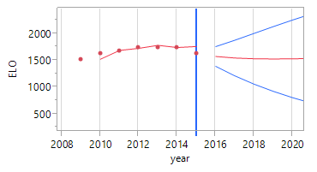
RESIDUAL OUTPUT |  |  |  |  | PROBABILITY OUTPUT

Observation | Predicted Y | Residuals | Standard Residuals |  | Percentile | Y
1 | 1380.9252 | -2.2737367544E-13 | -0.88191710369 |  | 6.25 | 1380.9252
2 | 1510.9752 | -2.2737367544E-13 | -0.88191710369 |  | 18.75 | 1510.9752
3 | 1622.1665 | -4.5474735089E-13 | -1.7638342074 |  | 31.25 | 1622.1665
4 | 1683.4647 | 0 | 0 |  | 43.75 | 1630.5771
5 | 1742.6617 | 0 | 0 |  | 56.25 | 1683.4647
6 | 1736.2958 | -2.2737367544E-13 | -0.88191710369 |  | 68.75 | 1736.2958
7 | 1749.163 | -2.2737367544E-13 | -0.88191710369 |  | 81.25 | 1742.6617
8 | 1630.5771 | -2.2737367544E-13 | -0.88191710369 |  | 93.75 | 1749.163

seattle_attendance_regression
Normal Probability Plot
SUMMARY OUTPUT

Regression Statistics
Multiple R | 1
R Square | 1
Adjusted R Square | 0.75
Standard Error | 7.9418210574E-12
Observations | 7

ANOVA
 | df | SS | MS | F | Significance F
Regression | 3 | 10593076093 | 3531025364.5 | 8.3975365236E+31 | 2.2060787085E-48
Residual | 4 | 2.5229008683E-22 | 6.3072521707E-23
Total | 7 | 10593076093
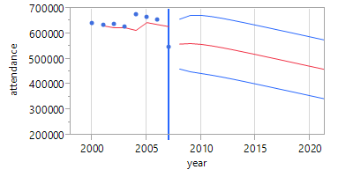
 | Coefficients | Standard Error | t Stat | P-value | Lower 95% | Upper 95% | Lower 95.0% | Upper 95.0%
Intercept | 1.527951099E-10 | 1.2950734322E-10 | 1.1798181176 | 0.30344725698 | -2.0677491929E-10 | 5.1236513908E-10 | -2.0677491929E-10 | 5.1236513908E-10
X Variable 1 | 1 | 2.0072199114E-16 | 4.982015146E+15 | 9.7393747378E-63 | 1 | 1 | 1 | 1
X Variable 2 | 1 | 7.7294007282E-17 | 1.2937613603E+16 | 2.141581198E-64 | 1 | 1 | 1 | 1
X Variable 3 | 0 | 0 | 65535 | #NUM! | 0 | 0 | 0 | 0

PROBABILITY OUTPUT

Percentile | Y
7.1428571429 | 547556
21.428571429 | 625474
35.714285714 | 633516
50 | 637194
64.285714286 | 654163
78.571428571 | 664157
92.857142857 | 675490

okc_attendance_regression
Normal Probability Plot
SUMMARY OUTPUT

Regression Statistics
Multiple R | 1
R Square | 1
Adjusted R Square | 0.75
Standard Error | 3.6515957436E-11
Observations | 7

ANOVA
 | df | SS | MS | F | Significance F
Regression | 3 | 17799314561 | 5933104853.8 | 6.6743334196E+30 | 9.8454825745E-47
Residual | 4 | 5.3336605897E-21 | 1.3334151474E-21
Total | 7 | 17799314561
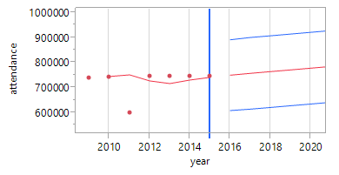
 | Coefficients | Standard Error | t Stat | P-value | Lower 95% | Upper 95% | Lower 95.0% | Upper 95.0%
Intercept | 1.4955503502E-10 | 3.0853590513E-10 | 0.48472489761 | 0.65321909196 | -7.0707796856E-10 | 1.0061880386E-09 | -7.0707796856E-10 | 1.0061880386E-09
lag_attendance | 1 | 4.2565142443E-16 | 2.3493401939E+15 | 1.9695527402E-61 | 1 | 1 | 1 | 1
diff_attendance | 1 | 2.7797051009E-16 | 3.5975039211E+15 | 3.5821696211E-62 | 1 | 1 | 1 | 1
ma_attendance | 0 | 0 | 65535 | #NUM! | 0 | 0 | 0 | 0

PROBABILITY OUTPUT

Percentile | Y
7.1428571429 | 600699
21.428571429 | 738149
35.714285714 | 744068
50 | 746323
64.285714286 | 746323
78.571428571 | 746323
92.857142857 | 746323

