机器加安装
QUOTATION
CACROWN SMART DOOR&WINDOWS |  |  |  |  |  | DATE: |  | 2025-05-21
FaceBook @Cacrown168 ，B-03. DIFA MARKET
TELE/TELEGRAM:098-297-686
Bill To: TOPPHEAR MATERNITY POLYCLINC
ITEM | name | DESCRIPTION | pic | UNIT | QTY | Unit Prices (USD) | Total Amount (USD) | REMARK
1 | desks | size: 1600*600mm white*1pcs and chair 2pcs | 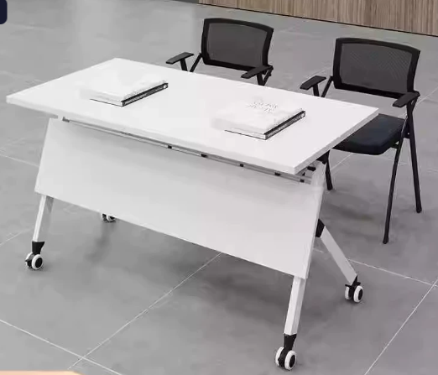 | Set | 35.00 | $165.00 | $5,775.00
Terms & Conditions: |  |  |  |  | 合 计 |  | $5,775.00
1.This quote includes,desk ,chair and shipping. 2.payment Information：aba 098297686 liujian。 3.Payment: 3000$ DEPOSIT , PAY ALL when ARRIVE。
THANK YOU FOR YOUR BUSINESS!
Customer |  |  |  |  |  | Seller
………………………………… ……………………………………..........
 |  |  |  |  |  | liu jian

