04.Ball Map
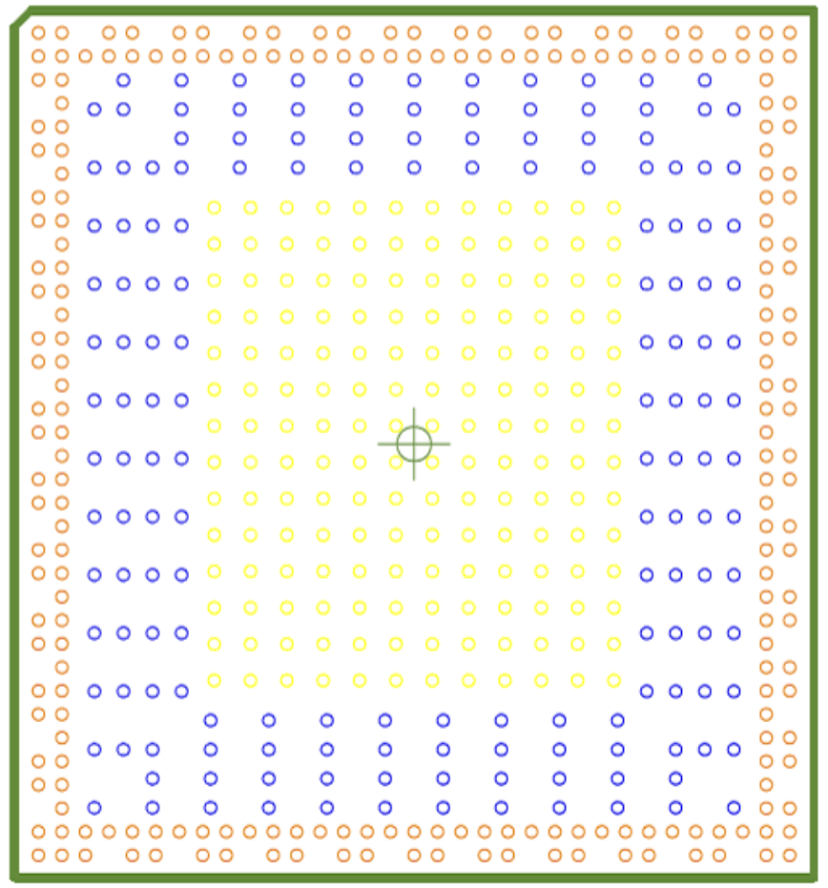
30 | 31 | 32 | 33
NP | UFS_RX_D1N | UFS_RX_D1P | AVSS_0 | A
UFS_RX_D0N | UFS_RX_D0P | AVSS_8 | UFS_REFCLK/GPIO4_C1_d | B
 |  | AVSS_9 | NP | C
 |  | PCIE0_RXN_M0/SATA0_RXN_M0/USB_DRD0_SSRXN | PCIE0_RXP_M0/SATA0_RXP_M0/USB_DRD0_SSRXP | D
 |  | PCIE0_TXP_M0/SATA0_TXP_M0/USB_DRD0_SSTXP | PCIE0_TXN_M0/SATA0_TXN_M0/USB_DRD0_SSTXN | E
 |  | AVSS_10 | NP | F
 |  | PCIE0_TXP_M1/SATA0_TXP_M1/USB_DRD1_SSTXP | PCIE0_TXN_M1/SATA0_TXN_M1/USB_DRD1_SSTXN | G
 |  | PCIE0_RXP_M1/SATA0_RXP_M1/USB_DRD1_SSRXP | PCIE0_RXN_M1/SATA0_RXN_M1/USB_DRD1_SSRXN | H
 |  | AVSS_11 | NP | J
 |  | PCIE1_RXN/SATA1_RXN | PCIE1_RXP/SATA1_RXP | K
 |  | PCIE1_TXN/SATA1_TXN | PCIE1_TXP/SATA1_TXP | L
 |  | AVSS_12 | NP | M
 |  | OSC_XIN | OSC_XOUT | N
 |  | NPOR_u | VSS_6 | P
 |  | RST_OUT_M0/TSADC_CTRL_ORG/GPIO0_A1_z | NP | R
 |  | SPI2_CLK_M0/I2C1_SCL_M0/GPIO0_B2_z | SDMMC0_DETN_M0/SPI2_CSN1_M0/GPIO0_A7_u | T
 |  | SPI2_MISO_M0/I2C0_SDA_M0/GPIO0_B1_z | UART0_TX_M0/JTAG_TCK_M1/GPIO0_D4_u | U
 |  | UART0_RX_M0/JTAG_TMS_M1/GPIO0_D5_u | NP | V
 |  | UART8_RX_M1/I2C0_SDA_M1/I3C0_SDA_M0/GPIO0_C2_d | PDM_CLK1_M0/HDMI_TX_CEC_M1/SPI0_CSN1_M0/PWM0_CH1_M0/GPIO0_C3_d | W
 |  | UART1_RX_M0/I2C2_SDA_M0/PWM1_CH3_M0/CPULIT_AVS/GPIO0_C0_d | UART8_TX_M1/I2C0_SCL_M1/I3C0_SCL_M0/GPIO0_C1_d | Y
 |  | UART1_TX_M0/I2C2_SCL_M0/PWM1_CH4_M0/NPU_AVS/GPIO0_B7_d | NP | AA
 |  | REF_CLK2_OUT/UART4_RX_M2/I2C1_SDA_M1/PWM1_CH1_M0/GPIO0_B5_d | SDMMC0_PWREN/SDMMC1_DETN_M1/HDMI_TX_HPDIN_M1/EDP_TX_HPDIN_M1/PWM1_CH2_M0/GPIO0_B6_d | AB
 |  | ETH1_TESTRXCLK_OUT/DSMC_DATA2/VO_LCDC_D4/VO_EBC_SDDO4/UART8_RTSN_M0/SPI1_CLK_M2/SATA0_CPPOD_M1/GPIO3_C7_d | REF_CLK1_OUT/UART4_TX_M2/I2C1_SCL_M1/PWM1_CH0_M0/GPIO0_B4_d | AC
 |  | ETH1_TXD3_M0/DSMC_INT1/VO_LCDC_D9/VO_EBC_SDDO9/SAI2_SCLK_M1/DSMC_TESTCLK_OUT/UART4_RTSN_M0/SPI4_MISO_M1/I2C9_SCL_M3/PWM2_CH0_M2/CAN3_RX_M2/GPIO3_C2_d | NP | AD
 |  | ETH1_TXD2_M0/DSMC_INT3/VO_LCDC_D8/VO_EBC_SDDO8/SAI2_LRCK_M1/DSMC_TESTDATA_OUT/UART4_CTSN_M0/SPI4_MOSI_M1/I2C9_SDA_M3/PWM2_CH1_M2/CAN3_TX_M2/GPIO3_C3_d | ETH1_TXD1_M0/DSMC_DATA9/VO_LCDC_D15/VO_EBC_SDDO15/SPDIF_RX0_M3/UART3_RTSN_M1/PWM1_CH4_M3/GPIO3_B4_d | AE
 |  | ETH1_RXD2_M0/DSMC_CSN0/VO_LCDC_D0/VO_EBC_SDDO0/SAI2_SDO_M1/UART2_CTSN_M2/SPI3_CSN1_M1/PWM2_CH5_M3/GPIO3_D3_z | ETH1_RXD3_M0/DSMC_CSN3/VO_LCDC_D1/VO_EBC_SDDO1/SAI2_SDI_M1/UART2_RTSN_M2/SPI4_CSN1_M1/PWM2_CH4_M3/GPIO3_D2_z | AF
 |  | ETH1_RXD1_M0/DSMC_DATA12/VO_LCDC_D18/VO_EBC_SDCE2/PDM_CLK0_M4/UART10_TX_M0/SPI4_CSN0_M1/PWM1_CH3_M3/GPIO3_B1_d | NP | AG
 |  | ETH1_PPSCLK_M0/DSMC_DATA7/VO_LCDC_D11/VO_EBC_SDDO11/SAI1_SDO3_M1/UART2_TX_M2/UART9_RTSN_M1/I2C4_SCL_M3/CAN2_TX_M2/GPIO3_C0_d | DSMC_DATA5/VO_LCDC_D7/VO_EBC_SDDO7/SAI2_MCLK_M1/UART4_TX_M0/SPI2_CSN0_M2/I2C5_SCL_M3/CAN0_TX_M3/SATA0_MPSWIT_M1/GPIO3_C4_d | AH
 |  | DSMC_DATA4/VO_LCDC_D6/VO_EBC_SDDO6/UART8_RX_M0/SPI1_MISO_M2/PWM2_CH2_M3/GPIO3_C5_d | DSMC_DATA3/VO_LCDC_D5/VO_EBC_SDDO5/UART8_TX_M0/SPI1_MOSI_M2/GPIO3_C6_d | AJ
 |  | ETH1_PPSTRIG_M0/DSMC_DQS0/VO_LCDC_D12/VO_EBC_SDDO12/SAI1_SDI0_M1/UART2_RX_M2/UART9_CTSN_M1/I2C4_SDA_M3/CAN2_RX_M2/GPIO3_B7_d | NP | AK
 |  | DSMC_DATA0/VO_LCDC_DEN/VO_EBC_SDLE/SAI1_SDI1_M1/UART5_RX_M0/SPI3_CLK_M1/I2C3_SCL_M2/GPIO3_D4_d | ETH1_PTP_REFCLK_M0/DSMC_DATA6/VO_LCDC_D10/VO_EBC_SDDO10/SAI1_SDO2_M1/UART4_RX_M0/SPI2_MISO_M2/I2C5_SDA_M3/CAN0_RX_M3/GPIO3_C1_d | AL
 |  | CAM_CLK0_OUT_M0/DSMC_RESETN/VO_LCDC_CLK/VO_EBC_SDOE/SAI1_SDO1_M1/UART5_RTSN_M0/PWM2_CH7_M2/SATA1_MPSWIT_M1/GPIO3_D7_d | DSMC_CLKN/VO_LCDC_VSYNC/VO_EBC_SDCLK/SAI1_SDI3_M1/UART5_CTSN_M0/SPI3_MOSI_M1/PWM2_CH6_M2/GPIO3_D6_d | AM
 |  | VO_EBC_SDDO23/UFS_TESTDATA3_OUT/UART9_RTSN_M0/SPI4_CLK_M0/I2C6_SDA_M3/PWM2_CH3_M1/CAN1_RX_M1/PCIE1_PERSTN_M3/GPIO4_B7_d | NP | AN
 |  | ISP_FLASH_TRIGOUT_M1/VP0_SYNC_OUT/VO_EBC_SDDO21/SATA30_PORT0_ACTLED_M1/UFS_TESTDATA1_OUT/UART9_RX_M0/SPI4_MOSI_M0/I2C7_SDA_M3/PWM2_CH5_M1/PCIE1_WAKEN_M3/GPIO4_B5_d | VP1_SYNC_OUT/VO_EBC_SDDO22/SATA30_PORT1_ACTLED_M1/UFS_TESTDATA2_OUT/UART9_CTSN_M0/SPI4_MISO_M0/I2C6_SCL_M3/PWM2_CH2_M1/CAN1_TX_M1/PCIE1_CLKREQN_M3/GPIO4_B6_d | AP
MIPI_DPHY_DSI_TX_D3N | VSS_17 | DSM_AUD_RN_M1/SAI3_SCLK_M2/VO_EBC_SDDO19/UART6_CTSN_M1/I2C2_SDA_M3/PWM2_CH1_M1/HDMI_TX_SDA_M0/CAN0_RX_M1/GPIO4_B3_d | ISP_PRELIGHT_TRIG_M1/SAI3_SDO_M2/VO_EBC_SDDO20/UFS_TESTDATA0_OUT/UART9_TX_M0/SPI4_CSN0_M0/I2C7_SCL_M3/PWM2_CH6_M1/PCIE0_PERSTN_M3/GPIO4_B4_d | AR
MIPI_DPHY_DSI_TX_D3P | NP | DSM_AUD_RP_M1/SAI3_LRCK_M2/VO_EBC_SDDO18/UART6_RTSN_M1/I2C2_SCL_M3/PWM2_CH0_M1/HDMI_TX_SCL_M0/CAN0_TX_M1/GPIO4_B2_d | VSS_19 | AT
30 | 31 | 32 | 33
...

