Product Roadmap
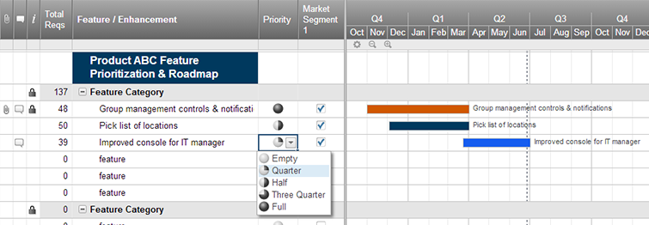
Agile Product Roadmap

<Agile Development Project> | Q2 |  |  | Q3 |  |  | Q4
 | April | May | June | July | August | September | October | November | December
Group 1
Product 1

Group 2

Product 2

Group 3
Product 3

Group 4

Product 4

Group 5

Product 5

Create an Agile Product Roadmap in Smartsheet

Project Plan
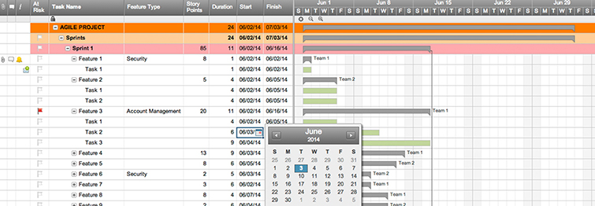
Agile Project Plan

Project Name | Product Release
Project Manager | Alex B.
Project Deliverable
Scope Statement

Start Date | 2016-09-03
End Date | 2016-10-05
Overall Progress | 20%
 | Start | Days
Sprint 1 | 2016-09-03 | 10
Feature 1 | 2016-09-03 | 4
Feature 2 | 2016-09-07 | 5
Feature 3 | 2016-09-09 | 4
Sprint 2
Feature 4
Feature 5
Feature 6
Sprint 3
Feature 7
Feature 8
Feature 9
Task Name | Responsible | Start | End | Days | Status
Sprint 1 | Alex B. | 2016-09-03 | 2016-09-13 | 10 | Not Started
Feature 1 | Frank C. | 2016-09-03 | 2016-09-07 | 4 | Not Started
Feature 2 | Jacob S. | 2016-09-07 | 2016-09-12 | 5 | Complete
Feature 3 | Jacob S. | 2016-09-09 | 2016-09-13 | 4 | Overdue
Sprint 2
Feature 4
Feature 5
Feature 6
Sprint 3
Feature 7
Feature 8
Feature 9

Create an Agile Project Plan in Smartsheet

Sprint Backlog
Sprint Backlog Template ( Remaining outstanding efforts in hours )
Sprint Number | 1

Backlog Item | Story Points | Responsible | Status | Original Estimate | Day 1 | Day 2 | Day 3 | Day 4 | Day 5 | Sprint Review
User Story #1 | 8
Task (Design/Development/Task) |  |  |  | 7 | 5 | 3 | 2 | 2 | 2 | 2
Sprint Burndown
Task (Design/Development/Task) |  |  |  | 3 | 2 | 2 | 1 | 1 | 1 | 0
Task (Design/Development/Task) |  |  |  | 4 | 3 | 2 | 2 | 2 | 2 | 2
Task (Design/Development/Task) |  |  |  | 9 | 7 | 5 | 3 | 3 | 1 | 0
User Story #2 | 1
Task (Design/Development/Task)
Task (Design/Development/Task)
Task (Design/Development/Task)
Task (Design/Development/Task)
User Story #3 | 5
Task (Design/Development/Task)
Task (Design/Development/Task)
Task (Design/Development/Task)
Task (Design/Development/Task)
User Story #4 | 8
Task (Design/Development/Task)
Task (Design/Development/Task)
Task (Design/Development/Task)
Task (Design/Development/Task)
User Story #5 | 3
Task (Design/Development/Task)
Task (Design/Development/Task)
Task (Design/Development/Task)
Task (Design/Development/Task)
Total |  |  |  | 23 | 17 | 12 | 8 | 8 | 6 | 4

S

Test Plan

Agile Test Plan

Project Name |  |  | Browser:
Test Case ID |  |  | Version:
Written By: |  |  | Description:
Tested By: |  |  | Tested On:

Test # | Date | Action | Expected Results | Actual Results | Pass?
1 | 2016-03-06 | Logging in | Should get to home screen | User directed to different page
2 | 2016-03-12 | Signing up for webinar | Get confirmation email | Confirmation email received
3 | 2016-03-20 | Click magnifying glass | Whole page gets bigger | Text changes sizes
4 | 2016-04-01 | Click blog post hero image | Go to blog post | Go to blog post

Create a Test Plan in Smartsheet

