Disclaimer
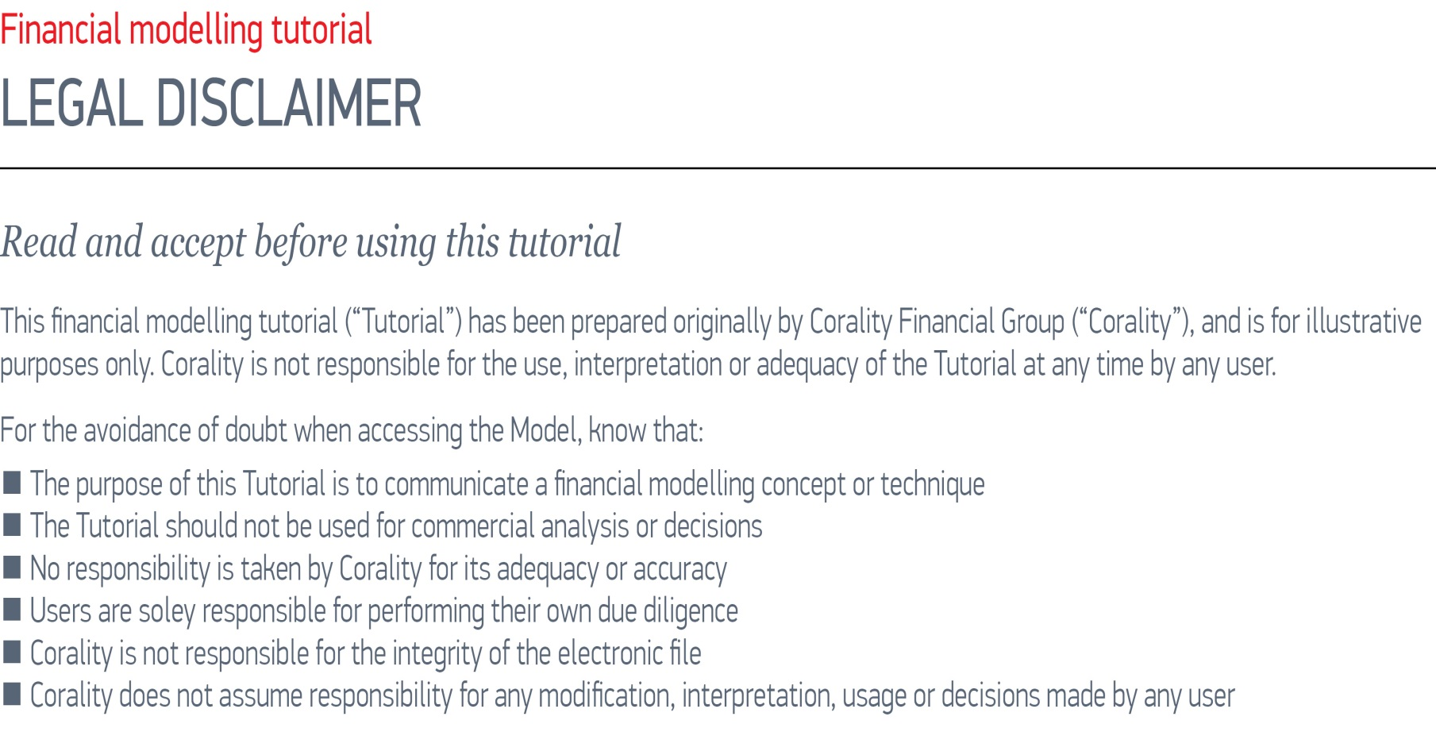
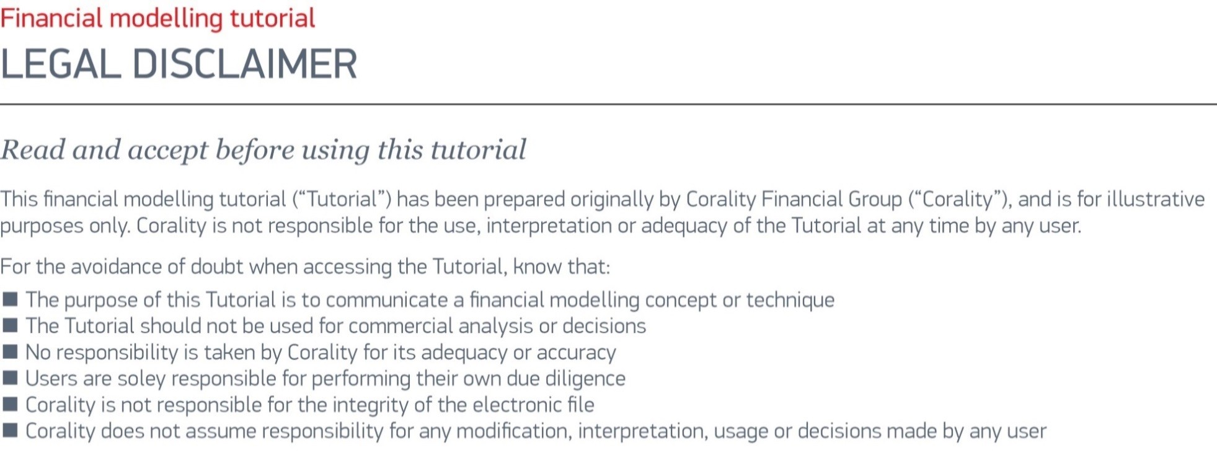



Title sheet

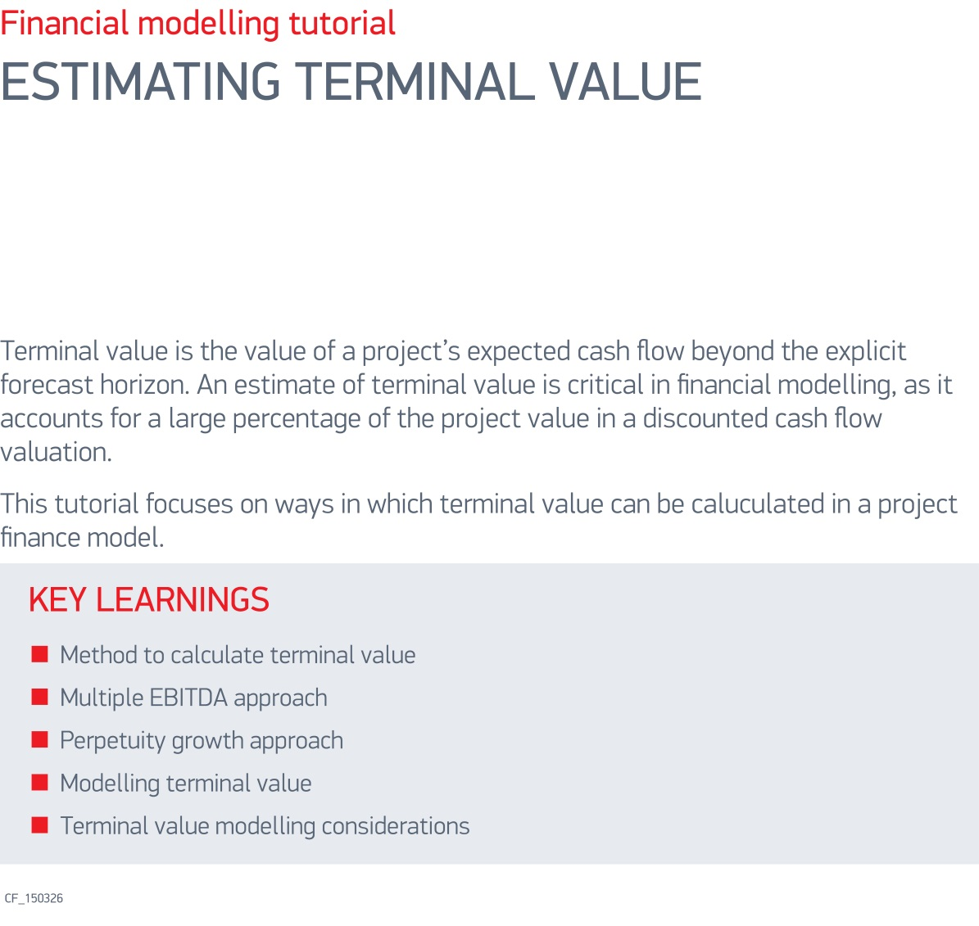

SMART


User guide
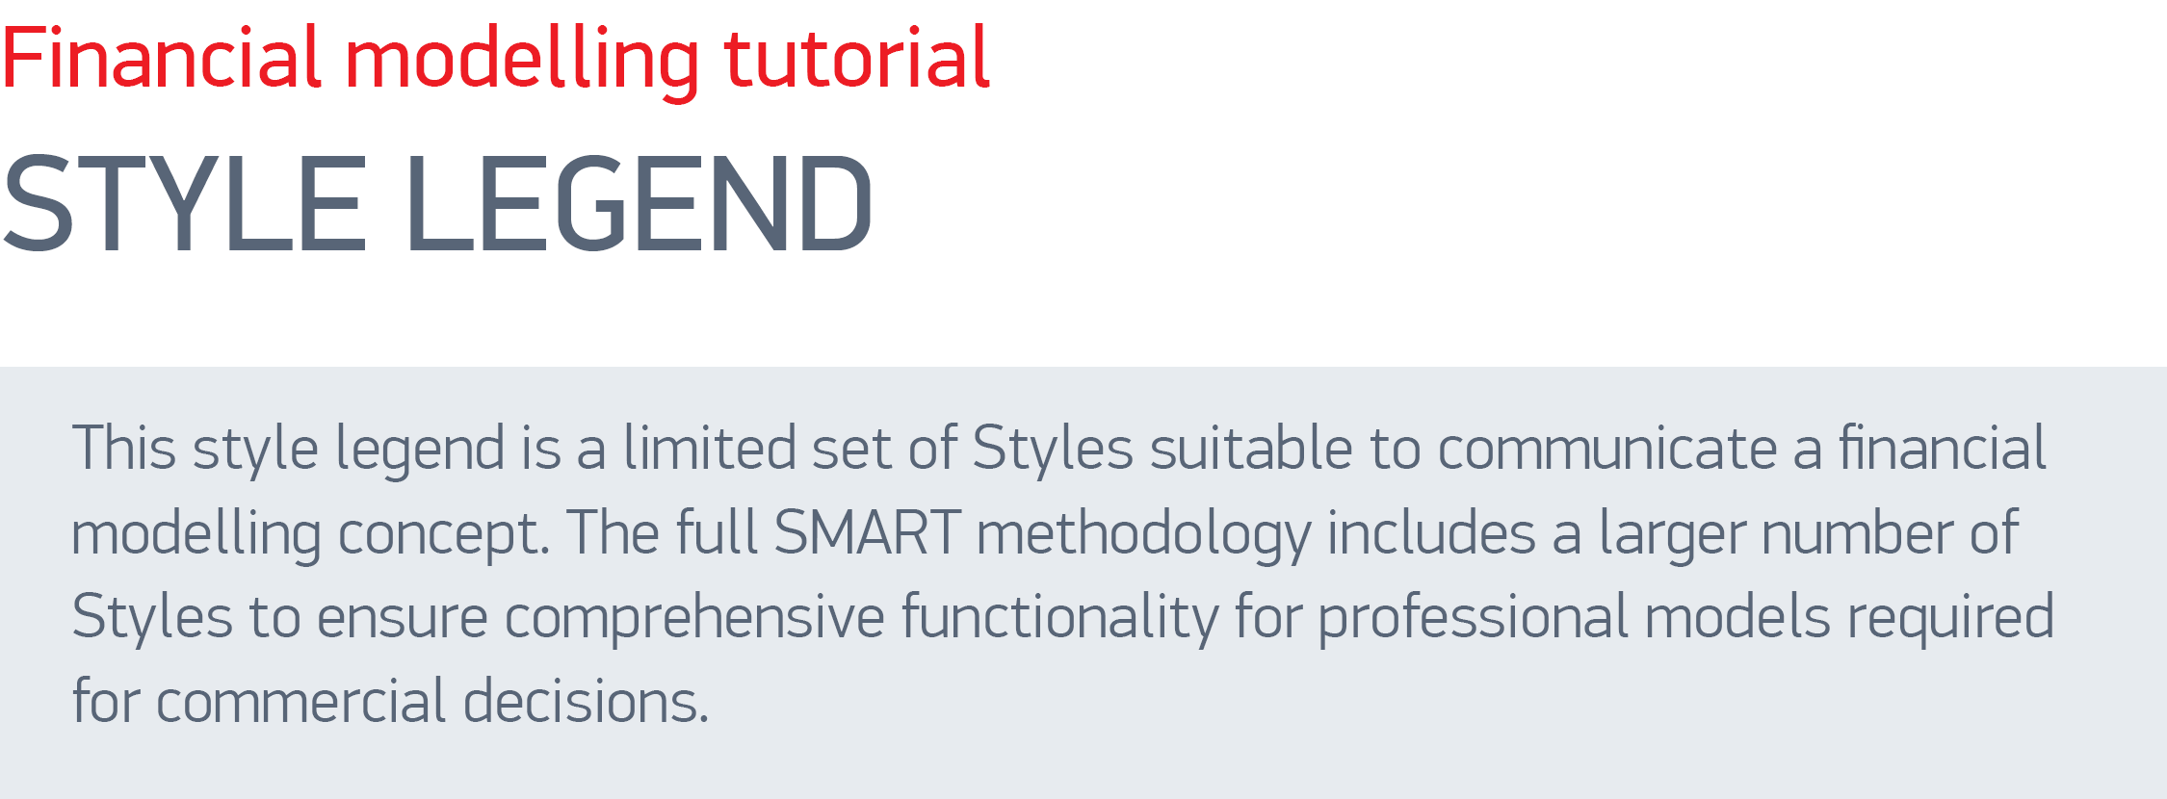

Style | Design | Comment

Header 1 | Header1

Header 2 | Header2

Input | 100 | A user driven input

Demo | 100 | Values needed to demonstrate the principle in a complete model would be dynamically coded or set-up differently

Empty_cell |  | A cell that is left intentionally blank to avoid the risk of error

Off-Sheet | 100 | A link to another worksheet to minimise the number of inter-worksheet references (slow and risky)

Total |  | The sum of elements above, including sub-totals

Unit / Info | USD millions | Explanatory text showing helpful information and the units/dimensions of the calculations

Line Summary | 100 | The SUM() of everything to the right

Table Header | Qtr | Header of a table or of an off-sheet reference

Flag | 1 | Binary flag - set up as conditional formatting rather than a 'Style'

Balance |  | The closing balance of a control account

Calculations
Tutorial: Terminal value
Calculations
Period start |  |  |  | 1-Jan-14 | 1-Apr-14 | 1-Jul-14 | 1-Oct-14 | 1-Jan-15 | 1-Apr-15 | 1-Jul-15 | 1-Oct-15 | 1-Jan-16 | 1-Apr-16 | 1-Jul-16 | 1-Oct-16 | 1-Jan-17 | 1-Apr-17 | 1-Jul-17 | 1-Oct-17 | 1-Jan-18 | 1-Apr-18 | 1-Jul-18 | 1-Oct-18 | 1-Jan-19 | 1-Apr-19 | 1-Jul-19 | 1-Oct-19 | 1-Jan-20 | 1-Apr-20 | 1-Jul-20 | 1-Oct-20 | 1-Jan-21 | 1-Apr-21 | 1-Jul-21 | 1-Oct-21 | 1-Jan-22 | 1-Apr-22 | 1-Jul-22 | 1-Oct-22 | 1-Jan-23 | 1-Apr-23 | 1-Jul-23 | 1-Oct-23 | 1-Jan-24 | 1-Apr-24 | 1-Jul-24 | 1-Oct-24 | 1-Jan-25
Period end |  |  | 31-Dec-13 | 31-Mar-14 | 30-Jun-14 | 30-Sep-14 | 31-Dec-14 | 31-Mar-15 | 30-Jun-15 | 30-Sep-15 | 31-Dec-15 | 31-Mar-16 | 30-Jun-16 | 30-Sep-16 | 31-Dec-16 | 31-Mar-17 | 30-Jun-17 | 30-Sep-17 | 31-Dec-17 | 31-Mar-18 | 30-Jun-18 | 30-Sep-18 | 31-Dec-18 | 31-Mar-19 | 30-Jun-19 | 30-Sep-19 | 31-Dec-19 | 31-Mar-20 | 30-Jun-20 | 30-Sep-20 | 31-Dec-20 | 31-Mar-21 | 30-Jun-21 | 30-Sep-21 | 31-Dec-21 | 31-Mar-22 | 30-Jun-22 | 30-Sep-22 | 31-Dec-22 | 31-Mar-23 | 30-Jun-23 | 30-Sep-23 | 31-Dec-23 | 31-Mar-24 | 30-Jun-24 | 30-Sep-24 | 31-Dec-24 | 31-Mar-25

Terminal value
Flags |  | End of Ops
Operations end flag | [1,0] | 31-Dec-24 |  | - | - | - | - | - | - | - | - | - | - | - | - | - | - | - | - | - | - | - | - | - | - | - | - | - | - | - | - | - | - | - | - | - | - | - | - | - | - | - | - | - | - | - | 1 | -
Last year operations flag | [1,0] |  |  | - | - | - | - | - | - | - | - | - | - | - | - | - | - | - | - | - | - | - | - | - | - | - | - | - | - | - | - | - | - | - | - | - | - | - | - | - | - | - | - | 1 | 1 | 1 | 1 | -

EBITDA multiple
EBITDA in last year | USD '000 |  | 21,222 | - | - | - | - | - | - | - | - | - | - | - | - | - | - | - | - | - | - | - | - | - | - | - | - | - | - | - | - | - | - | - | - | - | - | - | - | - | - | - | - | 5,247 | 5,285 | 5,325 | 5,365 | -
Last year EBITDA @ flag | USD '000 | EBITDA x | 21,222 | - | - | - | - | - | - | - | - | - | - | - | - | - | - | - | - | - | - | - | - | - | - | - | - | - | - | - | - | - | - | - | - | - | - | - | - | - | - | - | - | - | - | - | 21,222 | -
Terminal value | USD '000 | 12.00x | 254,661 | - | - | - | - | - | - | - | - | - | - | - | - | - | - | - | - | - | - | - | - | - | - | - | - | - | - | - | - | - | - | - | - | - | - | - | - | - | - | - | - | - | - | - | 254,661 | -

Perpetuity
Last year operating cash flow @ flag | USD '000 | r | 21,222 | - | - | - | - | - | - | - | - | - | - | - | - | - | - | - | - | - | - | - | - | - | - | - | - | - | - | - | - | - | - | - | - | - | - | - | - | - | - | - | - | - | - | - | 21,222 | -
Terminal value | USD '000 | 10.00% | 212,218 | - | - | - | - | - | - | - | - | - | - | - | - | - | - | - | - | - | - | - | - | - | - | - | - | - | - | - | - | - | - | - | - | - | - | - | - | - | - | - | - | - | - | - | 212,218 | -

Perpetuity with growth
Last year operating cash flow @ flag | USD '000 | g | 21,222 | - | - | - | - | - | - | - | - | - | - | - | - | - | - | - | - | - | - | - | - | - | - | - | - | - | - | - | - | - | - | - | - | - | - | - | - | - | - | - | - | - | - | - | 21,222 | -
Cash flow (n+1) | USD '000 | 3.00% | 21,858 | - | - | - | - | - | - | - | - | - | - | - | - | - | - | - | - | - | - | - | - | - | - | - | - | - | - | - | - | - | - | - | - | - | - | - | - | - | - | - | - | - | - | - | 21,858 | -
Perpetuity with growth numerator is typcially FCF (n+1)
Terminal value | USD '000 |  | 312,263 | - | - | - | - | - | - | - | - | - | - | - | - | - | - | - | - | - | - | - | - | - | - | - | - | - | - | - | - | - | - | - | - | - | - | - | - | - | - | - | - | - | - | - | 312,263 | -

Applied terminal value
Selected method | USD '000 | Perpetuity | 212,218 | - | - | - | - | - | - | - | - | - | - | - | - | - | - | - | - | - | - | - | - | - | - | - | - | - | - | - | - | - | - | - | - | - | - | - | - | - | - | - | - | - | - | - | 212,218 | -

If making an equity valuation using FCFE ensure the discount rate is appropriate (i.e. CAPM not WACC).

Project valuation
Cash flow before funding | USD '000 | Utilise TV? | 69,973 | (20,876) | (21,034) | (21,109) | (21,277) | 3,839 | 3,867 | 3,896 | 3,925 | 3,954 | 3,983 | 4,013 | 4,043 | 3,413 | 3,438 | 3,463 | 3,489 | 3,515 | 3,541 | 3,567 | 3,594 | 3,620 | 3,647 | 3,674 | 3,702 | 3,729 | 3,757 | 3,785 | 3,813 | 3,841 | 3,870 | 3,898 | 3,928 | 3,956 | 3,986 | 4,015 | 4,045 | 4,075 | 4,105 | 4,136 | 4,167 | 4,197 | 4,228 | 4,260 | 4,292 | -
Terminal value | USD '000 | Yes | 212,218 | - | - | - | - | - | - | - | - | - | - | - | - | - | - | - | - | - | - | - | - | - | - | - | - | - | - | - | - | - | - | - | - | - | - | - | - | - | - | - | - | - | - | - | 212,218 | -
Total | USD '000 |  | 282,191 | (20,876) | (21,034) | (21,109) | (21,277) | 3,839 | 3,867 | 3,896 | 3,925 | 3,954 | 3,983 | 4,013 | 4,043 | 3,413 | 3,438 | 3,463 | 3,489 | 3,515 | 3,541 | 3,567 | 3,594 | 3,620 | 3,647 | 3,674 | 3,702 | 3,729 | 3,757 | 3,785 | 3,813 | 3,841 | 3,870 | 3,898 | 3,928 | 3,956 | 3,986 | 4,015 | 4,045 | 4,075 | 4,105 | 4,136 | 4,167 | 4,197 | 4,228 | 4,260 | 216,510 | -

Evaluation cash flow | USD '000 |  | - | (20,876) | (21,034) | (21,109) | (21,277) | 3,839 | 3,867 | 3,896 | 3,925 | 3,954 | 3,983 | 4,013 | 4,043 | 3,413 | 3,438 | 3,463 | 3,489 | 3,515 | 3,541 | 3,567 | 3,594 | 3,620 | 3,647 | 3,674 | 3,702 | 3,729 | 3,757 | 3,785 | 3,813 | 3,841 | 3,870 | 3,898 | 3,928 | 3,956 | 3,986 | 4,015 | 4,045 | 4,075 | 4,105 | 4,136 | 4,167 | 4,197 | 4,228 | 4,260 | 216,510 | -
XNPV | USD '000 |  | 83,432

Data imports
Cash flows
Revenue | USD '000 |  | 313,123 | - | - | - | - | 7,392 | 7,447 | 7,503 | 7,559 | 7,614 | 7,671 | 7,728 | 7,786 | 7,018 | 7,070 | 7,122 | 7,176 | 7,228 | 7,282 | 7,336 | 7,391 | 7,445 | 7,500 | 7,556 | 7,613 | 7,668 | 7,725 | 7,783 | 7,841 | 7,899 | 7,958 | 8,017 | 8,077 | 8,136 | 8,196 | 8,258 | 8,319 | 8,380 | 8,442 | 8,505 | 8,569 | 8,632 | 8,695 | 8,760 | 8,826 | -
Operating expenditure | USD '000 |  | (120,288) | - | - | - | - | (2,594) | (2,613) | (2,633) | (2,652) | (2,672) | (2,691) | (2,712) | (2,732) | (2,752) | (2,772) | (2,793) | (2,814) | (2,835) | (2,856) | (2,877) | (2,898) | (2,920) | (2,941) | (2,963) | (2,985) | (3,007) | (3,029) | (3,052) | (3,075) | (3,098) | (3,121) | (3,144) | (3,167) | (3,191) | (3,214) | (3,238) | (3,262) | (3,286) | (3,311) | (3,335) | (3,360) | (3,385) | (3,410) | (3,435) | (3,461) | -
Total (EBITDA equivalent) | USD '000 |  | 192,835 | - | - | - | - | 4,799 | 4,834 | 4,870 | 4,907 | 4,943 | 4,979 | 5,016 | 5,054 | 4,266 | 4,297 | 4,329 | 4,362 | 4,394 | 4,426 | 4,459 | 4,493 | 4,525 | 4,559 | 4,593 | 4,627 | 4,661 | 4,696 | 4,731 | 4,766 | 4,801 | 4,837 | 4,873 | 4,910 | 4,945 | 4,982 | 5,019 | 5,057 | 5,094 | 5,131 | 5,170 | 5,209 | 5,247 | 5,285 | 5,325 | 5,365 | -

Corporate tax | USD '000 |  | (38,567) | - | - | - | - | (960) | (967) | (974) | (981) | (989) | (996) | (1,003) | (1,011) | (853) | (859) | (866) | (872) | (879) | (885) | (892) | (899) | (905) | (912) | (919) | (925) | (932) | (939) | (946) | (953) | (960) | (967) | (975) | (982) | (989) | (996) | (1,004) | (1,011) | (1,019) | (1,026) | (1,034) | (1,042) | (1,049) | (1,057) | (1,065) | (1,073) | -

Cash flow from operations | USD '000 |  | 154,268 | - | - | - | - | 3,839 | 3,867 | 3,896 | 3,925 | 3,954 | 3,983 | 4,013 | 4,043 | 3,413 | 3,438 | 3,463 | 3,489 | 3,515 | 3,541 | 3,567 | 3,594 | 3,620 | 3,647 | 3,674 | 3,702 | 3,729 | 3,757 | 3,785 | 3,813 | 3,841 | 3,870 | 3,898 | 3,928 | 3,956 | 3,986 | 4,015 | 4,045 | 4,075 | 4,105 | 4,136 | 4,167 | 4,197 | 4,228 | 4,260 | 4,292 | -

Capital expenditure | USD '000 |  | (84,295) | (20,876) | (21,034) | (21,109) | (21,277) | - | - | - | - | - | - | - | - | - | - | - | - | - | - | - | - | - | - | - | - | - | - | - | - | - | - | - | - | - | - | - | - | - | - | - | - | - | - | - | - | -

Cash flow before funding | USD '000 |  | 69,973 | (20,876) | (21,034) | (21,109) | (21,277) | 3,839 | 3,867 | 3,896 | 3,925 | 3,954 | 3,983 | 4,013 | 4,043 | 3,413 | 3,438 | 3,463 | 3,489 | 3,515 | 3,541 | 3,567 | 3,594 | 3,620 | 3,647 | 3,674 | 3,702 | 3,729 | 3,757 | 3,785 | 3,813 | 3,841 | 3,870 | 3,898 | 3,928 | 3,956 | 3,986 | 4,015 | 4,045 | 4,075 | 4,105 | 4,136 | 4,167 | 4,197 | 4,228 | 4,260 | 4,292 | -

SMART Campus


Contacts


