Data
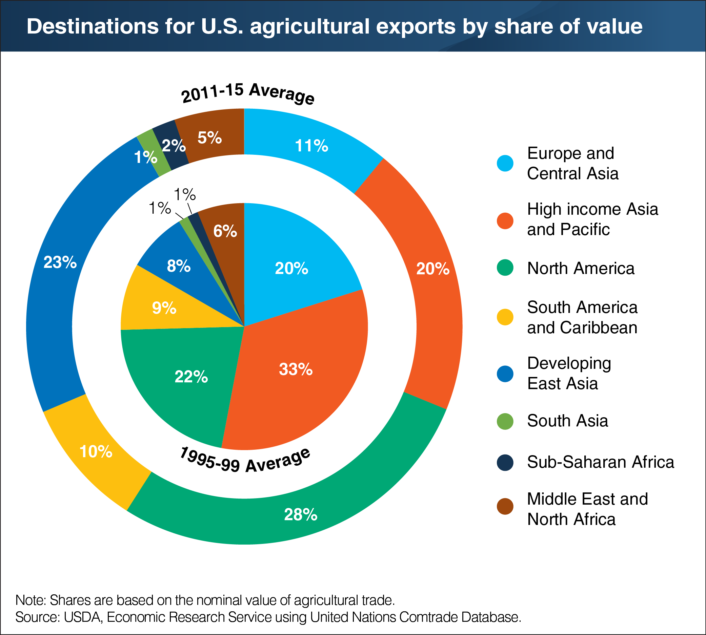
 | 1995-99 Average | 2011-15 Average |  | 1995-99 Average | 2011-15 Average | X | Y-Bar | X-Colum
Europe and Central Asia | 20 | 11 | High income Asia and Pacific | 33 | 20 | 16.5 | 0.5 | 0.8
High income Asia and Pacific | 33 | 20 | North America | 22 | 28 | 44 | 0.5 | 0.8
North America | 22 | 28 | Europe and Central Asia | 20 | 11 | 65 | 0.5 | 0.8
South America and Caribbean | 9 | 10 | South America and Caribbean | 9 | 10 | 79.5 | 0.5 | 0.8
Developing East Asia | 8 | 23 | Developing East Asia | 8 | 23 | 88 | 0.5 | 0.8
South Asia | 1 | 1 | Middle East and North Africa | 6 | 5 | 95 | 0.5 | 0.8
Sub-Saharan Africa | 1 | 2 | Sub-Saharan Africa | 1 | 2 | 98.5 | 0.5 | 0.8
Middle East and North Africa | 6 | 5 | South Asia | 1 | 1 | 99.5 | 0.5 | 0.8

