Final
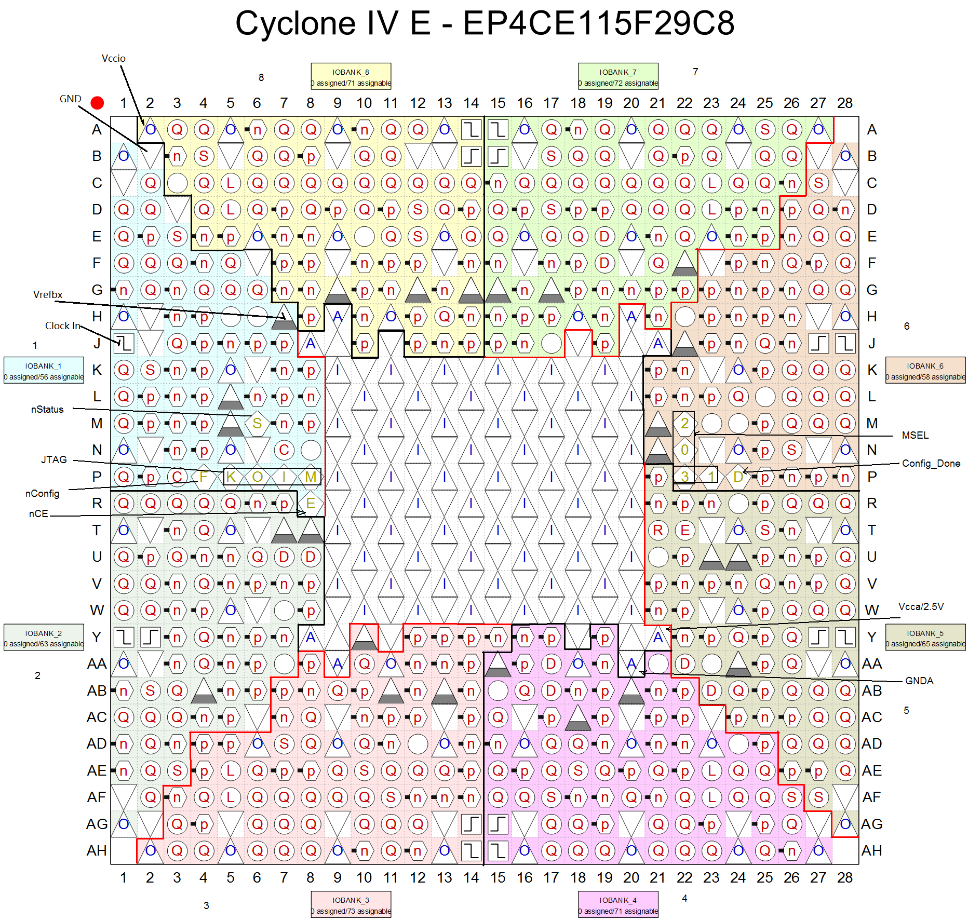
Net name | Direction | Pin | Bank | Bank Verf |  | Voltage | 原理图网络名 | 外接器件
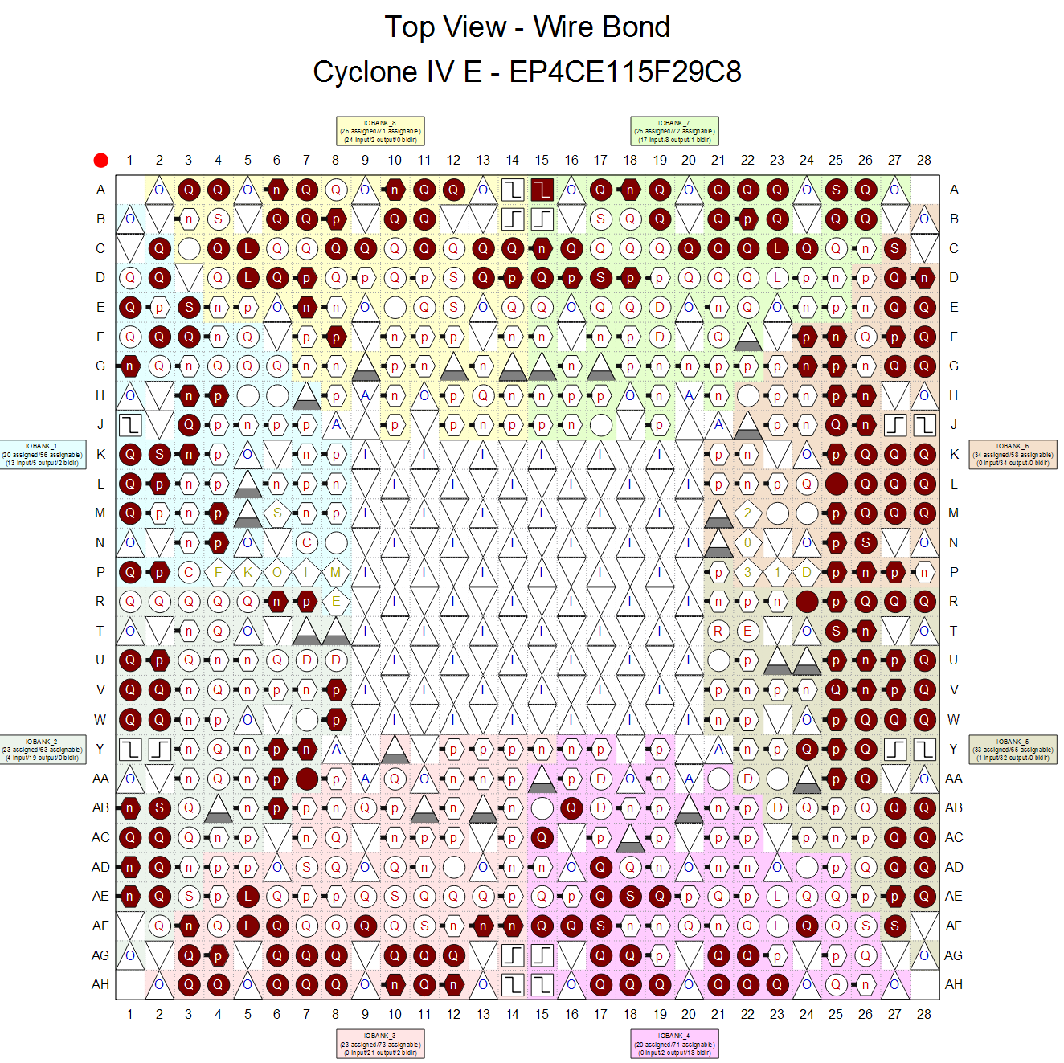
altmemddr_0_memory_mem_addr[12] | Output | PIN_AH8 | 3 | B3_N1 | PIN_AH8 | SSTL-18 Class II | DDR_ADD12 | DDR2
altmemddr_0_memory_mem_addr[11] | Output | PIN_AF3 | 3 | B3_N2 | PIN_AF3 | SSTL-18 Class II | DDR_ADD11 | DDR2
altmemddr_0_memory_mem_addr[10] | Output | PIN_AG11 | 3 | B3_N0 | PIN_AG11 | SSTL-18 Class II | DDR_ADD10 | DDR2
altmemddr_0_memory_mem_addr[9] | Output | PIN_AG8 | 3 | B3_N1 | PIN_AG8 | SSTL-18 Class II | DDR_ADD9 | DDR2
altmemddr_0_memory_mem_addr[8] | Output | PIN_AG3 | 3 | B3_N2 | PIN_AG3 | SSTL-18 Class II | DDR_ADD8 | DDR2
altmemddr_0_memory_mem_addr[7] | Output | PIN_AF9 | 3 | B3_N1 | PIN_AF9 | SSTL-18 Class II | DDR_ADD7 | DDR2
altmemddr_0_memory_mem_addr[6] | Output | PIN_AH3 | 3 | B3_N2 | PIN_AH3 | SSTL-18 Class II | DDR_ADD6 | DDR2
altmemddr_0_memory_mem_addr[5] | Output | PIN_AH10 | 3 | B3_N1 | PIN_AH10 | SSTL-18 Class II | DDR_ADD5 | DDR2
altmemddr_0_memory_mem_addr[4] | Output | PIN_AG4 | 3 | B3_N2 | PIN_AG4 | SSTL-18 Class II | DDR_ADD4 | DDR2
altmemddr_0_memory_mem_addr[3] | Output | PIN_AG10 | 3 | B3_N1 | PIN_AG10 | SSTL-18 Class II | DDR_ADD3 | DDR2
altmemddr_0_memory_mem_addr[2] | Output | PIN_AH4 | 3 | B3_N2 | PIN_AH4 | SSTL-18 Class II | DDR_ADD2 | DDR2
altmemddr_0_memory_mem_addr[1] | Output | PIN_AH11 | 3 | B3_N0 | PIN_AH11 | SSTL-18 Class II | DDR_ADD1 | DDR2
altmemddr_0_memory_mem_addr[0] | Output | PIN_AF6 | 3 | B3_N2 | PIN_AF6 | SSTL-18 Class II | DDR_ADD0 | DDR2
altmemddr_0_memory_mem_ba[1] | Output | PIN_AH12 | 3 | B3_N0 | PIN_AH12 | SSTL-18 Class II | DDR_BA1 | DDR2
altmemddr_0_memory_mem_ba[0] | Output | PIN_AG12 | 3 | B3_N0 | PIN_AG12 | SSTL-18 Class II | DDR_BA0 | DDR2
altmemddr_0_memory_mem_cas_n | Output | PIN_AG6 | 3 | B3_N2 | PIN_AG6 | SSTL-18 Class II | DDR_CAS# | DDR2
altmemddr_0_memory_mem_cke | Output | PIN_AF14 | 3 | B3_N0 | PIN_AF14 | SSTL-18 Class II | DDR_CKE | DDR2
altmemddr_0_memory_mem_clk | Bidir | PIN_AE5 | 3 | B3_N2 | PIN_AE5 | SSTL-18 Class II | DDR_CLK_P | DDR2
altmemddr_0_memory_mem_clk_n | Bidir | PIN_AF5 | 3 | B3_N2 | PIN_AF5 | SSTL-18 Class II | DDR_CLK_N | DDR2
altmemddr_0_memory_mem_cs_n | Output | PIN_AH6 | 3 | B3_N2 | PIN_AH6 | SSTL-18 Class II | DDR_CS# | DDR2
altmemddr_0_memory_mem_dm[1] | Output | PIN_AF24 | 4 | B4_N1 | PIN_AF24 | SSTL-18 Class II | DDR_UDM | DDR2
altmemddr_0_memory_mem_dm[0] | Output | PIN_AH18 | 4 | B4_N2 | PIN_AH18 | SSTL-18 Class II | DDR_LDM | DDR2
altmemddr_0_memory_mem_dq[15] | Bidir | PIN_AE19 | 4 | B4_N1 | PIN_AE19 | SSTL-18 Class II | DDR_DQ15 | DDR2
altmemddr_0_memory_mem_dq[14] | Bidir | PIN_AH23 | 4 | B4_N1 | PIN_AH23 | SSTL-18 Class II | DDR_DQ14 | DDR2
altmemddr_0_memory_mem_dq[13] | Bidir | PIN_AH22 | 4 | B4_N1 | PIN_AH22 | SSTL-18 Class II | DDR_DQ13 | DDR2
altmemddr_0_memory_mem_dq[12] | Bidir | PIN_AG22 | 4 | B4_N1 | PIN_AG22 | SSTL-18 Class II | DDR_DQ12 | DDR2
altmemddr_0_memory_mem_dq[11] | Bidir | PIN_AH21 | 4 | B4_N2 | PIN_AH21 | SSTL-18 Class II | DDR_DQ11 | DDR2
altmemddr_0_memory_mem_dq[10] | Bidir | PIN_AG21 | 4 | B4_N2 | PIN_AG21 | SSTL-18 Class II | DDR_DQ10 | DDR2
altmemddr_0_memory_mem_dq[9] | Bidir | PIN_AD17 | 4 | B4_N2 | PIN_AD17 | SSTL-18 Class II | DDR_DQ9 | DDR2
altmemddr_0_memory_mem_dq[8] | Bidir | PIN_AH19 | 4 | B4_N2 | PIN_AH19 | SSTL-18 Class II | DDR_DQ8 | DDR2
altmemddr_0_memory_mem_dq[7] | Bidir | PIN_AG18 | 4 | B4_N2 | PIN_AG18 | SSTL-18 Class II | DDR_DQ7 | DDR2
altmemddr_0_memory_mem_dq[6] | Bidir | PIN_AE17 | 4 | B4_N2 | PIN_AE17 | SSTL-18 Class II | DDR_DQ6 | DDR2
altmemddr_0_memory_mem_dq[5] | Bidir | PIN_AB16 | 4 | B4_N2 | PIN_AB16 | SSTL-18 Class II | DDR_DQ5 | DDR2
altmemddr_0_memory_mem_dq[4] | Bidir | PIN_AF16 | 4 | B4_N2 | PIN_AF16 | SSTL-18 Class II | DDR_DQ4 | DDR2
altmemddr_0_memory_mem_dq[3] | Bidir | PIN_AH17 | 4 | B4_N2 | PIN_AH17 | SSTL-18 Class II | DDR_DQ3 | DDR2
altmemddr_0_memory_mem_dq[2] | Bidir | PIN_AG17 | 4 | B4_N2 | PIN_AG17 | SSTL-18 Class II | DDR_DQ2 | DDR2
altmemddr_0_memory_mem_dq[1] | Bidir | PIN_AF15 | 4 | B4_N2 | PIN_AF15 | SSTL-18 Class II | DDR_DQ1 | DDR2
altmemddr_0_memory_mem_dq[0] | Bidir | PIN_AC15 | 4 | B4_N2 | PIN_AC15 | SSTL-18 Class II | DDR_DQ0 | DDR2
altmemddr_0_memory_mem_dqs[1] | Bidir | PIN_AE18 | 4 | B4_N2 | PIN_AE18 | SSTL-18 Class II | DDR_UDQSP | DDR2
altmemddr_0_memory_mem_dqs[0] | Bidir | PIN_AF17 | 4 | B4_N2 | PIN_AF17 | SSTL-18 Class II | DDR_LDQSP | DDR2
altmemddr_0_memory_mem_odt | Output | PIN_AH7 | 3 | B3_N1 | PIN_AH7 | SSTL-18 Class II | DDR_ODT | DDR2
altmemddr_0_memory_mem_ras_n | Output | PIN_AG7 | 3 | B3_N2 | PIN_AG7 | SSTL-18 Class II | DDR_RAS# | DDR2
altmemddr_0_memory_mem_we_n | Output | PIN_AF13 | 3 | B3_N0 | PIN_AF13 | SSTL-18 Class II | DDR_WE# | DDR2

 |  |  |  | B1_N2 | PIN_P4 |  | AS-nCONFIG | NCONFIG
 |  |  |  | B6_N2 | PIN_P24 |  | CONF_DONE | CONFIG-DONE
 |  |  |  | B1_N1 | PIN_M6 |  | nSTATUS | NSTATUS
 |  |  |  | B1_N2 | PIN_R8 |  | AS-nCE | NCE
 |  |  |  | B6_N2 | PIN_P23 |  | MSEL1 | MSEL1
 |  |  |  | B6_N2 | PIN_N22 |  | MSEL0 | MSEL0
 |  |  |  | B6_N2 | PIN_M22 |  | MSEL2 | MSEL2
 |  |  |  | B6_N2 | PIN_P22 |  | MSEL3 | MSEL3
 |  |  |  | B1_N2 | PIN_P5 |  | JTAG | TCK-JTAG
 |  |  |  | B1_N2 | PIN_P6 |  | JTAG | TDO-JTAG
 |  |  |  | B1_N2 | PIN_P8 |  | JTAG | TMS-JTAG
 |  |  |  | B1_N2 | PIN_P7 |  | JTAG | TDI-JTAG
 |  |  |  | B1_N0 | PIN_E2 |  | AS-nCSO | NCS
 |  |  |  | B1_N0 | PIN_F4 |  | AS-ASDO | ASDI
 |  |  |  | B1_N2 | PIN_P3 |  | AS-DCLK | DCLK-AS
 |  |  |  | B1_N2 | PIN_N7 |  | AS-DATA0 | DATA-AS

