Final
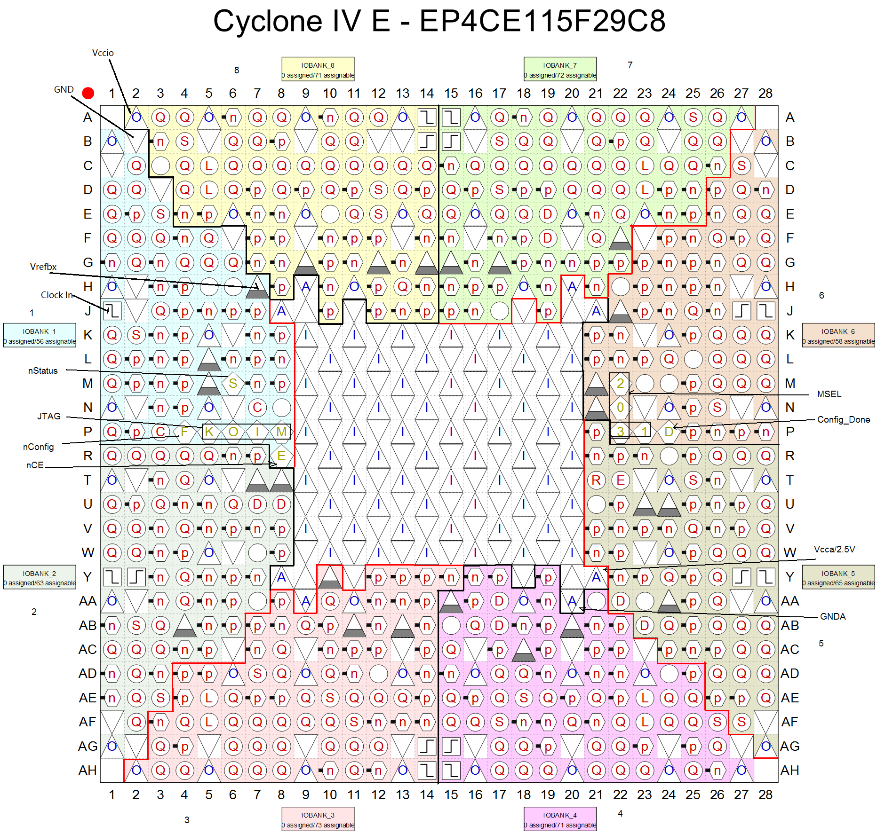
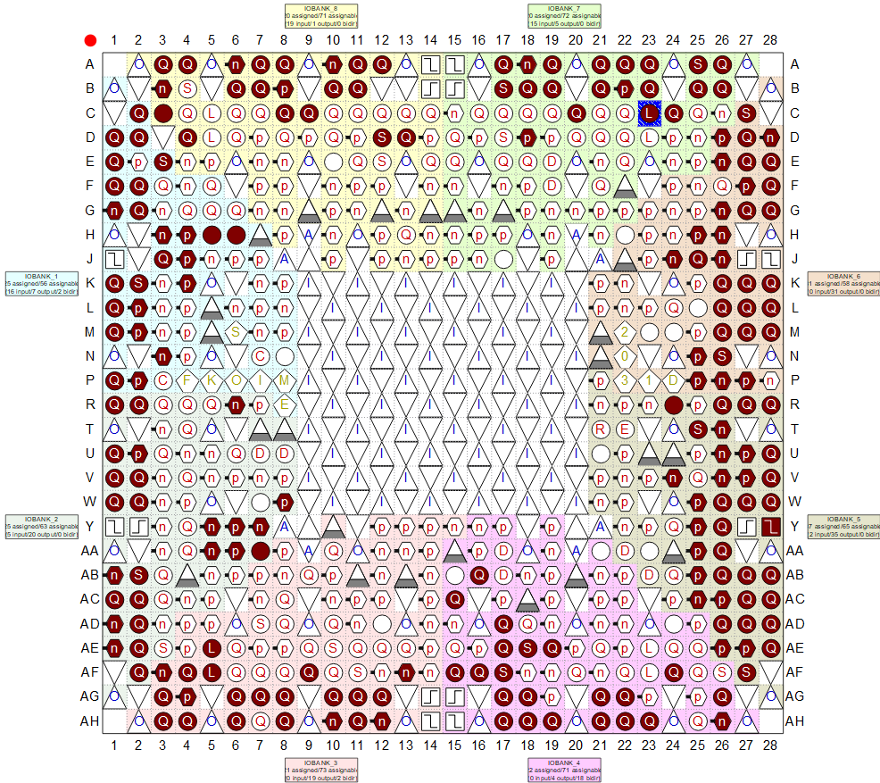
Net name | Direction | Pin | Bank | Bank Verf |  | Voltage | 原理图网络名 | 外接器件
AD1_CLK | Input | PIN_A3 | 8 | B8_N2 | PIN_A3 | 3.3-V LVCMOS | PDA1_CLK | 并行AD1 | A3
AD1_Data[13] | Input | PIN_C11 | 8 | B8_N1 | PIN_C11 | 3.3-V LVCMOS | PDA1_D13 | 并行AD1 | A12
AD1_Data[12] | Input | PIN_B11 | 8 | B8_N0 | PIN_B11 | 3.3-V LVCMOS | PDA1_D12 | 并行AD1 | B11
AD1_Data[11] | Input | PIN_A12 | 8 | B8_N0 | PIN_A12 | 3.3-V LVCMOS | PDA1_D11 | 并行AD1 | A11
AD1_Data[10] | Input | PIN_A11 | 8 | B8_N0 | PIN_A11 | 3.3-V LVCMOS | PDA1_D10 | 并行AD1 | B10
AD1_Data[9] | Input | PIN_B10 | 8 | B8_N0 | PIN_B10 | 3.3-V LVCMOS | PDA1_D9 | 并行AD1 | A10
AD1_Data[8] | Input | PIN_A10 | 8 | B8_N0 | PIN_A10 | 3.3-V LVCMOS | PDA1_D8 | 并行AD1 | C9
AD1_Data[7] | Input | PIN_C9 | 8 | B8_N1 | PIN_C9 | 3.3-V LVCMOS | PDA1_D7 | 并行AD1 | C8
AD1_Data[6] | Input | PIN_B8 | 8 | B8_N1 | PIN_B8 | 3.3-V LVCMOS | PDA1_D6 | 并行AD1 | A8
AD1_Data[5] | Input | PIN_A8 | 8 | B8_N1 | PIN_A8 | 3.3-V LVCMOS | PDA1_D5 | 并行AD1 | B8
AD1_Data[4] | Input | PIN_B7 | 8 | B8_N1 | PIN_B7 | 3.3-V LVCMOS | PDA1_D4 | 并行AD1 | A7
AD1_Data[3] | Input | PIN_A7 | 8 | B8_N1 | PIN_A7 | 3.3-V LVCMOS | PDA1_D3 | 并行AD1 | B7
AD1_Data[2] | Input | PIN_B6 | 8 | B8_N1 | PIN_B6 | 3.3-V LVCMOS | PDA1_D2 | 并行AD1 | A6
AD1_Data[1] | Input | PIN_A6 | 8 | B8_N1 | PIN_A6 | 3.3-V LVCMOS | PDA1_D1 | 并行AD1 | B6
AD1_Data[0] | Input | PIN_A4 | 8 | B8_N2 | PIN_A4 | 3.3-V LVCMOS | PDA1_D0 | 并行AD1 | A4
AD2_CLK | Input | PIN_A17 | 7 | B7_N2 | PIN_A17 | 3.3-V LVCMOS | PDA2_CLK | 并行AD2 | B17
AD2_Data[13] | Input | PIN_C24 | 7 | B7_N0 | PIN_C24 | 3.3-V LVCMOS | PDA2_D13 | 并行AD2 | C24
AD2_Data[12] | Input | PIN_C23 | 7 | B7_N0 | PIN_C23 | 3.3-V LVCMOS | PDA2_D12 | 并行AD2 | C23
AD2_Data[11] | Input | PIN_B23 | 7 | B7_N0 | PIN_B23 | 3.3-V LVCMOS | PDA2_D11 | 并行AD2 | A23
AD2_Data[10] | Input | PIN_A23 | 7 | B7_N0 | PIN_A23 | 3.3-V LVCMOS | PDA2_D10 | 并行AD2 | B23
AD2_Data[9] | Input | PIN_C22 | 7 | B7_N0 | PIN_C22 | 3.3-V LVCMOS | PDA2_D9 | 并行AD2 | A22
AD2_Data[8] | Input | PIN_B22 | 7 | B7_N1 | PIN_B22 | 3.3-V LVCMOS | PDA2_D8 | 并行AD2 | B22
AD2_Data[7] | Input | PIN_A22 | 7 | B7_N1 | PIN_A22 | 3.3-V LVCMOS | PDA2_D7 | 并行AD2 | A21
AD2_Data[6] | Input | PIN_C21 | 7 | B7_N0 | PIN_C21 | 3.3-V LVCMOS | PDA2_D6 | 并行AD2 | B21
AD2_Data[5] | Input | PIN_B21 | 7 | B7_N1 | PIN_B21 | 3.3-V LVCMOS | PDA2_D5 | 并行AD2 | C20
AD2_Data[4] | Input | PIN_A21 | 7 | B7_N1 | PIN_A21 | 3.3-V LVCMOS | PDA2_D4 | 并行AD2 | A19
AD2_Data[3] | Input | PIN_C20 | 7 | B7_N1 | PIN_C20 | 3.3-V LVCMOS | PDA2_D3 | 并行AD2 | B19
AD2_Data[2] | Input | PIN_B19 | 7 | B7_N1 | PIN_B19 | 3.3-V LVCMOS | PDA2_D2 | 并行AD2 | A18
AD2_Data[1] | Input | PIN_A19 | 7 | B7_N1 | PIN_A19 | 3.3-V LVCMOS | PDA2_D1 | 并行AD2 | B18
AD2_Data[0] | Input | PIN_A18 | 7 | B7_N1 | PIN_A18 | 3.3-V LVCMOS | PDA2_D0 | 并行AD2 | A17
AD11_CSB | Output | PIN_P1 | 1 | B1_N2 | PIN_P1 | 3.3-V LVCMOS | PDA11_CSB | 串行AD1 | P1
AD11_Data[7] | Input | PIN_H3 | 1 | B1_N0 | PIN_H3 | 3.3-V LVCMOS | PDA11_D15_D14 | 串行AD1 | J4 | 过孔
AD11_Data[6] | Input | PIN_J3 | 1 | B1_N1 | PIN_J3 | 3.3-V LVCMOS | PDA11_D13_D12 | 串行AD1 | K1
AD11_Data[5] | Input | PIN_K3 | 1 | B1_N1 | PIN_K3 | 3.3-V LVCMOS | PDA11_D11_D10 | 串行AD1 | K2
AD11_Data[4] | Input | PIN_K2 | 1 | B1_N1 | PIN_K2 | 3.3-V LVCMOS | PDA11_D9_8 | 串行AD1 | L1
AD11_Data[3] | Input | PIN_K1 | 1 | B1_N1 | PIN_K1 | 3.3-V LVCMOS | PDA11_D7_D6 | 串行AD1 | L2
AD11_Data[2] | Input | PIN_L2 | 1 | B1_N2 | PIN_L2 | 3.3-V LVCMOS | PDA11_D5_D4 | 串行AD1 | M1
AD11_Data[1] | Input | PIN_L1 | 1 | B1_N2 | PIN_L1 | 3.3-V LVCMOS | PDA11_D3_D2 | 串行AD1 | M2
AD11_Data[0] | Input | PIN_M1 | 1 | B1_N2 | PIN_M1 | 3.3-V LVCMOS | PDA11_D0_D1 | 串行AD1 | P2
AD11_Data_CLK | Input | PIN_G1 | 1 | B1_N1 | PIN_G1 | 3.3-V LVCMOS | PDA11_DCLK | 串行AD1 | J3
AD11_Sample_CLK | Output | PIN_V2 | 2 | B2_N0 | PIN_V2 | LVDS | PDA11_CLKIN+ | 串行AD1 | V2 | 过孔
AD11_SPI_CLK | Output | PIN_M4 | 1 | B1_N1 | PIN_M4 | 3.3-V LVCMOS | PDA11_SCLK | 串行AD1 | H4
AD11_SPI_SDIO | Bidir | PIN_N4 | 1 | B1_N2 | PIN_N4 | 3.3-V LVCMOS | PDA11_SDIO | 串行AD1 | H3
AD22_CSB | Output | PIN_F1 | 1 | B1_N1 | PIN_F1 | 3.3-V LVCMOS | PDA22_CSB | 串行AD2 | B3
AD22_Data[7] | Input | PIN_E7 | 8 | B8_N2 | PIN_E7 | 3.3-V LVCMOS | PDA22_D15_D14 | 串行AD2 | F3 | 过孔
AD22_Data[6] | Input | PIN_D7 | 8 | B8_N2 | PIN_D7 | 3.3-V LVCMOS | PDA22_D13_D12 | 串行AD2 | D1
AD22_Data[5] | Input | PIN_D6 | 8 | B8_N2 | PIN_D6 | 3.3-V LVCMOS | PDA22_D11_D10 | 串行AD2 | E3
AD22_Data[4] | Input | PIN_D5 | 8 | B8_N2 | PIN_D5 | 3.3-V LVCMOS | PDA22_D9_8 | 串行AD2 | E1
AD22_Data[3] | Input | PIN_C5 | 8 | B8_N2 | PIN_C5 | 3.3-V LVCMOS | PDA22_D7_D6 | 串行AD2 | F2
AD22_Data[2] | Input | PIN_C4 | 8 | B8_N2 | PIN_C4 | 3.3-V LVCMOS | PDA22_D5_D4 | 串行AD2 | F1
AD22_Data[1] | Input | PIN_C2 | 1 | B1_N0 | PIN_C2 | 3.3-V LVCMOS | PDA22_D3_D2 | 串行AD2 | G2
AD22_Data[0] | Input | PIN_D1 | 1 | B1_N0 | PIN_D1 | 3.3-V LVCMOS | PDA22_D0_D1 | 串行AD2 | G1
AD22_Data_CLK | Input | PIN_E1 | 1 | B1_N0 | PIN_E1 | 3.3-V LVCMOS | PDA22_DCLK | 串行AD2 | D2
AD22_Sample_CLK | Output | PIN_U2 | 2 | B2_N0 | PIN_U2 | LVDS | PDA22_CLKIN+ | 串行AD2 | U2 | 过孔
AD22_SPI_CLK | Output | PIN_F2 | 1 | B1_N1 | PIN_F2 | 3.3-V LVCMOS | PDA22_SCLK | 串行AD2 | C3
AD22_SPI_SDIO | Bidir | PIN_E3 | 1 | B1_N0 | PIN_E3 | 3.3-V LVCMOS | PDA22_SDIO | 串行AD2 | C2
altmemddr_0_memory_mem_addr[12] | Output | PIN_AH8 | 3 | B3_N1 | PIN_AH8 | SSTL-18 Class II | DDR_ADD12 | DDR2 |  | --
altmemddr_0_memory_mem_addr[11] | Output | PIN_AF3 | 3 | B3_N2 | PIN_AF3 | SSTL-18 Class II | DDR_ADD11 | DDR2 | AH3
altmemddr_0_memory_mem_addr[10] | Output | PIN_AG11 | 3 | B3_N0 | PIN_AG11 | SSTL-18 Class II | DDR_ADD10 | DDR2 | AH11
altmemddr_0_memory_mem_addr[9] | Output | PIN_AG8 | 3 | B3_N1 | PIN_AG8 | SSTL-18 Class II | DDR_ADD9 | DDR2 | AG7
altmemddr_0_memory_mem_addr[8] | Output | PIN_AG3 | 3 | B3_N2 | PIN_AG3 | SSTL-18 Class II | DDR_ADD8 | DDR2 | AG3
altmemddr_0_memory_mem_addr[7] | Output | PIN_AF9 | 3 | B3_N1 | PIN_AF9 | SSTL-18 Class II | DDR_ADD7 | DDR2 |  | --
altmemddr_0_memory_mem_addr[6] | Output | PIN_AH3 | 3 | B3_N2 | PIN_AH3 | SSTL-18 Class II | DDR_ADD6 | DDR2 | AG4
altmemddr_0_memory_mem_addr[5] | Output | PIN_AH10 | 3 | B3_N1 | PIN_AH10 | SSTL-18 Class II | DDR_ADD5 | DDR2 | AG8
altmemddr_0_memory_mem_addr[4] | Output | PIN_AG4 | 3 | B3_N2 | PIN_AG4 | SSTL-18 Class II | DDR_ADD4 | DDR2 | AF4
altmemddr_0_memory_mem_addr[3] | Output | PIN_AG10 | 3 | B3_N1 | PIN_AG10 | SSTL-18 Class II | DDR_ADD3 | DDR2 | AH10
altmemddr_0_memory_mem_addr[2] | Output | PIN_AH4 | 3 | B3_N2 | PIN_AH4 | SSTL-18 Class II | DDR_ADD2 | DDR2
altmemddr_0_memory_mem_addr[1] | Output | PIN_AH11 | 3 | B3_N0 | PIN_AH11 | SSTL-18 Class II | DDR_ADD1 | DDR2 | AG10
altmemddr_0_memory_mem_addr[0] | Output | PIN_AF6 | 3 | B3_N2 | PIN_AF6 | SSTL-18 Class II | DDR_ADD0 | DDR2 | AF3
altmemddr_0_memory_mem_ba[1] | Output | PIN_AH12 | 3 | B3_N0 | PIN_AH12 | SSTL-18 Class II | DDR_BA1 | DDR2
altmemddr_0_memory_mem_ba[0] | Output | PIN_AG12 | 3 | B3_N0 | PIN_AG12 | SSTL-18 Class II | DDR_BA0 | DDR2 | AG11
altmemddr_0_memory_mem_cas_n | Output | PIN_AG6 | 3 | B3_N2 | PIN_AG6 | SSTL-18 Class II | DDR_CAS# | DDR2 | AF5
altmemddr_0_memory_mem_cke | Output | PIN_AF14 | 3 | B3_N0 | PIN_AF14 | SSTL-18 Class II | DDR_CKE | DDR2 | AG12
altmemddr_0_memory_mem_clk | Bidir | PIN_AE5 | 3 | B3_N2 | PIN_AE5 | SSTL-18 Class II | DDR_CLK_P | DDR2 | AG6
altmemddr_0_memory_mem_clk_n | Bidir | PIN_AF5 | 3 | B3_N2 | PIN_AF5 | SSTL-18 Class II | DDR_CLK_N | DDR2 | AH6
altmemddr_0_memory_mem_cs_n | Output | PIN_AH6 | 3 | B3_N2 | PIN_AH6 | SSTL-18 Class II | DDR_CS# | DDR2 | AG26
altmemddr_0_memory_mem_dm[1] | Output | PIN_AF24 | 4 | B4_N1 | PIN_AF24 | SSTL-18 Class II | DDR_UDM | DDR2
altmemddr_0_memory_mem_dm[0] | Output | PIN_AH18 | 4 | B4_N2 | PIN_AH18 | SSTL-18 Class II | DDR_LDM | DDR2
altmemddr_0_memory_mem_dq[15] | Bidir | PIN_AE19 | 4 | B4_N1 | PIN_AE19 | SSTL-18 Class II | DDR_DQ15 | DDR2
altmemddr_0_memory_mem_dq[14] | Bidir | PIN_AH23 | 4 | B4_N1 | PIN_AH23 | SSTL-18 Class II | DDR_DQ14 | DDR2
altmemddr_0_memory_mem_dq[13] | Bidir | PIN_AH22 | 4 | B4_N1 | PIN_AH22 | SSTL-18 Class II | DDR_DQ13 | DDR2
altmemddr_0_memory_mem_dq[12] | Bidir | PIN_AG22 | 4 | B4_N1 | PIN_AG22 | SSTL-18 Class II | DDR_DQ12 | DDR2
altmemddr_0_memory_mem_dq[11] | Bidir | PIN_AH21 | 4 | B4_N2 | PIN_AH21 | SSTL-18 Class II | DDR_DQ11 | DDR2
altmemddr_0_memory_mem_dq[10] | Bidir | PIN_AG21 | 4 | B4_N2 | PIN_AG21 | SSTL-18 Class II | DDR_DQ10 | DDR2
altmemddr_0_memory_mem_dq[9] | Bidir | PIN_AD17 | 4 | B4_N2 | PIN_AD17 | SSTL-18 Class II | DDR_DQ9 | DDR2
altmemddr_0_memory_mem_dq[8] | Bidir | PIN_AH19 | 4 | B4_N2 | PIN_AH19 | SSTL-18 Class II | DDR_DQ8 | DDR2
altmemddr_0_memory_mem_dq[7] | Bidir | PIN_AG18 | 4 | B4_N2 | PIN_AG18 | SSTL-18 Class II | DDR_DQ7 | DDR2
altmemddr_0_memory_mem_dq[6] | Bidir | PIN_AE17 | 4 | B4_N2 | PIN_AE17 | SSTL-18 Class II | DDR_DQ6 | DDR2
altmemddr_0_memory_mem_dq[5] | Bidir | PIN_AB16 | 4 | B4_N2 | PIN_AB16 | SSTL-18 Class II | DDR_DQ5 | DDR2
altmemddr_0_memory_mem_dq[4] | Bidir | PIN_AF16 | 4 | B4_N2 | PIN_AF16 | SSTL-18 Class II | DDR_DQ4 | DDR2
altmemddr_0_memory_mem_dq[3] | Bidir | PIN_AH17 | 4 | B4_N2 | PIN_AH17 | SSTL-18 Class II | DDR_DQ3 | DDR2
altmemddr_0_memory_mem_dq[2] | Bidir | PIN_AG17 | 4 | B4_N2 | PIN_AG17 | SSTL-18 Class II | DDR_DQ2 | DDR2
altmemddr_0_memory_mem_dq[1] | Bidir | PIN_AF15 | 4 | B4_N2 | PIN_AF15 | SSTL-18 Class II | DDR_DQ1 | DDR2
altmemddr_0_memory_mem_dq[0] | Bidir | PIN_AC15 | 4 | B4_N2 | PIN_AC15 | SSTL-18 Class II | DDR_DQ0 | DDR2
altmemddr_0_memory_mem_dqs[1] | Bidir | PIN_AE18 | 4 | B4_N2 | PIN_AE18 | SSTL-18 Class II | DDR_UDQSP | DDR2
altmemddr_0_memory_mem_dqs[0] | Bidir | PIN_AF17 | 4 | B4_N2 | PIN_AF17 | SSTL-18 Class II | DDR_LDQSP | DDR2
altmemddr_0_memory_mem_odt | Output | PIN_AH7 | 3 | B3_N1 | PIN_AH7 | SSTL-18 Class II | DDR_ODT | DDR2 | AH26
altmemddr_0_memory_mem_ras_n | Output | PIN_AG7 | 3 | B3_N2 | PIN_AG7 | SSTL-18 Class II | DDR_RAS# | DDR2 | AE5
altmemddr_0_memory_mem_we_n | Output | PIN_AF13 | 3 | B3_N0 | PIN_AF13 | SSTL-18 Class II | DDR_WE# | DDR2 | AF13
DA1[13] | Output | PIN_A25 | 7 | B7_N0 | PIN_A25 | 3.3-V LVCMOS | D1_13 | DA1 | A25
DA1[12] | Output | PIN_B25 | 7 | B7_N0 | PIN_B25 | 3.3-V LVCMOS | D1_12 | DA1 | B25
DA1[11] | Output | PIN_A26 | 7 | B7_N0 | PIN_A26 | 3.3-V LVCMOS | D1_11 | DA1 | A26
DA1[10] | Output | PIN_B26 | 7 | B7_N0 | PIN_B26 | 3.3-V LVCMOS | D1_10 | DA1 | B26
DA1[9] | Output | PIN_C27 | 6 | B6_N0 | PIN_C27 | 3.3-V LVCMOS | D1_9 | DA1 | C27
DA1[8] | Output | PIN_D28 | 6 | B6_N0 | PIN_D28 | 3.3-V LVCMOS | D1_8 | DA1 | D26
DA1[7] | Output | PIN_D27 | 6 | B6_N0 | PIN_D27 | 3.3-V LVCMOS | D1_7 | DA1 | D28
DA1[6] | Output | PIN_E28 | 6 | B6_N1 | PIN_E28 | 3.3-V LVCMOS | D1_6 | DA1 | D27
DA1[5] | Output | PIN_E27 | 6 | B6_N1 | PIN_E27 | 3.3-V LVCMOS | D1_5 | DA1 | E26
DA1[4] | Output | PIN_F28 | 6 | B6_N1 | PIN_F28 | 3.3-V LVCMOS | D1_4 | DA1 | E28
DA1[3] | Output | PIN_F27 | 6 | B6_N1 | PIN_F27 | 3.3-V LVCMOS | D1_3 | DA1 | E27
DA1[2] | Output | PIN_G28 | 6 | B6_N1 | PIN_G28 | 3.3-V LVCMOS | D1_2 | DA1 | F27
DA1[1] | Output | PIN_G27 | 6 | B6_N1 | PIN_G27 | 3.3-V LVCMOS | D1_1 | DA1 | F28
DA1[0] | Output | PIN_H26 | 6 | B6_N1 | PIN_H26 | 3.3-V LVCMOS | D1_0 | DA1 | G26
DA1_CLK | Output | PIN_J26 | 6 | B6_N1 | PIN_J26 | 3.3-V LVCMOS | CLK1 | DA1 | G28
DA2[13] | Output | PIN_F25 | 6 | B6_N0 | PIN_F25 | 3.3-V LVCMOS | D2_13 | DA2 | J24 | 过孔
DA2[12] | Output | PIN_F24 | 6 | B6_N0 | PIN_F24 | 3.3-V LVCMOS | D2_12 | DA2 | J25
DA2[11] | Output | PIN_G24 | 6 | B6_N0 | PIN_G24 | 3.3-V LVCMOS | D2_11 | DA2 | J26
DA2[10] | Output | PIN_G25 | 6 | B6_N0 | PIN_G25 | 3.3-V LVCMOS | D2_10 | DA2 | K26
DA2[9] | Output | PIN_H25 | 6 | B6_N1 | PIN_H25 | 3.3-V LVCMOS | D2_9 | DA2 | K27
DA2[8] | Output | PIN_J25 | 6 | B6_N1 | PIN_J25 | 3.3-V LVCMOS | D2_8 | DA2 | K28
DA2[7] | Output | PIN_K28 | 6 | B6_N1 | PIN_K28 | 3.3-V LVCMOS | D2_7 | DA2 | L26
DA2[6] | Output | PIN_K27 | 6 | B6_N1 | PIN_K27 | 3.3-V LVCMOS | D2_6 | DA2 | L27
DA2[5] | Output | PIN_K26 | 6 | B6_N1 | PIN_K26 | 3.3-V LVCMOS | D2_5 | DA2 | L28
DA2[4] | Output | PIN_K25 | 6 | B6_N1 | PIN_K25 | 3.3-V LVCMOS | D2_4 | DA2 | M26
DA2[3] | Output | PIN_L28 | 6 | B6_N2 | PIN_L28 | 3.3-V LVCMOS | D2_3 | DA2 | M27
DA2[2] | Output | PIN_L27 | 6 | B6_N2 | PIN_L27 | 3.3-V LVCMOS | D2_2 | DA2 | M28
DA2[1] | Output | PIN_L26 | 6 | B6_N1 | PIN_L26 | 3.3-V LVCMOS | D2_1 | DA2 | N25
DA2[0] | Output | PIN_L25 | 6 | B6_N1 | PIN_L25 | 3.3-V LVCMOS | D2_0 | DA2 | N26
DA2_CLK | Output | PIN_M28 | 6 | B6_N2 | PIN_M28 | 3.3-V LVCMOS | CLK2 | DA2 | H25
DA2_WRT1 | Output | PIN_M27 | 6 | B6_N2 | PIN_M27 | 3.3-V LVCMOS | WRT1 | DA2 | G27
DA2_WRT2 | Output | PIN_M26 | 6 | B6_N2 | PIN_M26 | 3.3-V LVCMOS | WRT2 | DA2 | H26
DA3[13] | Output | PIN_M25 | 6 | B6_N2 | PIN_M25 | 3.3-V LVCMOS | D3_13 | DA3 | V24 | 过孔
DA3[12] | Output | PIN_N26 | 6 | B6_N2 | PIN_N26 | 3.3-V LVCMOS | D3_12 | DA3 | W25 | 过孔
DA3[11] | Output | PIN_N25 | 6 | B6_N2 | PIN_N25 | 3.3-V LVCMOS | D3_11 | DA3 | Y25
DA3[10] | Output | PIN_P27 | 6 | B6_N2 | PIN_P27 | 3.3-V LVCMOS | D3_10 | DA3 | Y26
DA3[9] | Output | PIN_P26 | 6 | B6_N2 | PIN_P26 | 3.3-V LVCMOS | D3_9 | DA3 | AA25
DA3[8] | Output | PIN_P25 | 6 | B6_N2 | PIN_P25 | 3.3-V LVCMOS | D3_8 | DA3 | AA26
DA3[7] | Output | PIN_R24 | 5 | B5_N0 | PIN_R24 | 3.3-V LVCMOS | D3_7 | DA3 | AB26
DA3[6] | Output | PIN_R28 | 5 | B5_N0 | PIN_R28 | 3.3-V LVCMOS | D3_6 | DA3 | AB27
DA3[5] | Output | PIN_R27 | 5 | B5_N0 | PIN_R27 | 3.3-V LVCMOS | D3_5 | DA3 | AB28
DA3[4] | Output | PIN_R26 | 5 | B5_N0 | PIN_R26 | 3.3-V LVCMOS | D3_4 | DA3 | AB25
DA3[3] | Output | PIN_R25 | 5 | B5_N0 | PIN_R25 | 3.3-V LVCMOS | D3_3 | DA3 | AC27
DA3[2] | Output | PIN_T25 | 5 | B5_N0 | PIN_T25 | 3.3-V LVCMOS | D3_2 | DA3 | AC28
DA3[1] | Output | PIN_T26 | 5 | B5_N0 | PIN_T26 | 3.3-V LVCMOS | D3_1 | DA3 | AC26
DA3[0] | Output | PIN_U28 | 5 | B5_N0 | PIN_U28 | 3.3-V LVCMOS | D3_0 | DA3 | AC25
DA3_CLK | Output | PIN_U27 | 5 | B5_N0 | PIN_U27 | 3.3-V LVCMOS | CLK3 | DA3 | W27
DA4[13] | Output | PIN_U26 | 5 | B5_N0 | PIN_U26 | 3.3-V LVCMOS | D4_13 | DA4 | P25 | 过孔
DA4[12] | Output | PIN_U25 | 5 | B5_N0 | PIN_U25 | 3.3-V LVCMOS | D4_12 | DA4 | R24 | 过孔
DA4[11] | Output | PIN_V28 | 5 | B5_N1 | PIN_V28 | 3.3-V LVCMOS | D4_11 | DA4 | P26
DA4[10] | Output | PIN_V27 | 5 | B5_N1 | PIN_V27 | 3.3-V LVCMOS | D4_10 | DA4 | P27
DA4[9] | Output | PIN_V26 | 5 | B5_N1 | PIN_V26 | 3.3-V LVCMOS | D4_9 | DA4 | R26
DA4[8] | Output | PIN_V25 | 5 | B5_N1 | PIN_V25 | 3.3-V LVCMOS | D4_8 | DA4 | R27
DA4[7] | Output | PIN_W28 | 5 | B5_N1 | PIN_W28 | 3.3-V LVCMOS | D4_7 | DA4 | R28
DA4[6] | Output | PIN_W27 | 5 | B5_N1 | PIN_W27 | 3.3-V LVCMOS | D4_6 | DA4 | T25
DA4[5] | Output | PIN_W26 | 5 | B5_N1 | PIN_W26 | 3.3-V LVCMOS | D4_5 | DA4 | T26
DA4[4] | Output | PIN_W25 | 5 | B5_N1 | PIN_W25 | 3.3-V LVCMOS | D4_4 | DA4 | U26
DA4[3] | Output | PIN_Y25 | 5 | B5_N1 | PIN_Y25 | 3.3-V LVCMOS | D4_3 | DA4 | U27
DA4[2] | Output | PIN_Y24 | 5 | B5_N2 | PIN_Y24 | 3.3-V LVCMOS | D4_2 | DA4 | U28
DA4[1] | Output | PIN_Y26 | 5 | B5_N1 | PIN_Y26 | 3.3-V LVCMOS | D4_1 | DA4 | V26
DA4[0] | Output | PIN_AA26 | 5 | B5_N1 | PIN_AA26 | 3.3-V LVCMOS | D4_0 | DA4 | V27
DA4_CLK | Output | PIN_AA25 | 5 | B5_N1 | PIN_AA25 | 3.3-V LVCMOS | CLK4 | DA4 | W26
DA4_WRT1 | Output | PIN_AB28 | 5 | B5_N1 | PIN_AB28 | 3.3-V LVCMOS | WRT3 | DA4 | W28
DA4_WRT2 | Output | PIN_AB27 | 5 | B5_N1 | PIN_AB27 | 3.3-V LVCMOS | WRT4 | DA4 | V28
DA5_nClear | Output | PIN_AC27 | 5 | B5_N2 | PIN_AC27 | 3.3-V LVCMOS | DA1_CLR | 低速SPI接口DA1 | AD27
DA5_nLdac | Output | PIN_AC28 | 5 | B5_N2 | PIN_AC28 | 3.3-V LVCMOS | DA1_LDAC | 低速SPI接口DA1 | AD26
DA5_nReset | Output | PIN_AD27 | 5 | B5_N2 | PIN_AD27 | 3.3-V LVCMOS | DA1_RST | 低速SPI接口DA1 | AD28
DA5_SPI_CLK | Output | PIN_AD28 | 5 | B5_N2 | PIN_AD28 | 3.3-V LVCMOS | DA1_SPI_SCLK | 低速SPI接口DA1 | AE26
DA5_SPI_nSYNC | Output | PIN_AE27 | 5 | B5_N2 | PIN_AE27 | 3.3-V LVCMOS | DA1_SPI_SYNC | 低速SPI接口DA1 | AF27
DA5_SPI_SDI | Input | PIN_AE28 | 5 | B5_N2 | PIN_AE28 | 3.3-V LVCMOS | DA1_SPI_SDO | 低速SPI接口DA1 | AE28
DA5_SPI_SDO | Output | PIN_AF27 | 5 | B5_N2 | PIN_AF27 | 3.3-V LVCMOS | DA1_SPI_SDI | 低速SPI接口DA1 | AE27
DP_AutoR_CLK | Output | PIN_D18 | 7 | B7_N1 | PIN_D18 | 3.3-V LVCMOS | DP_SPI_SCLK | 电位计 | J5
DP_SPI_nSYNC | Output | PIN_D17 | 7 | B7_N1 | PIN_D17 | 3.3-V LVCMOS | DP_SPI_SYNC | 电位计 | H5
DP_SPI_Reset | Output | PIN_D14 | 8 | B8_N0 | PIN_D14 | 3.3-V LVCMOS | DP_RST | 电位计 | K4
DP_SPI_SDI | Output | PIN_D15 | 7 | B7_N2 | PIN_D15 | 3.3-V LVCMOS | DP_SPI_SDI | 电位计 | J4
DP_SPI_SDO | Input | PIN_D16 | 7 | B7_N2 | PIN_D16 | 3.3-V LVCMOS | DP_SPI_SDO | 电位计 | H6
I2C_CLK | Bidir | PIN_C15 | 7 | B7_N2 | PIN_C15 | 3.3-V LVCMOS | I2C_CLK | 预留I2C
I2C_Data | Output | PIN_C16 | 7 | B7_N2 | PIN_C16 | 3.3-V LVCMOS | I2C_Data | 预留I2C
inclk0 | Input | PIN_A15 | 7 | B7_N2 | PIN_A15 | 3.3-V LVCMOS | SYS_CLK | 系统时钟
Key[3] | Input | PIN_Y7 | 2 | B2_N2 | PIN_Y7 | 2.5 V | KEY4 | 预留按键 | Y6
Key[2] | Input | PIN_R7 | 2 | B2_N0 | PIN_R7 | 2.5 V | KEY3 | 预留按键 | AA6
Key[1] | Input | PIN_R6 | 2 | B2_N0 | PIN_R6 | 2.5 V | KEY2 | 预留按键 | Y7
Key[0] | Input | PIN_V8 | 2 | B2_N1 | PIN_V8 | 2.5 V | KEY1 | 预留按键 | AA7
LED[5] | Output | PIN_Y6 | 2 | B2_N2 | PIN_Y6 | 3.3-V LVCMOS | LED6 | 预留指示灯 | PIN_L8
LED[4] | Output | PIN_P2 | 1 | B1_N2 | PIN_P2 | 3.3-V LVCMOS | LED5 | 预留指示灯 | PIN_R2
LED[3] | Output | PIN_AA7 | 2 | B2_N2 | PIN_AA7 | 2.5 V | LED4 | 预留指示灯 | PIN_R1
LED[2] | Output | PIN_AA6 | 2 | B2_N2 | PIN_AA6 | 2.5 V | LED3 | 预留指示灯 | PIN_Y5
LED[1] | Output | PIN_W8 | 2 | B2_N2 | PIN_W8 | 2.5 V | LED2 | 预留指示灯 | PIN_AA5
LED[0] | Output | PIN_AB6 | 2 | B2_N2 | PIN_AB6 | 2.5 V | LED1 | 预留指示灯 | PIN_AF2
LVDS_clk | Output | PIN_W2 | 2 | B2_N0 | PIN_W2 | LVDS | IO1 | 预留LVDS/TTL脚
LVDS_data[3] | Output | PIN_AE2 | 2 | B2_N1 | PIN_AE2 | LVDS | IO9 | 预留LVDS/TTL脚
LVDS_data[2] | Output | PIN_AD2 | 2 | B2_N1 | PIN_AD2 | LVDS | IO7 | 预留LVDS/TTL脚
LVDS_data[1] | Output | PIN_AC2 | 2 | B2_N1 | PIN_AC2 | LVDS | IO5 | 预留LVDS/TTL脚
LVDS_data[0] | Output | PIN_AB2 | 2 | B2_N0 | PIN_AB2 | LVDS | IO3 | 预留LVDS/TTL脚
LVDS_data[3](n) | Output | PIN_AE1 | 2 | B2_N1 | PIN_AE1 | LVDS | IO10 | 预留LVDS/TTL脚
LVDS_data[2](n) | Output | PIN_AD1 | 2 | B2_N1 | PIN_AD1 | LVDS | IO8 | 预留LVDS/TTL脚
LVDS_data[1](n) | Output | PIN_AC1 | 2 | B2_N1 | PIN_AC1 | LVDS | IO6 | 预留LVDS/TTL脚
LVDS_data[0](n) | Output | PIN_AB1 | 2 | B2_N0 | PIN_AB1 | LVDS | IO4 | 预留LVDS/TTL脚
reset_reset_n | Input | PIN_C13 | 8 | B8_N0 | PIN_C13 | 3.3-V LVCMOS | Reset | 系统复位脚
RXD | Input | PIN_C14 | 8 | B8_N0 | PIN_C14 | 3.3-V LVCMOS | RXD_2 | 串口 | PIN_D13
TXD | Output | PIN_D13 | 8 | B8_N0 | PIN_D13 | 3.3-V LVCMOS | TXD_2 | 串口 | PIN_C14
LVDS_clk(n) | Output | PIN_W1 | 2 | B2_N1 | PIN_W1 | LVDS | IO2 | 预留LVDS/TTL脚
AD11_Sample_CLK(n) | Output | PIN_V1 | 2 | B2_N0 | PIN_V1 | LVDS | PDA11_CLKIN- | 预留LVDS/TTL脚 |  | 过孔
AD22_Sample_CLK(n) | Output | PIN_U1 | 2 | B2_N0 | PIN_U1 | LVDS | PDA22_CLKIN- | 预留LVDS/TTL脚 |  | 过孔

 |  |  |  | B1_N2 | PIN_P4 |  | AS-nCONFIG | NCONFIG
 |  |  |  | B6_N2 | PIN_P24 |  | CONF_DONE | CONFIG-DONE
 |  |  |  | B1_N1 | PIN_M6 |  | nSTATUS | NSTATUS
 |  |  |  | B1_N2 | PIN_R8 |  | AS-nCE | NCE
 |  |  |  | B6_N2 | PIN_P23 |  | MSEL1 | MSEL1
 |  |  |  | B6_N2 | PIN_N22 |  | MSEL0 | MSEL0
 |  |  |  | B6_N2 | PIN_M22 |  | MSEL2 | MSEL2
 |  |  |  | B6_N2 | PIN_P22 |  | MSEL3 | MSEL3
 |  |  |  | B1_N2 | PIN_P5 |  | JTAG | TCK-JTAG
 |  |  |  | B1_N2 | PIN_P6 |  | JTAG | TDO-JTAG
 |  |  |  | B1_N2 | PIN_P8 |  | JTAG | TMS-JTAG
 |  |  |  | B1_N2 | PIN_P7 |  | JTAG | TDI-JTAG
 |  |  |  | B1_N0 | PIN_E2 |  | AS-nCSO | NCS
 |  |  |  | B1_N0 | PIN_F4 |  | AS-ASDO | ASDI
 |  |  |  | B1_N2 | PIN_P3 |  | AS-DCLK | DCLK-AS
 |  |  |  | B1_N2 | PIN_N7 |  | AS-DATA0 | DATA-AS

