mobilecall
variable_name (OLD) | DDM_parameters | SDM_parameters | powerpoint | mean_default | sd_default | min_default | max_default |  | unit | provider of data | distribution | personal_simulation | variable_definition | reference | level | group | comment | pp address
mpc_duration | mpc_duration | mpc_duration | Duration | 653.00 | 1940 | 0 | 14400 | G | seconds | input | truncated hurdle Gamma (renormalized for the range) | y | Call durations for all types of mobile phone calls | GOLIAT | 1 |  | G green box indicate that the values here have been updated by the most recent goliat input, hurdle zero proportion is set to 0.35 because hamed wrote this to me in teams
p_mpc.ear_prop | mpc_ear_prop | mpc_ear_prop | To ear | 0.45 | 0.33 | 0 | 1 | G | proportion | input | Dirichlet | y | propotion of mp_call_duration that the phone is kept against the head | GOLIAT | na
p_mpc.speaker_prop | x | speaker (backend) | speaker | 0.32 | 0.032 | 0 | 1 |  | proportion | Hamed, expert | Dirichlet | y | propotion of mp_call_duration that the phone is kept in front of mouth | GOLIAT | not input or parameter, it is calculated in code |  | we need to find a way to calculate the sd of speaker mode for backend!
 | mpc_headp_prop | mpc_headp_prop | headphone | 0.23 | 0.2 | 0 | 1 | G |  |  |  |  | propotion of mp_call_duration that a headphone is used during the call
 | headp_ear_num | headp_ear_num | Headphone number | 2.00 | 0.35 | 0 | 2 | G | proportion | input | Beta | y | propotion of mp_call_duration that the wireless headphone is used |  | na |  | this can not be decimal, should be 0, 1(14%), or 2(86%)
 |  | use_5g |  | 0.148589(yes) | 0.355704 | 0 | 1 |  |  | Hamed, expert | bernulli |  |  |  |  |  | choose randomly yes and no
mp position BT
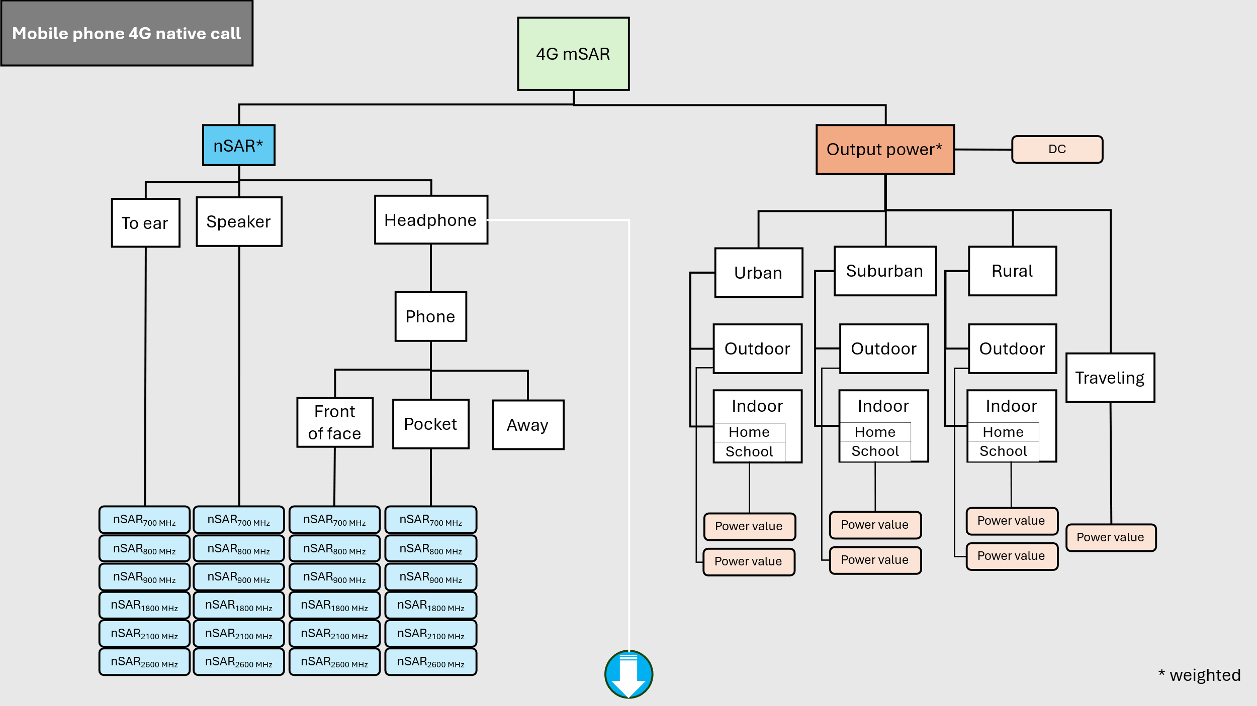
pb_mpc.headph_fof_prop | headp_face_prop | headp_face_prop | Front of face | 0.333 | 0.033 | 0 | 1 |  | proportion | Hamed, expert | Dirichlet | n | proportion of mp_headph_prop that the phone is in front of face |  | 1
pb_mpc.headph_pok_prop | headp_pock_prop | headp_pock_prop | Pocket | 0.333 | 0.033 | 0 | 1 |  | proportion | Hamed, expert | Dirichlet | n | proportion of mp_headph_prop that the phone is in pocket |  | 1
pb_mpc.headph_far_prop | headp_else_prop | headp_else_prop | Away | 0.333 | 0.033 | 0 | 1 |  | proportion | Hamed, expert | Dirichlet | n | proportion of mp_headph_prop that the phone is away from user |  | 1
mpc connection mode |  |  |  |  | 0.000
cm_mpc.native_prop | native_prop | native_prop |  | 0.7 | 0.07 | 0 | 1 |  | proportion | Hamed, expert | Dirichlet | y | proportion of mp_call_duration that the call is native |  | 1
cm_mpc.data_prop | data_prop | data_prop |  | 0.12 | 0.012 | 0 | 1 |  | proportion | Hamed, expert | Dirichlet | y | proportion of mp_call_duration over mobile data (data provided by the mobile network), data call |  | 1
cm_mpc.wifi_prop | wifi_prop | wifi_prop |  | 0.18 | 0.018 | 0 | 1 |  | proportion | Hamed, expert | Dirichlet | y | proportion of mp_call_duration over wifi (data provided by the wifi router), wifi call |  | 1
enviro.indoor_prop | home_prop | home_prop | home | 0.69 | 0.069 | 0 | 1 |  | proportion | Hamed, literature | Dirichlet | y | the proportion of a day that a person spends at home |  | 1
enviro.ourban_prop | outd_prop | outd_prop |  | 0.08 | 0.008 | 0 | 1 |  | proportion | Hamed, literature | Dirichlet | y | the proportion of a day that a person spends outdoor |  | 1
enviro.ovillage_prop | work_prop | work_prop | school | 0.21 | 0.021 | 0 | 1 |  | proportion | Hamed, literature | Dirichlet | y | the proportion of a day that a person spends at work |  | 1
enviro.trans_prop | travel_prop | travel_prop |  | 0.02 | 0.015 | 0 | 86400 | G | proportion | Hamed, literature | Dirichlet? | y | the proportion of a day that a person spends public transports | GOLIAT | na |  | proportion sd calculation:(absolut SD/mean)*mean proportion
enviro.trans_prop | travel_time | travel_time |  |  |  | 0 | 86400 | G |  | Hamed, literature |  | y | the proportion of a day that a person spends public transports | GOLIAT | na |  | proportion sd calculation:(absolut SD/mean)*mean proportion
 | mpd_wifi_prop_home | mpd_wifi_prop_home |  | 0.70 | 0.34 | 0 | 1 | G | proportion | input | beta |  | proportion of wifi connection at home |  | 1
 | mpd_wifi_prop_travel | mpd_wifi_prop_travel |  | 0.31 | 0.31 | 0 | 1 | G | proportion | input | beta |  | proportion of wifi connection while traveling |  | 1
 | mpd_wifi_prop_work | mpd_wifi_prop_work | urban | 0.47 | 0.38 | 0 | 1 | G | proportion | input | beta |  | proportion of wifi connection at work |  | 1
 |  | urban | suburban | 0.40 | 0.04 | 0 | 1 |  | proportion | input | Dirichlet |  | the proportion of a day that a person spends in urban area
 |  | suburban | rural | 0.50 | 0.05 | 0 | 1 |  | proportion | input | Dirichlet |  | the proportion of a day that a person spends in suburban area
 |  | rural |  | 0.10 | 0.01 | 0 | 1 |  | proportion | input | Dirichlet |  | the proportion of a day that a person spends in rural area
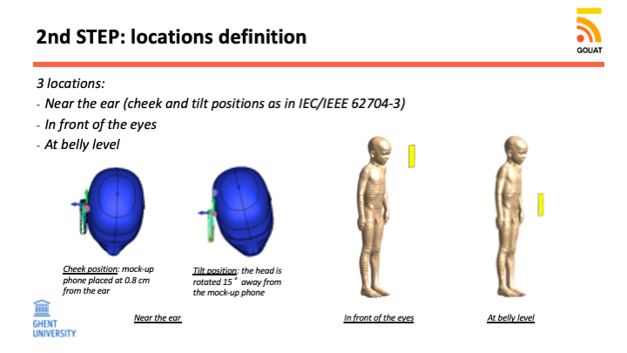
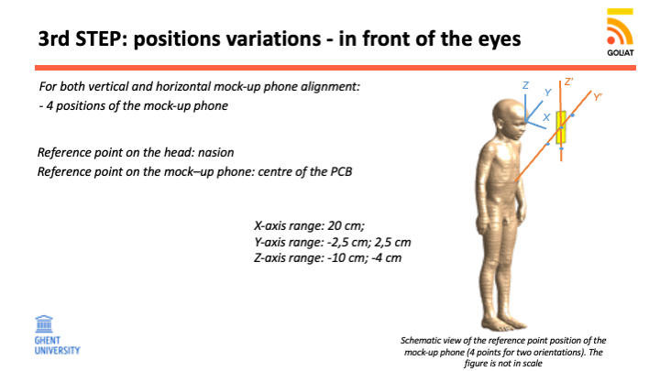
 |  | f900_2g_prop |  | 0.5 | 0.05 | 0 | 1 |  | proportion | Hamed, literature | Dirichlet | n | Probability of connection to a 900 MHz 2G transmitter |  | 3
 |  | f1800_2g_prop |  | 0.5 | 0.05 | 0 | 1 |  | proportion | Hamed, literature | Dirichlet | n | Probability of connection to a 1800 MHz 2G transmitter |  | 3
 |  | f900_3g_prop |  | 0.5 | 0.05 | 0 | 1 |  | proportion | Hamed, literature | Dirichlet | n | Probability of connection to a 900 MHz 3G transmitter |  | 3
 |  | f2100_3g_prop |  | 0.5 | 0.05 | 0 | 1 |  | proportion | Hamed, literature | Dirichlet | n | Probability of connection to a 2100 MHz 3G transmitter |  | 3
 |  | f700_4g_prop |  | 0.04 | 0.03 | 0 | 1 | G | proportion | Adriana | Dirichlet | n | Probability of connection to a 700 MHz 4G transmitter |  | 3
 |  | f800_4g_prop |  | 0.19 | 0.08 | 0 | 1 | G | proportion | Adriana | Dirichlet | n | Probability of connection to a 800 MHz 4G transmitter |  | 3
 |  | f900_4g_prop |  | 0.21 | 0.07 | 0 | 1 | G | proportion | Adriana | Dirichlet | n | Probability of connection to a 900 MHz 4G transmitter |  | 3
 |  | f1450_4g_prop |  | 0 | 0.00 | 0 | 1 | G | proportion | Adriana | Dirichlet | n | Probability of connection to a 1450 MHz 4G transmitter |  | 3
 |  | f1800_4g_prop |  | 0.28 | 0.06 | 0 | 1 | G | proportion | Adriana | Dirichlet | n | Probability of connection to a 1800 MHz 4G transmitter
 |  | f2100_4g_prop |  | 0.19 | 0.06 | 0 | 1 | G | proportion | Adriana | Dirichlet | n | Probability of connection to a 2100 MHz 4G transmitter |  | 3
 |  | f2600_4g_prop |  | 0.09 | 0.04 | 0 | 1 | G | proportion | Adriana | Dirichlet | n | Probability of connection to a 2600 MHz 4G transmitter |  | 3
 |  | f3500_5g_prop |  | 1 | 0.06 | 0 | 1 | G | proportion | Adriana | Dirichlet | n | Probability of connection to a 3500 MHz 5G transmitter |  | 3
 |  | f2400_bt_prop |  | 1
 |  | ear_cheek1_prop |  | 0.5 | 0.05 | 0 | 1 |  | proportion | expert | Dirichlet | n | Probability of the phone being in the ckeek_1 position during a phone call |  | 3
 |  | ear_cheek2_prop |  | 0.1 | 0.01 | 0 | 1 |  | proportion | expert | Dirichlet | n | Probability of the phone being in the ckeek_2 position during a phone call |  | 3
 |  | ear_cheek3_prop |  | 0.1 | 0.01 | 0 | 1 |  | proportion | expert | Dirichlet | n | Probability of the phone being in the ckeek_3 position during a phone call |  | 3
 |  | ear_tilt1_prop |  | 0.15 | 0.015 | 0 | 1 |  | proportion | expert | Dirichlet | n | Probability of the phone being in the tilt_1 position during a phone call |  | 3
 |  | ear_tilt2_prop |  | 0.075 | 0.0075 | 0 | 1 |  | proportion | expert | Dirichlet | n | Probability of the phone being in the tilt_2 position during a phone call |  | 3
 |  | ear_tilt3_prop |  | 0.075 | 0.0075 | 0 | 1 |  | proportion | expert | Dirichlet | n | Probability of the phone being in the tilt_3 position during a phone call |  | 3
 |  | front_eyes_cen_ver_prop |  | 0.6 | 0.06 | 0 | 1 |  | proportion | expert | Dirichlet | n | Probability of the phone being in the front_of_eyes_center_vertical during a phone call (headphone mode, front of face) |  | 3
 |  | front_eyes_cen_hor_prop |  | 0.1 | 0.01 | 0 | 1 |  | proportion | expert | Dirichlet | n | Probability of the phone being in the front_of_eyes_center_horizontal during a phone call (headphone mode, front of face) |  | 3
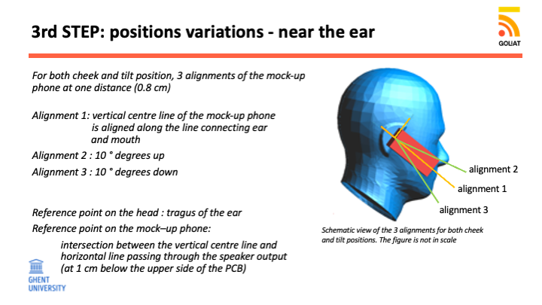
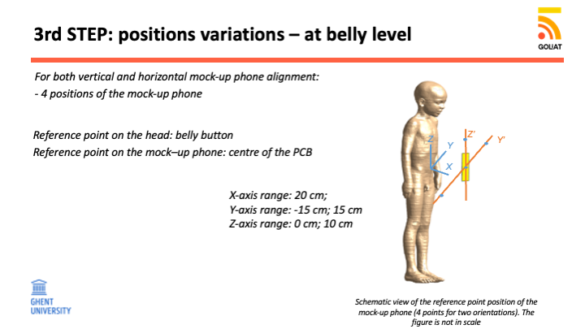
 |  | front_eyes_left_ver_prop |  | 0.07 | 0.007 | 0 | 1 |  | proportion | expert | Dirichlet | n | Probability of the phone being in the front_of_eyes_left_vertical during a phone call (headphone mode, front of face) |  | 3
 |  | front_eyes_left_hor_prop |  | 0.03 | 0.003 | 0 | 1 |  | proportion | expert | Dirichlet | n | Probability of the phone being in the front_of_eyes_left_horizontal during a phone call (headphone mode, front of face) |  | 3
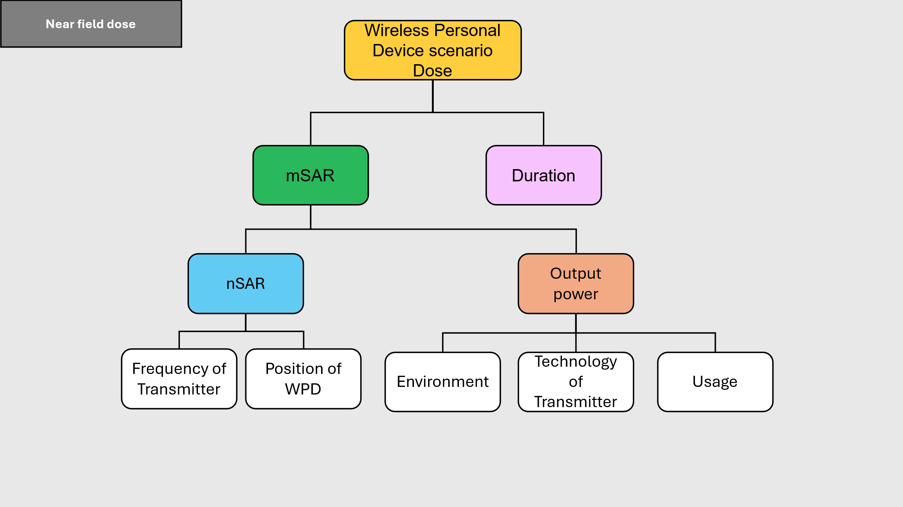
 |  | front_eyes_right_ver_prop |  | 0.07 | 0.007 | 0 | 1 |  | proportion | expert | Dirichlet | n | Probability of the phone being in the front_of_eyes_right_vertical during a phone call (headphone mode, front of face) |  | 3
 |  | front_eyes_right_hor_prop |  | 0.03 | 0.003 | 0 | 1 |  | proportion | expert | Dirichlet | n | Probability of the phone being in the front_of_eyes_right_horizontal during a phone call (headphone mode, front of face) |  | 3
 |  | front_eyes_down_ver_prop |  | 0.07 | 0.007 | 0 | 1 |  | proportion | expert | Dirichlet | n | Probability of the phone being in the front_of_eyes_down_vertical during a phone call (headphone mode, front of face) |  | 3
 |  | front_eyes_down_hor_prop |  | 0.03 | 0.003 | 0 | 1 |  | proportion | expert | Dirichlet | n | Probability of the phone being in the front_of_eyes_down_horizontal during a phone call (headphone mode, front of face) |  | 3
 |  | belly_cen_ver_prop |  | 0.02 | 0.002 | 0 | 1 |  | proportion | expert | Dirichlet | n | Probability of the phone being in thebelly_level_center_vertical during a phone call (headphone mode, pocket) |  | 3
 |  | belly_cen_hor_prop |  | 0.02 | 0.002 | 0 | 1 |  | proportion | expert | Dirichlet | n | Probability of the phone being in the belly_level_center_horizontal during a phone call (headphone mode, pocket) |  | 3
 |  | belly_left_ver_prop |  | 0.2 | 0.02 | 0 | 1 |  | proportion | expert | Dirichlet | n | Probability of the phone being in the belly_level_left_vertical during a phone call (headphone mode, pocket) |  | 3
 |  | belly_left_hor_prop |  | 0.01 | 0.001 | 0 | 1 |  | proportion | expert | Dirichlet | n | Probability of the phone being in the belly_level_left_horizontal during a phone call (headphone mode, pocket) |  | 3
 |  | belly_right_ver_prop |  | 0.7 | 0.07 | 0 | 1 |  | proportion | expert | Dirichlet | n | Probability of the phone being in the belly_level_right_vertical during a phone call (headphone mode, pocket) |  | 3
 |  | belly_right_hor_prop |  | 0.01 | 0.001 | 0 | 1 |  | proportion | expert | Dirichlet | n | Probability of the phone being in the belly_level_right_horizontal during a phone call (headphone mode, pocket) |  | 3
 |  | belly_up_ver_prop |  | 0.03 | 0.003 | 0 | 1 |  | proportion | expert | Dirichlet | n | Probability of the phone being in the belly_level_up_vertical during a phone call (headphone mode, pocket) |  | 3
 |  | belly_up_hor_prop |  | 0.01 | 0.001 | 0 | 1 |  | proportion | expert | Dirichlet | n | Probability of the phone being in the belly_level_up_horizontal during a phone call (headphone mode, pocket) |  | 3
 | Brain SAR | Brain SAR |  |  |  |  |  |  |  |  |  |  | Brain normalized SAR
 | native_2g_ear_sar | native_2g_ear_sar |  | ? |  |  |  |  | W/kg/W | wp1.5 | lookup table | n | normalized SAR for a frequency of 2G transmitter, phone to ear |  | lookup_table
 | native_2g_headp_face_sar | native_2g_headp_face_sar |  | ? |  |  |  |  | W/kg/W | wp1.5 | lookup table | n | normalized SAR for a frequency of 2G transmitter,phone in front of eye |  | lookup_table
 | native_2g_headp_pock_sar | native_2g_headp_pock_sar |  | ? |  |  |  |  | W/kg/W | wp1.5 | lookup table | n | normalized SAR for a frequency of 2G transmitter,phone in pocket |  | lookup_table
 | native_2g_headp_else_sar | native_2g_headp_else_sar |  | ? |  |  |  |  | W/kg/W | wp1.5 | lookup table | n | normalized SAR for a frequency of 2G transmitter,phone away, always=0 |  | lookup_table
 | native_2g_speaker_sar | native_2g_speaker_sar |  | ? |  |  |  |  | W/kg/W | wp1.5 | lookup table | n | normalized SAR for a frequency of 2G transmitter,phone in front of eye (if possible make a 10 cm simulation) |  | lookup_table
 | native_3g_ear_sar | native_3g_ear_sar |  | ? |  |  |  |  | W/kg/W | wp1.5 | lookup table | n | normalized SAR for a frequency of 3G transmitter, phone to ear |  | lookup_table
 | native_3g_headp_face_sar | native_3g_headp_face_sar |  | ? |  |  |  |  | W/kg/W | wp1.5 | lookup table | n | normalized SAR for a frequency of 3G transmitter,phone in front of eye |  | lookup_table
 | native_3g_headp_pock_sar | native_3g_headp_pock_sar |  | ? |  |  |  |  | W/kg/W | wp1.5 | lookup table | n | normalized SAR for a frequency of 3G transmitter,phone in pocket |  | lookup_table
 | native_3g_headp_else_sar | native_3g_headp_else_sar |  | ? |  |  |  |  | W/kg/W | wp1.5 | lookup table | n | normalized SAR for a frequency of 3G transmitter,phone away, always=0 |  | lookup_table
 | native_3g_speaker_sar | native_3g_speaker_sar |  | ? |  |  |  |  | W/kg/W | wp1.5 | lookup table | n | normalized SAR for a frequency of 3G transmitter,phone in front of eye (if possible make a 10 cm simulation) |  | lookup_table
 | native_4g_ear_sar | native_4g_ear_sar |  | ? |  |  |  |  | W/kg/W | wp1.5 | lookup table | n | normalized SAR for a frequency of 4G transmitter, phone to ear |  | lookup_table
 | native_4g_headp_face_sar | native_4g_headp_face_sar |  | ? |  |  |  |  | W/kg/W | wp1.5 | lookup table | n | normalized SAR for a frequency of 4G transmitter,phone in front of eye |  | lookup_table
 | native_4g_headp_pock_sar | native_4g_headp_pock_sar |  | ? |  |  |  |  | W/kg/W | wp1.5 | lookup table | n | normalized SAR for a frequency of 4G transmitter,phone in pocket |  | lookup_table
 | native_4g_headp_else_sar | native_4g_headp_else_sar |  | ? |  |  |  |  | W/kg/W | wp1.5 | lookup table | n | normalized SAR for a frequency of 4G transmitter,phone away, always=0 |  | lookup_table
 | native_4g_speaker_sar | native_4g_speaker_sar |  | ? |  |  |  |  | W/kg/W | wp1.5 | lookup table | n | normalized SAR for a frequency of 4G transmitter,phone in front of eye (if possible make a 10 cm simulation) |  | lookup_table
 | native_5g_ear_sar | native_5g_ear_sar |  | ? |  |  |  |  | W/kg/W | wp1.5 | lookup table | n | normalized SAR for a frequency of 5G transmitter, phone to ear |  | lookup_table
 | native_5g_headp_face_sar | native_5g_headp_face_sar |  | ? |  |  |  |  | W/kg/W | wp1.5 | lookup table | n | normalized SAR for a frequency of 5G transmitter,phone in front of eye |  | lookup_table
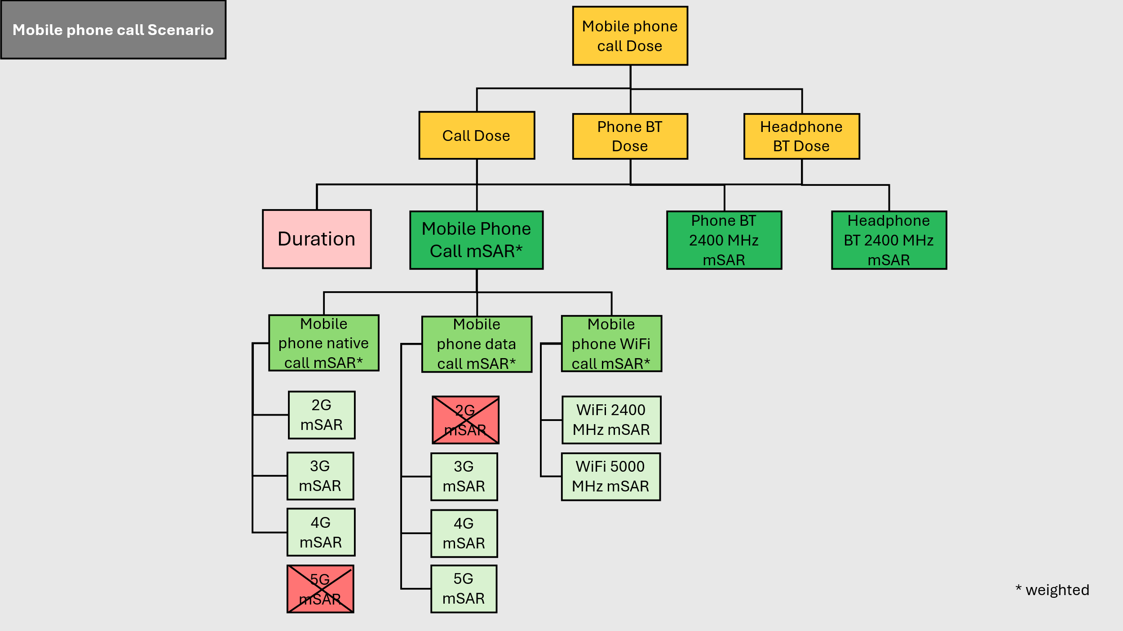
 | native_5g_headp_pock_sar | native_5g_headp_pock_sar |  | ? |  |  |  |  | W/kg/W | wp1.5 | lookup table | n | normalized SAR for a frequency of 5G transmitter,phone in pocket |  | lookup_table
 | native_5g_headp_else_sar | native_5g_headp_else_sar |  | ? |  |  |  |  | W/kg/W | wp1.5 | lookup table | n | normalized SAR for a frequency of 5G transmitter,phone away, always=0 |  | lookup_table
 | native_5g_speaker_sar | native_5g_speaker_sar |  | ? |  |  |  |  | W/kg/W | wp1.5 | lookup table | n | normalized SAR for a frequency of 5G transmitter,phone in front of eye (if possible make a 10 cm simulation) |  | lookup_table
 | data_2g_ear_sar | data_2g_ear_sar |  | ? |  |  |  |  | W/kg/W | wp1.5 | lookup table | n | normalized SAR for a frequency of 2G transmitter, phone to ear |  | lookup_table
 | data_2g_headp_face_sar | data_2g_headp_face_sar |  | ? |  |  |  |  | W/kg/W | wp1.5 | lookup table | n | normalized SAR for a frequency of 2G transmitter,phone in front of eye |  | lookup_table
 | data_2g_headp_pock_sar | data_2g_headp_pock_sar |  | ? |  |  |  |  | W/kg/W | wp1.5 | lookup table | n | normalized SAR for a frequency of 2G transmitter,phone in pocket |  | lookup_table
 | data_2g_headp_else_sar | data_2g_headp_else_sar |  | ? |  |  |  |  | W/kg/W | wp1.5 | lookup table | n | normalized SAR for a frequency of 2G transmitter,phone away, always=0 |  | lookup_table
 | data_2g_speaker_sar | data_2g_speaker_sar |  | ? |  |  |  |  | W/kg/W | wp1.5 | lookup table | n | normalized SAR for a frequency of 2G transmitter,phone in front of eye (if possible make a 10 cm simulation) |  | lookup_table
 | data_3g_ear_sar | data_3g_ear_sar |  | ? |  |  |  |  | W/kg/W | wp1.5 | lookup table | n | normalized SAR for a frequency of 3G transmitter, phone to ear |  | lookup_table
 | data_3g_headp_face_sar | data_3g_headp_face_sar |  | ? |  |  |  |  | W/kg/W | wp1.5 | lookup table | n | normalized SAR for a frequency of 3G transmitter,phone in front of eye |  | lookup_table
 | data_3g_headp_pock_sar | data_3g_headp_pock_sar |  | ? |  |  |  |  | W/kg/W | wp1.5 | lookup table | n | normalized SAR for a frequency of 3G transmitter,phone in pocket |  | lookup_table
 | data_3g_headp_else_sar | data_3g_headp_else_sar |  | ? |  |  |  |  | W/kg/W | wp1.5 | lookup table | n | normalized SAR for a frequency of 3G transmitter,phone away, always=0 |  | lookup_table
 | data_3g_speaker_sar | data_3g_speaker_sar |  | ? |  |  |  |  | W/kg/W | wp1.5 | lookup table | n | normalized SAR for a frequency of 3G transmitter,phone in front of eye (if possible make a 10 cm simulation) |  | lookup_table
 | data_4g_ear_sar | data_4g_ear_sar |  | ? |  |  |  |  | W/kg/W | wp1.5 | lookup table | n | normalized SAR for a frequency of 4G transmitter, phone to ear |  | lookup_table
 | data_4g_headp_face_sar | data_4g_headp_face_sar |  | ? |  |  |  |  | W/kg/W | wp1.5 | lookup table | n | normalized SAR for a frequency of 4G transmitter,phone in front of eye |  | lookup_table
 | data_4g_headp_pock_sar | data_4g_headp_pock_sar |  | ? |  |  |  |  | W/kg/W | wp1.5 | lookup table | n | normalized SAR for a frequency of 4G transmitter,phone in pocket |  | lookup_table
 | data_4g_headp_else_sar | data_4g_headp_else_sar |  | ? |  |  |  |  | W/kg/W | wp1.5 | lookup table | n | normalized SAR for a frequency of 4G transmitter,phone away, always=0 |  | lookup_table
 | data_4g_speaker_sar | data_4g_speaker_sar |  | ? |  |  |  |  | W/kg/W | wp1.5 | lookup table | n | normalized SAR for a frequency of 4G transmitter,phone in front of eye (if possible make a 10 cm simulation) |  | lookup_table
 | data_5g_ear_sar | data_5g_ear_sar |  | ? |  |  |  |  | W/kg/W | wp1.5 | lookup table | n | normalized SAR for a frequency of 5G transmitter, phone to ear |  | lookup_table
 | data_5g_headp_face_sar | data_5g_headp_face_sar |  | ? |  |  |  |  | W/kg/W | wp1.5 | lookup table | n | normalized SAR for a frequency of 5G transmitter,phone in front of eye |  | lookup_table
 | data_5g_headp_pock_sar | data_5g_headp_pock_sar |  | ? |  |  |  |  | W/kg/W | wp1.5 | lookup table | n | normalized SAR for a frequency of 5G transmitter,phone in pocket |  | lookup_table
 | data_5g_headp_else_sar | data_5g_headp_else_sar |  | ? |  |  |  |  | W/kg/W | wp1.5 | lookup table | n | normalized SAR for a frequency of 5G transmitter,phone away, always=0 |  | lookup_table
 | data_5g_speaker_sar | data_5g_speaker_sar |  | ? |  |  |  |  | W/kg/W | wp1.5 | lookup table | n | normalized SAR for a frequency of 5G transmitter,phone in front of eye (if possible make a 10 cm simulation) |  | lookup_table
 | wifi_2_ear_sar | wifi_2_ear_sar |  | ? |  |  |  |  | W/kg/W | wp1.5 | lookup table | n | normalized SAR for a frequency of 2G transmitter, phone to ear |  | lookup_table
 | wifi_2_headp_face_sar | wifi_2_headp_face_sar |  | ? |  |  |  |  | W/kg/W | wp1.5 | lookup table | n | normalized SAR for a frequency of wifi2 (2.4 ghz) transmitter,phone in front of eye |  | lookup_table
 | wifi_2_headp_pock_sar | wifi_2_headp_pock_sar |  | ? |  |  |  |  | W/kg/W | wp1.5 | lookup table | n | normalized SAR for a frequency of wifi2 (2.4 ghz) transmitter,phone in pocket |  | lookup_table
 | wifi_2_headp_else_sar | wifi_2_headp_else_sar |  | ? |  |  |  |  | W/kg/W | wp1.5 | lookup table | n | normalized SAR for a frequency of wifi2 (2.4 ghz) transmitter,phone away, always=0 |  | lookup_table
 | wifi_2_speaker_sar | wifi_2_speaker_sar |  | ? |  |  |  |  | W/kg/W | wp1.5 | lookup table | n | normalized SAR for a frequency of wifi2 (2.4 ghz) transmitter,phone in front of eye (if possible make a 10 cm simulation) |  | lookup_table
 | wifi_5_ear_sar | wifi_5_ear_sar |  | ? |  |  |  |  | W/kg/W | wp1.5 | lookup table | n | normalized SAR for a frequency of wifi5 transmitter, phone to ear |  | lookup_table
 | wifi_5_headp_face_sar | wifi_5_headp_face_sar |  | ? |  |  |  |  | W/kg/W | wp1.5 | lookup table | n | normalized SAR for a frequency of wifi5 transmitter,phone in front of eye |  | lookup_table
 | wifi_5_headp_pock_sar | wifi_5_headp_pock_sar |  | ? |  |  |  |  | W/kg/W | wp1.5 | lookup table | n | normalized SAR for a frequency of wifi5 transmitter,phone in pocket |  | lookup_table
 | wifi_5_headp_else_sar | wifi_5_headp_else_sar |  | ? |  |  |  |  | W/kg/W | wp1.5 | lookup table | n | normalized SAR for a frequency of wifi5 transmitter,phone away, always=0 |  | lookup_table
 | wifi_5_speaker_sar | wifi_5_speaker_sar |  | ? |  |  |  |  | W/kg/W | wp1.5 | lookup table | n | normalized SAR for a frequency of wifi5 transmitter,phone in front of eye (if possible make a 10 cm simulation) |  | lookup_table
 | bt_phone_face_sar | bt_phone_face_sar |  | ? |  |  |  |  | W/kg/W | wp1.5 | lookup table | n | normalized SAR for a frequency of 2.4 ghz transmitter,phone in front of eye |  | lookup_table
 | bt_phone_pock_sar | bt_phone_pock_sar |  | ? |  |  |  |  | W/kg/W | wp1.5 | lookup table | n | normalized SAR for a frequency of 2.4 ghz transmitter,phone in pocket |  | lookup_table
 | bt_phone_else_sar | bt_phone_else_sar |  | ? |  |  |  |  | W/kg/W | wp1.5 | lookup table | n | normalized SAR for a frequency of 2.4 ghz transmitter,phone away, always=0 |  | lookup_table
 | bt_headp_sar | bt_headp_sar |  | ? |  |  |  |  | W/kg/W | wp1.5 | lookup table | n | normalized SAR for a frequency of 2.4 ghz transmitter, phone to ear |  | lookup_table
 | whole body SAR | whole body SAR |  |  |  |  |  |  |  |  |  | n | whole body SAR
 | native_2g_ear_sar | native_2g_ear_sar |  | ? |  |  |  |  | W/kg/W | wp1.5 | lookup table | n | normalized SAR for a frequency of 2G transmitter, phone to ear |  | lookup_table
 | native_2g_headp_face_sar | native_2g_headp_face_sar |  | ? |  |  |  |  | W/kg/W | wp1.5 | lookup table | n | normalized SAR for a frequency of 2G transmitter,phone in front of eye |  | lookup_table
 | native_2g_headp_pock_sar | native_2g_headp_pock_sar |  | ? |  |  |  |  | W/kg/W | wp1.5 | lookup table | n | normalized SAR for a frequency of 2G transmitter,phone in pocket |  | lookup_table
 | native_2g_headp_else_sar | native_2g_headp_else_sar |  | ? |  |  |  |  | W/kg/W | wp1.5 | lookup table | n | normalized SAR for a frequency of 2G transmitter,phone away, always=0 |  | lookup_table
 | native_2g_speaker_sar | native_2g_speaker_sar |  | ? |  |  |  |  | W/kg/W | wp1.5 | lookup table | n | normalized SAR for a frequency of 2G transmitter,phone in front of eye (if possible make a 10 cm simulation) |  | lookup_table
 | native_3g_ear_sar | native_3g_ear_sar |  | ? |  |  |  |  | W/kg/W | wp1.5 | lookup table | n | normalized SAR for a frequency of 3G transmitter, phone to ear |  | lookup_table
 | native_3g_headp_face_sar | native_3g_headp_face_sar |  | ? |  |  |  |  | W/kg/W | wp1.5 | lookup table | n | normalized SAR for a frequency of 3G transmitter,phone in front of eye |  | lookup_table
 | native_3g_headp_pock_sar | native_3g_headp_pock_sar |  | ? |  |  |  |  | W/kg/W | wp1.5 | lookup table | n | normalized SAR for a frequency of 3G transmitter,phone in pocket |  | lookup_table
 | native_3g_headp_else_sar | native_3g_headp_else_sar |  | ? |  |  |  |  | W/kg/W | wp1.5 | lookup table | n | normalized SAR for a frequency of 3G transmitter,phone away, always=0 |  | lookup_table
 | native_3g_speaker_sar | native_3g_speaker_sar |  | ? |  |  |  |  | W/kg/W | wp1.5 | lookup table | n | normalized SAR for a frequency of 3G transmitter,phone in front of eye (if possible make a 10 cm simulation) |  | lookup_table
 | native_4g_ear_sar | native_4g_ear_sar |  | ? |  |  |  |  | W/kg/W | wp1.5 | lookup table | n | normalized SAR for a frequency of 4G transmitter, phone to ear |  | lookup_table
 | native_4g_headp_face_sar | native_4g_headp_face_sar |  | ? |  |  |  |  | W/kg/W | wp1.5 | lookup table | n | normalized SAR for a frequency of 4G transmitter,phone in front of eye |  | lookup_table
 | native_4g_headp_pock_sar | native_4g_headp_pock_sar |  | ? |  |  |  |  | W/kg/W | wp1.5 | lookup table | n | normalized SAR for a frequency of 4G transmitter,phone in pocket |  | lookup_table
 | native_4g_headp_else_sar | native_4g_headp_else_sar |  | ? |  |  |  |  | W/kg/W | wp1.5 | lookup table | n | normalized SAR for a frequency of 4G transmitter,phone away, always=0 |  | lookup_table
 | native_4g_speaker_sar | native_4g_speaker_sar |  | ? |  |  |  |  | W/kg/W | wp1.5 | lookup table | n | normalized SAR for a frequency of 4G transmitter,phone in front of eye (if possible make a 10 cm simulation) |  | lookup_table
 | native_5g_ear_sar | native_5g_ear_sar |  | ? |  |  |  |  | W/kg/W | wp1.5 | lookup table | n | normalized SAR for a frequency of 5G transmitter, phone to ear |  | lookup_table
 | native_5g_headp_face_sar | native_5g_headp_face_sar |  | ? |  |  |  |  | W/kg/W | wp1.5 | lookup table | n | normalized SAR for a frequency of 5G transmitter,phone in front of eye |  | lookup_table
 | native_5g_headp_pock_sar | native_5g_headp_pock_sar |  | ? |  |  |  |  | W/kg/W | wp1.5 | lookup table | n | normalized SAR for a frequency of 5G transmitter,phone in pocket |  | lookup_table
 | native_5g_headp_else_sar | native_5g_headp_else_sar |  | ? |  |  |  |  | W/kg/W | wp1.5 | lookup table | n | normalized SAR for a frequency of 5G transmitter,phone away, always=0 |  | lookup_table
 | native_5g_speaker_sar | native_5g_speaker_sar |  | ? |  |  |  |  | W/kg/W | wp1.5 | lookup table | n | normalized SAR for a frequency of 5G transmitter,phone in front of eye (if possible make a 10 cm simulation) |  | lookup_table
 | data_2g_ear_sar | data_2g_ear_sar |  | ? |  |  |  |  | W/kg/W | wp1.5 | lookup table | n | normalized SAR for a frequency of 2G transmitter, phone to ear |  | lookup_table
 | data_2g_headp_face_sar | data_2g_headp_face_sar |  | ? |  |  |  |  | W/kg/W | wp1.5 | lookup table | n | normalized SAR for a frequency of 2G transmitter,phone in front of eye |  | lookup_table
 | data_2g_headp_pock_sar | data_2g_headp_pock_sar |  | ? |  |  |  |  | W/kg/W | wp1.5 | lookup table | n | normalized SAR for a frequency of 2G transmitter,phone in pocket |  | lookup_table
 | data_2g_headp_else_sar | data_2g_headp_else_sar |  | ? |  |  |  |  | W/kg/W | wp1.5 | lookup table | n | normalized SAR for a frequency of 2G transmitter,phone away, always=0 |  | lookup_table
 | data_2g_speaker_sar | data_2g_speaker_sar |  | ? |  |  |  |  | W/kg/W | wp1.5 | lookup table | n | normalized SAR for a frequency of 2G transmitter,phone in front of eye (if possible make a 10 cm simulation) |  | lookup_table
 | data_3g_ear_sar | data_3g_ear_sar |  | ? |  |  |  |  | W/kg/W | wp1.5 | lookup table | n | normalized SAR for a frequency of 3G transmitter, phone to ear |  | lookup_table
 | data_3g_headp_face_sar | data_3g_headp_face_sar |  | ? |  |  |  |  | W/kg/W | wp1.5 | lookup table | n | normalized SAR for a frequency of 3G transmitter,phone in front of eye |  | lookup_table
 | data_3g_headp_pock_sar | data_3g_headp_pock_sar |  | ? |  |  |  |  | W/kg/W | wp1.5 | lookup table | n | normalized SAR for a frequency of 3G transmitter,phone in pocket |  | lookup_table
 | data_3g_headp_else_sar | data_3g_headp_else_sar |  | ? |  |  |  |  | W/kg/W | wp1.5 | lookup table | n | normalized SAR for a frequency of 3G transmitter,phone away, always=0 |  | lookup_table
 | data_3g_speaker_sar | data_3g_speaker_sar |  | ? |  |  |  |  | W/kg/W | wp1.5 | lookup table | n | normalized SAR for a frequency of 3G transmitter,phone in front of eye (if possible make a 10 cm simulation) |  | lookup_table
 | data_4g_ear_sar | data_4g_ear_sar |  | ? |  |  |  |  | W/kg/W | wp1.5 | lookup table | n | normalized SAR for a frequency of 4G transmitter, phone to ear |  | lookup_table
 | data_4g_headp_face_sar | data_4g_headp_face_sar |  | ? |  |  |  |  | W/kg/W | wp1.5 | lookup table | n | normalized SAR for a frequency of 4G transmitter,phone in front of eye |  | lookup_table
 | data_4g_headp_pock_sar | data_4g_headp_pock_sar |  | ? |  |  |  |  | W/kg/W | wp1.5 | lookup table | n | normalized SAR for a frequency of 4G transmitter,phone in pocket |  | lookup_table
 | data_4g_headp_else_sar | data_4g_headp_else_sar |  | ? |  |  |  |  | W/kg/W | wp1.5 | lookup table | n | normalized SAR for a frequency of 4G transmitter,phone away, always=0 |  | lookup_table
 | data_4g_speaker_sar | data_4g_speaker_sar |  | ? |  |  |  |  | W/kg/W | wp1.5 | lookup table | n | normalized SAR for a frequency of 4G transmitter,phone in front of eye (if possible make a 10 cm simulation) |  | lookup_table
 | data_5g_ear_sar | data_5g_ear_sar |  | ? |  |  |  |  | W/kg/W | wp1.5 | lookup table | n | normalized SAR for a frequency of 5G transmitter, phone to ear |  | lookup_table
 | data_5g_headp_face_sar | data_5g_headp_face_sar |  | ? |  |  |  |  | W/kg/W | wp1.5 | lookup table | n | normalized SAR for a frequency of 5G transmitter,phone in front of eye |  | lookup_table
 | data_5g_headp_pock_sar | data_5g_headp_pock_sar |  | ? |  |  |  |  | W/kg/W | wp1.5 | lookup table | n | normalized SAR for a frequency of 5G transmitter,phone in pocket |  | lookup_table
 | data_5g_headp_else_sar | data_5g_headp_else_sar |  | ? |  |  |  |  | W/kg/W | wp1.5 | lookup table | n | normalized SAR for a frequency of 5G transmitter,phone away, always=0 |  | lookup_table
 | data_5g_speaker_sar | data_5g_speaker_sar |  | ? |  |  |  |  | W/kg/W | wp1.5 | lookup table | n | normalized SAR for a frequency of 5G transmitter,phone in front of eye (if possible make a 10 cm simulation) |  | lookup_table
 | wifi_2_ear_sar | wifi_2_ear_sar |  | ? |  |  |  |  | W/kg/W | wp1.5 | lookup table | n | normalized SAR for a frequency of 2G transmitter, phone to ear |  | lookup_table
 | wifi_2_headp_face_sar | wifi_2_headp_face_sar |  | ? |  |  |  |  | W/kg/W | wp1.5 | lookup table | n | normalized SAR for a frequency of wifi2 (2.4 ghz) transmitter,phone in front of eye |  | lookup_table
 | wifi_2_headp_pock_sar | wifi_2_headp_pock_sar |  | ? |  |  |  |  | W/kg/W | wp1.5 | lookup table | n | normalized SAR for a frequency of wifi2 (2.4 ghz) transmitter,phone in pocket |  | lookup_table
 | wifi_2_headp_else_sar | wifi_2_headp_else_sar |  | ? |  |  |  |  | W/kg/W | wp1.5 | lookup table | n | normalized SAR for a frequency of wifi2 (2.4 ghz) transmitter,phone away, always=0 |  | lookup_table
 | wifi_2_speaker_sar | wifi_2_speaker_sar |  | ? |  |  |  |  | W/kg/W | wp1.5 | lookup table | n | normalized SAR for a frequency of wifi2 (2.4 ghz) transmitter,phone in front of eye (if possible make a 10 cm simulation) |  | lookup_table
 | wifi_5_ear_sar | wifi_5_ear_sar |  | ? |  |  |  |  | W/kg/W | wp1.5 | lookup table | n | normalized SAR for a frequency of wifi5 transmitter, phone to ear |  | lookup_table
 | wifi_5_headp_face_sar | wifi_5_headp_face_sar |  | ? |  |  |  |  | W/kg/W | wp1.5 | lookup table | n | normalized SAR for a frequency of wifi5 transmitter,phone in front of eye |  | lookup_table
 | wifi_5_headp_pock_sar | wifi_5_headp_pock_sar |  | ? |  |  |  |  | W/kg/W | wp1.5 | lookup table | n | normalized SAR for a frequency of wifi5 transmitter,phone in pocket |  | lookup_table
 | wifi_5_headp_else_sar | wifi_5_headp_else_sar |  | ? |  |  |  |  | W/kg/W | wp1.5 | lookup table | n | normalized SAR for a frequency of wifi5 transmitter,phone away, always=0 |  | lookup_table
 | wifi_5_speaker_sar | wifi_5_speaker_sar |  | ? |  |  |  |  | W/kg/W | wp1.5 | lookup table | n | normalized SAR for a frequency of wifi5 transmitter,phone in front of eye (if possible make a 10 cm simulation) |  | lookup_table
 | bt_phone_face_sar | bt_phone_face_sar |  | ? |  |  |  |  | W/kg/W | wp1.5 | lookup table | n | normalized SAR for a frequency of 2.4 ghz transmitter,phone in front of eye |  | lookup_table
 | bt_phone_pock_sar | bt_phone_pock_sar |  | ? |  |  |  |  | W/kg/W | wp1.5 | lookup table | n | normalized SAR for a frequency of 2.4 ghz transmitter,phone in pocket |  | lookup_table
 | bt_phone_else_sar | bt_phone_else_sar |  | ? |  |  |  |  | W/kg/W | wp1.5 | lookup table | n | normalized SAR for a frequency of 2.4 ghz transmitter,phone away, always=0 |  | lookup_table
 | bt_headp_sar | bt_headp_sar |  | ? |  |  |  |  | W/kg/W | wp1.5 | lookup table | n | normalized SAR for a frequency of 2.4 ghz transmitter, phone to ear (headphone transmitter) |  | lookup_table
dis_indoor.f7_prop | x | x |  |  | 0 |  |  |  | proportion | Adriana | Dirichlet | n | proportion of 700 MHz frequency in indoors mobile communication signals
dis_indoor.f8_prop | x | x |  |  | 0 |  |  |  | proportion | Adriana | Dirichlet | n | proportion of 800 MHz frequency in indoors mobile communication signals
dis_indoor.f9_prop | x | x |  |  | 0 |  |  |  | proportion | Adriana | Dirichlet | n | proportion of 900 MHz frequency in indoors mobile communication signals
dis_indoor.f18_prop | x | x |  |  | 0 |  |  |  | proportion | Adriana | Dirichlet | n | proportion of 1800 MHz frequency in indoors mobile communication signals
dis_indoor.f21_prop | x | x |  |  | 0 |  |  |  | proportion | Adriana | Dirichlet | n | proportion of 2100 MHz frequency in indoors mobile communication signals
dis_indoor.f26_prop | x | x |  |  | 0 |  |  |  | proportion | Adriana | Dirichlet | n | proportion of 2600 MHz frequency in indoorsmobile communication signals
dis_indoor.f35_prop | x | x |  |  | 0 |  |  |  | proportion | Adriana | Dirichlet | n | proportion of 3500 MHz frequency in indoors mobile communication signals
dis_ourban.f7_prop | x | x |  |  | 0 |  |  |  | proportion | Adriana | Dirichlet | n | proportion of 700 MHz frequency in outdoor urban mobile communication signals
dis_ourban.f8_prop | x | x |  |  | 0 |  |  |  | proportion | Adriana | Dirichlet | n | proportion of 800 MHz frequency in outdoor urban mobile communication signals
dis_ourban.f9_prop | x | x |  |  | 0 |  |  |  | proportion | Adriana | Dirichlet | n | proportion of 900 MHz frequency in outdoor urban mobile communication signals
dis_ourban.f18_prop | x | x |  |  | 0 |  |  |  | proportion | Adriana | Dirichlet | n | proportion of 1800 MHz frequency in outdoor urban mobile communication signals
dis_ourban.f21_prop | x | x |  |  | 0 |  |  |  | proportion | Adriana | Dirichlet | n | proportion of 2100 MHz frequency in outdoor urban mobile communication signals
dis_ourban.f26_prop | x | x |  |  | 0 |  |  |  | proportion | Adriana | Dirichlet | n | proportion of 2600 MHz frequency in outdoor urban mobile communication signals
dis_ourban.f35_prop | x | x |  |  | 0 |  |  |  | proportion | Adriana | Dirichlet | n | proportion of 3500 MHz frequency in outdoor urban mobile communication signals
dis_ovillage.f7_prop | x | x |  |  | 0 |  |  |  | proportion | Adriana | Dirichlet | n | proportion of 700 MHz frequency in outdoor village mobile communication signals
dis_ovillage.f8_prop | x | x |  |  | 0 |  |  |  | proportion | Adriana | Dirichlet | n | proportion of 800 MHz frequency in outdoor village mobile communication signals
dis_ovillage.f9_prop | x | x |  |  | 0 |  |  |  | proportion | Adriana | Dirichlet | n | proportion of 900 MHz frequency in outdoor village mobile communication signals
dis_ovillage.f18_prop | x | x |  |  | 0 |  |  |  | proportion | Adriana | Dirichlet | n | proportion of 1800 MHz frequency in outdoor village mobile communication signals
dis_ovillage.f21_prop | x | x |  |  | 0 |  |  |  | proportion | Adriana | Dirichlet | n | proportion of 2100 MHz frequency in outdoor village mobile communication signals
dis_ovillage.f26_prop | x | x |  |  | 0 |  |  |  | proportion | Adriana | Dirichlet | n | proportion of 2600 MHz frequency in outdoor village mobile communication signals
dis_ovillage.f35_prop | x | x |  |  | 0 |  |  |  | proportion | Adriana | Dirichlet | n | proportion of 3500 MHz frequency in outdoor village mobile communication signals
dis_trans.f7_prop | x | x |  |  | 0 |  |  |  | proportion | Adriana | Dirichlet | n | proportion of 700 MHz frequency in public transport mobile communication signals
dis_trans.f8_prop | x | x |  |  | 0 |  |  |  | proportion | Adriana | Dirichlet | n | proportion of 800 MHz frequency in public transport mobile communication signals
dis_trans.f9_prop | x | x |  |  | 0 |  |  |  | proportion | Adriana | Dirichlet | n | proportion of 900 MHz frequency in public transport mobile communication signals
dis_trans.f18_prop | x | x |  |  | 0 |  |  |  | proportion | Adriana | Dirichlet | n | proportion of 1800 MHz frequency in public transport mobile communication signals
dis_trans.f21_prop | x | x |  |  | 0 |  |  |  | proportion | Adriana | Dirichlet | n | proportion of 2100 MHz frequency in public transport mobile communication signals
dis_trans.f26_prop | x | x |  |  | 0 |  |  |  | proportion | Adriana | Dirichlet | n | proportion of 2600 MHz frequency in public transport mobile communication signals
dis_trans.f35_prop | x | x |  |  | 0 |  |  |  | proportion | Adriana | Dirichlet | n | proportion of 3500 MHz frequency in public transport mobile communication signals

dis_wifi.2_prop | wifi_2_prop | wifi_2_prop |  | 0.58 | 0.058 | 0 | 1 |  | proportion | Hamed, expert | Beta | n | proportion of wifi 2 router
dis_wifi.5_prop | wifi_5_prop | wifi_5_prop |  | 0.42 | 0.042 | 0 | 1 |  | proportion | Hamed, expert | Beta | n | proportion of wifi 5 router
 | native_2g_prop | native_2g_prop |  | 0.0075 | 0.004 | 0 | 1 | D | proportion | hamed, literature | Dirichlet | n | 2G network coverage and usage in europe |  | 1
dis_net.3g_prop | native_3g_prop | native_3g_prop |  | 0.0175 | 0.018 | 0 | 1 | D | proportion | hamed, literature | Dirichlet | n | 3G network coverage and usage in europe |  | 1
dis_net.4g_prop | native_4g_prop | native_4g_prop |  | 0.975 | 0.311 | 0 | 1 | D | proportion | hamed, literature | Dirichlet | n | 4G network coverage and usage in europe |  | 1
dis_net.5g_prop | native_5g_prop | native_5g_prop |  | 0 | 0.332 | 0 | 1 | D | proportion | hamed, literature | Dirichlet | n | 5G network coverage and usage in europe |  | 1
 | data_2g_prop | data_2g_prop |  | 0 | 0 | 0 | 1 | D | proportion | hamed, literature | Dirichlet | n | probability of mobile phone data call over 2G transsmiter, with 5G true |  | 1
 | data_3g_prop | data_3g_prop |  | 0.02 | 0.01 | 0 | 1 | D | proportion | hamed, literature | Dirichlet | n | probability of mobile phone data call over 3G transsmiter, with 5G true |  | 1
 | data_4g_prop | data_4g_prop |  | 0.66 | 0.31 | 0 | 1 | D | proportion | hamed, literature | Dirichlet | n | probability of mobile phone data call over 4G transsmiter, with 5G true |  | 1
 | data_5g_prop | data_5g_prop |  | 0.315 | 0.33 | 0 | 1 | D | proportion | hamed, literature | Dirichlet | n | probability of mobile phone data call over 5G transsmiter, with 5G true |  | 1
 | data_2g_prop_no5g | data_2g_prop_no5g |  | 0 | 0 | 0 | 1 |  | proportion | hamed, literature | Dirichlet | n | probability of mobile phone data call over 2G transsmiter, with 5G false |  | 1
 | data_3g_prop_no5g | data_3g_prop_no5g |  | 0.02 | 0.002 | 0 | 1 |  | proportion | hamed, literature | Dirichlet | n | probability of mobile phone data call over 3G transsmiter, with 5G false |  | 1
 | data_4g_prop_no5g | data_4g_prop_no5g |  | 0.98 | 0.098 | 0 | 1 |  | proportion | hamed, literature | Dirichlet | n | probability of mobile phone data call over 4G transsmiter, with 5G false |  | 1
 | data_5g_prop_no5g | data_5g_prop_no5g |  | 0 | 0 | 0 | 1 |  | proportion | hamed, literature | Dirichlet | n | probability of mobile phone data call over 5G transsmiter, with 5G false |  | 1
 | native_2g_sub_ind_pwr | native_2g_sub_ind_pwr |  | 1281.52 | 702.14 | 0.001 | 2000 | D | mW | hamed, literature |  | n | mobile phone native call output power on 2G network in suburban indoor environment |  | 1
 | native_2g_urb_ind_pwr | native_2g_urb_ind_pwr |  | 374.87 | 262.86 | 0.001 | 2000 | D | mW | hamed, literature |  | n | mobile phone native call output power on 2G network in urban indoor environment |  | 1
 | native_2g_rur_ind_pwr | native_2g_rur_ind_pwr |  | 1371.23 | 575.25 | 0.001 | 2000 | D | mW | hamed, literature |  | n | mobile phone native call output power on 2G network in rural indoor environment |  | 1
 | native_2g_sub_out_pwr | native_2g_sub_out_pwr |  | 383.9 | 130.43 | 0.001 | 2000 | D | mW | hamed, literature |  | n | mobile phone native call output power on 2G network in suburban outdoor environment |  | 1
 | native_2g_urb_out_pwr | native_2g_urb_out_pwr |  | 173.81 | 49.00 | 0.001 | 2000 | D | mW | hamed, literature |  | n | mobile phone native call output power on 2G network in urban outdoor environment |  | 1
 | native_2g_rur_out_pwr | native_2g_rur_out_pwr |  | 433.9 | 107.00 | 0.001 | 2000 | D | mW | hamed, literature |  | n | mobile phone native call output power on 2G network in rural outdoor environment |  | 1
 | native_2g_travel_pwr | native_2g_travel_pwr |  | 383.9 | 130.43 | 0.001 | 2000 | D | mW | hamed, literature |  | n | mobile phone native call output power on 2G network in public transport environment |  | 1
op_mpnc.indoor_3g | native_3g_sub_ind_pwr | native_3g_sub_ind_pwr |  | 2.03 | 0.61 | 0.001 | 250 |  | mW | hamed, literature | Gamma | n | mobile phone native call output power on 3G network in suburban indoor environment |  | 1
 | native_3g_urb_ind_pwr | native_3g_urb_ind_pwr |  | 0.97 | 0.69 | 0.001 | 250 | D | mW |  |  | n | mobile phone native call output power on 3G network in urban indoor environment |  | 1
 | native_3g_rur_ind_pwr | native_3g_rur_ind_pwr |  | 6.2 | 1.86 | 0.001 | 250 |  | mW |  |  | n | mobile phone native call output power on 3G network in rural indoor environment |  | 1
 | native_3g_sub_out_pwr | native_3g_sub_out_pwr |  | 0.63 | 0.33 | 0.001 | 250 | D | mW |  |  | n | mobile phone native call output power on 3G network in suburban outdoor environment |  | 1
op_mpnc.ourban_3g | native_3g_urb_out_pwr | native_3g_urb_out_pwr |  | 0.22 | 0.18 | 0.001 | 250 | D | mW | hamed, literature | Gamma | n | mobile phone native call output power on 3G network in urban outdoor environment |  | 1
op_mpnc.ovillage_3g | native_3g_rur_out_pwr | native_3g_rur_out_pwr |  | 2.64 | 0.79 | 0.001 | 250 |  | mW | hamed, literature | Gamma | n | mobile phone native call output power on 3G network in rural outdoor environment |  | 1
op_mpnc.trans_3g | native_3g_travel_pwr | native_3g_travel_pwr |  | 0.63 | 0.33 | 0.001 | 250 | D | mW | Bram | Gamma | n | mobile phone native call output power on 3G network in rural indoor environment |  | 1
op_mpnc.indoor_4g | native_4g_sub_ind_pwr | native_4g_sub_ind_pwr |  | 159.3 | 47.79 | 0.001 | 200 |  | mW | Bram | Gamma | n | mobile phone native call output power on 4G network in suburban outdoor environment |  | 1
 | native_4g_urb_ind_pwr | native_4g_urb_ind_pwr |  | 140.5 | 42.15 | 0.001 | 200 |  | mW |  |  | n | mobile phone native call output power on 4G network in urban outdoor environment |  | 1
 | native_4g_rur_ind_pwr | native_4g_rur_ind_pwr |  | 178.1 | 53.43 | 0.001 | 200 |  | mW |  |  | n | mobile phone native call output power on 4G network in rural outdoor environment |  | 1
 | native_4g_sub_out_pwr | native_4g_sub_out_pwr |  | 109.75 | 32.93 | 0.001 | 200 |  | mW |  |  | n | mobile phone native call output power on 4G network in outdoor suburban environment |  | 1
op_mpnc.ourban_4g | native_4g_urb_out_pwr | native_4g_urb_out_pwr |  | 94.3 | 28.29 | 0.001 | 200 |  | mW | Bram | Gamma | n | mobile phone native call output power on 4G network in outdoor urban environment |  | 1
op_mpnc.ovillage_4g | native_4g_rur_out_pwr | native_4g_rur_out_pwr |  | 125.2 | 37.56 | 0.001 | 200 |  | mW | Bram | Gamma | n | mobile phone native call output power on 4G network in outdoor village environment |  | 1
op_mpnc.trans_4g | native_4g_travel_pwr | native_4g_travel_pwr |  | 109.75 | 32.93 | 0.001 | 200 |  | mW | Bram | Gamma | n | mobile phone native call output power on 4G network in public transport environment |  | 1
op_mpnc.indoor_5g | native_5g_sub_ind_pwr | native_5g_sub_ind_pwr |  | 159.3 | 47.79 | 0.001 | 200 |  | mW | Bram | Gamma | n | mobile phone native call output power on 5G network in suburban indoor environment |  | 1
 | native_5g_urb_ind_pwr | native_5g_urb_ind_pwr |  | 140.5 | 42.15 | 0.001 | 200 |  | mW |  |  | n | mobile phone native call output power on 5G network in urban indoor environment |  | 1
 | native_5g_rur_ind_pwr | native_5g_rur_ind_pwr |  | 178.1 | 53.43 | 0.001 | 200 |  | mW |  |  | n | mobile phone native call output power on 5G network in rural indoor environment |  | 1
 | native_5g_sub_out_pwr | native_5g_sub_out_pwr |  | 109.75 | 32.93 | 0.001 | 200 |  | mW |  |  | n | mobile phone native call output power on 5G network in suburban outdoor environment |  | 1
op_mpnc.ourban_5g | native_5g_urb_out_pwr | native_5g_urb_out_pwr |  | 94.3 | 28.29 | 0.001 | 200 |  | mW | Bram | Gamma | n | mobile phone native call output power on 5G network in urban outdoor environment |  | 1
op_mpnc.ovillage_5g | native_5g_rur_out_pwr | native_5g_rur_out_pwr |  | 125.2 | 37.56 | 0.001 | 200 |  | mW | Bram | Gamma | n | mobile phone native call output power on 5G network in rural outdoor environment |  | 1
op_mpnc.trans_5g | native_5g_travel_pwr | native_5g_travel_pwr |  | 109.75 | 32.93 | 0.001 | 200 |  | mW | Bram | Gamma | n | mobile phone native call output power on 5G network in public transport environment |  | 1
 | native_2g_dutycycle | native_2g_dutycycle |  | 0.12 | 0.001 | 0 | 1 | D | unitless |  |  | n | mobile phone native call duty cycle on 2G ntework |  | 1
dc_mpnc.3g_prop | native_3g_dutycycle | native_3g_dutycycle |  | 0.98 | 0.030 | 0 | 1 | D | unitless | hamed, literature | Beta | n | mobile phone native call duty cycle on 3G ntework |  | 1
dc_mpnc.4g_prop | native_4g_dutycycle | native_4g_dutycycle |  | 0.043 | 0.010 | 0 | 1 | D | unitless | Bram | Beta | n | mobile phone native call duty cycle on 4G ntework |  | 1
dc_mpnc.5g_prop | native_5g_dutycycle | native_5g_dutycycle |  | 0 | 0.000 | 0 | 1 | D | unitless | Bram | Beta | n | mobile phone native call duty cycle on 5G ntework |  | 1
 | data_2g_sub_ind_pwr | data_2g_sub_ind_pwr |  | 0 | 0.000 | 0 | 0 |  | mW |  | truncated lognormal | n | mobile phone data call output power on 2G network in suburban indoor environment
 | data_2g_urb_ind_pwr | data_2g_urb_ind_pwr |  | 0 | 0.000 | 0 | 0 |  | mW |  | truncated lognormal | n | mobile phone data call output power on 2G network in urban indoor environment
 | data_2g_rur_ind_pwr | data_2g_rur_ind_pwr |  | 0 | 0.000 | 0 | 0 |  | mW |  | truncated lognormal | n | mobile phone data call output power on 2G network in rural indoor environment
 | data_2g_sub_out_pwr | data_2g_sub_out_pwr |  | 0 | 0.000 | 0 | 0 |  | mW |  | truncated lognormal | n | mobile phone data call output power on 2G network in suburban outdoor environment
 | data_2g_urb_out_pwr | data_2g_urb_out_pwr |  | 0 | 0.000 | 0 | 0 |  | mW |  | truncated lognormal | n | mobile phone data call output power on 2G network in urban outdoor environment
 | data_2g_rur_out_pwr | data_2g_rur_out_pwr |  | 0 | 0.000 | 0 | 0 |  | mW |  | truncated lognormal | n | mobile phone data call output power on 2G network in rural outdoor environment
 | data_2g_travel_pwr | data_2g_travel_pwr |  | 0 | 0.000 | 0 | 0 |  | mW |  | truncated lognormal | n | mobile phone data call output power on 2G network in public transport environment
op_mpdc.indoor_3g | data_3g_sub_ind_pwr | data_3g_sub_ind_pwr |  | 2.04 | 0.612 | 0.001 | 250 |  | mW | hamed, literature | truncated lognormal | n | mobile phone data call output power on 3G network in suburban indoor environment |  | 1
 | data_3g_urb_ind_pwr | data_3g_urb_ind_pwr |  | 0.61 | 0.810 | 0.001 | 250 | D | mW |  | truncated lognormal | n | mobile phone data call output power on 3G network in urban indoor environment |  | 1
 | data_3g_rur_ind_pwr | data_3g_rur_ind_pwr |  | 6.28 | 1.884 | 0.001 | 250 |  | mW |  | truncated lognormal | n | mobile phone data call output power on 3G network in rural indoor environment |  | 1
 | data_3g_sub_out_pwr | data_3g_sub_out_pwr |  | 0.87 | 0.261 | 0.001 | 250 |  | mW |  | truncated lognormal | n | mobile phone data call output power on 3G network in suburban outdoor environment |  | 1
op_mpdc.ourban_3g | data_3g_urb_out_pwr | data_3g_urb_out_pwr |  | 0.01 | 0.003 | 0.001 | 250 |  | mW | Bram | truncated lognormal | n | mobile phone data call output power on 3G network in urban outdoor environment |  | 1
op_mpdc.ovillage_3g | data_3g_rur_out_pwr | data_3g_rur_out_pwr |  | 2.68 | 0.804 | 0.001 | 250 |  | mW | Bram | truncated lognormal | n | mobile phone data call output power on 3G network in rural outdoor environment |  | 1
op_mpdc.trans_3g | data_3g_sub_out_pwr | data_3g_travel_pwr |  | 0.87 | 0.261 | 0.001 | 250 |  | mW | Bram | truncated lognormal | n | mobile phone data call output power on 3G network in rural indoor environment |  | 1
op_mpdc.indoor_4g | data_4g_sub_ind_pwr | data_4g_sub_ind_pwr |  | 77.90 | 23.370 | 0.001 | 200 |  | mW | Bram | truncated lognormal | n | mobile phone data call output power on 4G network in suburban outdoor environment |  | 1
 | data_4g_urb_ind_pwr | data_4g_urb_ind_pwr |  | 64.11 | 19.232 | 0.001 | 200 |  | mW |  | truncated lognormal | n | mobile phone data call output power on 4G network in urban outdoor environment |  | 1
 | data_4g_rur_ind_pwr | data_4g_rur_ind_pwr |  | 91.69 | 27.507 | 0.001 | 200 |  | mW |  | truncated lognormal | n | mobile phone data call output power on 4G network in rural outdoor environment |  | 1
 | data_4g_sub_out_pwr | data_4g_sub_out_pwr |  | 68.41 | 20.522 | 0.001 | 200 |  | mW |  | truncated lognormal | n | mobile phone data call output power on 4G network in outdoor suburban environment |  | 1
op_mpdc.ourban_4g | data_4g_urb_out_pwr | data_4g_urb_out_pwr |  | 54.48 | 16.344 | 0.001 | 200 |  | mW | Bram | truncated lognormal | n | mobile phone data call output power on 4G network in outdoor urban environment |  | 1
op_mpdc.ovillage_4g | data_4g_rur_out_pwr | data_4g_rur_out_pwr |  | 82.33 | 24.700 | 0.001 | 200 |  | mW | Bram | truncated lognormal | n | mobile phone data call output power on 4G network in outdoor village environment |  | 1
op_mpdc.trans_4g | data_4g_travel_pwr | data_4g_travel_pwr |  | 74.30 | 22.290 | 0.001 | 200 |  | mW | Bram | truncated lognormal | n | mobile phone data call output power on 4G network in public transport environment |  | 1
op_mpdc.indoor_5g | data_5g_sub_ind_pwr | data_5g_sub_ind_pwr |  | 49.13 | 14.739 | 0.001 | 200 |  | mW | Bram | truncated lognormal | n | mobile phone data call output power on 5G network in suburban indoor environment |  | 1
 | data_5g_urb_ind_pwr | data_5g_urb_ind_pwr |  | 46.35 | 13.905 | 0.001 | 200 |  | mW |  | truncated lognormal | n | mobile phone data call output power on 5G network in urban indoor environment |  | 1
 | data_5g_rur_ind_pwr | data_5g_rur_ind_pwr |  | 51.91 | 15.573 | 0.001 | 200 |  | mW |  | truncated lognormal | n | mobile phone data call output power on 5G network in rural indoor environment |  | 1
 | data_5g_sub_out_pwr | data_5g_sub_out_pwr |  | 40.045 | 12.014 | 0.001 | 200 |  | mW |  | truncated lognormal | n | mobile phone data call output power on 5G network in suburban outdoor environment |  | 1
op_mpdc.ourban_5g | data_5g_urb_out_pwr | data_5g_urb_out_pwr |  | 36.92 | 11.076 | 0.001 | 200 |  | mW | Bram | truncated lognormal | n | mobile phone data call output power on 5G network in urban outdoor environment |  | 1
op_mpdc.ovillage_5g | data_5g_rur_out_pwr | data_5g_rur_out_pwr |  | 43.17 | 12.951 | 0.001 | 200 |  | mW | Bram | truncated lognormal | n | mobile phone data call output power on 5G network in rural outdoor environment |  | 1
op_mpdc.trans_5g | data_5g_travel_pwr | data_5g_travel_pwr |  | 31.52 | 9.456 | 0.001 | 200 |  | mW | Bram | truncated lognormal | n | mobile phone data call output power on 5G network in public transport environment |  | 1
 | data_2g_dutycycle | data_2g_dutycycle |  | 0 | 0.000 | 0 | 0 | D | mW |  |  | n | mobile phone data call duty cycle on 2G ntework |  | 1
dc_mpdc.3g | data_3g_dutycycle | data_3g_dutycycle |  | 0.54 | 0.140 | 0 | 1 | D | unitless | Hamed, literature | Beta | n | mobile phone data call duty cycle on 3G ntework |  | 1
dc_mpdc.4g | data_4g_dutycycle | data_4g_dutycycle |  | 0.056 | 0.040 | 0 | 1 | D | unitless | Bram | Beta | n | mobile phone data call duty cycle on 4G ntework |  | 1
dc_mpdc.5g | data_5g_dutycycle | data_5g_dutycycle |  | 0.051 | 0.005 | 0 | 1 | D | unitless | Bram | Beta | n | mobile phone data call duty cycle on 5G ntework |  | 1
op_wifi.2_op | wifi_2_pwr | wifi_2_pwr |  | 100.00 | 30.000 | 0.001 | 100 |  | mW | Hamed, literature | truncated lognormal | n | Nominal maximum transmitted power of a 2.4 GHz WiFi router |  | 1
op_wifi.5_op | wifi_5_pwr | wifi_5_pwr |  | 200.00 | 60.000 | 0.001 | 200 |  | mW | Hamed, literature | truncated lognormal | n | Nominal maximum transmitted power of a 5G GHz WiFi router |  | 1
dc_mpwc.2 | wifi_2_dutycycle | wifi_2_dutycycle |  | 0.02738 | 0.014 | 0 | 1 | D | proportion | Hamed, literature | Beta | n | uplink duty cycle during a mobile phone 2.4 GHz wifi data call |  | 1
dc_mpwc.5 | wifi_5_dutycycle | wifi_5_dutycycle |  | 0.04385 | 0.003 | 0 | 1 | D | proportion | Hamed, literature | Beta | n | uplink duty cycle during a mobile phone 5 GHz wifi data call |  | 1
BT_dutycycle_active |  | BT_dutycycle_active |  | 0.16 | 0.048 | 0 | 1 |  | proportion | Hamed, literature |  | n | bluethooth duty cycle during active period |  | 2
BT_npower |  | bt_npower |  | 1 | 0.300 | 0.001 | 2.5 |  | mW | Hamed, literature |  | n | bluethooth nominal power |  | 2
 | bt_pwr | bt_pwr |  | 0.16 | 0.016 | 0 | 2.5 |  | mW | calculation |  | 0 | bluethooth effective power, nominal*duty cycle |  | 1
gen_male |  | sex_male |  | 0.50 | 0.05 |  |  |  | proportion | Hamed, literature | Beta | n | gender of user |  | 3
gen_femal |  | sex_femal |  | 0.50 | 0.05 |  |  |  | proportion | Hamed, literature | Beta | n | gender of user |  | 3
age_adult |  | age_adult |  | 0.70 | 0.07 |  |  |  | proportion | Hamed, literature | Beta | n | two adult models are used in SAR simulations |  | 3
age_child |  | age_child |  | 0.30 | 0.03 |  |  |  | proportion | Hamed, literature | Beta | n | two children models are used in SAR simulations |  | 3

mp_ori.ear_til | x | x |  | 0.50 | 0.05 |  |  |  | proportion | Hamed, expert | Beta | n | Tilt position: Phone position during a voice call while the phone is kept against the head. In this position the head is rotated 15 degrees away from mobile phone.
mp_ori.ear_cek | x | x |  | 0.50 | 0.05 |  |  |  | proportion | Hamed, expert | Beta | n | cheek position: Phone position during a voice call while the phone is kept against the head. In this position the phone is kept on cheek reference point, 0.8 cm away from head
poe align | x | x |  |  |  |  |  |  |  |  |  |  | phone to ear alignment
mp_ali.ear_0refer | x | x |  | 0.50 | 0.05 |  |  |  | proportion | Hamed, expert | Dirichlet | n | phone alignment_reference (ear to mouth line): for both cheek and tilt postions (0.8 cm away from ear)
mp_ali.ear_10up | x | x |  | 0.25 | 0.025 |  |  |  | proportion | Hamed, expert | Dirichlet | n | phone alignment_10 degrees up: for both cheek and tilt postions
mp_ali.ear_10don | x | x |  | 0.25 | 0.025 |  |  |  | proportion | Hamed, expert | Dirichlet | n | phone alignment_10 degrees down: for both cheek and tilt postions (0.8 cm away from ear)
mp_dist.ear |  | mpc_dist_ear |  | 8.00 | 0.8 | 6 | 50 |  | mm | Robin | Gamma | n | mobile phone distance to ear during a mobile call while the phone is kept against the head
mp_dist.eye |  | mpc_dist_speaker |  | 100.00 | 80 | 50 | 150 |  | mm | Robin | Gamma | n | mobile phone distance to eye during a mobile call while the phone is in front of eyes
mp_eye.refer | x | x |  | 0.50 | 0.05 |  |  |  | proportion | Hamed, expert | Dirichlet | n | mobile phone position in front of eyes: reference point is 20cm in front nasion
mp_eye.yl | x | x |  | 0.10 | 0.01 |  |  |  | proportion | Hamed, expert | Dirichlet | n | mobile phone position in front of eyes: 2.5 cm to the left
mp_eye.yr | x | x |  | 0.10 | 0.01 |  |  |  | proportion | Hamed, expert | Dirichlet | n | mobile phone position in front of eyes: 2.5 cm to the right
mp_eye.z4 | x | x |  | 0.15 | 0.015 |  |  |  | proportion | Hamed, expert | Dirichlet | n | mobile phone position in front of eyes: 4 cm down
mp_eye.z10 | x | x |  | 0.15 | 0.015 |  |  |  | proportion | Hamed, expert | Dirichlet | n | mobile phone position in front of eyes: 10 cm down
mp_eye_ali.ver | x | x |  | 1.00 | 0.1 |  |  |  | proportion | Hamed, expert | Beta | n | keeping the phone in vertical situation in front of eyes
mp_eye_ali.hor | x | x |  | 0.00 | 0 |  |  |  | proportion | Hamed, expert | Beta | n | keeping the phone in horizontal situation in front of eyes
mp_bely.yl15 | x | x |  | 0.50 | 0.05 |  |  |  | proportion | Hamed, expert | Beta | n | mobile phone position in front of belly, 15 cm to the left (with a factor is used for right pocket) | other conditions arenot important in mobile call scenarios
mp_bely.yr15 | x | x |  | 0.50 | 0.05 |  |  |  | proportion | Hamed, expert | Beta | n | mobile phone position in front of belly, 15 cm to the right (with a factor is used for left pocket)

