Sheet1
Service Method Name | External Resource Result Page | External Resource Result Field | Entity Source Field
OptometryLicenseService#searchByName and OptometryLicenseService#searchByLicenseNumber
 | http://www.optometryboard.state.mn.us/Default.aspx?tabid=799
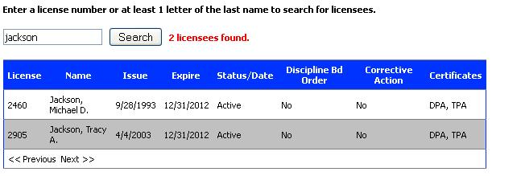

 |  | License | License#licenseNumber
 |  | Name | License#ProviderProfile#FirstName, License#ProviderProfile#LastName
 |  | Issue | License#originalIssueDate
 |  | Status | License#status#name
 |  | Discipline bd Order | License#disciplineBdOrder
 |  | Corrective Action | License#correctiveAction
 |  | Certificates

MedicalPracticeLicenseService#searchByName and MedicalPracticeLicenseService#searchBySpecialty |  | Licensee Name
 |  | Licensee Name | License#ProviderProfile#FirstName, License#ProviderProfile#LastName
 |  | License Type | License#Type
 |  | License Number | License#licenseNumber
 |  | City | License#City
 |  | Licensure, Address | License#ProviderProfile#altAddress1
 |  | E-mail | License#ProviderProfile#contactEmail
 |  | Birth Year | License#ProviderProfile#dob
 |  | Gender | License#ProviderProfile#sex
 |  | Expiration Date | License#expireDate
 |  | License Status | License#status
 |  | Disciplinary Action | License#discipline
 |  | Medical School | License#correctiveAction
 |  | Degree | License#ProviderProfile#degree
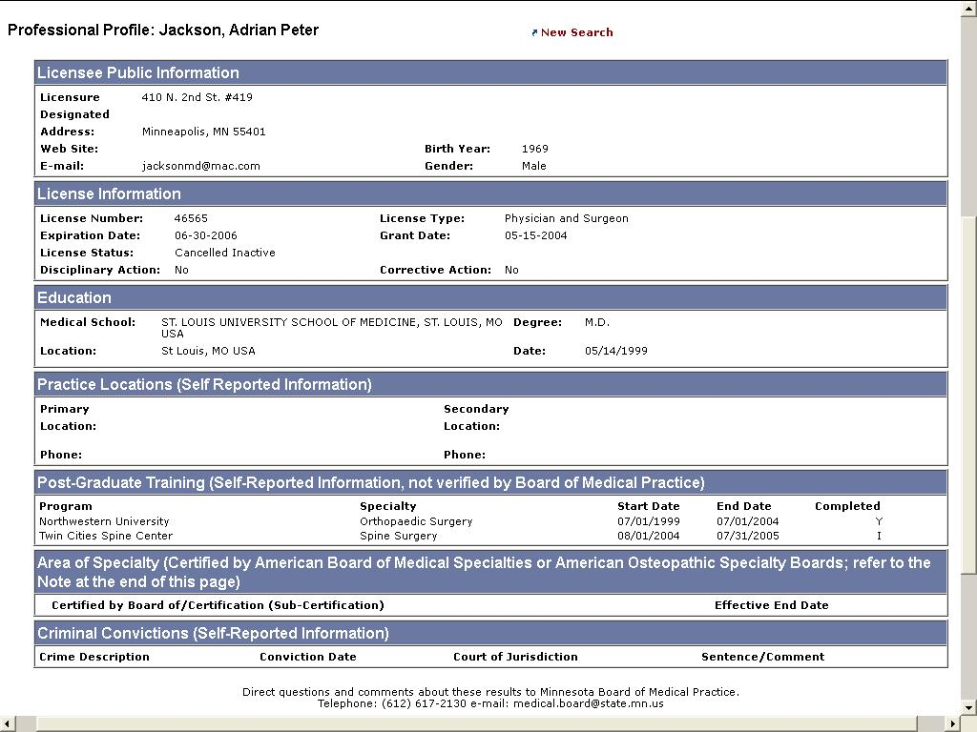
 |  | Date | License#originalIssueDate
 |  | Practice Locations | License#ProviderProfile#practice#officeAddress, License#ProviderProfile#practice#secondaryAddress, License#ProviderProfile#practice#officePhoneNumber,License#ProviderProfile#practice#secondaryPhoneNumber,
 |  | Area of Specialty | License#ProviderProfile#Specialty in License#ProviderProfile#Specialties

MarriageAndFamilyTherapyLicenseService#searchByName, MarriageAndFamilyTherapyLicenseService#searchByLicenseNumber

 |  | License | License#licenseNumber
 |  | First Name | License#ProviderProfile#FirstName
 |  | Middle Name | License#ProviderProfile#MiddleName
 |  | Last Name | License#ProviderProfile#LastName
 |  | License Type | License#Type
 |  | Issue Date | License#originalIssueDate
 |  | Expiration Date | License#expireDate
 |  | Status | License#Status#name
 |  | Status Date | License#Status#date
 |  | Discipline | License#discipline
 |  | Corrective Action | License#correctiveAction
PharmacyLicenseService#search

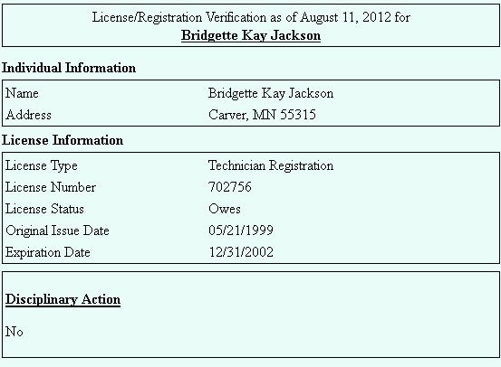
 |  | Licensee Name | License#ProviderProfile#FirstName, License#ProviderProfile#LastName
 |  | City | License#City
 |  | License Type | License#Type
 |  | License Number | License#licenseNumber
 |  | License Status | License#status
 |  | Name | License#ProviderProfile#FirstName, License#ProviderProfile#LastName
 |  | Address | License#ProviderProfile#altAddress1
 |  | Original Issue Date | License#originalIssueDate
 |  | Expiration Date | License#expireDate
 |  | Disciplinary Action | License#discipline

PhysicalTherapyLicenseService#searchByName, PhysicalTherapyLicenseService#searchByLicenseNumber,
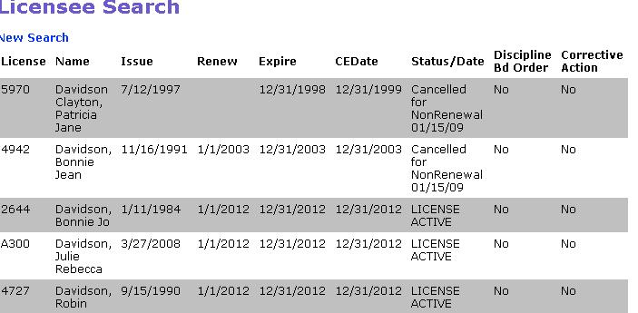

 |  | License | License#licenseNumber
 |  | Name | License#ProviderProfile#FirstName, License#ProviderProfile#LastName
 | License | Issue | License#originalIssueDate
 |  | Renew | License#renewalDate
 |  | Expire | License#expireDate
 |  | CEDate | License#ceDate
 |  | Status/Date | License#status#name
 |  | Discipline | License#status#date
 |  | Bd Order | License#disciplineBdOrder
 |  | Corrective Action | License#correctiveAction

