calendar-1
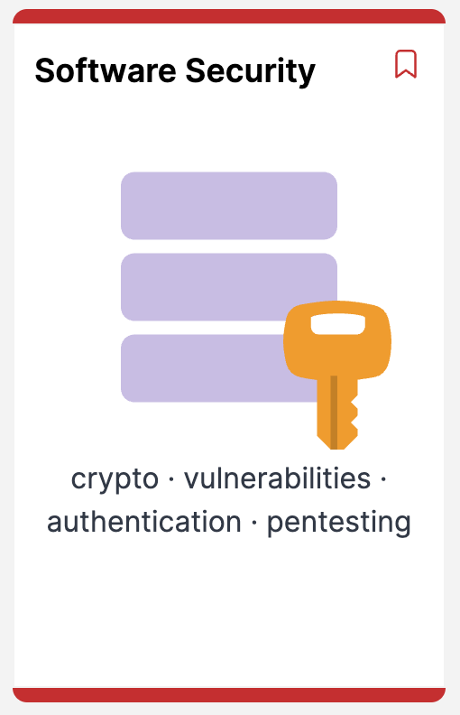
2025
Semester 4 |  | S | M | T | W | T | F | S | Modules
2015-09-01 | 1 |  | 1 | 2 | 3 | 4 | 5 | 6 | Security & Mobile App Dev
 | 2 | 7 | 8 | 9 | 11 | 12 | 13 | 14 | Security & Mobile App Dev
 | 3 | 14 | 15 | 16 | 17 | 18 | 19 | 20 | Security & Mobile App Dev
 | reading-week | 21 | 22 | 23 | 24 | 25 | 26 | 27
2018-10-01 | 4 | 28 | 29 | 30 | 1 | 2 | 3 | 4 | Security & Mobile App Dev
 | 5 | 5 | 6 | 7 | 8 | 9 | 10 | 11 | Security & Mobile App Dev
 | 6 | 12 | 13 | 14 | 15 | 16 | 17 | 18 | Security & Mobile App Dev
 | 7 | 19 | 20 | 21 | 22 | 23 | 24 | 25 | Security & Mobile App Dev
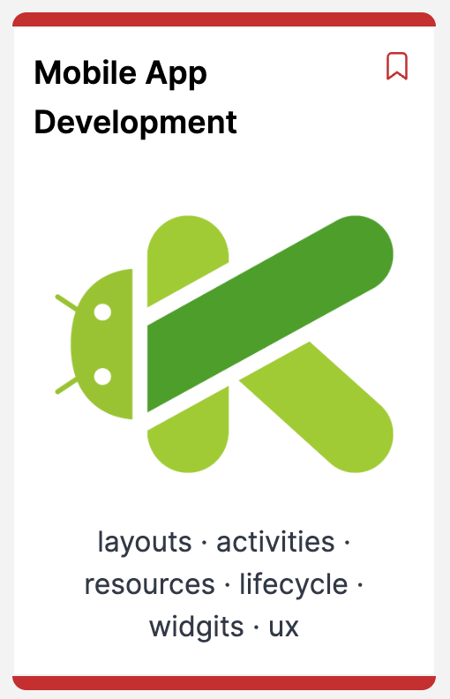
2018-11-01 | reading-week | 26 | 27 | 28 | 29 | 30 | 21 | 1
 | 8 | 2 | 3 | 4 | 5 | 6 | 7 | 8 | Security & Mobile App Dev
 | 9 | 9 | 10 | 11 | 12 | 13 | 14 | 15 | Security & Mobile App Dev
 | reading-week | 16 | 17 | 18 | 19 | 20 | 21 | 22
 | 10 | 23 | 24 | 25 | 26 | 27 | 28 | 29 | Security & Mobile App Dev
2018-12-01 | 11 | 30 | 1 | 2 | 3 | 4 | 5 | 6 | Security & Mobile App Dev
 | 12 | 7 | 8 | 9 | 10 | 11 | 12 | 13 | Security & Mobile App Dev
 |  | 14 | 15 | 16 | 17 | 18 | 19 | 20
 |  | 21 | 22 | 23 | 24 | 25 | 26 | 27
2018-01-01 |  | 28 | 29 | 30 | 31 | 1 | 2 | 3

