option-2

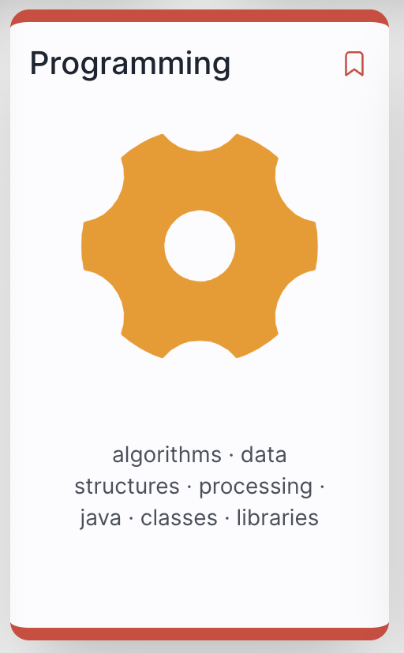
 |  | S | M | T | W | T | F | S
 | Week | 1 | 1 | 2 | 3 | 4 | 5 | 6
2015-01-01 |  | 7 | 8 | 9 | 10 | 11 | 12 | 13
 | 1 | 14 | 15 | 16 | 17 | 18 | 19 | 20
 | 2 | 21 | 22 | 23 | 24 | 25 | 26 | 27
 | 3 | 28 | 29 | 30 | 31 | 1 | 2 | 3
2015-02-01 | reading | 4 | 5 | 6 | 7 | 8 | 9 | 10
Friday Jan 12
 | 4 | 11 | 12 | 13 | 14 | 15 | 16 | 17
 | 5 | 18 | 19 | 20 | 21 | 22 | 23 | 24
 | 6 | 25 | 26 | 27 | 28 | 29 | 1 | 2
2015-03-01 | reading | 3 | 4 | 5 | 6 | 7 | 8 | 9

 | 7 | 10 | 11 | 12 | 13 | 14 | 15 | 16
 | 8 | 17 | 18 | 19 | 20 | 21 | 22 | 23
 | Easter 1 | 24 | 25 | 26 | 27 | 28 | 29 | 30
2015-04-01 | Easter 2 | 31 | 1 | 2 | 3 | 4 | 5 | 6
 | 9 | 7 | 8 | 9 | 10 | 11 | 12 | 13
 | 10 | 14 | 15 | 16 | 17 | 18 | 19 | 20
 | 11 | 21 | 22 | 23 | 24 | 25 | 26 | 27
2015-05-01 | 12 | 28 | 29 | 30 | 1 | 2 | 3 | 4

 |  | 5 | 6 | 7 | 8 | 9 | 10 | 11

 |  | 12 | 13 | 14 | 15 | 16 | 17 | 18
 | 13 | 19 | 20 | 21 | 22 | 23 | 24 | 25
 | 14 | 26 | 27 | 28 | 29 | 30 | 31 | 1
2015-06-01 | 14 | 2 | 3 | 4 | 5 | 6 | 7 | 8
 | 16 | 9 | 10 | 11 | 12 | 13 | 14 | 15
 | 17 | 16 | 17 | 18 | 19 | 20 | 21 | 22
Thursday/Friday May 23/24
 |  | 23 | 24 | 25 | 26 | 27 | 28 | 29
2019-07-01 |  | 30 | 1 | 2 | 3 | 4 | 5 | 6

