option-2

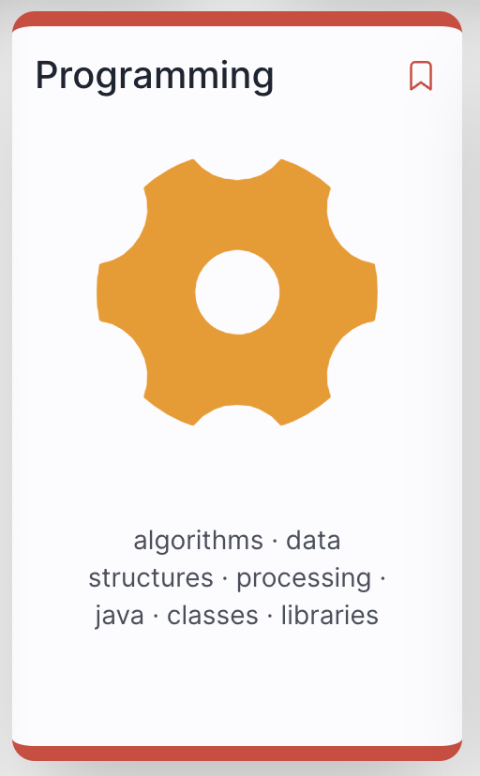
 |  | S | M | T | W | T | F | S
 | Week |  |  |  | 1 | 2 | 3 | 4
2015-01-01 |  | 5 | 6 | 7 | 8 | 9 | 10 | 11
 |  | 12 | 13 | 14 | 15 | 16 | 17 | 18
 | 1 | 19 | 20 | 21 | 22 | 23 | 24 | 25
 | 2 | 26 | 27 | 28 | 29 | 30 | 31 | 1
2015-02-01 | 3 | 2 | 3 | 4 | 5 | 6 | 7 | 8
 | 4 | 9 | 10 | 11 | 12 | 13 | 14 | 15
 | reading | 16 | 17 | 18 | 19 | 20 | 21 | 22
Friday Jan 10
 | 5 | 23 | 24 | 25 | 26 | 27 | 28 | 1
2015-03-01 | 6 | 2 | 3 | 4 | 5 | 6 | 7 | 8

 | 7 | 9 | 10 | 11 | 12 | 13 | 14 | 15
 | reading | 16 | 17 | 18 | 19 | 20 | 21 | 22

 | 8 | 23 | 24 | 25 | 26 | 27 | 28 | 29
 | 9 | 30 | 31 | 1 | 2 | 3 | 4 | 5
2015-04-01 | 10 | 6 | 7 | 8 | 9 | 10 | 11 | 12
 | Easter1 | 13 | 14 | 15 | 16 | 17 | 18 | 19
 | Easter2 | 20 | 21 | 22 | 23 | 24 | 25 | 26
 | 11 | 27 | 28 | 29 | 30 | 1 | 2 | 3

2015-05-01 | 12 | 4 | 5 | 6 | 7 | 8 | 9 | 10
 |  | 11 | 12 | 13 | 14 | 15 | 16 | 17
 | 13 | 18 | 19 | 20 | 21 | 22 | 23 | 24
 | 14 | 25 | 26 | 27 | 28 | 29 | 30 | 31
2015-06-01 | 14 | 1 | 2 | 3 | 4 | 5 | 6 | 7
Thursday/Friday May 22/23
 | 16 | 8 | 9 | 10 | 11 | 12 | 13 | 14
 | 17 | 15 | 16 | 17 | 18 | 19 | 20 | 21
 |  | 22 | 23 | 24 | 25 | 26 | 27 | 28
 |  | 29 | 30 | 1 | 2 | 3 | 4 | 5

