🏠 Start Here
Story Mapping Template

👋 Welcome Welcome to the Google Sheets user story mapping template by Avion! This template gives you a fully functioning story map that can help your team with discovery and planning. |  | 🙋‍♀️ More Info ‣ Comprehensive story mapping guide → ‣ Blog post about this template → ‣ Dedicated story mapping tool →

Step 1 Copy this sheet | 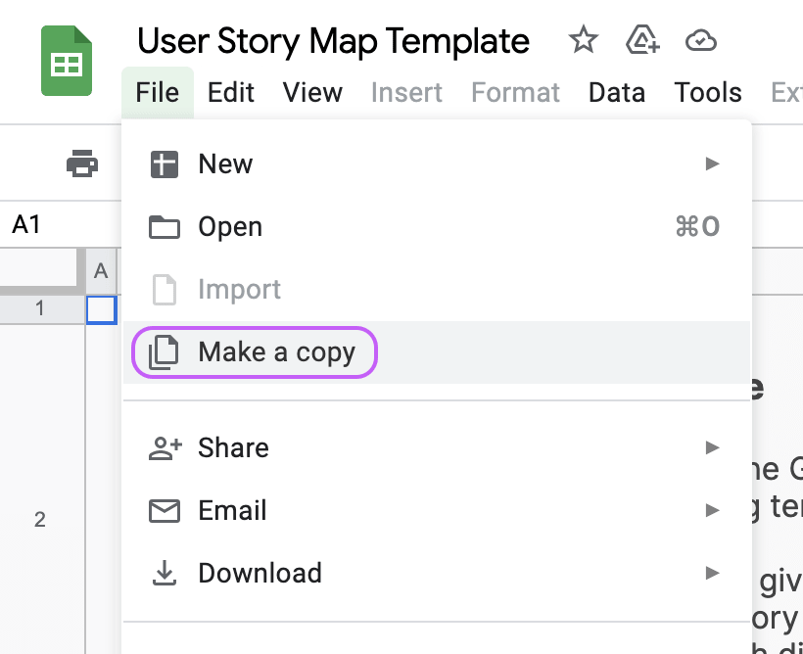 | How to copy this sheet ↓

Step 2 Read the quickstart →

Step 3 Check the example map →

Step 4 Start story mapping your product →

Step 5 Share this with your friends and followers 🙏

💁‍♀️ Quickstart
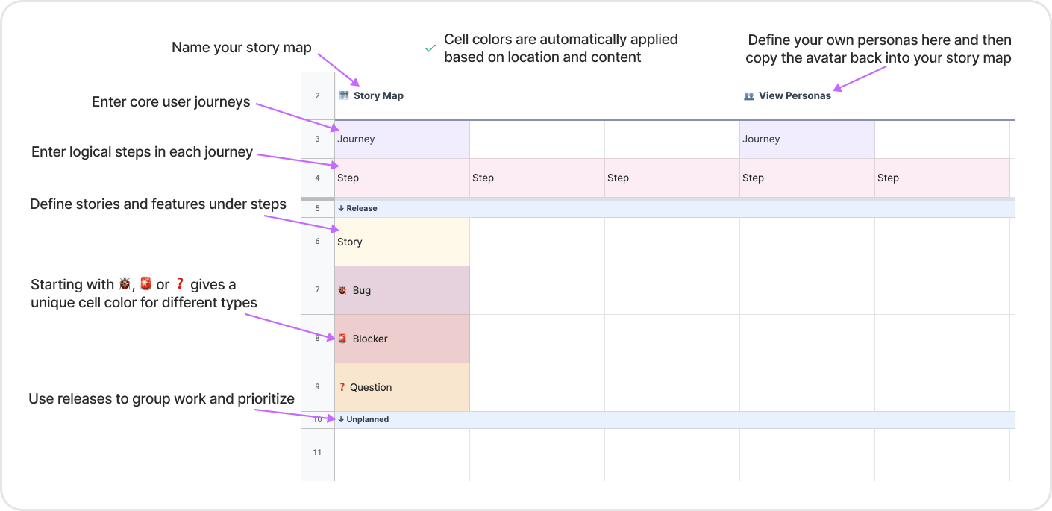
Quickstart

Story mapping is about planning in the most user-centric environment you possibly can. It helps you understand your user's journey and empathize with their experience.

Quickstart ↓ Check out the blog post for more info and customization ideas.

