Sheet1
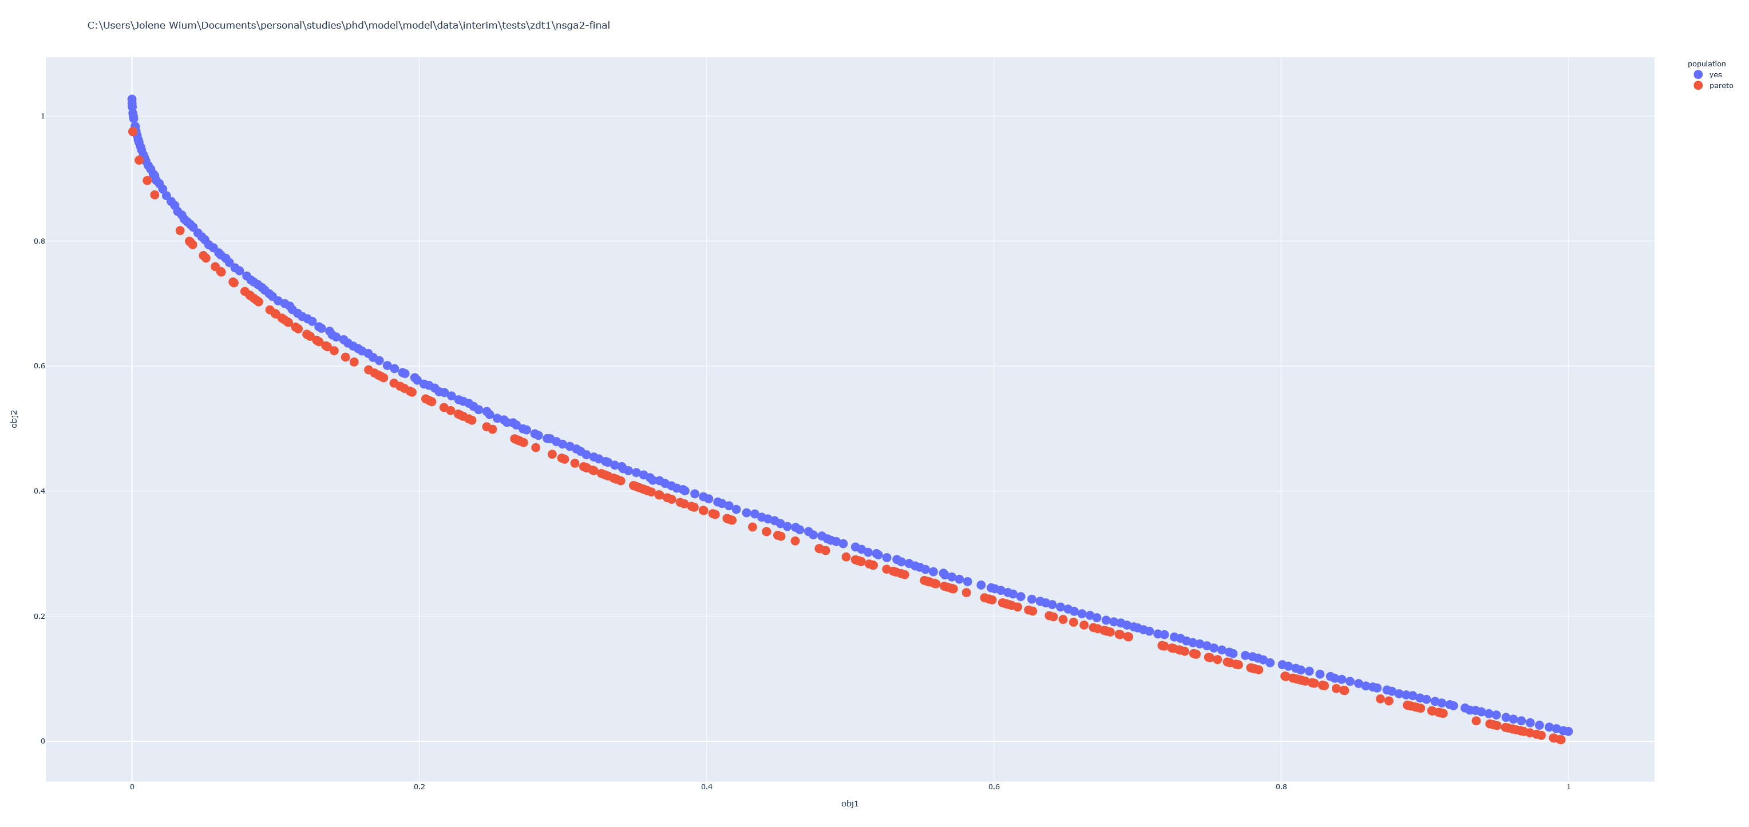
Test | Iterations | Population | Mutation | Mutation2 | Crossover | Crossover | LastId | Ration | Hyperarea
1 | 5000 | 250 | 0.3 | 0.05 | 0.39 | Bitflip |  |  | 0.49
2 | 5000 | 250 | 0.3 | 0.02 | 0.39 | Bitflip |  |  | 0.54
3 | 5000 | 250 | 0.3 | 0.07 | 0.39 | Bitflip |  |  | 0.45
4 | 5000 | 250 | 0.3 | 0.09 | 0.39 | Bitflip |  |  | 0.46
5 | 5000 | 250 | 0.3 | 0.08 | 0.39 | Bitflip | 6002 | 1.1504 | 0.44
6 | 25000 | 250 | 0.3 | 0.08 | 0.39 | Bitflip |  |  | 0.396
7 | 5000 | 250 | 0.3 | 0.08 | 0.39 | Crossover |  |  | 0.49
8 | 5000 | 250 | 0.3 | 0.08 | 0.39 | Bitflip | 5841 | 1.1182 | 0.505
 | 100000 | 250 | 0.3 | 0.08 | 0.39 | Bitflip | 93066 | 0.92816 | 0.351849

 |  |  |  |  |  | population | pareto | yes
 |  |  |  |  |  | count | 9 | 9
 |  |  |  |  |  | mean | 0.321454 | 0.358097
 |  |  |  |  |  | std | 0.001993 | 0.006848 |  | 2.87E-11 | 0.00000000002871949066320
 |  |  |  |  |  | min | 0.317677 | 0.344578
 |  |  |  |  |  | 0.25 | 0.321349 | 0.35424
 |  |  |  |  |  | 0.5 | 0.322347 | 0.360023
 |  |  |  |  |  | 0.75 | 0.322682 | 0.363188
 |  |  |  |  |  | max | 0.323562 | 0.366131

